Power factor
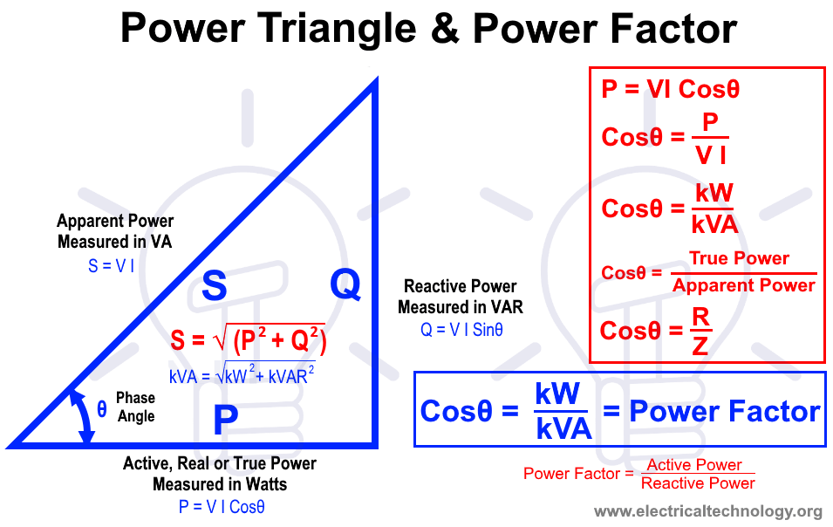
Load resistance | R | 27
Load inductance | L | 2.8
Frequency | F | 50
RMS Voltage | U | 230

 |  | R | X
Impedance | Z | 27 | 879.64594301
Impedance module | |Z| | 880.06021672 | Ω

Total current | I | 0.26134575297 | A
Apparent power | S | 60.109523184 | VA
True Power | P | 1.8441432701 | W
Power factor | Pf | 0.030679718827 | -
Phase angle | θ | 88.241905721 | °
Reactive Power | Q | 60.081227626 | VAR
Phase delay | ϕ | 0.0049023280956 | ms

Compensation Reactance | X | 880.47468553 | Ω
Compensation Capacitance | C | 3.6152076989E-06 | F

