Sheet1
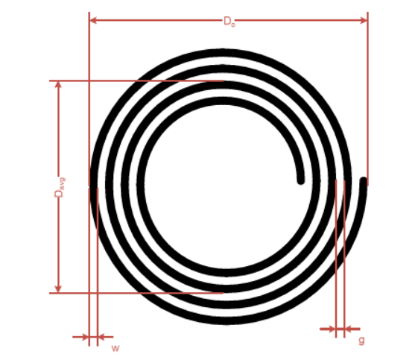
Source : NXP AN12334 | 13.56MHz
Rounded Antenna

Antenna diameter (cm) | Do | 13
Track thickness | t | 0.035
Track width | w | 0.3
Track spacing | g | 0.3
Turns | Nc | 3

Average antenna diamter (cm) | Davg | 11.2
Equivalent diameter of track | d | 0.38
Average antenna circunference | l | 35.19
Turn exponent | p | 1.75

Antenna inductance (uH) | L | 1.6617404992

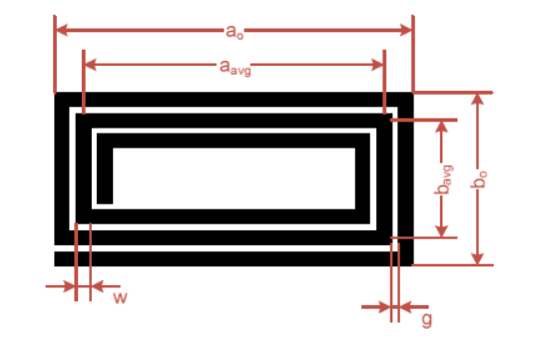
Rectangular (square) Antenna
Width (mm) | a0 | 30
Length (mm) | b0 | 30
Track thickness (mm) | t | 0.035
Track width (mm) | w | 0.5
Track spacing (mm) | g | 0.5
Turns | Nc | 5
Turn exponent | p | 1.75
Magnetic constant | u0 | 1.2566370614E-06

Equivalent diameter of track | d | 0.34059157822
Average dimension of antenna | a_avg | 25
Average dimension of antenna | b_avg | 25
- | x1 | 102.69301639
- | x2 | 102.69301639
- | x3 | 29.289321881
- | x4 | 12.5

Antenna inductance (uH) | L | 1.2612222197

