Sheet1
Source : NXP AN12334 | 13.56MHz

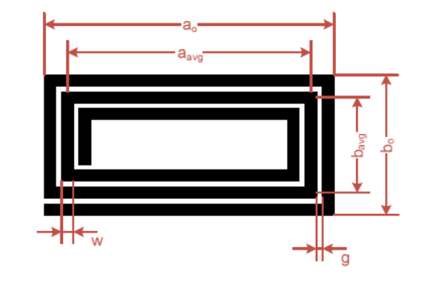
Rectangular (square) Antenna
Width (mm) | a0 | 120
Length (mm) | b0 | 120
Track thickness (mm) | t | 0.035
Track width (mm) | w | 0.254
Track spacing (mm) | g | 0.254
Turns | Nc | 5
Turn exponent | p | 1.75
Magnetic constant | u0 | 1.2566370614E-06

Equivalent diameter of track | d | 0.18398311421
Average dimension of antenna | a_avg | 117.46
Average dimension of antenna | b_avg | 117.46
- | x1 | 736.56614062
- | x2 | 736.56614062
- | x3 | 137.61294993
- | x4 | 58.73

Antenna inductance (uH) | L | 9.3239072303
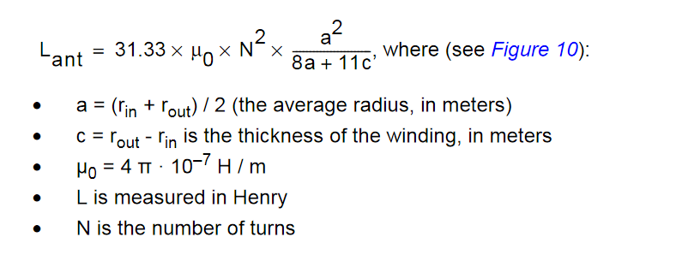
Rounded Antenna

Antenna diameter (cm) | Do | 4
Track thickness | t | 0.035
Track width | w | 0.254
Track spacing | g | 0.3
Turns | Nc | 6
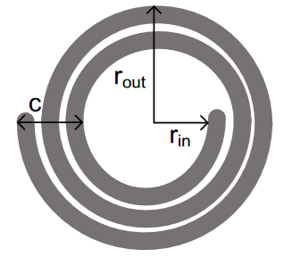
Average antenna radius (cm) | a | 0.019169
Thickness of the winding | c | 0.00332400
u0 |  | 0.00000126

Antenna inductance (H) | L | 0.00000274
Antenna inductance (uH) | L | 2.742

