Sheet1
 | 13.56MHz
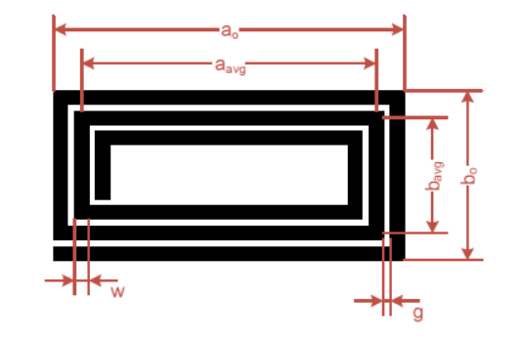

Source : NXP AN12334
Rectangular (square) Antenna
Width (mm) | a0 | 30
Length (mm) | b0 | 30
Track thickness (mm) | t | 0.035
Track width (mm) | w | 1
Track spacing (mm) | g | 0.254
Turns | Nc | 3
Turn exponent | p | 1.75
Magnetic constant | u0 | 1.2566370614E-06 | Source : ST AN2866
 |  |  |  |  | Only considering a0
Equivalent diameter of track | d | 0.6589014644 | Average diameter | d | 28.119
Average dimension of antenna | a_avg | 26.238 |  | p | 0.066894270778
Average dimension of antenna | b_avg | 26.238 |  |  | Shape 1 | Shape 2 | Shape 3
- | x1 | 91.732340898 | Shape factor | K1 | 2.34 | 2.25 | 2.33
- | x2 | 91.732340898 | Shape factor | K2 | 2.75 | 3.55 | 3.82
- | x3 | 30.739729101
- | x4 | 13.119

Antenna inductance (uH) | L | 0.454 | Antenna inductance (uH) | L | 0.629 | 0.578 | 0.590

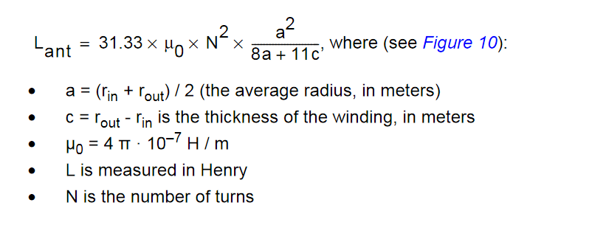
Rounded Antenna

Antenna diameter (cm) | Do | 4
Track thickness | t | 0.035
Track width | w | 0.254
Track spacing | g | 0.3
Turns | Nc | 6
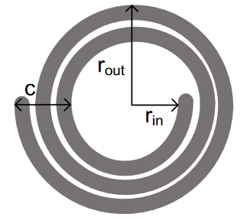
Average antenna radius (cm) | a | 0.019169
Thickness of the winding | c | 0.00332400
u0 |  | 0.00000126

Antenna inductance (H) | L | 0.00000274
Antenna inductance (uH) | L | 2.742

