Antenna
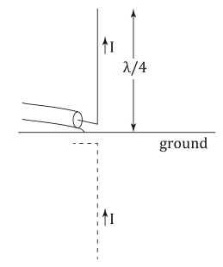
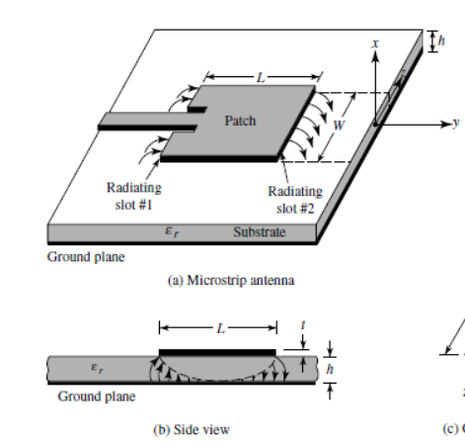
F0 | 300 | MHz
F0 | 300000000 | Hz
c | 299792458 | m/s
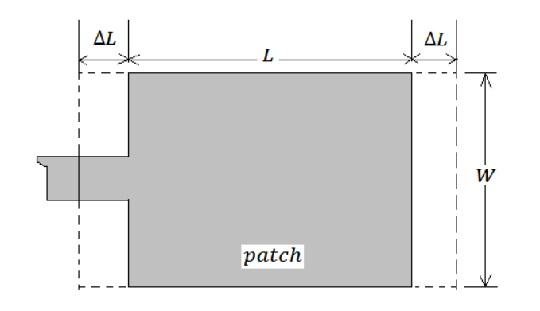
ε0 | 8.8541878176E-12 | F/m
μ0 | 1.2566370614E-06 | H/m
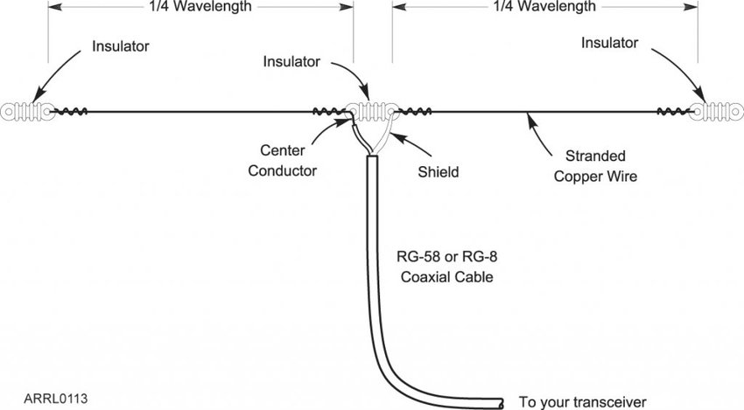
Permittivity εr | 3.7 | F/m

Resonant frequency
λ | 1.00 | m

 |  |  | Dipole antenna |  |  | Monopole antenna |  |  | Patch antenna (Rectangular)
 |  |  | Length (λ/2) | 0.50 | m | Length (λ/4) | 0.25 | m | Height | 0.0016 | m
 |  |  | Adjusted length | 0.47 | m |  |  |  | Width (W) | 0.326 | m
 |  |  |  |  |  |  |  |  | Effective dielectric constant | 3.74 | F/m
 |  |  |  |  |  |  |  |  | ΔL | 0.0007629 | m
 |  |  |  |  |  |  |  |  | Length (L) | 0.257 | m

 |  |  |  |  |  |  |  |  | Patch Impedance | 283.4 | Ω
 |  |  |  |  |  |  |  |  | Feed TL impedance | 119.0 | Ω

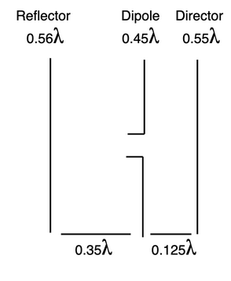

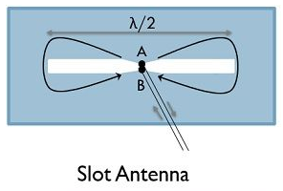

 |  |  | Slot antenna |  |  | Yagi-Uda antenna
 |  |  | Slot Length (λ/2) | 0.50 | m | Driven element | 0.500 | m
 |  |  |  |  |  | Reflector | 0.525 | m
 |  |  |  |  |  | Directors | 0.475 | m
 |  |  |  |  |  | Directors spacing | 0.200 | m
 |  |  |  |  |  | Reflector dipole spacing | 0.350 | m
 |  |  |  |  |  | Dipole director spacing | 0.125 | m

Quartz
Quartz CLx value

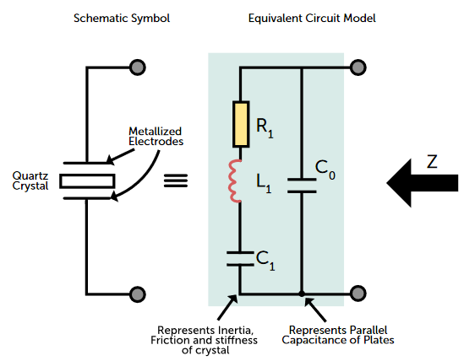
Quartz parameters
Load capacitance | CL | 12.5 | pF
Shunt capacitance | C0 | 1 | pF
Motional capacitance | C1 | 1.54 | fF

Stray capacitance (trace) | Cs | 0.5 | pF

Fondamental frequency | F | 0.032768 | MHz
Fondamental frequency | F | 32768 | Hz
Frequency tolerance | - | 20 | ppm
Frequency vs temperature tolerance | - | 40 | ppm
Pulling sensitivity | - | 4.22 | ppm/pF
Aging | - | 3 | ppm

Maximum Variation | - | 2.20 | Hz
External load capacitance | Cx | 24.00 | pF

Sheet2
V+ | 1 | V
F | 1 | MHz
λ | 0.000001 | m
γ | 6283185.3072 | 1/m
b | 0 | Np/m
t | 3
θ | 2
Zin | 50
Z0 | 50
ZL | 0

Γ | -1

/100 | x |  | V+ |  | |V+| | V- |  | |V-| |  | Vtot
 |  |  | Re | Im |  | Re | Im
0 | 0 |  | -0.41614683655 | 0.90929742683 | 1 | 0.41614683655 | 0 | 0.41614683655 | 0 | 0.90929742683
1 | 0.00000001 |  | -0.35823040799 | 0.93363321213 | 1 | 0.35823040799 | -0.062790519529 | 0.36369173011 | 0 | 0.8708426926
2 | 0.00000002 |  | -0.29890020767 | 0.95428437368 | 1 | 0.29890020767 | -0.12533323356 | 0.32411379727 | 0 | 0.82895114012
3 | 0.00000003 |  | -0.23839038478 | 0.97116941078 | 1 | 0.23839038478 | -0.18738131459 | 0.30321895161 | 0 | 0.7837880962
4 | 0.00000004 |  | -0.17693974396 | 0.98422168591 | 1 | 0.17693974396 | -0.24868988716 | 0.30521194762 | 0 | 0.73553179874
5 | 0.00000005 |  | -0.1147908028 | 0.99338968768 | 1 | 0.1147908028 | -0.30901699437 | 0.32964895149 | 0 | 0.68437269331
6 | 0.00000006 |  | -0.052188834791 | 0.9986372342 | 1 | 0.052188834791 | -0.36812455268 | 0.3718055416 | 0 | 0.63051268151
7 | 0.00000007 |  | 0.01061909871 | 0.99994361578 | 1 | -0.01061909871 | -0.42577929157 | 0.42591169317 | 0 | 0.57416432422
8 | 0.00000008 |  | 0.073385123479 | 0.99730367675 | 1 | -0.073385123479 | -0.4817536741 | 0.48731096731 | 0 | 0.51555000264
9 | 0.00000009 |  | 0.13586153069 | 0.99072783572 | 1 | -0.13586153069 | -0.53582679498 | 0.55278269667 | 0 | 0.45490104074
10 | 0.0000001 |  | 0.19780175451 | 0.98024204455 | 1 | -0.19780175451 | -0.58778525229 | 0.62017500506 | 0 | 0.39245679226
11 | 0.00000011 |  | 0.25896134518 | 0.96588768586 | 1 | -0.25896134518 | -0.63742398975 | 0.68801912837 | 0 | 0.32846369612
12 | 0.00000012 |  | 0.31909893372 | 0.94772140975 | 1 | -0.31909893372 | -0.68454710593 | 0.75526741604 | 0 | 0.26317430382
13 | 0.00000013 |  | 0.37797718455 | 0.92581491021 | 1 | -0.37797718455 | -0.72896862742 | 0.82113458812 | 0 | 0.19684628278
14 | 0.00000014 |  | 0.43536373212 | 0.90025464217 | 1 | -0.43536373212 | -0.77051324278 | 0.88500408843 | 0 | 0.1297413994
15 | 0.00000015 |  | 0.49103209793 | 0.87114148036 | 1 | -0.49103209793 | -0.80901699437 | 0.94637255792 | 0 | 0.062124485983
16 | 0.00000016 |  | 0.54476258439 | 0.8385903211 | 1 | -0.54476258439 | -0.8443279255 | 1.0048163609 | 0 | 0.0057376043973
17 | 0.00000017 |  | 0.5963431418 | 0.80272962897 | 1 | -0.5963431418 | -0.87630668004 | 1.0599710092 | 0 | 0.073577051074
18 | 0.00000018 |  | 0.64557020528 | 0.76370092972 | 1 | -0.64557020528 | -0.90482705247 | 1.1115182791 | 0 | 0.14112612274
19 | 0.00000019 |  | 0.69224949809 | 0.72165825181 | 1 | -0.69224949809 | -0.92977648589 | 1.1591780197 | 0 | 0.20811823408
20 | 0.0000002 |  | 0.73619679838 | 0.67676751846 | 1 | -0.73619679838 | -0.9510565163 | 1.2027028823 | 0 | 0.27428899783
21 | 0.00000021 |  | 0.77723866626 | 0.62920589291 | 1 | -0.77723866626 | -0.96858316113 | 1.2418749069 | 0 | 0.33937726822
22 | 0.00000022 |  | 0.8152131282 | 0.57916107916 | 1 | -0.8152131282 | -0.98228725073 | 1.2765033049 | 0 | 0.40312617157
23 | 0.00000023 |  | 0.84997031636 | 0.52683058122 | 1 | -0.84997031636 | -0.99211470131 | 1.3064230246 | 0 | 0.46528412009
24 | 0.00000024 |  | 0.88137306 | 0.47242092366 | 1 | -0.88137306 | -0.99802672843 | 1.3314938308 | 0 | 0.52560580477
25 | 0.00000025 |  | 0.90929742683 | 0.41614683655 | 1 | -0.90929742683 | -1 | 1.3515997227 | 0 | 0.58385316345
26 | 0.00000026 |  | 0.93363321213 | 0.35823040799 | 1 | -0.93363321213 | -0.99802672843 | 1.3666485742 | 0 | 0.63979632044
27 | 0.00000027 |  | 0.95428437368 | 0.29890020767 | 1 | -0.95428437368 | -0.99211470131 | 1.3765719184 | 0 | 0.69321449365
28 | 0.00000028 |  | 0.97116941078 | 0.23839038478 | 1 | -0.97116941078 | -0.98228725073 | 1.3813248233 | 0 | 0.74389686595
29 | 0.00000029 |  | 0.98422168591 | 0.17693974396 | 1 | -0.98422168591 | -0.96858316113 | 1.3808858269 | 0 | 0.79164341717
30 | 0.0000003 |  | 0.99338968768 | 0.1147908028 | 1 | -0.99338968768 | -0.9510565163 | 1.3752569101 | 0 | 0.83626571349
31 | 0.00000031 |  | 0.9986372342 | 0.052188834791 | 1 | -0.9986372342 | -0.92977648589 | 1.3644634987 | 0 | 0.8775876511
32 | 0.00000032 |  | 0.99994361578 | -0.01061909871 | 1 | -0.99994361578 | -0.90482705247 | 1.3485544963 | 0 | 0.91544615118
33 | 0.00000033 |  | 0.99730367675 | -0.073385123479 | 1 | -0.99730367675 | -0.87630668004 | 1.3276023581 | 0 | 0.94969180352
34 | 0.00000034 |  | 0.99072783572 | -0.13586153069 | 1 | -0.99072783572 | -0.8443279255 | 1.3017032266 | 0 | 0.98018945619
35 | 0.00000035 |  | 0.98024204455 | -0.19780175451 | 1 | -0.98024204455 | -0.80901699437 | 1.2709771686 | 0 | 1.0068187489
36 | 0.00000036 |  | 0.96588768586 | -0.25896134518 | 1 | -0.96588768586 | -0.77051324278 | 1.2355685651 | 0 | 1.029474588
37 | 0.00000037 |  | 0.94772140975 | -0.31909893372 | 1 | -0.94772140975 | -0.72896862742 | 1.1956467414 | 0 | 1.0480675611
38 | 0.00000038 |  | 0.92581491021 | -0.37797718455 | 1 | -0.92581491021 | -0.68454710593 | 1.1514069603 | 0 | 1.0625242905
39 | 0.00000039 |  | 0.90025464217 | -0.43536373212 | 1 | -0.90025464217 | -0.63742398975 | 1.1030719666 | 0 | 1.0727877219
40 | 0.0000004 |  | 0.87114148036 | -0.49103209793 | 1 | -0.87114148036 | -0.58778525229 | 1.0508943722 | 0 | 1.0788173502
41 | 0.00000041 |  | 0.8385903211 | -0.54476258439 | 1 | -0.8385903211 | -0.53582679498 | 0.99516032923 | 0 | 1.0805893794
42 | 0.00000042 |  | 0.80272962897 | -0.5963431418 | 1 | -0.80272962897 | -0.4817536741 | 0.93619520386 | 0 | 1.0780968159
43 | 0.00000043 |  | 0.76370092972 | -0.64557020528 | 1 | -0.76370092972 | -0.42577929157 | 0.87437241218 | 0 | 1.0713494968
44 | 0.00000044 |  | 0.72165825181 | -0.69224949809 | 1 | -0.72165825181 | -0.36812455268 | 0.8101273472 | 0 | 1.0603740508
45 | 0.00000045 |  | 0.67676751846 | -0.73619679838 | 1 | -0.67676751846 | -0.30901699437 | 0.74397968847 | 0 | 1.0452137928
46 | 0.00000046 |  | 0.62920589291 | -0.77723866626 | 1 | -0.62920589291 | -0.24868988716 | 0.6765698158 | 0 | 1.0259285534
47 | 0.00000047 |  | 0.57916107916 | -0.8152131282 | 1 | -0.57916107916 | -0.18738131459 | 0.60871940389 | 0 | 1.0025944428
48 | 0.00000048 |  | 0.52683058122 | -0.84997031636 | 1 | -0.52683058122 | -0.12533323356 | 0.54153382235 | 0 | 0.97530354992
49 | 0.00000049 |  | 0.47242092366 | -0.88137306 | 1 | -0.47242092366 | -0.062790519529 | 0.47657546984 | 0 | 0.94416357953
50 | 0.0000005 |  | 0.41614683655 | -0.90929742683 | 1 | -0.41614683655 | 3.2162452994E-16 | 0.41614683655 | 0 | 0.90929742683
51 | 0.00000051 |  | 0.35823040799 | -0.93363321213 | 1 | -0.35823040799 | 0.062790519529 | 0.36369173011 | 0 | 0.8708426926
52 | 0.00000052 |  | 0.29890020767 | -0.95428437368 | 1 | -0.29890020767 | 0.12533323356 | 0.32411379727 | 0 | 0.82895114012
53 | 0.00000053 |  | 0.23839038478 | -0.97116941078 | 1 | -0.23839038478 | 0.18738131459 | 0.30321895161 | 0 | 0.7837880962
54 | 0.00000054 |  | 0.17693974396 | -0.98422168591 | 1 | -0.17693974396 | 0.24868988716 | 0.30521194762 | 0 | 0.73553179874
55 | 0.00000055 |  | 0.1147908028 | -0.99338968768 | 1 | -0.1147908028 | 0.30901699437 | 0.32964895149 | 0 | 0.68437269331
56 | 0.00000056 |  | 0.052188834791 | -0.9986372342 | 1 | -0.052188834791 | 0.36812455268 | 0.3718055416 | 0 | 0.63051268151
57 | 0.00000057 |  | -0.01061909871 | -0.99994361578 | 1 | 0.01061909871 | 0.42577929157 | 0.42591169317 | 0 | 0.57416432422
58 | 0.00000058 |  | -0.073385123479 | -0.99730367675 | 1 | 0.073385123479 | 0.4817536741 | 0.48731096731 | 0 | 0.51555000264
59 | 0.00000059 |  | -0.13586153069 | -0.99072783572 | 1 | 0.13586153069 | 0.53582679498 | 0.55278269667 | 0 | 0.45490104074
60 | 0.0000006 |  | -0.19780175451 | -0.98024204455 | 1 | 0.19780175451 | 0.58778525229 | 0.62017500506 | 0 | 0.39245679226
61 | 0.00000061 |  | -0.25896134518 | -0.96588768586 | 1 | 0.25896134518 | 0.63742398975 | 0.68801912837 | 0 | 0.32846369612
62 | 0.00000062 |  | -0.31909893372 | -0.94772140975 | 1 | 0.31909893372 | 0.68454710593 | 0.75526741604 | 0 | 0.26317430382
63 | 0.00000063 |  | -0.37797718455 | -0.92581491021 | 1 | 0.37797718455 | 0.72896862742 | 0.82113458812 | 0 | 0.19684628278
64 | 0.00000064 |  | -0.43536373212 | -0.90025464217 | 1 | 0.43536373212 | 0.77051324278 | 0.88500408843 | 0 | 0.1297413994
65 | 0.00000065 |  | -0.49103209793 | -0.87114148036 | 1 | 0.49103209793 | 0.80901699437 | 0.94637255792 | 0 | 0.062124485983
66 | 0.00000066 |  | -0.54476258439 | -0.8385903211 | 1 | 0.54476258439 | 0.8443279255 | 1.0048163609 | 0 | 0.0057376043973
67 | 0.00000067 |  | -0.5963431418 | -0.80272962897 | 1 | 0.5963431418 | 0.87630668004 | 1.0599710092 | 0 | 0.073577051074
68 | 0.00000068 |  | -0.64557020528 | -0.76370092972 | 1 | 0.64557020528 | 0.90482705247 | 1.1115182791 | 0 | 0.14112612274
69 | 0.00000069 |  | -0.69224949809 | -0.72165825181 | 1 | 0.69224949809 | 0.92977648589 | 1.1591780197 | 0 | 0.20811823408
70 | 0.0000007 |  | -0.73619679838 | -0.67676751846 | 1 | 0.73619679838 | 0.9510565163 | 1.2027028823 | 0 | 0.27428899783
71 | 0.00000071 |  | -0.77723866626 | -0.62920589291 | 1 | 0.77723866626 | 0.96858316113 | 1.2418749069 | 0 | 0.33937726822
72 | 0.00000072 |  | -0.8152131282 | -0.57916107916 | 1 | 0.8152131282 | 0.98228725073 | 1.2765033049 | 0 | 0.40312617157
73 | 0.00000073 |  | -0.84997031636 | -0.52683058122 | 1 | 0.84997031636 | 0.99211470131 | 1.3064230246 | 0 | 0.46528412009
74 | 0.00000074 |  | -0.88137306 | -0.47242092366 | 1 | 0.88137306 | 0.99802672843 | 1.3314938308 | 0 | 0.52560580477
75 | 0.00000075 |  | -0.90929742683 | -0.41614683655 | 1 | 0.90929742683 | 1 | 1.3515997227 | 0 | 0.58385316345
76 | 0.00000076 |  | -0.93363321213 | -0.35823040799 | 1 | 0.93363321213 | 0.99802672843 | 1.3666485742 | 0 | 0.63979632044
77 | 0.00000077 |  | -0.95428437368 | -0.29890020767 | 1 | 0.95428437368 | 0.99211470131 | 1.3765719184 | 0 | 0.69321449365
78 | 0.00000078 |  | -0.97116941078 | -0.23839038478 | 1 | 0.97116941078 | 0.98228725073 | 1.3813248233 | 0 | 0.74389686595
79 | 0.00000079 |  | -0.98422168591 | -0.17693974396 | 1 | 0.98422168591 | 0.96858316113 | 1.3808858269 | 0 | 0.79164341717
80 | 0.0000008 |  | -0.99338968768 | -0.1147908028 | 1 | 0.99338968768 | 0.9510565163 | 1.3752569101 | 0 | 0.83626571349
81 | 0.00000081 |  | -0.9986372342 | -0.052188834791 | 1 | 0.9986372342 | 0.92977648589 | 1.3644634987 | 0 | 0.8775876511
82 | 0.00000082 |  | -0.99994361578 | 0.01061909871 | 1 | 0.99994361578 | 0.90482705247 | 1.3485544963 | 0 | 0.91544615118
83 | 0.00000083 |  | -0.99730367675 | 0.073385123479 | 1 | 0.99730367675 | 0.87630668004 | 1.3276023581 | 0 | 0.94969180352
84 | 0.00000084 |  | -0.99072783572 | 0.13586153069 | 1 | 0.99072783572 | 0.8443279255 | 1.3017032266 | 0 | 0.98018945619
85 | 0.00000085 |  | -0.98024204455 | 0.19780175451 | 1 | 0.98024204455 | 0.80901699437 | 1.2709771686 | 0 | 1.0068187489
86 | 0.00000086 |  | -0.96588768586 | 0.25896134518 | 1 | 0.96588768586 | 0.77051324278 | 1.2355685651 | 0 | 1.029474588
87 | 0.00000087 |  | -0.94772140975 | 0.31909893372 | 1 | 0.94772140975 | 0.72896862742 | 1.1956467414 | 0 | 1.0480675611
88 | 0.00000088 |  | -0.92581491021 | 0.37797718455 | 1 | 0.92581491021 | 0.68454710593 | 1.1514069603 | 0 | 1.0625242905
89 | 0.00000089 |  | -0.90025464217 | 0.43536373212 | 1 | 0.90025464217 | 0.63742398975 | 1.1030719666 | 0 | 1.0727877219
90 | 0.0000009 |  | -0.87114148036 | 0.49103209793 | 1 | 0.87114148036 | 0.58778525229 | 1.0508943722 | 0 | 1.0788173502
91 | 0.00000091 |  | -0.8385903211 | 0.54476258439 | 1 | 0.8385903211 | 0.53582679498 | 0.99516032923 | 0 | 1.0805893794
92 | 0.00000092 |  | -0.80272962897 | 0.5963431418 | 1 | 0.80272962897 | 0.4817536741 | 0.93619520386 | 0 | 1.0780968159
93 | 0.00000093 |  | -0.76370092972 | 0.64557020528 | 1 | 0.76370092972 | 0.42577929157 | 0.87437241218 | 0 | 1.0713494968
94 | 0.00000094 |  | -0.72165825181 | 0.69224949809 | 1 | 0.72165825181 | 0.36812455268 | 0.8101273472 | 0 | 1.0603740508
95 | 0.00000095 |  | -0.67676751846 | 0.73619679838 | 1 | 0.67676751846 | 0.30901699437 | 0.74397968847 | 0 | 1.0452137928
96 | 0.00000096 |  | -0.62920589291 | 0.77723866626 | 1 | 0.62920589291 | 0.24868988716 | 0.6765698158 | 0 | 1.0259285534
97 | 0.00000097 |  | -0.57916107916 | 0.8152131282 | 1 | 0.57916107916 | 0.18738131459 | 0.60871940389 | 0 | 1.0025944428
98 | 0.00000098 |  | -0.52683058122 | 0.84997031636 | 1 | 0.52683058122 | 0.12533323356 | 0.54153382235 | 0 | 0.97530354992
99 | 0.00000099 |  | -0.47242092366 | 0.88137306 | 1 | 0.47242092366 | 0.062790519529 | 0.47657546984 | 0 | 0.94416357953
100 | 0.000001 |  | -0.41614683655 | 0.90929742683 | 1 | 0.41614683655 | -6.4324905987E-16 | 0.41614683655 | 0 | 0.90929742683
101 | 0.00000101 |  | -0.35823040799 | 0.93363321213 | 1 | 0.35823040799 | -0.062790519529 | 0.36369173011 | 0 | 0.8708426926
102 | 0.00000102 |  | -0.29890020767 | 0.95428437368 | 1 | 0.29890020767 | -0.12533323356 | 0.32411379727 | 0 | 0.82895114012
103 | 0.00000103 |  | -0.23839038478 | 0.97116941078 | 1 | 0.23839038478 | -0.18738131459 | 0.30321895161 | 0 | 0.7837880962
104 | 0.00000104 |  | -0.17693974396 | 0.98422168591 | 1 | 0.17693974396 | -0.24868988716 | 0.30521194762 | 0 | 0.73553179874
105 | 0.00000105 |  | -0.1147908028 | 0.99338968768 | 1 | 0.1147908028 | -0.30901699437 | 0.32964895149 | 0 | 0.68437269331
106 | 0.00000106 |  | -0.052188834791 | 0.9986372342 | 1 | 0.052188834791 | -0.36812455268 | 0.3718055416 | 0 | 0.63051268151
107 | 0.00000107 |  | 0.01061909871 | 0.99994361578 | 1 | -0.01061909871 | -0.42577929157 | 0.42591169317 | 0 | 0.57416432422
108 | 0.00000108 |  | 0.073385123479 | 0.99730367675 | 1 | -0.073385123479 | -0.4817536741 | 0.48731096731 | 0 | 0.51555000264
109 | 0.00000109 |  | 0.13586153069 | 0.99072783572 | 1 | -0.13586153069 | -0.53582679498 | 0.55278269667 | 0 | 0.45490104074
110 | 0.0000011 |  | 0.19780175451 | 0.98024204455 | 1 | -0.19780175451 | -0.58778525229 | 0.62017500506 | 0 | 0.39245679226
111 | 0.00000111 |  | 0.25896134518 | 0.96588768586 | 1 | -0.25896134518 | -0.63742398975 | 0.68801912837 | 0 | 0.32846369612
112 | 0.00000112 |  | 0.31909893372 | 0.94772140975 | 1 | -0.31909893372 | -0.68454710593 | 0.75526741604 | 0 | 0.26317430382
113 | 0.00000113 |  | 0.37797718455 | 0.92581491021 | 1 | -0.37797718455 | -0.72896862742 | 0.82113458812 | 0 | 0.19684628278
114 | 0.00000114 |  | 0.43536373212 | 0.90025464217 | 1 | -0.43536373212 | -0.77051324278 | 0.88500408843 | 0 | 0.1297413994

