Dashboard
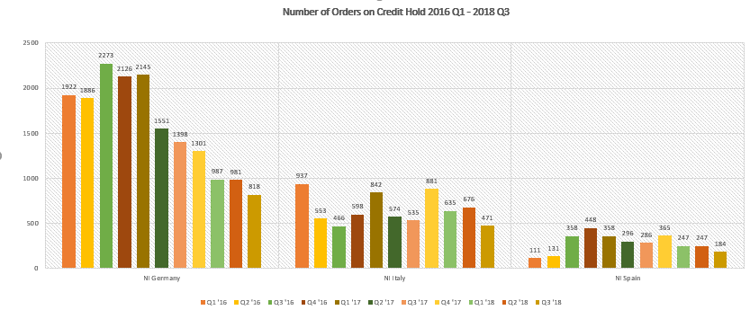
 | Germany - Sum of No of Accounts | Germany - Sum of No of 61+
Mar-16 | 924 | 34
Jun-16 | 1025 | 28
Sep-16 | 1073 | 58
Dec-16 | 1160 | 85
Mar-17 | 1112 | 122
Jun-17 | 1059 | 70
Sep-17 | 1108 | 95
Dec-17 | 1152 | 88
Mar-18 | 930 | 60
Jun-18 | 867 | 24
Sep-18 | 959 | 18
Oct-18 | 908 | 18
Nov-18 | 984 | 12
Debtors Results > 61 | Active accounts vs. 61+ accounts
 | Spain | Germany | Italy | Italy Fin
Mar-16 | 69,731 | 137,660 | 364,977 | 268,497
Jun-16 | 247,339 | 125,081 | 502,244 | 298,588
Sep-16 | 195,123 | 490,526 | 225,333 | 732,470
Dec-16 | 35,710 | 237,833 | 24,380 | 227,427
Mar-17 | 60,047 | 442,140 | 38,617 | 38,439
Jun-17 | 175,328 | 113,792 | 78,614 | 504,927
Sep-17 | 186,132 | 178,355 | 136,898 | 397,655
Dec-17 | 123,046 | 236,643 | 42,044 | 402,362
Mar-18 | 253,679 | 484,518 | 67,809 | 87,085
Jun-18 | 104,368 | 15,839 | 306,684 | 332,039
Sep-18 | 99,624 | -18,515 | 337,909 | 416,832
Oct-18 | 89,075 | -8,786 | 302,000 | 399,243
Nov-18 | 75,726 | -67,098 | 237,581 | 364,468

AR 61+ Results vs. Target
 | Organic result | Target
Germany | 1.31% | 1.85%
Germany | 1.05% | 1.85%
Germany | 4.16% | 1.85%
Germany | 1.56% | 1.85%
Germany | 3.13% | 1.85%
Germany | 0.71% | 1.85%
Germany | 1.19% | 1.85%
Germany | 1.24% | 1.85%
Germany | 3.22% | 1.85%
Germany | 0.11% | 1.85%
Germany | -0.11% | 1.85%
Germany | -0.08% | 1.85%
Germany | -0.53% | 1.85%

