FlapjackCols
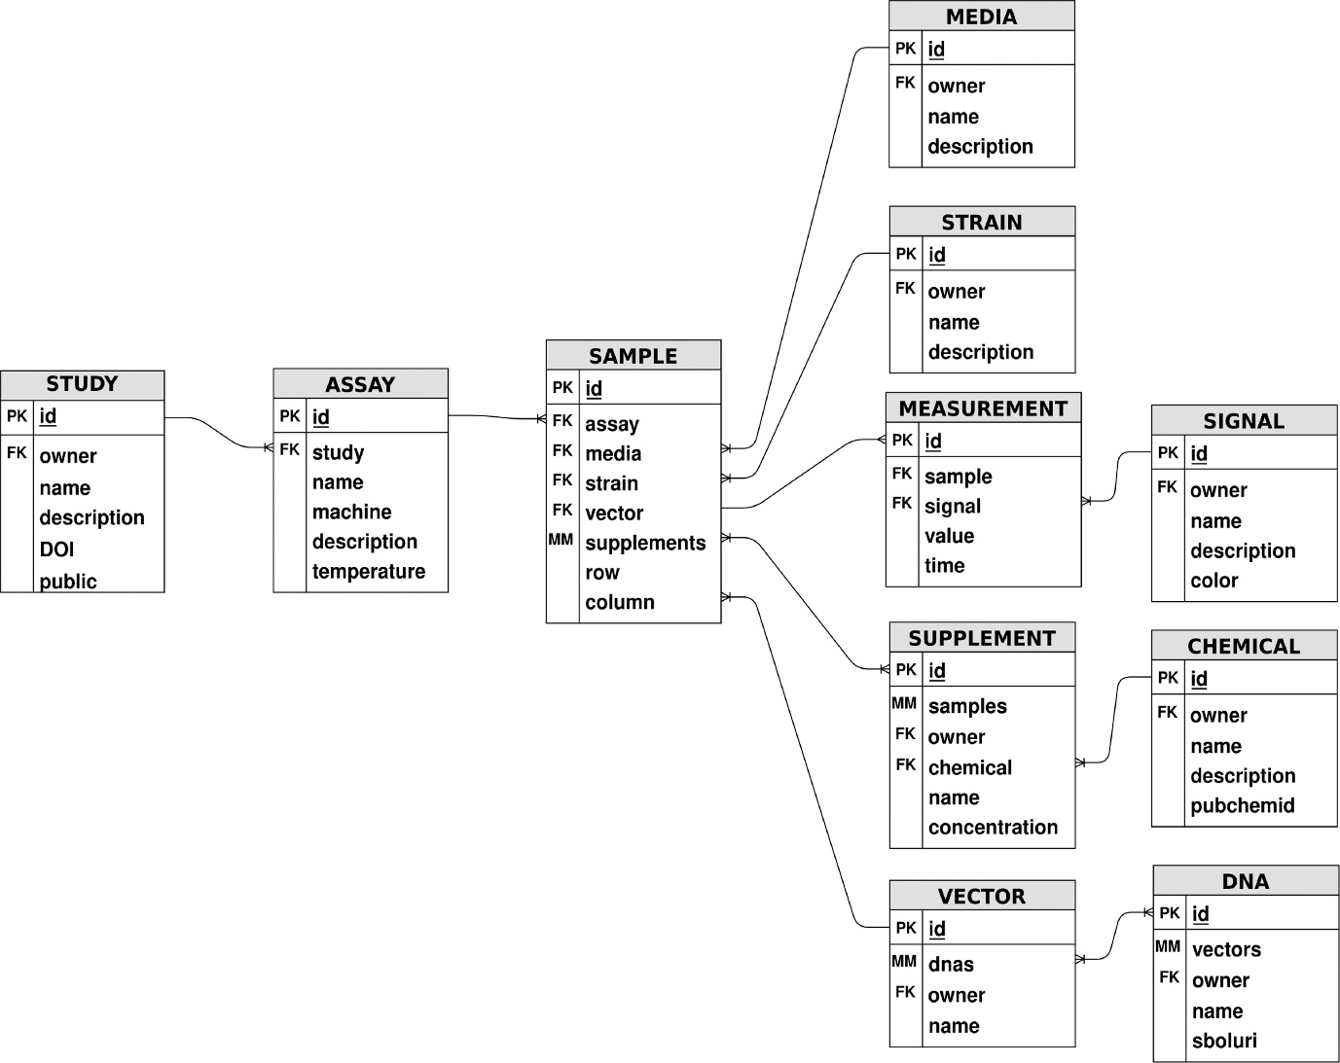
Sheet Name | ColName | FlapjackName
Supplement | Supplement Name | name
Supplement | Chemical ID | chemical
Supplement | Concentration | concentration
Chemical | Chemical Name | name
Chemical | Chemical Description | description
Chemical | Pubchem ID | pubchemid
Vector | Vector Name | name
Vector | DNA ID | dna
Strain | Strain Name | name
Strain | Strain Description | description
Strain | Strain ID | strain
Media | Media Name | name
Media | Media Description | description
Signal | Signal Name | name
Signal | Signal Description | description
Signal | Signal Color | color
DNA | DNA Name | name
Measurement | Signal ID | signal
Measurement | Value | value
Measurement | Sample ID | sample
Measurement | Time | time
Sample | Row | row
Sample | Column | col
Sample | Sample Design ID | sampledesign
Sample | Assay ID | assay
Sample Design | Supplement ID | supplement
Sample Design | Vector ID | vector
Sample Design | Strain ID | strain
Sample Design | Media ID | media
Assay | Assay Name | name
Assay | Machine | machine
Assay | Description | description
Assay | Study ID | study
Assay | Temperature | temperature
Study | Study Name | name
Study | Description | description
Study | DOI | DOI
Study |  | public

