Dec 5
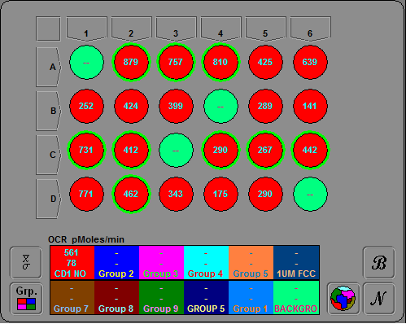
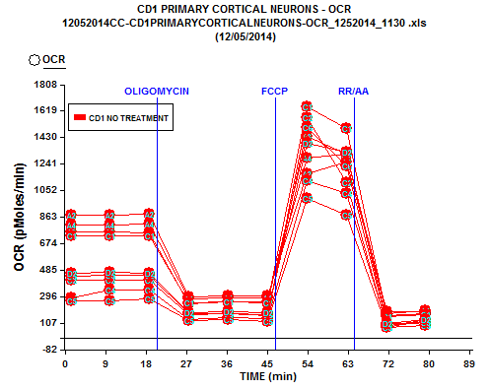

CD1 PRIMARY CORTICAL NEURONS - OCR
12052014CC-CD1PRIMARYCORTICALNEURONS-OCR_1252014_1130 .xls
(12/05/2014)

Assay List
1 | 12052014 CC - CD1 PRIMARY CORTICAL NEURONS - OCR

OCR (pMoles/min)

Assay Index: | 1 | 1 | 1 | 1 | 1 | 1 | 1 | 1 | 1
TIME (min) | A2 | A3 | A4 | C1 | C2 | C4 | C5 | C6 | D2
1 | 879 | 757 | 810 | 731 | 412 | 290 | 267 | 442 | 462
10 | 876 | 755 | 805 | 731 | 411 | 342 | 266 | 447 | 466
19 | 885 | 753 | 814 | 729 | 416 | 346 | 282 | 447 | 466
27 | 293 | 247 | 280 | 253 | 165 | 132 | 123 | 174 | 183
36 | 299 | 257 | 289 | 259 | 175 | 149 | 130 | 173 | 185
45 | 301 | 257 | 290 | 249 | 164 | 140 | 118 | 166 | 181
54 | 1174 | 1437 | 1286 | 1651 | 1574 | 1120 | 995 | 1502 | 1393
62 | 1253 | 1315 | 1310 | 1495 | 1110 | 1034 | 878 | 1229 | 1330
71 | 187 | 163 | 177 | 151 | 75 | 88 | 78 | 102 | 102
80 | 192 | 178 | 194 | 169 | 129 | 109 | 93 | 111 | 132

Dec 10

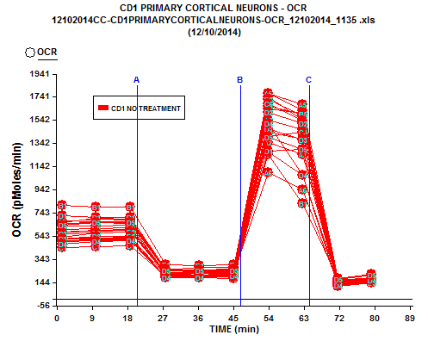

CD1 PRIMARY CORTICAL NEURONS - OCR
12102014CC-CD1PRIMARYCORTICALNEURONS-OCR_12102014_1135 .xls
(12/10/2014)

Assay List
1 | 12102014 CC - CD1 PRIMARY CORTICAL NEURONS - OCR

OCR (pMoles/min)

Assay Index: | 1 | 1 | 1 | 1 | 1 | 1 | 1 | 1 | 1 | 1 | 1 | 1 | 1 | 1 | 1 | 1 | 1 | 1 | 1 | 1
TIME (min) | A2 | A3 | A4 | A5 | A6 | B1 | B2 | B3 | B5 | B6 | C1 | C2 | C4 | C5 | C6 | D1 | D2 | D3 | D4 | D5
1 | 521 | 669 | 654 | 659 | 674 | 808 | 601 | 578 | 577 | 537 | 443 | 519 | 508 | 500 | 632 | 719 | 566 | 519 | 475 | 636
10 | 521 | 687 | 659 | 694 | 669 | 790 | 609 | 590 | 586 | 568 | 454 | 526 | 513 | 504 | 633 | 707 | 571 | 543 | 496 | 658
19 | 526 | 684 | 652 | 692 | 665 | 792 | 616 | 599 | 592 | 581 | 460 | 532 | 518 | 513 | 640 | 706 | 579 | 538 | 504 | 664
27 | 187 | 249 | 244 | 253 | 249 | 294 | 232 | 220 | 217 | 212 | 200 | 211 | 187 | 184 | 226 | 262 | 215 | 187 | 189 | 248
36 | 186 | 249 | 238 | 274 | 230 | 289 | 234 | 231 | 221 | 203 | 203 | 220 | 210 | 194 | 227 | 255 | 205 | 198 | 187 | 244
45 | 179 | 255 | 237 | 273 | 229 | 293 | 232 | 230 | 219 | 202 | 191 | 206 | 191 | 193 | 213 | 259 | 208 | 193 | 203 | 247
54 | 1348 | 1747 | 1770 | 1775 | 1088 | 1248 | 1637 | 1724 | 1661 | 1472 | 1266 | 1543 | 1403 | 1437 | 1683 | 1279 | 1612 | 1467 | 1511 | 1398
62 | 1244 | 1544 | 1622 | 1677 | 940 | 824 | 1606 | 1583 | 1595 | 1374 | 1072 | 1463 | 1439 | 1380 | 1536 | 1292 | 1511 | 1373 | 1072 | 1295
71 | 124 | 137 | 135 | 169 | 137 | 178 | 153 | 150 | 120 | 164 | 154 | 123 | 134 | 133 | 158 | 140 | 117 | 110 | 122 | 173
80 | 143 | 168 | 167 | 180 | 164 | 213 | 177 | 176 | 145 | 179 | 159 | 146 | 155 | 150 | 164 | 170 | 143 | 143 | 165 | 206

Dec 17

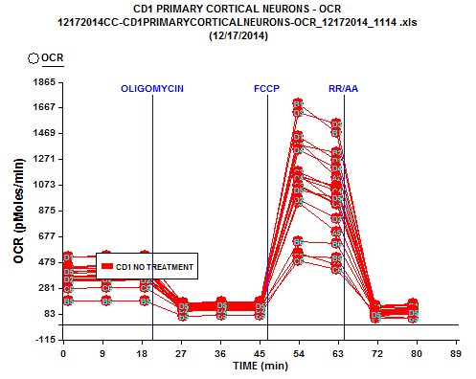

CD1 PRIMARY CORTICAL NEURONS - OCR
12172014CC-CD1PRIMARYCORTICALNEURONS-OCR_12172014_1114 .xls
(12/17/2014)

Assay List
1 | 12172014 CC - CD1 PRIMARY CORTICAL NEURONS - OCR

OCR (pMoles/min)

Assay Index: | 1 | 1 | 1 | 1 | 1 | 1 | 1 | 1 | 1 | 1 | 1 | 1 | 1 | 1 | 1 | 1 | 1 | 1 | 1 | 1
TIME (min) | A2 | A3 | A4 | A5 | A6 | B1 | B2 | B3 | B5 | B6 | C1 | C2 | C4 | C5 | C6 | D1 | D2 | D3 | D4 | D5
1 | 522 | 397 | 452 | 401 | 352 | 443 | 408 | 366 | 180 | 344 | 366 | 365 | 378 | 340 | 276 | 521 | 352 | 441 | 432 | 410
10 | 527 | 406 | 454 | 408 | 351 | 447 | 422 | 365 | 181 | 345 | 384 | 369 | 379 | 337 | 288 | 523 | 351 | 433 | 432 | 421
19 | 529 | 409 | 460 | 409 | 378 | 453 | 426 | 372 | 187 | 352 | 367 | 369 | 384 | 342 | 290 | 523 | 348 | 435 | 428 | 422
27 | 164 | 133 | 149 | 123 | 101 | 129 | 167 | 139 | 69 | 130 | 160 | 144 | 124 | 125 | 108 | 163 | 119 | 149 | 154 | 146
36 | 166 | 142 | 159 | 126 | 119 | 134 | 176 | 145 | 72 | 116 | 160 | 148 | 139 | 133 | 112 | 172 | 118 | 165 | 158 | 153
45 | 179 | 142 | 160 | 121 | 139 | 141 | 177 | 148 | 71 | 115 | 158 | 142 | 130 | 126 | 113 | 175 | 119 | 166 | 152 | 148
54 | 1415 | 1063 | 1151 | 940 | 553 | 1700 | 1384 | 1142 | 527 | 640 | 1149 | 1178 | 1132 | 1070 | 493 | 1446 | 963 | 1633 | 1349 | 1036
62 | 1132 | 929 | 941 | 717 | 461 | 1480 | 1323 | 1064 | 513 | 626 | 1060 | 1048 | 1030 | 935 | 425 | 1264 | 814 | 1546 | 1208 | 980
71 | 133 | 108 | 82 | 91 | 66 | 92 | 141 | 118 | 50 | 88 | 150 | 104 | 101 | 90 | 89 | 138 | 79 | 69 | 102 | 81
80 | 133 | 106 | 89 | 78 | 51 | 108 | 154 | 122 | 54 | 85 | 163 | 123 | 114 | 102 | 95 | 149 | 88 | 95 | 111 | 92

