general
 | g/100g pasta o g compuesto/73g polvo |  | prom |  | queremos la composición del polvo, tenemos la pasta, le restamos 27 g humedad
Total nitrogen | 7.5 | 10.50 | 9.00
Amino nitrogen | 3.4 | 4.8 | 4.1 | proveniente de aa y peptidos
Chlorides as NaCl | 0.07 | 1.3 | 0.685
Moisture | 30 | 30 | 30
Phosphates pas P2O5 | 3.8 | 3.8 | 3.8
Carbohydrates | 8.2 | 8.2 | 8.2 | asumimos la mitad como glucosa
Purine nitrogen | 0.27 |  |  | adenina y guanina son purinas, se distribuye
Fat | trace
Sodium | 5.6
Potassium | 3
Calcium | 0.01
Iron | 0.005
Magnesium | 0.2
Copper | 0.005
Zinc | 0.005
Manganese | 0.0005
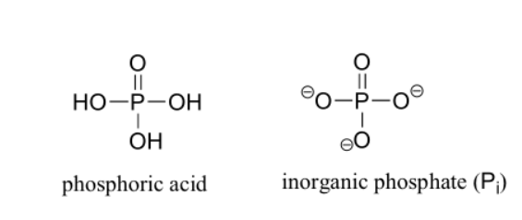
Cobalt | 0.0005

PHOSPHATE CONVERSION
P2O5 reacts violently with water
P2O5 + 3 H2O -> 2 H3PO4

3,8 g P2O5 | 141,94 g/mol | 0.02677187544
H3PO4 (mol) | 1 mol of P2O5 gives 2 mol H3PO4 | 0.053543750881 | 98 g/mol
H3PO4 (g) |  | 5.2472875863
Conversión directa entre phosphoric acid (H3PO4) y inorganic phosphate (pi)

overflow
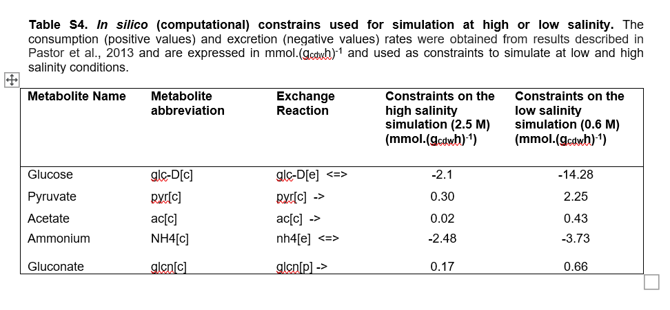
Metabolite Name | Metabolite abbreviation | Exchange Reaction | Constraints on high salinity (2.5 M) | Constraints on low salinity (0.6 M) | Constraints for our salinity | high | low | ours
 |  |  | (mmol.(gcdwh)-1) | (mmol.(gcdwh)-1) |  | 2.5 | 0.6 | 1.0266940452
Glucose | glc-D[c] | glc-D[e] <=> | -2.1 | -14.28 | -11.544666595
Pyruvate | pyr[c] | pyr[c] -> | 0.3 | 2.25 | 2.8657894737
Acetate | ac[c] | ac[c] -> | 0.02 | 0.43 | 0.55947368421
Ammonium | NH4[c] | nh4[e] <=> | -2.48 | -3.73 | -4.1247368421
Gluconate | glcn[c] | glcn[p] -> | 0.17 | 0.66 | 0.81473684211

From Insights into metabolic osmoadaptation of the ectoines-producer bacterium Chromohalobacter salexigens through a high-quality genome scale metabolic model
supplementary data

