Sheet1
Stepper Motor and Encoder Control Box
Wiring and Pinouts

 | M12 5-Pin Female (Not Used) |  |  |  | M12 5-pin Male (NMEA 2000) |  |  |  | M12 8-pin Female (Encoder and Solenoid) |  |  |  |  | M12 4-pin Female (Stepper Motor)
Pin | External Signal | Internal Color | Internal Use | Pin | External | Internal Color | Internal Use | Pin | External | External Color | Internal Color | Internal Use | Pin | External | External Color | Internal Color | Internal Use
1 | Reserved | Brown | Arduino A0 | 1 | Shield | Brown | Not Connected | 1 | Serial Clock | BLU/WHT | White | 13: SCK | 1 | Motor A+ | Red | Brown | Controller A+
2 | Reserved | White | Arduino D2 | 2 | Vbatt (+12V) | White | Fuse | 2 | Serial Data In | WHT/BLU | Blue | 11: MOSI | 2 | Motor A- | White | White | Controller A-
3 | Reserved | Blue | Arduino A1 | 3 | Ground | Blue | Switch Lug | 3 | Solenoid +12 | RED | Brown | Vin/Switch | 3 | Motor B+ | Green | Blue | Controller B+
4 | Reserved | Black | Arduino D8 | 4 | CAN H | Black | CAN H | 4 | Chip Select | WHT/ORN | Green | 10: SS | 4 | Motor B- | Black | Black | Controller B-
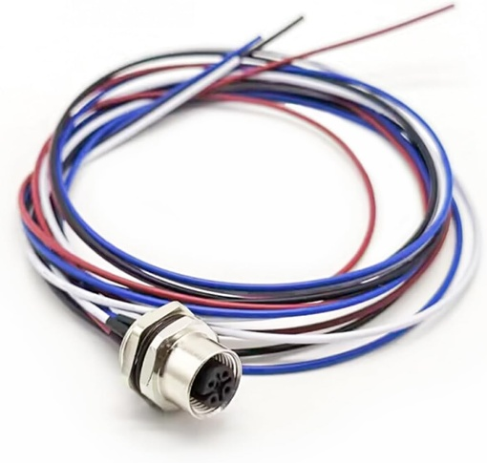
5 | Reserved | Gray | Arduino A1 | 5 | CAN L | Gray | CAN L | 5 | Serial Data Out | ORN/WHT | Yellow | 12: MISO
 |  |  |  |  |  | 250000 bps for CAN Speed |  | 6 | Ground | GRN/WHT | Gray | Ground
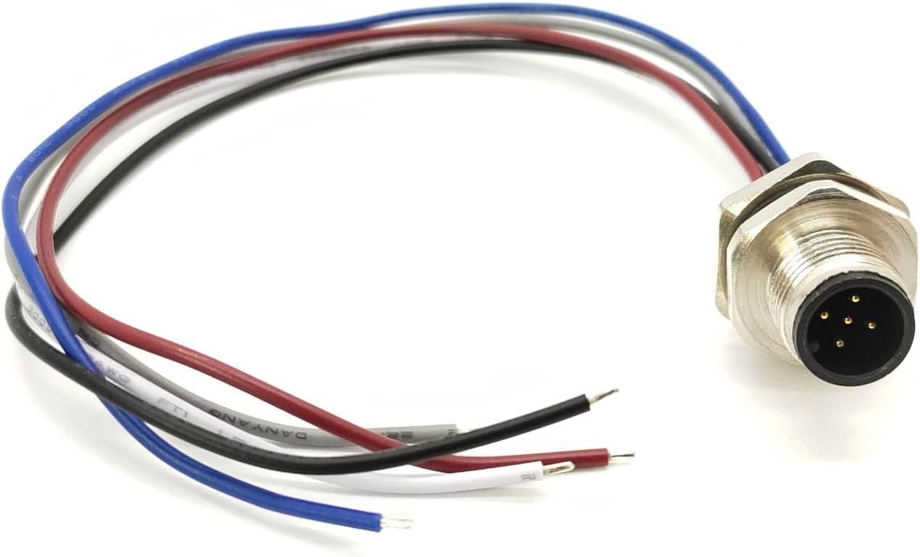
 |  |  |  |  |  |  |  | 7 | +5V | WHT/GRN | Pink | +5V
 |  |  |  |  |  |  |  | 8 | Solenoid Return | Bare/Shield | Red | Ground

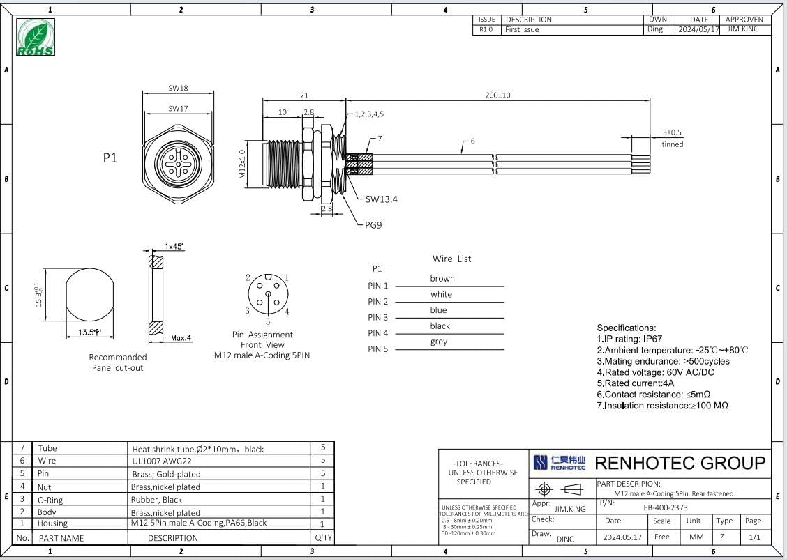
The Encoder is a CUI Devices AMT22 Modular Absolute Encoder with a Part number of AMT222A-V
https://www.digikey.com/en/products/detail/same-sky-formerly-cui-devices/AMT222A-V/9838234
https://www.sameskydevices.com/product/motion-and-control/rotary-encoders/absolute/modular/amt22-series
The solenoid controlled clutch is an Ogura Industrial Micro EM Clutch AMC 10 with an 8mm bore and M3 mouting screws.
Source: | https://a.co/d/6LxxMIU |  |  | Source: | https://a.co/d/20HpUeC |  |  | Source: | https://a.co/d/1TjeCJh |  |  |  | Source: | https://a.co/d/86uPSI4
 |  |  |  |  |  |  |  |  |  |  |  |  | Mating Connector: | https://a.co/d/6dxV0xu

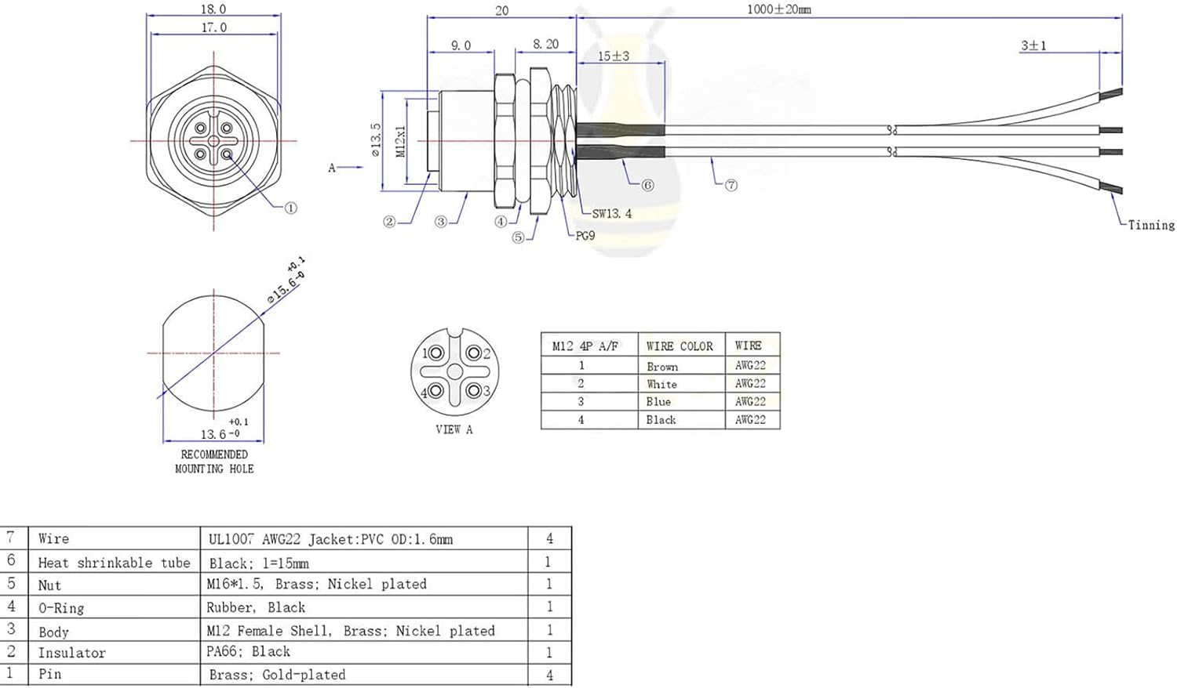

 |  |  |  |  |  |  |  |  | Fuse and Fuse Holder
 |  |  |  |  |  |  |  | Source: | https://a.co/d/4d8YDkd
 |  |  |  |  |  |  |  | Size: | 5 x 20 mm F5A
 |  |  |  |  |  |  |  | Rating: | 5 amp
 |  |  |  |  |  |  |  | Replacement: | https://a.co/d/4e48SCS

