Locomotives
Terepasztal locomotives: wheel pairs, bogie proposals and size classes
Wheel pairs are numbered on the near side, 1 = rearmost, towards the front; cell colour = proposed bogie group (see Legend). Orange Status = narrow gauge: model images (front + rear) are ready; the narrow-gauge track itself is not in the game yet. Blue text = proposal to review. Game data: terepasztal-local repo.
Locomotive |  |  |  |  |  | Wheel pairs visible from one side (1 = rear → front) |  |  |  |  |  |  |  |  |  |  |  |  |  |  |  |  |  | Bogie proposal |  |  |  | Size & gauge |  |  |  |  | File |  |  |  |  | Game data |  |  |  |  |  |  |  |  |  |  |  |  |  |  |  |  |  |  |  | Prototype (researched) |  |  |  |  |  |  |  |  |  |  |  |  |  |  |  |  | Model image | Railcraft spec |  |  | Asset pipeline |  |  |  |  |  | Size ladder
# | Locomotive | Class (Size) | Status | Picture (model image) | Rear view | Wheel arrangement as drawn | Visible wheel pairs | 1 | 2 | 3 | 4 | 5 | 6 | 7 | 8 | 9 | 10 | 11 | 12 | 13 | 14 | 15 | 16 | Proposed bogie configuration (wheel pairs per bogie) | Alternative | Image notes | Current game bogie setup (locomotives.json) | Size (tiles) | Track gauge | Current game size | Current game length (tiles) | Length change (tiles) | Folder | Gauge subfolder | Image file | Game id | Type | Rarity | Speed | Power | Weight | Crew | Fuel cap | Fuel / tile | Water cap | Water / tile | Power / tile (electric) | Collector | Control class | High speed | In-cab | Starter | Body style | Paint | Craft cost per copy | Gacha banner | Era / description | Prototype | Builder | Built | Number built | Gauge (mm) | Wheel arrangement (UIC) | Drive | Length (m) | Width (m) | Height (m) | Weight (t) | Power (kW) | Power (hp) | Max speed (km/h) | Where to see it | Look (for the model image) | Sources | Prompt for the PNG model (SpriteCook / image generation) | Body plan | Regular track allowed | Layout (railcraft-specifications.json) | Length over buffers (m) | Width (m) | Height (m) | Sprite slot (tiles) | Pipeline status | Pipeline notes | Length in the game (tiles, Ladder B) | Owner's model review (latest: 2026-10-06)
1 | Stephenson's Rocket | Corvette (XS) | In game. CHANGE: Corvette (XS), narrow gauge; no longer the starter once narrow track exists. | 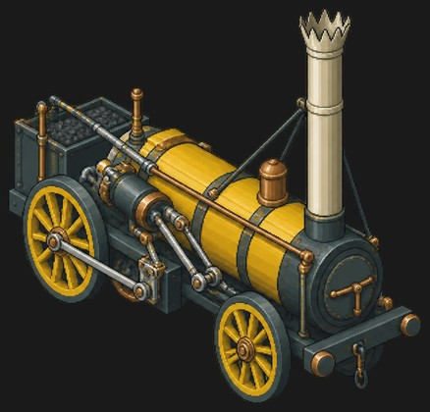 | no rear view yet | 2-2-0 as drawn | 2 | driver (large) | carrying (small) |  |  |  |  |  |  |  |  |  |  |  |  |  |  | Frame [engine]: 1-2 (rigid, baked; 2 virtual rail supports) |  | CHANGE: moved from Corvette (XS, 1 tile) to Skiff (XXS, 0.5 tile); image moved from 1\Regular to 0,5. It is the only regular-gauge Skiff. It stops being the starting loco: John Bull takes over. Art: the large driving wheel is drawn at the rear (coal end) and the small wheel at the front; the prototype Rocket is 0-2-2. |  | 0.5 | narrow | small | 1 | -0.5 | 0,5 | Stephenson's rocket | loco-rocket--d33ad296.png | rocket | steam | N | 0.8 | 40 | 4 | 2 | 80 | 0.1625 | 120 | 0.195 |  |  |  |  |  | no (was yes: John Bull is the new starter) | steam_early | yellow | iron 40, wood 25, stone 10, coal 15 | Age of Steam | 1829, Rainhill Trials winner. The engine that proved the railway. |  |  |  |  |  |  |  |  |  |  |  |  |  |  |  |  |  |  | rigid | yes | One rigid chassis with 2 fixed axles (4 wheels), baked into the body artwork; no separately swivelling bogie sprites. The solver uses 2 virtual rail supports, not 2 physical bogies. | 4.3 | 1.78 |  | 1 | active | approved 2026-09-26; scale: the 2.16 m wheelbase (landmarks.json), width 1.78 m as the 1935 Science Museum replica | 0.5 | Narrow gauge: its wheels were fitted to regular rails. Needs to be visibly longer. 2026-10-06, fleet: Stop mesh reshaping and bending sprites between headings. Align the whole reconstructed model rigidly, use one uniform scale, and render actual 3D headings. Review originals for 4, 18, 21 and 32 before a fleet rerender. Discuss far-side mirroring and gear widening first; rail gauge stays. Remaining faults where applicable: pulsing on turns, poor cut surfaces, split-looking fronts. Other individual models are accepted.
2 | BM-50 (mine diesel) | Corvette (XS) | Model images ready (front + rear). Narrow-gauge track is not in the game yet. | 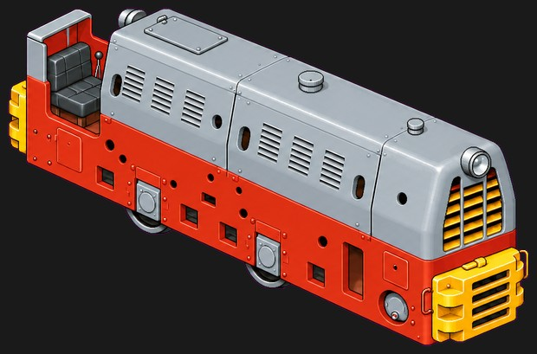 | 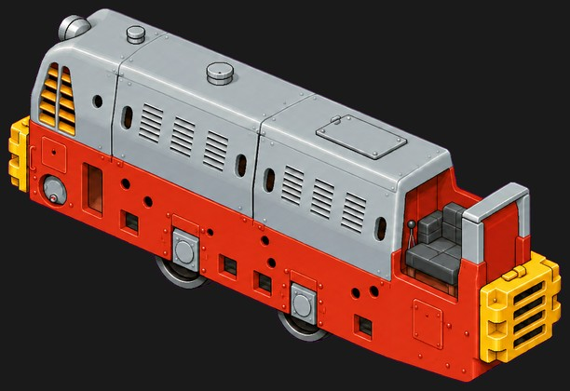 | C (3 axles, your correction) | 3 | axle (behind frame) | axle (behind frame) | axle (behind frame) |  |  |  |  |  |  |  |  |  |  |  |  |  | Frame [body]: 1-3 (rigid, baked; 2 virtual rail supports; chain-driven axles in a rigid frame) |  | Model image (front + rear view) ready. 3 axles, mostly hidden behind the frame; the model image shows their lower arcs. Wheels are hidden behind the frame in all 3 photos. Nearly symmetrical: either end can be the front. Weight 6.5 t is the figure painted on the frame, not a written spec. |  | 0.5 | narrow |  |  |  | 0,5 |  | BM-50/loco-bm50-front.png BM-50/loco-bm50-rear.png (rear) Reference photos stay in the same folder. |  | diesel |  |  |  |  |  |  |  |  |  |  |  |  |  |  |  |  |  |  |  |  | BM-50 mining diesel (Kemence: KEMV 2225,0028 and 2225,0074) | Budapesti Mélyfúró- és Bányagépgyár | 1960–1972 (hu.wiki) / 1963–64 (kisvasut.hu) | ≈100 | 600 at Kemence (built for several mine gauges) | C (sources: B) | Diesel-mechanical: Csepel D413, 3-speed box, bevel gear and chains |  |  |  | 6.5 |  |  | 15 | Kemencei Erdei Múzeumvasút (2225,0074 runs on special days); Diósd; Gyöngyös (display) | Long, low box for firedamp mines. Red frame and lower body, silver-grey louvred engine cover with round portholes, yellow slatted grilles/buffer blocks at both ends, open low driver's seat at one end, no cab. | https://hu.wikipedia.org/wiki/BM%E2%80%9350 https://www.kisvasut.hu/view_cikk.php?id=472 | Isometric pixel-art game sprite of a tiny Hungarian BM-50 three-axle narrow-gauge mining diesel locomotive (600 mm gauge). Long low box body with no cab: red frame and lower body, silver-grey louvred engine cover with small round portholes, yellow slatted grilles and buffer blocks at both ends, an open low driver's seat at one end, three small wheel sets mostly hidden behind the frame. Same style and camera as the existing Terepasztal loco sprites: 2:1 isometric view from about 30 degrees above, the locomotive straight and level, running diagonally from the upper left (rear) to the lower right (front), one long side and the front end visible, whole locomotive in frame with a margin. Crisp detailed pixel art, matte colours, near-black background with a soft red glow around the model. No track, no ground, no smoke or steam, no people, no text, numbers or logos. 1536x1024 PNG. |  |  |  |  |  |  |  |  |  | 0.5 | Still has one wheel too many (removed in the PNG: redo the model). Angle is off. 2026-10-06, fleet: Stop mesh reshaping and bending sprites between headings. Align the whole reconstructed model rigidly, use one uniform scale, and render actual 3D headings. Review originals for 4, 18, 21 and 32 before a fleet rerender. Discuss far-side mirroring and gear widening first; rail gauge stays. Remaining faults where applicable: pulsing on turns, poor cut surfaces, split-looking fronts. Other individual models are accepted.
3 | Muki (MD-40 P-2) | Corvette (XS) | Model images ready (front + rear). Narrow-gauge track is not in the game yet. | 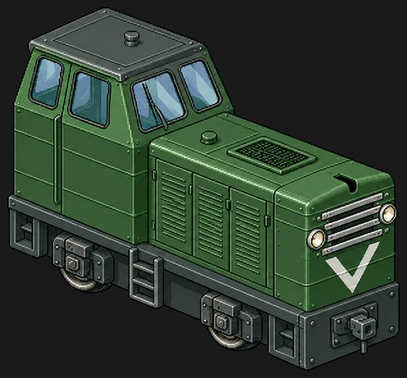 | 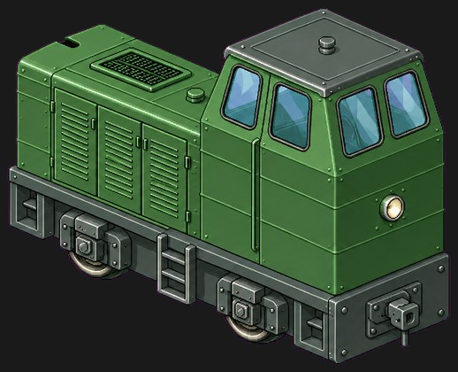 | B (model image) | 2 | axle (under cab) | axle (under hood) |  |  |  |  |  |  |  |  |  |  |  |  |  |  | Frame [body]: 1-2 (rigid, baked; 2 virtual rail supports; chain-driven axles in a rigid frame) |  | Model image (front + rear view) ready. 2 axles under axle-box covers. 'Muki' comes from a flower-decorated name sign a local woman hung on its grille in 2000. The only MD-40 with this body style left; symbol of the Kemence forest railway. |  | 0.5 | narrow |  |  |  | 0,5 |  | Muki (P2)/loco-muki.png Muki (P2)/loco-muki-rear.png (rear) Reference photos stay in the same folder. |  | diesel |  |  |  |  |  |  |  |  |  |  |  |  |  |  |  |  |  |  |  |  | MD-40 No. P-2 (KEMV 2244,4102) "Muki" | Pálfalvai Bányagépgyártó és Javító Vállalat (Salgótarján) | MD-40 class from 1958 | unknown (≈11 MD-40 survive) | 600 | B | Diesel-mechanical: Csepel D413, 3-speed box, chain drive |  |  |  |  | 29 | 39 | 16.6 | Kemencei Erdei Múzeumvasút (Kemence forest museum railway) | Very small two-axle hood loco: tall rear cab with sloped roof and four windows, short front hood with a slatted radiator grille and two round headlights. Dark green with a big white V on the nose (older livery: drab olive-grey). | https://www.kisvasut.hu/view_cikk.php?id=261&rfa=101 https://hu.wikipedia.org/wiki/MD%E2%80%9340 https://www.kisvasut.hu/view_cikk.php?id=497 | Isometric pixel-art game sprite of a tiny Hungarian MD-40 two-axle forest-railway diesel locomotive nicknamed Muki (600 mm gauge). Tall boxy cab at the rear with a sloped roof and four windows, short front hood with a horizontal-slat radiator grille and two round headlights, dark green paint with a big white V chevron on the nose, small spoked wheels. Same style and camera as the existing Terepasztal loco sprites: 2:1 isometric view from about 30 degrees above, the locomotive straight and level, running diagonally from the upper left (rear) to the lower right (front), one long side and the front end visible, whole locomotive in frame with a margin. Crisp detailed pixel art, matte colours, near-black background with a soft green glow around the model. No track, no ground, no smoke or steam, no people, no text, numbers or logos. 1536x1024 PNG. |  |  |  |  |  |  |  |  |  | 0.5 | Good. 2026-10-06, fleet: Stop mesh reshaping and bending sprites between headings. Align the whole reconstructed model rigidly, use one uniform scale, and render actual 3D headings. Review originals for 4, 18, 21 and 32 before a fleet rerender. Discuss far-side mirroring and gear widening first; rail gauge stays. Remaining faults where applicable: pulsing on turns, poor cut surfaces, split-looking fronts. Other individual models are accepted.
4 | C-50 | Frigate (S) | Model images ready (front + rear). Narrow-gauge track is not in the game yet. | 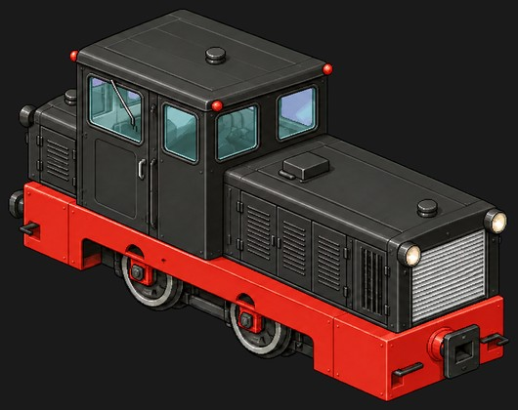 | 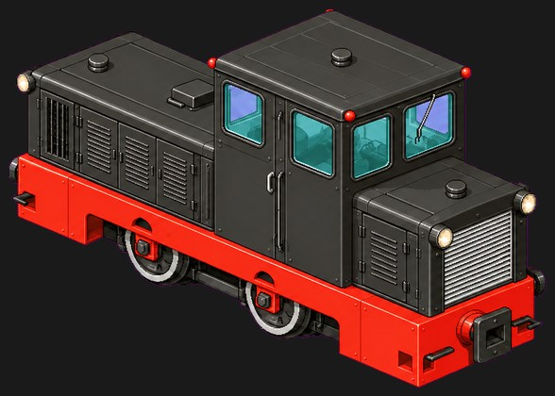 | B (model image) | 2 | axle | axle |  |  |  |  |  |  |  |  |  |  |  |  |  |  | Frame [body]: 1-2 (rigid, baked; 2 virtual rail supports; cardan-driven axles in a rigid frame) |  | Model image (front + rear view) ready. 2 axles in the red frame. Photos show the classic black body with red frame; many heritage units are green. |  | 1 | narrow |  |  |  | 1 | Narrow | C-50/loco-c50.png C-50/loco-c50-rear.png (rear) Reference photos stay in the same folder. |  | diesel |  |  |  |  |  |  |  |  |  |  |  |  |  |  |  |  |  |  |  |  | C-50 light narrow-gauge diesel (factory type EDK-413) | MÁV Északi Járműjavító, Budapest | 1952–1968 | ≈260–280 | 760 (also 600 and 1000) | B | Diesel-mechanical: Csepel D413, 2×10 speeds, cardan shafts and bevel gears | 4.6 | 1.85 | 2.6 | 7 | 63 | 84 | 30 | 20+ lines: Lillafüred, Gemenc, Kaszó, Szilvásvárad, Budapest Children's Railway, Szob–Nagybörzsöny | Small cab off-centre, long front hood ending in a flat radiator grille with headlights, short rear box. Black body and cab, red frame and buffer beams. | https://hu.wikipedia.org/wiki/C%E2%80%9350 https://en.wikipedia.org/wiki/C-50_(narrow-gauge_locomotive) https://www.kisvasut.hu/view_cikk.php?id=498 | Isometric pixel-art game sprite of a small Hungarian C-50 two-axle narrow-gauge diesel locomotive (760 mm gauge). Boxy cab placed off-centre, long front hood ending in a flat slatted radiator grille with round headlights, short rear box hood, black body and cab, bright red frame and buffer beams, small wheels under the frame. Same style and camera as the existing Terepasztal loco sprites: 2:1 isometric view from about 30 degrees above, the locomotive straight and level, running diagonally from the upper left (rear) to the lower right (front), one long side and the front end visible, whole locomotive in frame with a margin. Crisp detailed pixel art, matte colours, near-black background with a soft red glow around the model. No track, no ground, no smoke or steam, no people, no text, numbers or logos. 1536x1024 PNG. |  |  |  |  |  |  |  |  |  | 1 | 2026-10-06: Wrong angles and distorted body. Show the original reconstructed model without modifications. Earlier review: Slightly elongated: slightly shorter. 2026-10-06, fleet: Stop mesh reshaping and bending sprites between headings. Align the whole reconstructed model rigidly, use one uniform scale, and render actual 3D headings. Review originals for 4, 18, 21 and 32 before a fleet rerender. Discuss far-side mirroring and gear widening first; rail gauge stays. Remaining faults where applicable: pulsing on turns, poor cut surfaces, split-looking fronts. Other individual models are accepted.
5 | MÁV 490 | Frigate (S) | Model images ready (front + rear). Narrow-gauge track is not in the game yet. | 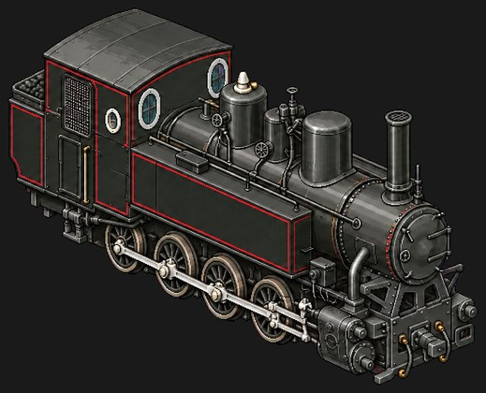 | 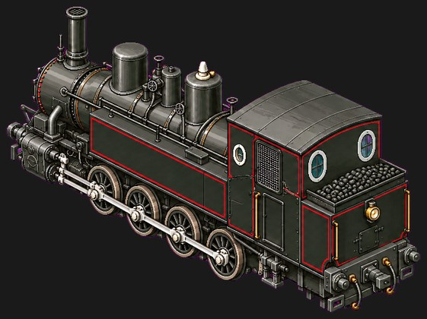 | 0-8-0T (model image) | 4 | driver (side-play axle) | driver | driver | driver (side-play axle) |  |  |  |  |  |  |  |  |  |  |  |  | Frame [engine]: 1-4 (rigid, baked; 2 virtual rail supports; four coupled drivers and rods drawn with the body) |  | Model image (front + rear view) ready. 4 coupled spoked drivers with side rods. Axles 1 and 4 are Klien-Lindner axles that shift sideways for 30 m curves; the model can ignore that. Power figures vary by source: 88–215 kW. |  | 1 | narrow |  |  |  | 1 | Narrow | MÁV 490/loco-mav490.png MÁV 490/loco-mav490-rear.png (rear) Reference photos stay in the same folder. |  | steam |  |  |  |  |  |  |  |  |  |  |  |  |  |  |  |  |  |  |  |  | MÁV 490 (MÁVAG type 70) 0-8-0 tank loco | MÁVAG, Budapest | 1905–1950 | 142 (de.wiki: 152), plus ≈130 Romanian copies | 760 | D-n2t (0-8-0T) | Steam, 2 outside cylinders, side rods | 7.465 |  | 3.508 | 24 | 110 | 148 | 30 | 490,039 Budapest Children's Railway; 490,053 and 490,056 Balatonfenyves; plinthed at Nagycenk and Ópusztaszer | Black with thin red lining and a red number plate. Tall chimney with spark arrester, two domes and a sand dome, side tanks, cab with round front/back windows, coal bunker behind the cab, outside cylinders and rods. | https://hu.wikipedia.org/wiki/M%C3%81V_490_sorozat https://de.wikipedia.org/wiki/M%C3%81V-Baureihe_490 https://vasutgepeszet.hu/wp-content/uploads/2011/07/201102_03-13_vegl.pdf | Isometric pixel-art game sprite of a Hungarian MÁV class 490 narrow-gauge 0-8-0 steam tank locomotive (760 mm gauge). Black with thin red lining, tall chimney with a spark arrester, two domes and a sand dome on the boiler, side water tanks, cab with round windows, coal bunker behind the cab, outside cylinders, four coupled small wheels with side rods. Same style and camera as the existing Terepasztal loco sprites: 2:1 isometric view from about 30 degrees above, the locomotive straight and level, running diagonally from the upper left (rear) to the lower right (front), one long side and the front end visible, whole locomotive in frame with a margin. Crisp detailed pixel art, matte colours, near-black background with a soft warm orange glow around the model. No track, no ground, no smoke or steam, no people, no text, numbers or logos. 1536x1024 PNG. |  |  |  |  |  |  |  |  |  | 1 | Angle is off; wheels come out white. 2026-10-06, fleet: Stop mesh reshaping and bending sprites between headings. Align the whole reconstructed model rigidly, use one uniform scale, and render actual 3D headings. Review originals for 4, 18, 21 and 32 before a fleet rerender. Discuss far-side mirroring and gear widening first; rail gauge stays. Remaining faults where applicable: pulsing on turns, poor cut surfaces, split-looking fronts. Other individual models are accepted.
6 | MÁV Mk45 | Frigate (S) | Model images ready (front + rear). Narrow-gauge track is not in the game yet. | 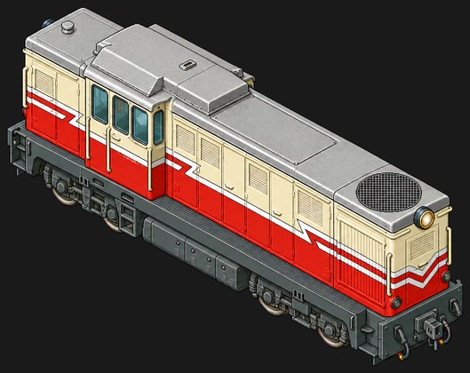 | 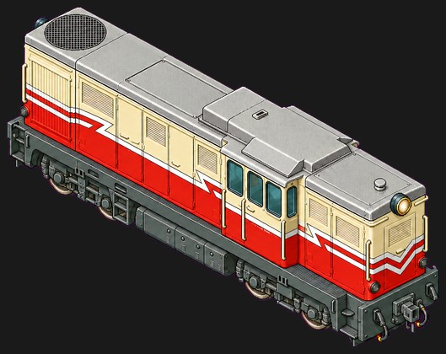 | B'B' (model image) | 4 | bogie | bogie | bogie | bogie |  |  |  |  |  |  |  |  |  |  |  |  | Rear bogie [body]: 1-2 (swivelling bogie / truck sprite) Front bogie [body]: 3-4 (swivelling bogie / truck sprite) | Keep the axles baked like other size-1 stock. | Model image (front + rear view) ready. Two 2-axle bogies. Width differs by source (2.49 m hu.wiki, 2.3 m others). |  | 1 | narrow |  |  |  | 1 | Narrow | MK45/loco-mk45.png MK45/loco-mk45-rear.png (rear) Reference photos stay in the same folder. |  | diesel |  |  |  |  |  |  |  |  |  |  |  |  |  |  |  |  |  |  |  |  | MÁV Mk45 (FAUR L45H) | 23 August works (FAUR), Bucharest | 1973 (L45H 1967–85) | 10 for MÁV (334 L45H in total) | 760 | B'B' | Diesel-hydraulic: Maybach MB 836 Bb, Voith-licence transmission, cardan shafts | 10.2 | 2.49 | 3.1 | 32 | 331 | 444 | 40 | Budapest Children's Railway (Mk45,2001–2006, daily service) | Boxy hood diesel, cab near one end, long hood behind, short nose in front. White upper body, red lower band, blue-red-blue stripe forming a V on the nose, light grey frame and bogies. | https://hu.wikipedia.org/wiki/Mk45 https://www.kisvasut.hu/view_cikk.php?id=524 https://de.wikipedia.org/wiki/M%C3%81V-Baureihe_Mk45 | Isometric pixel-art game sprite of a Hungarian MÁV Mk45 narrow-gauge diesel-hydraulic locomotive of the Budapest Children's Railway (760 mm gauge). Boxy body with the cab near the front, a long engine hood behind it and a short nose in front, white upper body, red lower band, a blue-red-blue stripe forming a V on the nose, big round headlight on the cab roof, light grey frame and two 2-axle bogies. Same style and camera as the existing Terepasztal loco sprites: 2:1 isometric view from about 30 degrees above, the locomotive straight and level, running diagonally from the upper left (rear) to the lower right (front), one long side and the front end visible, whole locomotive in frame with a margin. Crisp detailed pixel art, matte colours, near-black background with a soft red glow around the model. No track, no ground, no smoke or steam, no people, no text, numbers or logos. 1536x1024 PNG. |  |  |  |  |  |  |  |  |  | 1 | Slightly contracted: slightly longer. 2026-10-06, fleet: Stop mesh reshaping and bending sprites between headings. Align the whole reconstructed model rigidly, use one uniform scale, and render actual 3D headings. Review originals for 4, 18, 21 and 32 before a fleet rerender. Discuss far-side mirroring and gear widening first; rail gauge stays. Remaining faults where applicable: pulsing on turns, poor cut surfaces, split-looking fronts. Other individual models are accepted.
7 | MÁV Mk48 | Frigate (S) | Model images ready (front + rear). Narrow-gauge track is not in the game yet. | 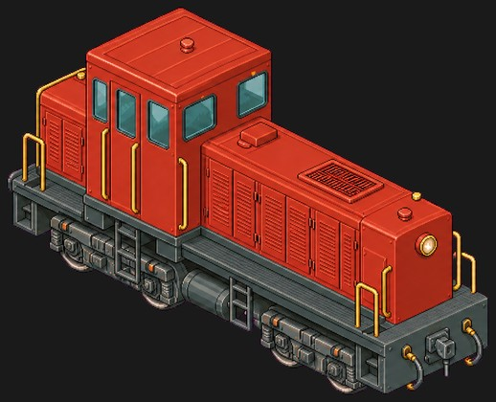 | 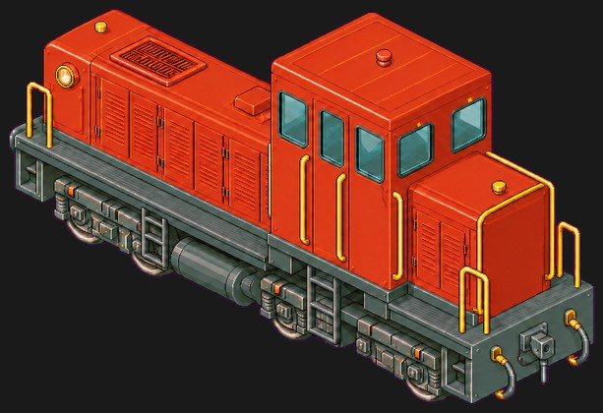 | B'B' (model image) | 4 | bogie | bogie | bogie | bogie |  |  |  |  |  |  |  |  |  |  |  |  | Rear bogie [body]: 1-2 (swivelling bogie / truck sprite) Front bogie [body]: 3-4 (swivelling bogie / truck sprite) | Keep the axles baked like other size-1 stock. | Model image (front + rear view) ready. Two 2-axle bogies. Front = the short hood beside the cab (yellow front with the number plate). Power: 100 kW original, 147 kW after 1970s re-engining (table uses 147). |  | 1 | narrow |  |  |  | 1 | Narrow | MK48/loco-mk48.png MK48/loco-mk48-rear.png (rear) Reference photos stay in the same folder. |  | diesel |  |  |  |  |  |  |  |  |  |  |  |  |  |  |  |  |  |  |  |  | MÁV Mk48 "Kis Mazsola" | Rába, Győr | 1958–1961 | 52 for Hungary (+10 for Czechoslovakia) | 760 | B'B' | Diesel-hydraulic (M041; M040 mechanical), cardan drive | 8.965 | 2.39 | 3.415 | 17.6 | 147 | 197 | 50 | ≈27 in service: Lillafüred, Szilvásvárad, Mátra, Királyrét, Balatonfenyves and others | Single cab near one end, short nose in front, long louvred engine hood behind. All red, yellow short-nose front and warning ends, black frame, grey bogies. | https://hu.wikipedia.org/wiki/Mk48 https://de.wikipedia.org/wiki/M%C3%81V-Baureihe_Mk48 https://www.kisvasut.hu/view_cikk.php?id=525 | Isometric pixel-art game sprite of a Hungarian MÁV Mk48 narrow-gauge diesel-hydraulic locomotive (760 mm gauge). Tall cab near the front with a short yellow-faced nose ahead of it and a long red louvred engine hood behind, all red body, black frame with air tanks, two grey 2-axle bogies, handrails and a small ladder at the cab. Same style and camera as the existing Terepasztal loco sprites: 2:1 isometric view from about 30 degrees above, the locomotive straight and level, running diagonally from the upper left (rear) to the lower right (front), one long side and the front end visible, whole locomotive in frame with a margin. Crisp detailed pixel art, matte colours, near-black background with a soft red glow around the model. No track, no ground, no smoke or steam, no people, no text, numbers or logos. 1536x1024 PNG. |  |  |  |  |  |  |  |  |  | 1 | Slightly contracted: slightly longer. 2026-10-06, fleet: Stop mesh reshaping and bending sprites between headings. Align the whole reconstructed model rigidly, use one uniform scale, and render actual 3D headings. Review originals for 4, 18, 21 and 32 before a fleet rerender. Discuss far-side mirroring and gear widening first; rail gauge stays. Remaining faults where applicable: pulsing on turns, poor cut surfaces, split-looking fronts. Other individual models are accepted.
8 | Rezét (MÁV 490,2003) | Frigate (S) | Model images ready (front + rear). Narrow-gauge track is not in the game yet. | 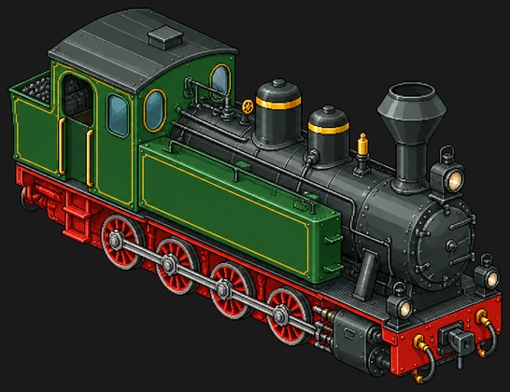 | 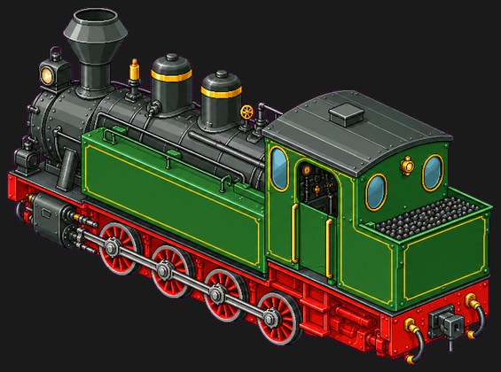 | 0-8-0T (model image) | 4 | driver | driver | driver | driver |  |  |  |  |  |  |  |  |  |  |  |  | Frame [engine]: 1-4 (rigid, baked; 2 virtual rail supports; four coupled drivers and rods drawn with the body) | Could share one model with the MÁV 490, repainted. | Model image (front + rear view) ready. 4 coupled red spoked drivers with side rods. Wheels hidden behind the rods in the photos. Photo 2 shows 'Karácsony', not Rezét. Length taken from the 490 design (≈7.5 m). A Sept 2026 news item says it goes into a ~1-year overhaul. |  | 1 | narrow |  |  |  | 1 | Narrow | Rezét/loco-rezet.png Rezét/loco-rezet-rear.png (rear) Reference photos stay in the same folder. |  | steam |  |  |  |  |  |  |  |  |  |  |  |  |  |  |  |  |  |  |  |  | MÁV 490,2003 "Rezét" (Reșița 1676/1954) | Reșița works, Romania | 1954 | 1 (≈120 Reșița copies of the 490) | 760 | D-n2t (0-8-0T) | Steam, 2 outside cylinders, side rods | 7.5 |  |  | 24.8 | 154 | 207 | 30 | Gemenci Állami Erdei Vasút, Pörböly (weekend nostalgia trains) | 490 outline in dark bottle green with gold lining and gold 'Rezét' script on the tank, black smokebox and spark-arrester chimney, red frame and wheels, oval cab windows. | https://www.kisvasut.hu/view_cikk.php?id=153 https://magyarmezogazdasag.hu/2025/01/23/rezet-gozos-ket-elete/ https://hu.wikipedia.org/wiki/Gemenci_%C3%81llami_Erdei_Vas%C3%BAt | Isometric pixel-art game sprite of the Hungarian narrow-gauge 0-8-0 steam tank locomotive Rezét of the Gemenc forest railway (760 mm gauge). Dark bottle-green side tanks and cab with gold lining, black smokebox and tall black chimney with a spark arrester, two domes on the boiler, oval cab windows, red frame and four red coupled wheels with side rods, outside cylinders. Same style and camera as the existing Terepasztal loco sprites: 2:1 isometric view from about 30 degrees above, the locomotive straight and level, running diagonally from the upper left (rear) to the lower right (front), one long side and the front end visible, whole locomotive in frame with a margin. Crisp detailed pixel art, matte colours, near-black background with a soft green glow around the model. No track, no ground, no smoke or steam, no people, no text, numbers or logos. 1536x1024 PNG. |  |  |  |  |  |  |  |  |  | 1 | Good. 2026-10-06, fleet: Stop mesh reshaping and bending sprites between headings. Align the whole reconstructed model rigidly, use one uniform scale, and render actual 3D headings. Review originals for 4, 18, 21 and 32 before a fleet rerender. Discuss far-side mirroring and gear widening first; rail gauge stays. Remaining faults where applicable: pulsing on turns, poor cut surfaces, split-looking fronts. Other individual models are accepted.
9 | Adler | Frigate (S) | Not in game (retired model). Existing saved copies remain compatible. | 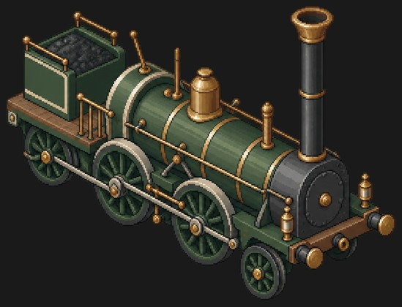 | no rear view yet | 2-6-0 as drawn | 4 | coupled | driver | driver | leading (small) |  |  |  |  |  |  |  |  |  |  |  |  | Frame [engine]: 1-4 (rigid, baked; 2 virtual rail supports) | Leading wheel 4 as a swinging pony truck. | Side rods couple 1-3. The prototype Adler is 2-2-2 (one large central driver). |  | 1 | regular | small | 1 | 0 | 1 | Regular | loco-adler--d56583f9.png | adler | steam | N | 0.9 | 45 | 6 | 2 | 96 | 0.1625 | 136 | 0.195 |  |  |  |  |  | no (deprecated) | steam_early | green | iron 40, wood 25, stone 10, coal 15 | Age of Steam | 1835, Nuremberg to Fürth. Germany's first railway engine. |  |  |  |  |  |  |  |  |  |  |  |  |  |  |  |  |  |  | rigid | yes | One rigid chassis with 2 fixed axles (4 wheels), baked into the body artwork; no separately swivelling bogie sprites. The solver uses 2 virtual rail supports, not 2 physical bogies. |  |  |  | 1 | retired - not in game | 2026-10-06: Model excluded from the demo roster at the owner's request. length_m: fill in (over buffers) | 1 | 2026-10-06: Already retired in the game; workbook status corrected. Earlier review: Does not fit the game: removed (deprecated).
10 | John Bull | Frigate (S) | Not in game (retired model). Existing saved copies remain compatible. | 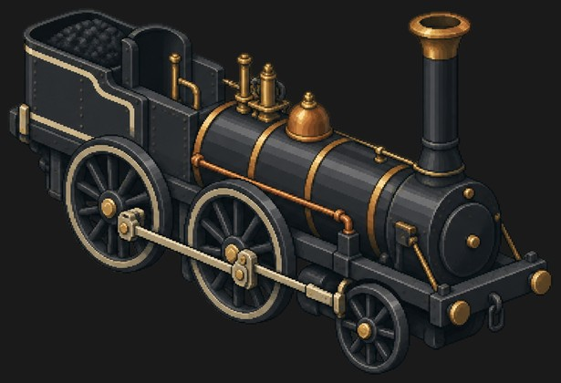 | no rear view yet | 2-4-0 as drawn | 3 | driver | driver | leading (small) |  |  |  |  |  |  |  |  |  |  |  |  |  | Frame [engine]: 1-3 (rigid, baked; 2 virtual rail supports) | Leading wheel 3 as a swinging pony truck. | CHANGE: new starting loco, replacing Stephenson's Rocket (which moved to Skiff). Rods couple 1-2; small leading wheel 3. |  | 1 | regular | small | 1 | 0 | 1 | Regular | loco-john-bull--e3f00229.png | john_bull | steam | N | 0.85 | 44 | 5 | 2 | 96 | 0.1625 | 136 | 0.195 |  |  |  |  |  | no (deprecated) | steam_early | black | iron 40, wood 25, stone 10, coal 15 | Age of Steam | 1831, Camden & Amboy. Ran for a century and still steams. |  |  |  |  |  |  |  |  |  |  |  |  |  |  |  |  |  |  | rigid | yes | One rigid chassis with 2 fixed axles (4 wheels), baked into the body artwork; no separately swivelling bogie sprites. The solver uses 2 virtual rail supports, not 2 physical bogies. |  |  |  | 1 | retired - not in game | 2026-10-06: Model excluded from the demo roster at the owner's request. length_m: fill in (over buffers) | 1 | 2026-10-06: Already retired in the game; workbook status corrected. Earlier review: Does not fit the game: removed (deprecated).
11 | MÁV 375 | Frigate (S) | In game | 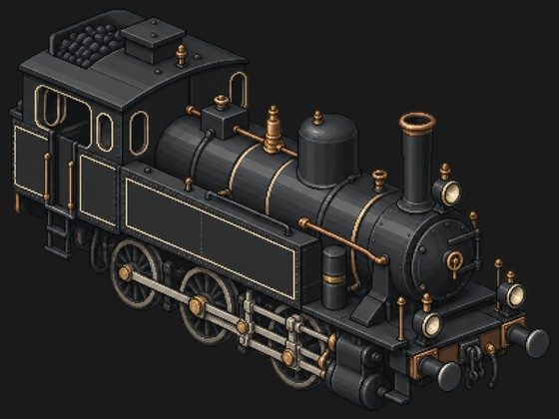 | no rear view yet | 0-6-2T as drawn | 4 | trailing (small, half hidden) | driver | driver | driver |  |  |  |  |  |  |  |  |  |  |  |  | Frame [engine]: 1-4 (rigid, baked; 2 virtual rail supports) |  | Wheel 1 is half hidden behind the cab steps. No leading wheel is drawn (cylinders sit there); the prototype is 2-6-2T. |  | 1 | regular | small | 1 | 0 | 1 | Regular | loco-mav375--d3ead191.png | mav375 | steam | N | 1 | 70 | 40 | 2 | 160 | 0.195 | 240 | 0.2275 |  |  |  |  |  |  | steam_std | black | iron 40, wood 25, stone 10, coal 15 | Age of Steam, Electric Line | 1907 Hungarian branch-line tank engine. Hundreds built, dozens survive. |  |  |  |  |  |  |  |  |  |  |  |  |  |  |  |  |  |  | rigid | yes | One rigid chassis with 2 fixed axles (4 wheels), baked into the body artwork; no separately swivelling bogie sprites. The solver uses 2 virtual rail supports, not 2 physical bogies. |  |  |  | 1 | queued (row commented) | length_m: fill in (over buffers) | 1 | 2026-10-06: Wheels do not match the source picture: they are smaller in the game. Earlier review: Slightly contracted: slightly longer. 2026-10-06, fleet: Stop mesh reshaping and bending sprites between headings. Align the whole reconstructed model rigidly, use one uniform scale, and render actual 3D headings. Review originals for 4, 18, 21 and 32 before a fleet rerender. Discuss far-side mirroring and gear widening first; rail gauge stays. Remaining faults where applicable: pulsing on turns, poor cut surfaces, split-looking fronts. Other individual models are accepted.
12 | Saddle Tank J94 | Frigate (S) | Not in game (retired model). Existing saved copies remain compatible. | 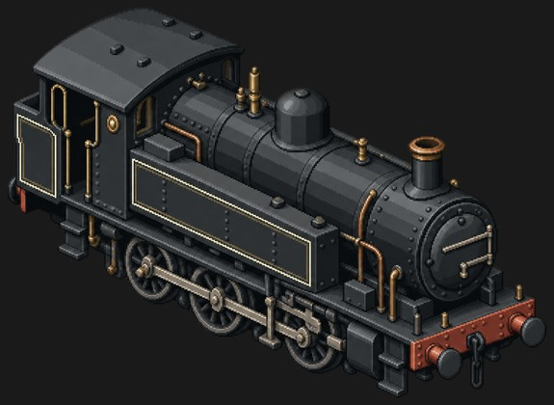 | no rear view yet | 0-6-0ST | 3 | driver | driver | driver |  |  |  |  |  |  |  |  |  |  |  |  |  | Frame [engine]: 1-3 (rigid, baked; 2 virtual rail supports) |  |  |  | 1 | regular | small | 1 | 0 | 1 | Regular | loco-j94--90002845.png | j94 | steam | N | 0.75 | 60 | 48 | 2 | 100 | 0.169 | 140 | 0.195 |  |  |  |  |  |  | steam_std | black | iron 40, wood 25, stone 10, coal 15 |  | 1943, Hunslet Austerity shunter. Yard work, short trips, no tender. |  |  |  |  |  |  |  |  |  |  |  |  |  |  |  |  |  |  | rigid | yes | One rigid chassis with 2 fixed axles (4 wheels), baked into the body artwork; no separately swivelling bogie sprites. The solver uses 2 virtual rail supports, not 2 physical bogies. |  |  |  | 1 | retired - not in game | 2026-10-06: Model excluded from the demo roster at the owner's request. length_m: fill in (over buffers) | 1 | 2026-10-06: Retire this model for now. Repeated problems; a similar-looking model exists. Earlier review: Slightly contracted: slightly longer.
13 | BR Class 08 | Frigate (S) | In game | 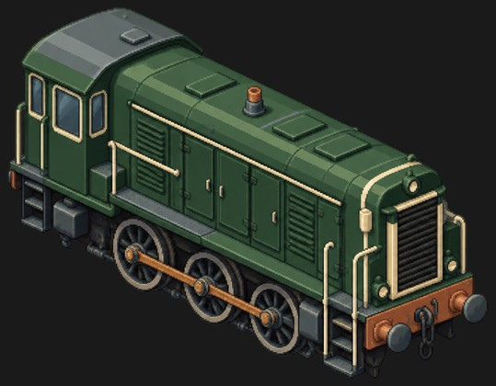 | no rear view yet | 0-6-0 (rod drive) | 3 | driver | driver | driver |  |  |  |  |  |  |  |  |  |  |  |  |  | Frame [body]: 1-3 (rigid, baked; 2 virtual rail supports) |  |  |  | 1 | regular | small | 1 | 0 | 1 | Regular | loco-class08--00ceee17.png | class08 | diesel | N | 0.9 | 65 | 50 | 1 | 112 | 0.0715 |  |  |  |  | br |  |  |  | diesel_switcher | green | iron 40, wood 25, stone 10, coal 15 | Diesel Era | 1952 British shunter, nearly a thousand built. Slow, tireless, everywhere. |  |  |  |  |  |  |  |  |  |  |  |  |  |  |  |  |  |  | rigid | yes | One rigid chassis with 2 fixed axles (4 wheels), baked into the body artwork; no separately swivelling bogie sprites. The solver uses 2 virtual rail supports, not 2 physical bogies. | 8.9 |  |  | 1 | queued (row commented) |  | 1 | Slightly contracted: slightly longer. 2026-10-06, fleet: Stop mesh reshaping and bending sprites between headings. Align the whole reconstructed model rigidly, use one uniform scale, and render actual 3D headings. Review originals for 4, 18, 21 and 32 before a fleet rerender. Discuss far-side mirroring and gear widening first; rail gauge stays. Remaining faults where applicable: pulsing on turns, poor cut surfaces, split-looking fronts. Other individual models are accepted.
14 | The General | Destroyer (M) | In game | 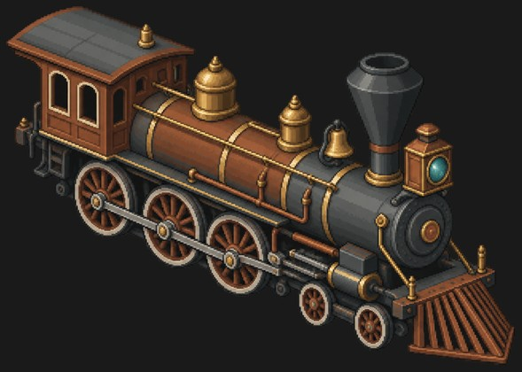 | no rear view yet | 4-6-0 as drawn | 5 | driver | driver | driver | leading | leading |  |  |  |  |  |  |  |  |  |  |  | Frame [engine]: 1-3 (rigid, drawn with the body; coupled drivers and rods) Leading truck [engine]: 4-5 (swivelling bogie / truck sprite) | Keep all axles baked (rigid 1-tile style). | Three coupled drivers are drawn; the brief and game text call The General a 4-4-0. |  | 2 | regular | small | 1 | +1.0 | 2 |  | loco-general--0fa5acae.png | general | steam | R | 1.15 | 65 | 20 | 2 | 144 | 0.182 | 200 | 0.208 |  |  |  |  |  |  | steam_std | rust | iron 56, wood 35, stone 14, coal 21 | Age of Steam | 1855 Western & Atlantic 4-4-0, star of the Great Locomotive Chase. |  |  |  |  |  |  |  |  |  |  |  |  |  |  |  |  |  |  | rigid | yes | One rigid chassis with 2 fixed axles (4 wheels), baked into the body artwork; no separately swivelling bogie sprites. The solver uses 2 virtual rail supports, not 2 physical bogies. |  |  |  | 1 | queued (row commented) | length_m: fill in (over buffers) | 1.5 | Slightly too wide: slightly narrower. 2026-10-06, fleet: Stop mesh reshaping and bending sprites between headings. Align the whole reconstructed model rigidly, use one uniform scale, and render actual 3D headings. Review originals for 4, 18, 21 and 32 before a fleet rerender. Discuss far-side mirroring and gear widening first; rail gauge stays. Remaining faults where applicable: pulsing on turns, poor cut surfaces, split-looking fronts. Other individual models are accepted.
15 | Jupiter | Destroyer (M) | Not in game (retired model). Existing saved copies remain compatible. | 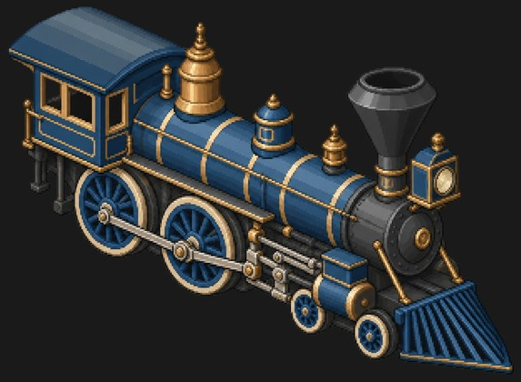 | no rear view yet | 4-4-0 | 4 | driver | driver | leading | leading |  |  |  |  |  |  |  |  |  |  |  |  | Frame [engine]: 1-2 (rigid, drawn with the body; coupled drivers and rods) Leading truck [engine]: 3-4 (swivelling bogie / truck sprite) | Keep all axles baked (rigid 1-tile style). |  |  | 2 | regular | small | 1 | +1.0 | 2 |  | loco-jupiter--20205b97.png | jupiter | steam | R | 1.2 | 70 | 30 | 2 | 160 | 0.182 | 220 | 0.208 |  |  |  |  |  |  | steam_std | blue | iron 56, wood 35, stone 14, coal 21 | Age of Steam | 1868 Central Pacific 4-4-0, met the Union Pacific at Promontory Summit. |  |  |  |  |  |  |  |  |  |  |  |  |  |  |  |  |  |  | rigid | yes | One rigid chassis with 2 fixed axles (4 wheels), baked into the body artwork; no separately swivelling bogie sprites. The solver uses 2 virtual rail supports, not 2 physical bogies. |  |  |  | 1 | retired - not in game | 2026-10-06: Model excluded from the demo roster at the owner's request. length_m: fill in (over buffers) | 1.5 | 2026-10-06: Retire this model for now. Repeated problems; a similar-looking model exists. Earlier review: Slightly too wide: slightly narrower.
16 | Kandó V40 | Destroyer (M) | In game | 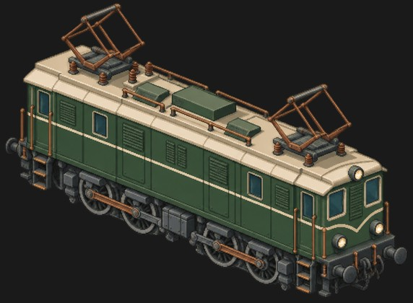 | no rear view yet | D (rod drive), no carrying axles visible | 4 | driver | driver | driver | driver |  |  |  |  |  |  |  |  |  |  |  |  | Frame [body]: 1-4 (rigid, drawn with the body; rods couple 1-2 and 3-4, jackshaft box between 2 and 3) | Two rod-coupled 2-axle bogies: 1-2 and 3-4, jackshaft box on the body. | Small round parts beside the end steps may be hidden carrying wheels (not counted). The prototype is 1'D1'. |  | 2 | regular | small | 1 | +1.0 | 2 |  | loco-kando-v40--48f28f8e.png | kando_v40 | electric | R | 1.4 | 140 | 94 | 2 |  |  |  |  | 0.12 | pantograph | kando |  |  |  | electric_box | green | iron 56, wood 35, stone 14, coal 21 | Electric Line | 1932 Hungarian phase-converter electric by Kálmán Kandó, pioneer of 50 Hz traction. |  |  |  |  |  |  |  |  |  |  |  |  |  |  |  |  |  |  | rigid | yes | One rigid chassis with 2 fixed axles (4 wheels), baked into the body artwork; no separately swivelling bogie sprites. The solver uses 2 virtual rail supports, not 2 physical bogies. |  |  |  | 1 | queued (row commented) | length_m: fill in (over buffers) | 1.5 | 2026-10-06: Incomplete body side above the wheels. Wrong angles and distorted in-game model. Important engine; take care. Earlier review: Slightly too wide: slightly narrower. 2026-10-06, fleet: Stop mesh reshaping and bending sprites between headings. Align the whole reconstructed model rigidly, use one uniform scale, and render actual 3D headings. Review originals for 4, 18, 21 and 32 before a fleet rerender. Discuss far-side mirroring and gear widening first; rail gauge stays. Remaining faults where applicable: pulsing on turns, poor cut surfaces, split-looking fronts. Other individual models are accepted.
17 | EMD SW1 | Destroyer (M) | In game | 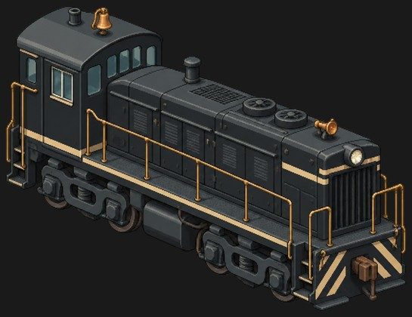 | no rear view yet | B-B | 4 | bogie | bogie | bogie | bogie |  |  |  |  |  |  |  |  |  |  |  |  | Rear bogie [body]: 1-2 (swivelling bogie / truck sprite) Front bogie [body]: 3-4 (swivelling bogie / truck sprite) | Keep axles baked (rigid 1-tile style). | Game data has the SW1 as small (1 tile) with baked axles. |  | 2 | regular | small | 1 | +1.0 | 2 |  | loco-sw1--40207aeb.png | sw1 | diesel | N | 1 | 70 | 90 | 1 | 120 | 0.078 |  |  |  |  | emd |  |  |  | diesel_switcher | black | iron 40, wood 25, stone 10, coal 15 | Diesel Era, Electric Line | 1939 six-hundred-horsepower switcher. The yard goat of a generation. |  |  |  |  |  |  |  |  |  |  |  |  |  |  |  |  |  |  | rigid | yes | One rigid chassis with 2 fixed axles (4 wheels), baked into the body artwork; no separately swivelling bogie sprites. The solver uses 2 virtual rail supports, not 2 physical bogies. | 13.5 |  |  | 1 | queued (row commented) |  | 1.5 | Slightly too wide: slightly narrower. 2026-10-06, fleet: Stop mesh reshaping and bending sprites between headings. Align the whole reconstructed model rigidly, use one uniform scale, and render actual 3D headings. Review originals for 4, 18, 21 and 32 before a fleet rerender. Discuss far-side mirroring and gear widening first; rail gauge stays. Remaining faults where applicable: pulsing on turns, poor cut surfaces, split-looking fronts. Other individual models are accepted.
18 | LMS Black Five | Cruiser (L) | In game | 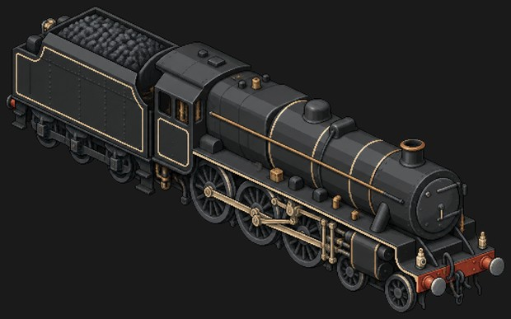 | no rear view yet | 4-6-0 + 3-axle tender | 8 | tender | tender | tender | driver | driver | driver | leading | leading |  |  |  |  |  |  |  |  | Tender frame [tender]: 1-3 (rigid, drawn with the body; rigid six-wheel tender) Frame [engine]: 4-6 (rigid, drawn with the body; coupled drivers and rods) Leading bogie [engine]: 7-8 (swivelling bogie / truck sprite) |  | Same as the rendered pilot-4 setup (black_five_leading, tender 'none'). | plan: tender; bogieStyle: {"engine": ["black_five_leading", "none"], "tender": "none"}; pivots: {"engine": [0.326, -0.326]}; coupled: {"engine": -0.118} | 3 | regular | medium | 2 | +1.0 | 3 |  | loco-black-five--1f98926d.png | black_five | steam | R | 1.5 | 125 | 105 | 3 | 260 | 0.221 | 380 | 0.247 |  |  |  |  |  |  | steam_std | black | iron 112, wood 56, stone 28, coal 42 |  | 1934, Stanier mixed-traffic 4-6-0. Went anywhere, pulled anything. |  |  |  |  |  |  |  |  |  |  |  |  |  |  |  |  |  |  | tender | yes | engine: 1.25 tile length, 2 bogies of 2 axles each, pivot span 0.88 tiles; tender: 0.75 tile length, 2 bogies of 2 axles each, pivot span 0.49 tiles | 19.4 | 2.72 | 4.01 | 2 | active | pilot 4: a second steam engine for the coupled-wheel decision (4-6-0) | 2 | 2026-10-06: Distorted, wrong angles and stretched. Show the original model. Earlier review: Angle is off, a little off the rails. 2026-10-06, fleet: Stop mesh reshaping and bending sprites between headings. Align the whole reconstructed model rigidly, use one uniform scale, and render actual 3D headings. Review originals for 4, 18, 21 and 32 before a fleet rerender. Discuss far-side mirroring and gear widening first; rail gauge stays. Remaining faults where applicable: pulsing on turns, poor cut surfaces, split-looking fronts. Other individual models are accepted.
19 | SBB Ce 6/8 Crocodile | Battleship (XL) | In game CHANGE 2026-10-01: moves up to Battleship (XL); image stays in folder 3. | 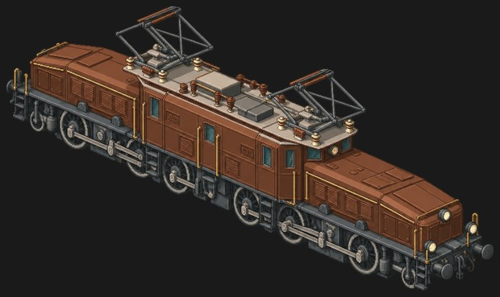 | no rear view yet | (1'C)(C1') | 8 | pony | driver | driver | driver | driver | driver | driver | pony |  |  |  |  |  |  |  |  | Rear pony [rear snout]: 1 (swivelling bogie / truck sprite) Rear drive unit [rear snout]: 2-4 (rigid, drawn with the body; fixed in the rear snout, with rods and jackshaft) Front drive unit [front snout]: 5-7 (rigid, drawn with the body; fixed in the front snout, with rods and jackshaft) Front pony [front snout]: 8 (swivelling bogie / truck sprite) | Current game plan: garratt, cradle on its own 2-axle bogies. | Wheels 4 and 5 sit under the centre cab but belong to the snout drive units. The centre cab has no wheels of its own: it rests on both units. | plan: garratt; bogieStyle: {"engine": ["pony", "croc"], "cradle": "none"}; bogieAxles: 3; pivotRatio: 0.7 | 4 | regular | large | 3 | +1.0 | 3 |  | loco-crocodile--e82cdd82.png | crocodile | electric | SR | 1.3 | 230 | 128 | 2 |  |  |  |  | 0.17 | pantograph | sbb |  | yes |  | electric_crocodile | brown | iron 280, wood 120, stone 70, coal 100 | Electric Line | 1919 Gotthard freight electric with articulated snouts. Unmistakable. |  |  |  |  |  |  |  |  |  |  |  |  |  |  |  |  |  |  | garratt | no (high-speed only) | engine: 0.80 tile length, 2 bogies of 3 axles each, pivot span 0.56 tiles; cradle: 1.40 tile length, 2 bogies of 2 axles each, pivot span 1.32 tiles; engine: 0.80 tile length, 2 bogies of 3 axles each, pivot span 0.56 tiles | 19.5 |  |  | 3 | queued (row commented) | clip: engine just above its driving wheels | 3 | 2026-10-06: Clips throughout; wheels overlap. Three groups of three wheel pairs: middle fixed to the body, front and rear swivelling. Each group has a connecting rod. Important, complicated model; ask the owner if unclear. Earlier review: Slightly too wide: slightly narrower. 2026-10-06, fleet: Stop mesh reshaping and bending sprites between headings. Align the whole reconstructed model rigidly, use one uniform scale, and render actual 3D headings. Review originals for 4, 18, 21 and 32 before a fleet rerender. Discuss far-side mirroring and gear widening first; rail gauge stays. Remaining faults where applicable: pulsing on turns, poor cut surfaces, split-looking fronts. Other individual models are accepted.
20 | Deltic Class 55 | Cruiser (L) | In game | 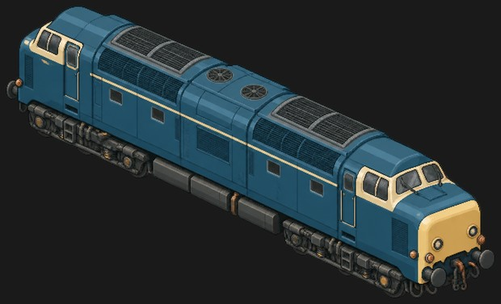 | no rear view yet | Co-Co | 6 | bogie | bogie | bogie | bogie | bogie | bogie |  |  |  |  |  |  |  |  |  |  | Rear bogie [body]: 1-3 (swivelling bogie / truck sprite) Front bogie [body]: 4-6 (swivelling bogie / truck sprite) |  | Wheels mostly behind the bogie side frames; the rims show below them. | bogieStyle: europe_c; bogieAxles: 3 | 3 | regular | medium | 2 | +1.0 | 3 |  | loco-deltic--92f91c65.png | deltic | diesel | SR | 2 | 150 | 100 | 2 | 280 | 0.13 |  |  |  |  | br |  |  |  | diesel_cab | blue | iron 160, wood 80, stone 40, coal 60 | Diesel Era | 1961 East Coast express with two opposed-piston Napier engines. Screams. |  |  |  |  |  |  |  |  |  |  |  |  |  |  |  |  |  |  | rigid | yes | body: 2.00 tile length, 2 bogies of 3 axles each, pivot span 1.40 tiles | 21.2 |  |  | 2 | queued (row commented) |  | 2 | 2026-10-06: No model has matched the picture. Two bogies of three wheel pairs. The missing centre tank belongs to the body. Model is squashed and does not sit properly on the rails. Earlier review: Angle is off, a little off the rails. 2026-10-06, fleet: Stop mesh reshaping and bending sprites between headings. Align the whole reconstructed model rigidly, use one uniform scale, and render actual 3D headings. Review originals for 4, 18, 21 and 32 before a fleet rerender. Discuss far-side mirroring and gear widening first; rail gauge stays. Remaining faults where applicable: pulsing on turns, poor cut surfaces, split-looking fronts. Other individual models are accepted.
21 | DRG Class 01 | Cruiser (L) | In game | 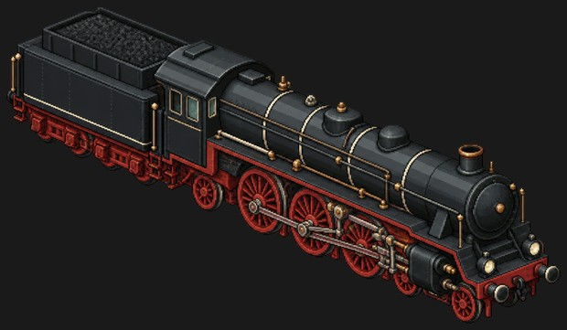 | no rear view yet | 4-6-2 + 4-axle tender | 10 | tender | tender | tender | tender | trailing | driver | driver | driver | leading | leading |  |  |  |  |  |  | Tender rear bogie [tender]: 1-2 (swivelling bogie / truck sprite) Tender front bogie [tender]: 3-4 (swivelling bogie / truck sprite) Trailing truck [engine]: 5 (swivelling bogie / truck sprite) Frame [engine]: 6-8 (rigid, drawn with the body; coupled drivers and rods) Leading bogie [engine]: 9-10 (swivelling bogie / truck sprite) | Tender rigid with all four axles baked (1-4). | The four tender axles are drawn evenly spaced. | plan: tender; bogieStyle: {"engine": ["leading", "pacific"], "tender": "tender_truck"} | 3 | regular | medium | 2 | +1.0 | 3 |  | loco-drg01--4313f6d2.png | drg01 | steam | SR | 1.65 | 140 | 110 | 3 | 280 | 0.2275 | 400 | 0.26 |  |  |  |  |  |  | steam_std | black | iron 160, wood 80, stone 40, coal 60 | Age of Steam | 1926 German standard express Pacific. Black, red wheels, 130 km/h. |  |  |  |  |  |  |  |  |  |  |  |  |  |  |  |  |  |  | tender | yes | engine: 1.25 tile length, 2 bogies of 2 axles each, pivot span 0.88 tiles; tender: 0.75 tile length, 2 bogies of 2 axles each, pivot span 0.49 tiles | 23.9 |  |  | 2 | queued (row commented) | clip: engine just above its driving wheels, tender above its bogies | 2 | 2026-10-06: Same distortion and angle problems as Black Five, but this model looks better. Tender does not fit the rails. At the front only the angles are wrong. Restore the original model. Earlier review: Correct, fits well. 2026-10-06, fleet: Stop mesh reshaping and bending sprites between headings. Align the whole reconstructed model rigidly, use one uniform scale, and render actual 3D headings. Review originals for 4, 18, 21 and 32 before a fleet rerender. Discuss far-side mirroring and gear widening first; rail gauge stays. Remaining faults where applicable: pulsing on turns, poor cut surfaces, split-looking fronts. Other individual models are accepted.
22 | EMD F7 | Cruiser (L) | Not in game (retired model). Existing saved copies remain compatible. | 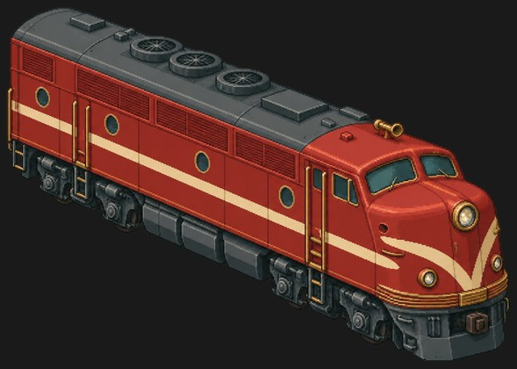 | no rear view yet | B-B | 4 | bogie | bogie | bogie | bogie |  |  |  |  |  |  |  |  |  |  |  |  | Rear truck [body]: 1-2 (swivelling bogie / truck sprite) Front truck [body]: 3-4 (swivelling bogie / truck sprite) |  | Same as the rendered pilot setup (f7_front / f7_rear). | bogieStyle: {"body": ["f7_front", "f7_rear"]}; pivots: {"body": [0.518, -0.57]} | 3 | regular | medium | 2 | +1.0 | 3 |  | loco-f7--72b0a730.png | f7 | diesel | R | 1.6 | 140 | 110 | 2 | 220 | 0.0975 |  |  |  |  | emd |  |  |  | diesel_cab | red | iron 112, wood 56, stone 28, coal 42 | Diesel Era | 1949 bulldog-nosed cab unit. The face of American railroading. |  |  |  |  |  |  |  |  |  |  |  |  |  |  |  |  |  |  | rigid | yes | body: 2.00 tile length, 2 bogies of 2 axles each, pivot span 1.40 tiles | 15.4 | 3.25 | 4.57 | 2 | retired - not in game | 2026-10-06: Model excluded from the demo roster at the owner's request. | 2 | 2026-10-06: Retire this model for now. Earlier review: Slightly contracted: slightly longer.
23 | Flying Scotsman | Cruiser (L) | Not in game (retired model). Existing saved copies remain compatible. | 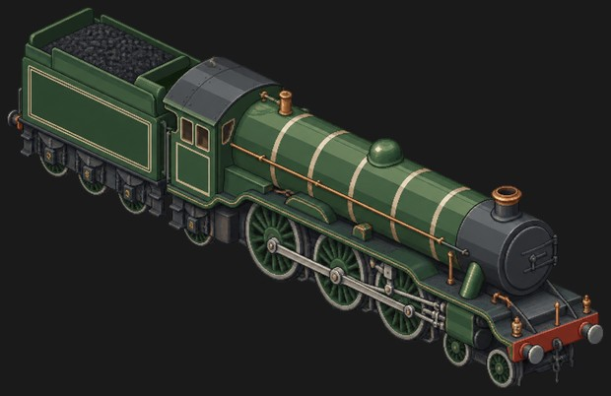 | no rear view yet | 4-6-2 + 3-axle tender | 9 | tender | tender | tender | trailing | driver | driver | driver | leading | leading |  |  |  |  |  |  |  | Tender frame [tender]: 1-3 (rigid, drawn with the body; rigid six-wheel tender) Trailing truck [engine]: 4 (swivelling bogie / truck sprite; under the cab) Frame [engine]: 5-7 (rigid, drawn with the body; coupled drivers and rods) Leading bogie [engine]: 8-9 (swivelling bogie / truck sprite) |  | Same as the rendered pilot setup. | plan: tender; bogieStyle: {"engine": ["flying_scotsman_leading", "flying_scotsman_trailing"], "tender": "none"}; pivots: {"engine": [0.37, -0.467]}; coupled: {"engine": -0.017} | 3 | regular | medium | 2 | +1.0 | 3 |  | loco-flying-scotsman--1f1a3230.png | flying_scotsman | steam | SR | 1.75 | 120 | 97 | 3 | 280 | 0.2145 | 400 | 0.247 |  |  |  |  |  |  | steam_std | green | iron 160, wood 80, stone 40, coal 60 | Age of Steam | 1923 LNER A3. First steam engine officially clocked at 100 mph. |  |  |  |  |  |  |  |  |  |  |  |  |  |  |  |  |  |  | tender | yes | engine: 1.25 tile length, 2 bogies of 2 axles each, pivot span 0.88 tiles; tender: 0.75 tile length, 2 bogies of 2 axles each, pivot span 0.49 tiles | 21.3 | 2.74 | 3.99 | 2 | retired - not in game | 2026-10-06: Model excluded from the demo roster at the owner's request. clip: engine just above its driving wheels, tender above its bogies | 2 | 2026-10-06: Retire this model for now. Earlier review: Correct, fits well.
24 | ICE 1 | Cruiser (L) | In game | 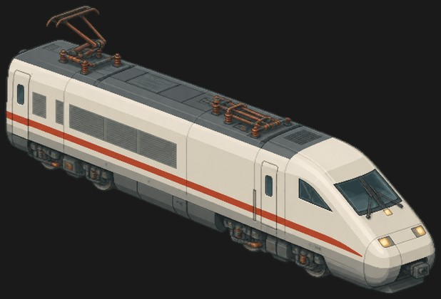 | no rear view yet | Bo-Bo | 4 | bogie | bogie | bogie | bogie |  |  |  |  |  |  |  |  |  |  |  |  | Rear bogie [body]: 1-2 (swivelling bogie / truck sprite) Front bogie [body]: 3-4 (swivelling bogie / truck sprite) |  |  | bogieStyle: europe_b | 3 | regular | medium | 2 | +1.0 | 3 |  | loco-ice1--ee9c2584.png | ice1 | electric | SR | 2.7 | 160 | 92 | 2 |  |  |  |  | 0.19 | multi | db | yes | yes |  | electric_hs | white | iron 160, wood 80, stone 40, coal 60 |  | 1991, Germany's first high-speed set. Multi-system power car. |  |  |  |  |  |  |  |  |  |  |  |  |  |  |  |  |  |  | rigid | yes | body: 2.00 tile length, 2 bogies of 2 axles each, pivot span 1.40 tiles | 20.6 |  |  | 2 | queued (row commented) |  | 2 | 2026-10-06: Fine overall. Front bogie is a little odd; a piece is missing between the wheels. Earlier review: Contracted: longer. 2026-10-06, fleet: Stop mesh reshaping and bending sprites between headings. Align the whole reconstructed model rigidly, use one uniform scale, and render actual 3D headings. Review originals for 4, 18, 21 and 32 before a fleet rerender. Discuss far-side mirroring and gear widening first; rail gauge stays. Remaining faults where applicable: pulsing on turns, poor cut surfaces, split-looking fronts. Other individual models are accepted.
25 | PRR K4s | Cruiser (L) | Not in game (retired model). Existing saved copies remain compatible. | 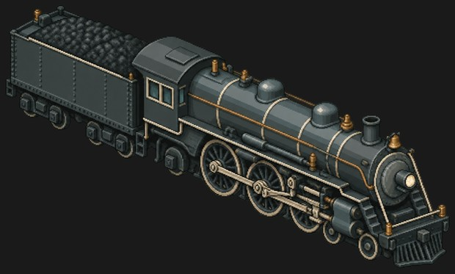 | no rear view yet | 4-6-2 + 2x2-axle tender trucks | 10 | tender | tender | tender | tender | trailing | driver | driver | driver | leading | leading |  |  |  |  |  |  | Tender rear truck [tender]: 1-2 (swivelling bogie / truck sprite) Tender front truck [tender]: 3-4 (swivelling bogie / truck sprite) Trailing truck [engine]: 5 (swivelling bogie / truck sprite) Frame [engine]: 6-8 (rigid, drawn with the body; coupled drivers and rods) Leading bogie [engine]: 9-10 (swivelling bogie / truck sprite) |  |  | plan: tender; bogieStyle: {"engine": ["leading", "pacific"], "tender": "tender_truck"} | 3 | regular | medium | 2 | +1.0 | 3 |  | loco-k4s--ba2d9f48.png | k4s | steam | R | 1.5 | 110 | 140 | 3 | 240 | 0.2275 | 360 | 0.26 |  |  |  |  |  |  | steam_std | iron | iron 112, wood 56, stone 28, coal 42 | Age of Steam | 1914 Pennsylvania Railroad Pacific, standard express power for forty years. |  |  |  |  |  |  |  |  |  |  |  |  |  |  |  |  |  |  | tender | yes | engine: 1.25 tile length, 2 bogies of 2 axles each, pivot span 0.88 tiles; tender: 0.75 tile length, 2 bogies of 2 axles each, pivot span 0.49 tiles |  |  |  | 2 | retired - not in game | 2026-10-06: Model excluded from the demo roster at the owner's request. clip: engine just above its driving wheels, tender above its bogies; length_m: fill in (over buffers, engine + tender) | 2 | 2026-10-06: Retire this model for now. Earlier review: Contracted: longer.
26 | M62 Szergej | Cruiser (L) | In game | 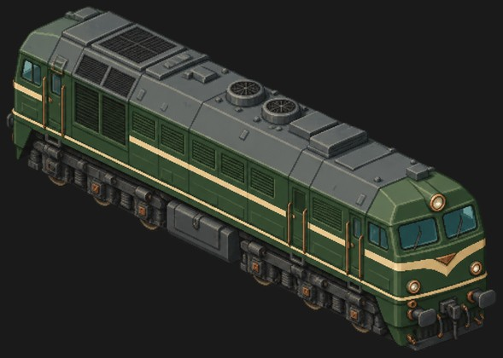 | no rear view yet | Co-Co | 6 | bogie | bogie | bogie | bogie | bogie | bogie |  |  |  |  |  |  |  |  |  |  | Rear bogie [body]: 1-3 (swivelling bogie / truck sprite) Front bogie [body]: 4-6 (swivelling bogie / truck sprite) |  |  | bogieStyle: europe_c; bogieAxles: 3 | 3 | regular | medium | 2 | +1.0 | 3 |  | loco-m62--c14ba4cc.png | m62 | diesel | R | 1.3 | 160 | 116 | 2 | 240 | 0.104 |  |  |  |  | ussr |  |  |  | diesel_hood | green | iron 112, wood 56, stone 28, coal 42 | Diesel Era | 1965 Soviet freight diesel exported across the Eastern Bloc. Loud and loyal. |  |  |  |  |  |  |  |  |  |  |  |  |  |  |  |  |  |  | rigid | yes | body: 2.00 tile length, 2 bogies of 3 axles each, pivot span 1.40 tiles | 17.6 |  |  | 2 | queued (row commented) |  | 2 | Contracted: longer. 2026-10-06, fleet: Stop mesh reshaping and bending sprites between headings. Align the whole reconstructed model rigidly, use one uniform scale, and render actual 3D headings. Review originals for 4, 18, 21 and 32 before a fleet rerender. Discuss far-side mirroring and gear widening first; rail gauge stays. Remaining faults where applicable: pulsing on turns, poor cut surfaces, split-looking fronts. Other individual models are accepted.
27 | Mallard | Cruiser (L) | In game | 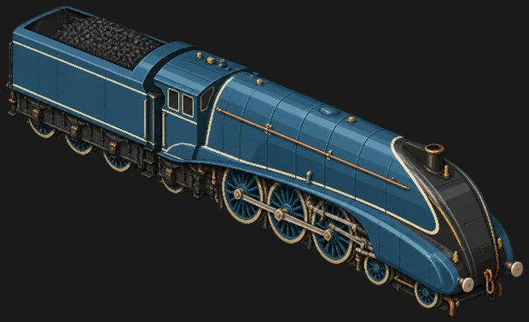 | no rear view yet | 4-6-2 + 3-axle tender | 9 | tender | tender | tender | trailing | driver | driver | driver | leading | leading |  |  |  |  |  |  |  | Tender frame [tender]: 1-3 (rigid, drawn with the body; rigid six-wheel tender) Trailing truck [engine]: 4 (swivelling bogie / truck sprite; under the cab) Frame [engine]: 5-7 (rigid, drawn with the body; coupled drivers and rods) Leading bogie [engine]: 8-9 (swivelling bogie / truck sprite) |  | Game data still gives the tender two uk_tender_pair bogies (4 axles); the image shows 3 axles. | plan: tender; bogieStyle: {"engine": ["leading", "pacific"], "tender": ["uk_tender_pair", "uk_tender_pair"]} | 3 | regular | medium | 2 | +1.0 | 3 |  | loco-mallard--927360fc.png | mallard | steam | SSR | 2.3 | 130 | 165 | 3 | 320 | 0.247 | 480 | 0.273 |  |  |  |  |  |  | steam_streamlined | blue | iron 240, wood 120, stone 60, coal 90 | Age of Steam | 1938 LNER A4. 126 mph, the fastest steam locomotive ever recorded. |  |  |  |  |  |  |  |  |  |  |  |  |  |  |  |  |  |  | tender | yes | engine: 1.25 tile length, 2 bogies of 2 axles each, pivot span 0.88 tiles; tender: 0.75 tile length, 2 bogies of 2 axles each, pivot span 0.49 tiles | 21.6 |  |  | 2 | queued (row commented) | clip: engine just above its driving wheels, tender above its bogies | 2 | 2026-10-06: Wheels remain on the model and are rendered separately too. Keep one representation so the engine looks like one piece. Earlier review: Seems to levitate on the rails (angle, or the wheels were not found). 2026-10-06, fleet: Stop mesh reshaping and bending sprites between headings. Align the whole reconstructed model rigidly, use one uniform scale, and render actual 3D headings. Review originals for 4, 18, 21 and 32 before a fleet rerender. Discuss far-side mirroring and gear widening first; rail gauge stays. Remaining faults where applicable: pulsing on turns, poor cut surfaces, split-looking fronts. Other individual models are accepted.
28 | SBB Re 460 | Cruiser (L) | In game | 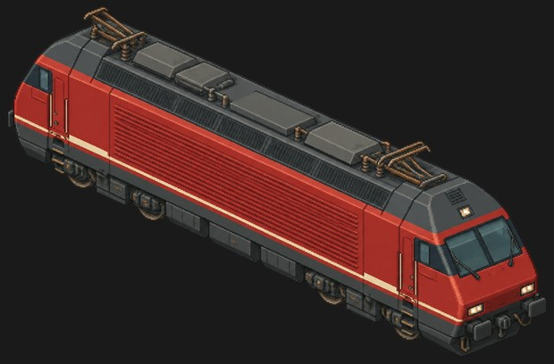 | no rear view yet | Bo-Bo | 4 | bogie | bogie | bogie | bogie |  |  |  |  |  |  |  |  |  |  |  |  | Rear bogie [body]: 1-2 (swivelling bogie / truck sprite) Front bogie [body]: 3-4 (swivelling bogie / truck sprite) |  |  | bogieStyle: europe_b | 3 | regular | medium | 2 | +1.0 | 3 |  | loco-re460--4e975304.png | re460 | electric | SR | 2 | 180 | 84 | 1 |  |  |  |  | 0.14 | multi | sbb |  |  |  | electric_box | red | iron 160, wood 80, stone 40, coal 60 | Electric Line | 1991 Swiss Lok 2000, the billboard engine of the Bahn 2000 programme. |  |  |  |  |  |  |  |  |  |  |  |  |  |  |  |  |  |  | rigid | yes | body: 2.00 tile length, 2 bogies of 2 axles each, pivot span 1.40 tiles | 18.5 |  |  | 2 | queued (row commented) |  | 2 | Contracted: longer. 2026-10-06, fleet: Stop mesh reshaping and bending sprites between headings. Align the whole reconstructed model rigidly, use one uniform scale, and render actual 3D headings. Review originals for 4, 18, 21 and 32 before a fleet rerender. Discuss far-side mirroring and gear widening first; rail gauge stays. Remaining faults where applicable: pulsing on turns, poor cut surfaces, split-looking fronts. Other individual models are accepted.
29 | ÖBB 1116 Taurus | Cruiser (L) | In game | 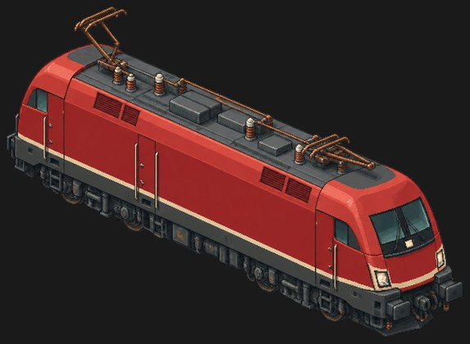 | no rear view yet | Bo-Bo | 4 | bogie | bogie | bogie | bogie |  |  |  |  |  |  |  |  |  |  |  |  | Rear bogie [body]: 1-2 (swivelling bogie / truck sprite) Front bogie [body]: 3-4 (swivelling bogie / truck sprite) |  |  | bogieStyle: europe_b | 3 | regular | medium | 2 | +1.0 | 3 |  | loco-taurus--5620dea3.png | taurus | electric | SR | 2 | 190 | 86 | 1 |  |  |  |  | 0.14 | multi | oebb |  |  |  | electric_box | red | iron 160, wood 80, stone 40, coal 60 | Electric Line | 2000 Siemens universal electric that sings a scale as it pulls away. |  |  |  |  |  |  |  |  |  |  |  |  |  |  |  |  |  |  | rigid | yes | body: 2.00 tile length, 2 bogies of 2 axles each, pivot span 1.40 tiles | 19.3 |  |  | 2 | queued (row commented) |  | 2 | Contracted: longer. 2026-10-06, fleet: Stop mesh reshaping and bending sprites between headings. Align the whole reconstructed model rigidly, use one uniform scale, and render actual 3D headings. Review originals for 4, 18, 21 and 32 before a fleet rerender. Discuss far-side mirroring and gear widening first; rail gauge stays. Remaining faults where applicable: pulsing on turns, poor cut surfaces, split-looking fronts. Other individual models are accepted.
30 | TGV Sud-Est | Cruiser (L) | In game | 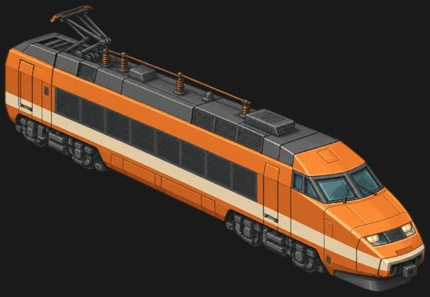 | no rear view yet | Bo-Bo | 4 | bogie | bogie | bogie | bogie |  |  |  |  |  |  |  |  |  |  |  |  | Rear bogie [body]: 1-2 (swivelling bogie / truck sprite) Front bogie [body]: 3-4 (swivelling bogie / truck sprite) |  | Wheels mostly behind the bogie frames; counted from the axle boxes. | bogieStyle: europe_b | 3 | regular | medium | 2 | +1.0 | 3 |  | loco-tgv--5499a9f1.png | tgv | electric | SSR | 3 | 150 | 90 | 2 |  |  |  |  | 0.2 | hv | sncf | yes | yes |  | electric_hs | orange | iron 240, wood 120, stone 60, coal 90 |  | 1981, the first high-speed trainset in service. Needs high-speed track and HV wires to stretch its legs. |  |  |  |  |  |  |  |  |  |  |  |  |  |  |  |  |  |  | rigid | yes | body: 2.00 tile length, 2 bogies of 2 axles each, pivot span 1.40 tiles | 22.2 |  |  | 2 | queued (row commented) |  | 2 | 2026-10-06: Wrong angles and slight distortion. Close, but correct it. Important engine. Earlier review: Contracted: longer. 2026-10-06, fleet: Stop mesh reshaping and bending sprites between headings. Align the whole reconstructed model rigidly, use one uniform scale, and render actual 3D headings. Review originals for 4, 18, 21 and 32 before a fleet rerender. Discuss far-side mirroring and gear widening first; rail gauge stays. Remaining faults where applicable: pulsing on turns, poor cut surfaces, split-looking fronts. Other individual models are accepted.
31 | V63 Gigant | Cruiser (L) | Not in game (retired model). Existing saved copies remain compatible. | 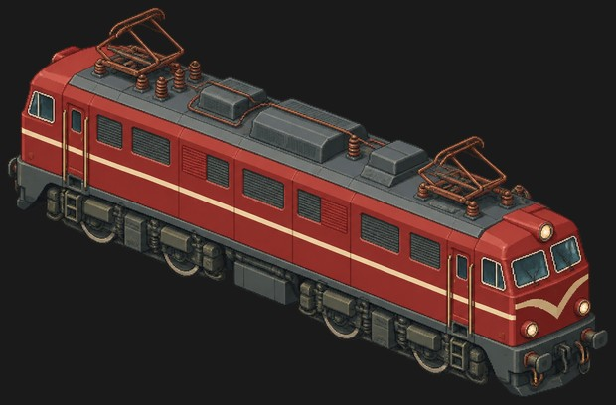 | no rear view yet | Bo-Bo as drawn | 4 | bogie | bogie | bogie | bogie |  |  |  |  |  |  |  |  |  |  |  |  | Rear bogie [body]: 1-2 (swivelling bogie / truck sprite) Front bogie [body]: 3-4 (swivelling bogie / truck sprite) | Redraw as Co-Co to match game data: 1-3 / 4-6. | Only two wheels per bogie are drawn; game data gives the V63 3-axle bogies (europe_c), like the Co-Co prototype. | bogieStyle: europe_c; bogieAxles: 3 | 3 | regular | medium | 2 | +1.0 | 3 |  | loco-v63--1cb60403.png | v63 | electric | R | 1.6 | 200 | 116 | 2 |  |  |  |  | 0.16 | pantograph | kando |  |  |  | electric_box | red | iron 112, wood 56, stone 28, coal 42 | Electric Line | 1975 Hungarian six-axle Giant, the heavy freight electric of MÁV. |  |  |  |  |  |  |  |  |  |  |  |  |  |  |  |  |  |  | rigid | yes | body: 2.00 tile length, 2 bogies of 3 axles each, pivot span 1.40 tiles | 19.5 |  |  | 2 | retired - not in game | 2026-10-06: Model excluded from the demo roster at the owner's request. | 2 | 2026-10-06: Retire this model for now. Earlier review: Contracted: longer.
32 | SP 4449 Daylight | Battleship (XL) | In game | 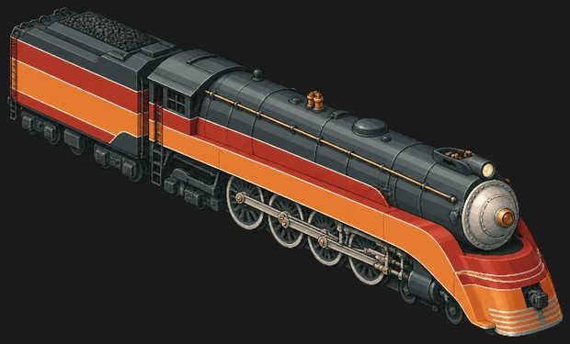 | no rear view yet | 4-8-4 + 3+2-axle tender trucks | 13 | tender | tender | tender | tender | tender | trailing | trailing | driver | driver | driver | driver | leading (half hidden) | leading |  |  |  | Tender rear truck [tender]: 1-3 (swivelling bogie / truck sprite) Tender front truck [tender]: 4-5 (swivelling bogie / truck sprite) Trailing truck [engine]: 6-7 (swivelling bogie / truck sprite; wheels mostly behind the frame; axle boxes visible) Frame [engine]: 8-11 (rigid, drawn with the body; coupled drivers and rods) Leading bogie [engine]: 12-13 (swivelling bogie / truck sprite) | Redraw the front tender truck with 3 axles to match tender_truck6. | Tender trucks are drawn unequal (3 + 2 axles); game data uses tender_truck6 (3-axle) for both. Wheel 12 is half hidden behind the cylinder. | plan: tender; bogieStyle: {"engine": ["leading", "northern"], "tender": "tender_truck6"} | 4 | regular | medium | 2 | +2.0 | 4 |  | loco-daylight--cfc231ed.png | daylight | steam | SR | 1.85 | 150 | 240 | 3 | 320 | 0.26 | 480 | 0.2925 |  |  |  |  |  |  | steam_streamlined | rust | iron 160, wood 80, stone 40, coal 60 | Age of Steam | 1941 Southern Pacific GS-4, orange and red streamliner of the Coast Daylight. |  |  |  |  |  |  |  |  |  |  |  |  |  |  |  |  |  |  | tender | yes | engine: 1.25 tile length, 2 bogies of 2 axles each, pivot span 0.88 tiles; tender: 0.75 tile length, 2 bogies of 2 axles each, pivot span 0.49 tiles |  |  |  | 2 | queued (row commented) | clip: engine just above its driving wheels, tender above its bogies; length_m: fill in (over buffers, engine + tender) | 3 | 2026-10-06: Same as Black Five: distorted, wrong angles and stretched. Show the original model. Earlier review: Contracted: longer. 2026-10-06, fleet: Stop mesh reshaping and bending sprites between headings. Align the whole reconstructed model rigidly, use one uniform scale, and render actual 3D headings. Review originals for 4, 18, 21 and 32 before a fleet rerender. Discuss far-side mirroring and gear widening first; rail gauge stays. Remaining faults where applicable: pulsing on turns, poor cut surfaces, split-looking fronts. Other individual models are accepted.
33 | DDA40X Centennial | Battleship (XL) | In game | 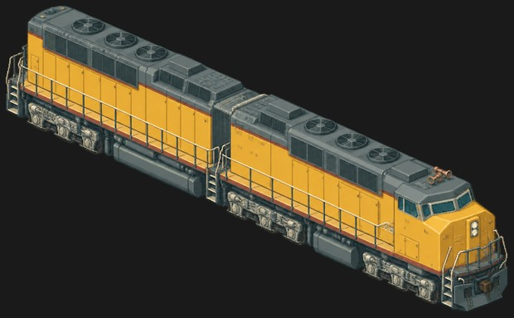 | no rear view yet | C-C-C as drawn | 9 | bogie | bogie | bogie | bogie | bogie | bogie | bogie | bogie | bogie |  |  |  |  |  |  |  | Rear truck [body]: 1-3 (swivelling bogie / truck sprite) Middle truck [body]: 4-6 (swivelling bogie / truck sprite; needs the most sideways play) Front truck [body]: 7-9 (swivelling bogie / truck sprite) | Redraw as D-D to match locomotives.json: 1-4 / 5-8. | Three 3-axle trucks are drawn, and the body is drawn as two sections joined behind wheel 4. locomotives.json now says 2 x 4-axle emd_d trucks (the prototype is D-D); the railcraft spec still says 3 x 3. | plan: rigid; bogieStyle: emd_d; bogies: 2; bogieAxles: 4 | 4 | regular | large | 3 | +1.0 | 4 |  | loco-dda40x--5db242da.png | dda40x | diesel | SSR | 1.8 | 360 | 245 | 2 | 560 | 0.195 |  |  |  |  | emd |  | yes |  | diesel_hood | yellow | iron 420, wood 180, stone 105, coal 150 | Diesel Era | 1969 Union Pacific twin-engine giant, the most powerful diesel ever built. |  |  |  |  |  |  |  |  |  |  |  |  |  |  |  |  |  |  | rigid | no (high-speed only) | body: 3.00 tile length, 3 bogies of 3 axles each, pivot span 1.74 tiles | 29.9 |  |  | 3 | queued (row commented) |  | 3 | 2026-10-06: Improved. Cover the hinge with bellows like an articulated bus. The hinged part drifts too far out on curves and must follow the curve more closely. Iconic engine. Earlier review: Needs to be wider and longer. 2026-10-06, fleet: Stop mesh reshaping and bending sprites between headings. Align the whole reconstructed model rigidly, use one uniform scale, and render actual 3D headings. Review originals for 4, 18, 21 and 32 before a fleet rerender. Discuss far-side mirroring and gear widening first; rail gauge stays. Remaining faults where applicable: pulsing on turns, poor cut surfaces, split-looking fronts. Other individual models are accepted.
34 | PRR GG1 | Battleship (XL) | In game | 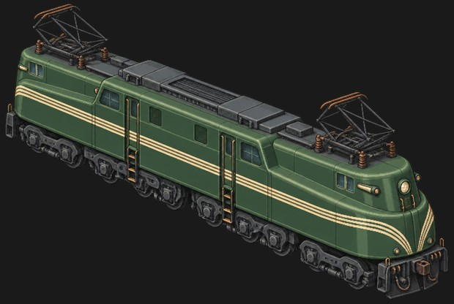 | no rear view yet | 2-C+C-2 | 10 | guide | guide | driver | driver | driver | driver | driver | driver | guide | guide |  |  |  |  |  |  | Rear running gear [body]: 1-5 (swivelling bogie / truck sprite; guide truck 1-2 + coupled drivers 3-5) Front running gear [body]: 6-10 (swivelling bogie / truck sprite; coupled drivers 6-8 + guide truck 9-10) |  | Matches the planned bogie_gg1_rear / bogie_gg1_front sprites in assets.csv. The railcraft spec still says 3 x 3-axle bogies. | plan: rigid; bogieStyle: {"body": ["gg1_front", "gg1_rear"]}; bogies: 2; bogieAxles: 3 | 4 | regular | large | 3 | +1.0 | 4 |  | loco-gg1--aee16678.png | gg1 | electric | SSR | 2.1 | 260 | 216 | 2 |  |  |  |  | 0.2 | pantograph | prr |  | yes |  | electric_box | green | iron 420, wood 180, stone 105, coal 150 | Electric Line | 1934 Raymond Loewy-styled Pennsylvania electric. Fifty years of service. |  |  |  |  |  |  |  |  |  |  |  |  |  |  |  |  |  |  | rigid | no (high-speed only) | body: 3.00 tile length, 3 bogies of 3 axles each, pivot span 1.74 tiles | 24.2 |  |  | 3 | queued (row commented) |  | 3 | 2026-10-06: Essentially the same as Kando V40: incomplete body side above the wheels, wrong angles and distortion. Earlier review: Contracted: longer. Body too wide. 2026-10-06, fleet: Stop mesh reshaping and bending sprites between headings. Align the whole reconstructed model rigidly, use one uniform scale, and render actual 3D headings. Review originals for 4, 18, 21 and 32 before a fleet rerender. Discuss far-side mirroring and gear widening first; rail gauge stays. Remaining faults where applicable: pulsing on turns, poor cut surfaces, split-looking fronts. Other individual models are accepted.
35 | MÁV 424 Bivaly | Battleship (XL) | Not in game (retired model). Existing saved copies remain compatible. | 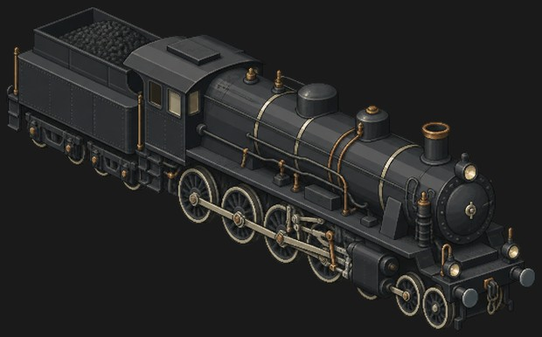 | no rear view yet | 6-8-0 as drawn (extra small wheel) | 11 | tender | tender | tender | tender | driver | driver | driver | driver | small (half hidden) | leading | leading |  |  |  |  |  | Tender rear bogie [tender]: 1-2 (swivelling bogie / truck sprite) Tender front bogie [tender]: 3-4 (swivelling bogie / truck sprite) Frame [engine]: 5-8 (rigid, drawn with the body; coupled drivers and rods) Extra wheel [engine]: 9 (drop from the art (image artefact); half hidden behind the cylinder) Leading bogie [engine]: 10-11 (swivelling bogie / truck sprite) | Keep it as drawn: 3-axle leading truck 9-11. | A third small wheel (9) is half hidden behind the cylinder, so three small wheels show ahead of the drivers. Game data says 4-8-0 (bogieStyle leading + mastodon). | plan: tender; bogieStyle: {"engine": ["leading", "mastodon"], "tender": "tender_truck"} | 4 | regular | medium | 2 | +2.0 | 4 |  | loco-mav424--9e670d54.png | mav424 | steam | R | 1.25 | 130 | 90 | 3 | 240 | 0.2275 | 360 | 0.26 |  |  |  |  |  |  | steam_std | black | iron 112, wood 56, stone 28, coal 42 | Age of Steam | 1924 Hungarian mixed-traffic 4-8-0, the Buffalo. Built until 1958. |  |  |  |  |  |  |  |  |  |  |  |  |  |  |  |  |  |  | tender | yes | engine: 1.25 tile length, 2 bogies of 2 axles each, pivot span 0.88 tiles; tender: 0.75 tile length, 2 bogies of 2 axles each, pivot span 0.49 tiles |  |  |  | 2 | retired - not in game | 2026-10-06: Model excluded from the demo roster at the owner's request. clip: engine just above its driving wheels, tender above its bogies; length_m: fill in (over buffers, engine + tender) | 3 | 2026-10-06: Retire this model for now. Earlier review: Seems to levitate on the rails (angle, or the wheels were not found).
36 | BR 9F | Battleship (XL) | Not in game (retired model). Existing saved copies remain compatible. | 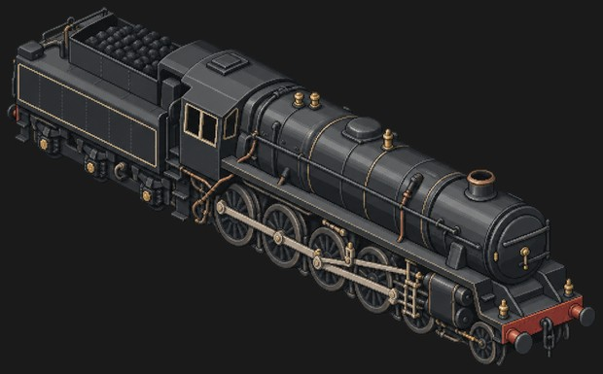 | no rear view yet | 2-10-0 + 3-axle tender | 9 | tender | tender | tender | driver | driver | driver | driver | driver | pony |  |  |  |  |  |  |  | Tender frame [tender]: 1-3 (rigid, drawn with the body; rigid six-wheel tender) Frame [engine]: 4-8 (rigid, drawn with the body; coupled drivers and rods) Pony truck [engine]: 9 (swivelling bogie / truck sprite) |  | Same as the rendered pilot-4 setup (nine_f_pony, tender 'none'). Driver 8 is partly behind the steps. | plan: tender; bogieStyle: {"engine": ["nine_f_pony", "none"], "tender": "none"}; pivots: {"engine": [0.477, -0.414]}; coupled: {"engine": -0.046}; pivotRatio: 0.68 | 4 | regular | medium | 2 | +2.0 | 4 |  | loco-nine-f--8ae80382.png | nine_f | steam | SR | 1.3 | 230 | 140 | 3 | 300 | 0.247 | 440 | 0.273 |  |  |  |  |  |  | steam_std | black | iron 160, wood 80, stone 40, coal 60 |  | 1954, ten-coupled heavy freight engine. The last steam class built in Britain. |  |  |  |  |  |  |  |  |  |  |  |  |  |  |  |  |  |  | tender | yes | engine: 1.25 tile length, 2 bogies of 2 axles each, pivot span 0.85 tiles; tender: 0.75 tile length, 2 bogies of 2 axles each, pivot span 0.49 tiles | 20.2 | 2.72 | 3.96 | 2 | retired - not in game | 2026-10-06: Model excluded from the demo roster at the owner's request. pilot 4: the longest coupled wheelbase (2-10-0) | 3 | 2026-10-06: Retire this model for now. Earlier review: Looks correct.
37 | EMD SD40-2 | Battleship (XL) | In game | 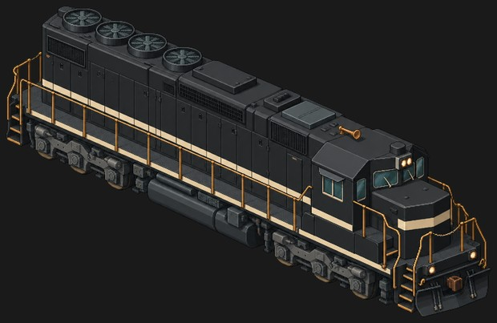 | no rear view yet | C-C | 6 | bogie | bogie | bogie | bogie | bogie | bogie |  |  |  |  |  |  |  |  |  |  | Rear truck [body]: 1-3 (swivelling bogie / truck sprite) Front truck [body]: 4-6 (swivelling bogie / truck sprite) |  | Same as the rendered pilot setup (sd40_front / sd40_rear). | plan: rigid; bogieStyle: {"body": ["sd40_front", "sd40_rear"]}; bogies: 2; bogieAxles: 3; pivots: {"body": [0.799, -0.824]} | 4 | regular | large | 2 | +2.0 | 4 |  | loco-sd40--6cbe0e61.png | sd40 | diesel | SR | 1.5 | 220 | 165 | 2 | 320 | 0.117 |  |  |  |  | emd |  |  |  | diesel_hood | black | iron 280, wood 120, stone 70, coal 100 | Diesel Era | 1972 six-axle road switcher. Nearly four thousand built, many still running. |  |  |  |  |  |  |  |  |  |  |  |  |  |  |  |  |  |  | rigid | yes | body: 2.00 tile length, 2 bogies of 3 axles each, pivot span 1.40 tiles | 20.9 | 3.12 | 4.72 | 3 | active |  | 3 | Contracted: longer. 2026-10-06, fleet: Stop mesh reshaping and bending sprites between headings. Align the whole reconstructed model rigidly, use one uniform scale, and render actual 3D headings. Review originals for 4, 18, 21 and 32 before a fleet rerender. Discuss far-side mirroring and gear widening first; rail gauge stays. Remaining faults where applicable: pulsing on turns, poor cut surfaces, split-looking fronts. Other individual models are accepted.
38 | Big Boy 4014 | Juggernaut (XXL) | In game | 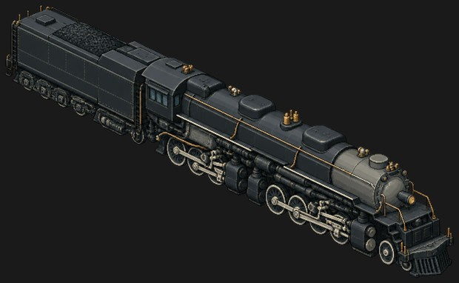 | no rear view yet | 4-8-6-2 visible (4-8-8-4 with hidden axles) | 16 | tender | tender | tender | tender | tender | tender | trailing | driver (rear engine) | driver (rear engine) | driver (rear engine) | driver (front engine) | driver (front engine) | driver (front engine) | driver (front engine) | leading | leading | Tender rear group [tender]: 1-4 (rigid, drawn with the body; in the tender frame) Tender front truck [tender]: 5-6 (swivelling bogie / truck sprite) Trailing truck [engine]: 7 (swivelling bogie / truck sprite; second trailing axle hidden under the cab) Rear engine [engine]: 8-10 (rigid, drawn with the body; fixed to the boiler frame) Front engine [engine]: 11-14 (swivelling bogie / truck sprite; articulated: swings under the boiler) Leading truck [engine]: 15-16 (swivelling bogie / truck sprite) | Current game plan (meyer): rigid frame on two pivoting units, rear 7-10 and front 11-16. | The image includes a tender (the brief said engine only). Only 3 rear-engine drivers and 1 trailing wheel are visible. | plan: meyer; bogieStyle: {"frame": ["bigboy_front", "bigboy_rear"]}; pivotRatio: 0.6 | 5 | regular | large | 3 | +2.0 | 5 |  | loco-big-boy--7946d185.png | big_boy | steam | SSR | 1.35 | 380 | 350 | 4 | 640 | 0.455 | 960 | 0.52 |  |  |  |  | yes |  | steam_std | black | iron 420, wood 180, stone 105, coal 150 | Age of Steam | 1941 Union Pacific 4-8-8-4. Articulated giant built to drag freight over the Wasatch. |  |  |  |  |  |  |  |  |  |  |  |  |  |  |  |  |  |  | meyer | no (high-speed only) | frame: 3.00 tile length, 2 pivoting engine units (3 axles each in the current game sprite), pivot span 1.80 tiles |  |  |  | 3 | queued (row commented) | clip: engine just above its driving wheels; length_m: fill in (over buffers) | 4 | 2026-10-06: Wheels are too small compared with the model. Owner arrangement, front to rear: one wheel pair behind the snowplough; four rod-coupled pairs as one bogie; three rod-coupled pairs as another bogie. Tender: two bogies of three pairs each. First pair behind the plough has uncertain attachment; omit it if its place can be patched. Earlier review: Angle is off. Too wide on Ladder B. 2026-10-06, fleet: Stop mesh reshaping and bending sprites between headings. Align the whole reconstructed model rigidly, use one uniform scale, and render actual 3D headings. Review originals for 4, 18, 21 and 32 before a fleet rerender. Discuss far-side mirroring and gear widening first; rail gauge stays. Remaining faults where applicable: pulsing on turns, poor cut surfaces, split-looking fronts. Other individual models are accepted.
39 | Koutetsujou (armoured train) | Juggernaut (XXL) | New (UR): not in the game yet | 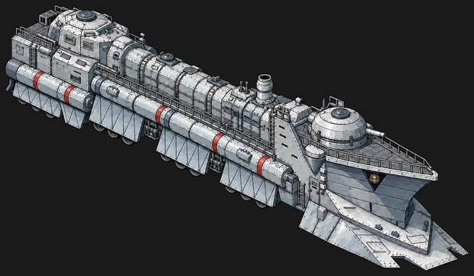 | 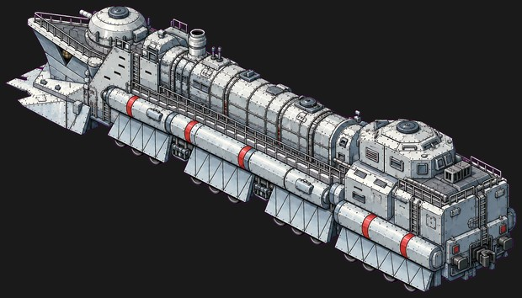 | Co'Co'Co'Co' (design spec: 4 × 3-axle bogies) | 12 | bogie | bogie | bogie | bogie | bogie | bogie | bogie | bogie | bogie | bogie | bogie | bogie |  |  |  |  | Rear bogie [body]: 1-3 (swivelling bogie / truck sprite; design spec) Rear-middle bogie [body]: 4-6 (swivelling bogie / truck sprite; design spec) Front-middle bogie [body]: 7-9 (swivelling bogie / truck sprite; design spec) Front bogie [body]: 10-12 (swivelling bogie / truck sprite; design spec, under the plough) | Keep the bogies behind the armour skirts and draw only the wheel bottoms; pivots unchanged. | Wheels come from your spec (6 tiles, 4 × 3-axle bogies). The model image hides them behind the armour skirts; the 18 variant images (gauge 15/25/35, 4x3, wheel layouts a/b/c) are compared on the 'Koutetsujou variants' sheet. Largest and most powerful loco: nuclear, slow, very high iron and fuel cost. |  | 6 | regular |  |  |  | 6 |  | loco-koutetsujou.png |  | nuclear | UR | 1 | 500 | 600 | 6 | 1200 | 0.9 |  |  |  |  |  |  |  |  | nuclear_armoured | steel | iron 1600, wood 120, stone 240, coal 400 |  | Koutetsujou (Kabaneri of the Iron Fortress). Nuclear armoured juggernaut: the strongest puller in the game. |  |  |  |  |  |  |  |  |  |  |  |  |  |  |  |  |  | Isometric pixel-art game sprite of a huge armoured nuclear locomotive inspired by the Koutetsujou from Kabaneri of the Iron Fortress, 6 tiles long. Riveted steel-grey armour, a massive wedge-shaped plough and prow at the front, a domed turret on top, long armour skirts hiding four 3-axle bogies with only the wheel bottoms showing, cylindrical side tanks with red bands, railings and ladders. Same style and camera as the existing Terepasztal loco sprites: 2:1 isometric view from about 30 degrees above, the locomotive straight and level, running diagonally from the upper left (rear) to the lower right (front), one long side and the front end visible, whole locomotive in frame with a margin. Crisp detailed pixel art, matte colours, near-black background with a soft cold blue glow around the model. No track, no ground, no smoke or steam, no people, no text, numbers or logos. 1536x1024 PNG. |  |  |  |  |  |  |  |  |  | 4 | Angle is off.

Bogie types
Bogie types for the video route: one bogie-only image and orbit video per type
Every swivelling group in the Locomotives sheet is covered (62 groups, 40 types). Sharing is never across locos; within a loco only where the drawn trucks are the same design. 'reversed' = the other position uses the same video turned 180 degrees. Yellow cells: your decision. Image file goes next to the loco's image.

# | Bogie type | Locomotive | Loco picture | Covers (groups) | Axles | Wheels | Positions / sharing | Needed | Look | Image file to make | Prompt (attach the loco image as reference) | OK?
1 | black_five_leading | LMS Black Five | 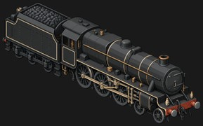 | Leading bogie | 2 | small spoked | front of the engine | yes | plate-framed 4-wheel leading bogie, black, under the cylinders | 3/bogie-black_five_leading.png | Isometric pixel-art game sprite of the plate-framed 4-wheel leading bogie, black, under the cylinders of the LMS Black Five, on its own: the 2-axle steam locomotive truck that runs under this locomotive, WITHOUT the locomotive body, couplers or buffers. Same pixel-art style, colours, lighting and camera as the attached locomotive sprite: 2:1 isometric view from about 30 degrees above, the bogie's front pointing to the lower right, one long side and the front end visible. Show it complete and symmetric across its width: 2 wheel sets (small spoked wheels), axle boxes, springs and frame, nothing hidden. The whole bogie centred in frame with a wide margin. Flat pure magenta background (#FF00FF), no shadow, no glow, no track, no rails, no ground, no text. 1536x1024 PNG.
2 | crocodile_pony | SBB Ce 6/8 Crocodile |  | Rear pony, Front pony | 1 | small spoked | front pony; rear pony = reversed | yes | single-axle pony truck on a radius arm, brown/black | 3/bogie-crocodile_pony.png | Isometric pixel-art game sprite of the single-axle pony truck on a radius arm, brown/black of the SBB Ce 6/8 Crocodile, on its own: the 1-axle steam locomotive truck that runs under this locomotive, WITHOUT the locomotive body, couplers or buffers. Same pixel-art style, colours, lighting and camera as the attached locomotive sprite: 2:1 isometric view from about 30 degrees above, the bogie's front pointing to the lower right, one long side and the front end visible. Show it complete and symmetric across its width: 1 wheel sets (small spoked wheels), axle boxes, springs and frame, nothing hidden. The whole bogie centred in frame with a wide margin. Flat pure magenta background (#FF00FF), no shadow, no glow, no track, no rails, no ground, no text. 1536x1024 PNG.
3 | deltic_bogie | Deltic Class 55 |  | Rear bogie, Front bogie | 3 | disc | front and rear (same truck) | yes | 3-axle Co bogie, dark grey frame, axle boxes, springs | 3/bogie-deltic_bogie.png | Isometric pixel-art game sprite of the 3-axle Co bogie, dark grey frame, axle boxes, springs of the Deltic Class 55, on its own: the 3-axle locomotive bogie that runs under this locomotive, WITHOUT the locomotive body, couplers or buffers. Same pixel-art style, colours, lighting and camera as the attached locomotive sprite: 2:1 isometric view from about 30 degrees above, the bogie's front pointing to the lower right, one long side and the front end visible. Show it complete and symmetric across its width: 3 wheel sets (disc wheels), axle boxes, springs and frame, nothing hidden. The whole bogie centred in frame with a wide margin. Flat pure magenta background (#FF00FF), no shadow, no glow, no track, no rails, no ground, no text. 1536x1024 PNG.
4 | drg01_leading | DRG Class 01 |  | Leading bogie | 2 | small spoked | front of the engine | yes | 4-wheel leading bogie, red frame | 3/bogie-drg01_leading.png | Isometric pixel-art game sprite of the 4-wheel leading bogie, red frame of the DRG Class 01, on its own: the 2-axle steam locomotive truck that runs under this locomotive, WITHOUT the locomotive body, couplers or buffers. Same pixel-art style, colours, lighting and camera as the attached locomotive sprite: 2:1 isometric view from about 30 degrees above, the bogie's front pointing to the lower right, one long side and the front end visible. Show it complete and symmetric across its width: 2 wheel sets (small spoked wheels), axle boxes, springs and frame, nothing hidden. The whole bogie centred in frame with a wide margin. Flat pure magenta background (#FF00FF), no shadow, no glow, no track, no rails, no ground, no text. 1536x1024 PNG.
5 | drg01_trailing | DRG Class 01 |  | Trailing truck | 1 | spoked | under the cab | yes | single-axle trailing truck, red frame | 3/bogie-drg01_trailing.png | Isometric pixel-art game sprite of the single-axle trailing truck, red frame of the DRG Class 01, on its own: the 1-axle steam locomotive truck that runs under this locomotive, WITHOUT the locomotive body, couplers or buffers. Same pixel-art style, colours, lighting and camera as the attached locomotive sprite: 2:1 isometric view from about 30 degrees above, the bogie's front pointing to the lower right, one long side and the front end visible. Show it complete and symmetric across its width: 1 wheel sets (spoked wheels), axle boxes, springs and frame, nothing hidden. The whole bogie centred in frame with a wide margin. Flat pure magenta background (#FF00FF), no shadow, no glow, no track, no rails, no ground, no text. 1536x1024 PNG.
6 | drg01_tender | DRG Class 01 |  | Tender rear bogie, Tender front bogie | 2 | disc | both tender bogies | yes | 2-axle tender bogie, red bar frame | 3/bogie-drg01_tender.png | Isometric pixel-art game sprite of the 2-axle tender bogie, red bar frame of the DRG Class 01, on its own: the 2-axle tender bogie that runs under this locomotive, WITHOUT the locomotive body, couplers or buffers. Same pixel-art style, colours, lighting and camera as the attached locomotive sprite: 2:1 isometric view from about 30 degrees above, the bogie's front pointing to the lower right, one long side and the front end visible. Show it complete and symmetric across its width: 2 wheel sets (disc wheels), axle boxes, springs and frame, nothing hidden. The whole bogie centred in frame with a wide margin. Flat pure magenta background (#FF00FF), no shadow, no glow, no track, no rails, no ground, no text. 1536x1024 PNG.
7 | f7_truck | EMD F7 |  | Rear truck, Front truck | 2 | disc | front and rear (same Blomberg B truck) | yes | EMD Blomberg B 2-axle truck, dark grey | 3/bogie-f7_truck.png | Isometric pixel-art game sprite of the EMD Blomberg B 2-axle truck, dark grey of the EMD F7, on its own: the 2-axle locomotive bogie that runs under this locomotive, WITHOUT the locomotive body, couplers or buffers. Same pixel-art style, colours, lighting and camera as the attached locomotive sprite: 2:1 isometric view from about 30 degrees above, the bogie's front pointing to the lower right, one long side and the front end visible. Show it complete and symmetric across its width: 2 wheel sets (disc wheels), axle boxes, springs and frame, nothing hidden. The whole bogie centred in frame with a wide margin. Flat pure magenta background (#FF00FF), no shadow, no glow, no track, no rails, no ground, no text. 1536x1024 PNG.
8 | flying_scotsman_leading | Flying Scotsman |  | Leading bogie | 2 | small spoked | front of the engine | yes | 4-wheel leading bogie, black frame | 3/bogie-flying_scotsman_leading.png | Isometric pixel-art game sprite of the 4-wheel leading bogie, black frame of the Flying Scotsman, on its own: the 2-axle steam locomotive truck that runs under this locomotive, WITHOUT the locomotive body, couplers or buffers. Same pixel-art style, colours, lighting and camera as the attached locomotive sprite: 2:1 isometric view from about 30 degrees above, the bogie's front pointing to the lower right, one long side and the front end visible. Show it complete and symmetric across its width: 2 wheel sets (small spoked wheels), axle boxes, springs and frame, nothing hidden. The whole bogie centred in frame with a wide margin. Flat pure magenta background (#FF00FF), no shadow, no glow, no track, no rails, no ground, no text. 1536x1024 PNG.
9 | flying_scotsman_trailing | Flying Scotsman |  | Trailing truck | 1 | spoked | under the cab | yes | Cartazzi single-axle trailing truck | 3/bogie-flying_scotsman_trailing.png | Isometric pixel-art game sprite of the Cartazzi single-axle trailing truck of the Flying Scotsman, on its own: the 1-axle steam locomotive truck that runs under this locomotive, WITHOUT the locomotive body, couplers or buffers. Same pixel-art style, colours, lighting and camera as the attached locomotive sprite: 2:1 isometric view from about 30 degrees above, the bogie's front pointing to the lower right, one long side and the front end visible. Show it complete and symmetric across its width: 1 wheel sets (spoked wheels), axle boxes, springs and frame, nothing hidden. The whole bogie centred in frame with a wide margin. Flat pure magenta background (#FF00FF), no shadow, no glow, no track, no rails, no ground, no text. 1536x1024 PNG.
10 | ice1_bogie | ICE 1 |  | Rear bogie, Front bogie | 2 | disc | front and rear (same truck) | yes | modern 2-axle power-car bogie, coil springs, grey | 3/bogie-ice1_bogie.png | Isometric pixel-art game sprite of the modern 2-axle power-car bogie, coil springs, grey of the ICE 1, on its own: the 2-axle locomotive bogie that runs under this locomotive, WITHOUT the locomotive body, couplers or buffers. Same pixel-art style, colours, lighting and camera as the attached locomotive sprite: 2:1 isometric view from about 30 degrees above, the bogie's front pointing to the lower right, one long side and the front end visible. Show it complete and symmetric across its width: 2 wheel sets (disc wheels), axle boxes, springs and frame, nothing hidden. The whole bogie centred in frame with a wide margin. Flat pure magenta background (#FF00FF), no shadow, no glow, no track, no rails, no ground, no text. 1536x1024 PNG.
11 | k4s_leading | PRR K4s |  | Leading bogie | 2 | small spoked | front of the engine | yes | 4-wheel leading bogie | 3/bogie-k4s_leading.png | Isometric pixel-art game sprite of the 4-wheel leading bogie of the PRR K4s, on its own: the 2-axle steam locomotive truck that runs under this locomotive, WITHOUT the locomotive body, couplers or buffers. Same pixel-art style, colours, lighting and camera as the attached locomotive sprite: 2:1 isometric view from about 30 degrees above, the bogie's front pointing to the lower right, one long side and the front end visible. Show it complete and symmetric across its width: 2 wheel sets (small spoked wheels), axle boxes, springs and frame, nothing hidden. The whole bogie centred in frame with a wide margin. Flat pure magenta background (#FF00FF), no shadow, no glow, no track, no rails, no ground, no text. 1536x1024 PNG.
12 | k4s_trailing | PRR K4s |  | Trailing truck | 1 | spoked | under the cab | yes | Delta single-axle trailing truck | 3/bogie-k4s_trailing.png | Isometric pixel-art game sprite of the Delta single-axle trailing truck of the PRR K4s, on its own: the 1-axle steam locomotive truck that runs under this locomotive, WITHOUT the locomotive body, couplers or buffers. Same pixel-art style, colours, lighting and camera as the attached locomotive sprite: 2:1 isometric view from about 30 degrees above, the bogie's front pointing to the lower right, one long side and the front end visible. Show it complete and symmetric across its width: 1 wheel sets (spoked wheels), axle boxes, springs and frame, nothing hidden. The whole bogie centred in frame with a wide margin. Flat pure magenta background (#FF00FF), no shadow, no glow, no track, no rails, no ground, no text. 1536x1024 PNG.
13 | k4s_tender | PRR K4s |  | Tender rear truck, Tender front truck | 2 | disc | both tender trucks | yes | 2-axle tender truck | 3/bogie-k4s_tender.png | Isometric pixel-art game sprite of the 2-axle tender truck of the PRR K4s, on its own: the 2-axle tender bogie that runs under this locomotive, WITHOUT the locomotive body, couplers or buffers. Same pixel-art style, colours, lighting and camera as the attached locomotive sprite: 2:1 isometric view from about 30 degrees above, the bogie's front pointing to the lower right, one long side and the front end visible. Show it complete and symmetric across its width: 2 wheel sets (disc wheels), axle boxes, springs and frame, nothing hidden. The whole bogie centred in frame with a wide margin. Flat pure magenta background (#FF00FF), no shadow, no glow, no track, no rails, no ground, no text. 1536x1024 PNG.
14 | m62_bogie | M62 Szergej | 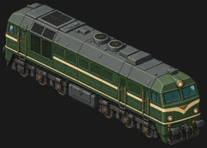 | Rear bogie, Front bogie | 3 | disc | front and rear (same truck) | yes | 3-axle Co bogie, dark frame, coil springs | 3/bogie-m62_bogie.png | Isometric pixel-art game sprite of the 3-axle Co bogie, dark frame, coil springs of the M62 Szergej, on its own: the 3-axle locomotive bogie that runs under this locomotive, WITHOUT the locomotive body, couplers or buffers. Same pixel-art style, colours, lighting and camera as the attached locomotive sprite: 2:1 isometric view from about 30 degrees above, the bogie's front pointing to the lower right, one long side and the front end visible. Show it complete and symmetric across its width: 3 wheel sets (disc wheels), axle boxes, springs and frame, nothing hidden. The whole bogie centred in frame with a wide margin. Flat pure magenta background (#FF00FF), no shadow, no glow, no track, no rails, no ground, no text. 1536x1024 PNG.
15 | mallard_leading | Mallard |  | Leading bogie | 2 | small spoked | front of the engine | yes | 4-wheel leading bogie, red wheels | 3/bogie-mallard_leading.png | Isometric pixel-art game sprite of the 4-wheel leading bogie, red wheels of the Mallard, on its own: the 2-axle steam locomotive truck that runs under this locomotive, WITHOUT the locomotive body, couplers or buffers. Same pixel-art style, colours, lighting and camera as the attached locomotive sprite: 2:1 isometric view from about 30 degrees above, the bogie's front pointing to the lower right, one long side and the front end visible. Show it complete and symmetric across its width: 2 wheel sets (small spoked wheels), axle boxes, springs and frame, nothing hidden. The whole bogie centred in frame with a wide margin. Flat pure magenta background (#FF00FF), no shadow, no glow, no track, no rails, no ground, no text. 1536x1024 PNG.
16 | mallard_trailing | Mallard |  | Trailing truck | 1 | spoked | under the cab | yes | Cartazzi trailing truck, red wheel | 3/bogie-mallard_trailing.png | Isometric pixel-art game sprite of the Cartazzi trailing truck, red wheel of the Mallard, on its own: the 1-axle steam locomotive truck that runs under this locomotive, WITHOUT the locomotive body, couplers or buffers. Same pixel-art style, colours, lighting and camera as the attached locomotive sprite: 2:1 isometric view from about 30 degrees above, the bogie's front pointing to the lower right, one long side and the front end visible. Show it complete and symmetric across its width: 1 wheel sets (spoked wheels), axle boxes, springs and frame, nothing hidden. The whole bogie centred in frame with a wide margin. Flat pure magenta background (#FF00FF), no shadow, no glow, no track, no rails, no ground, no text. 1536x1024 PNG.
17 | re460_bogie | SBB Re 460 |  | Rear bogie, Front bogie | 2 | disc | front and rear (same truck) | yes | modern 2-axle bogie, coil springs | 3/bogie-re460_bogie.png | Isometric pixel-art game sprite of the modern 2-axle bogie, coil springs of the SBB Re 460, on its own: the 2-axle locomotive bogie that runs under this locomotive, WITHOUT the locomotive body, couplers or buffers. Same pixel-art style, colours, lighting and camera as the attached locomotive sprite: 2:1 isometric view from about 30 degrees above, the bogie's front pointing to the lower right, one long side and the front end visible. Show it complete and symmetric across its width: 2 wheel sets (disc wheels), axle boxes, springs and frame, nothing hidden. The whole bogie centred in frame with a wide margin. Flat pure magenta background (#FF00FF), no shadow, no glow, no track, no rails, no ground, no text. 1536x1024 PNG.
18 | taurus_bogie | ÖBB 1116 Taurus |  | Rear bogie, Front bogie | 2 | disc | front and rear (same truck) | yes | modern 2-axle bogie, coil springs, grey | 3/bogie-taurus_bogie.png | Isometric pixel-art game sprite of the modern 2-axle bogie, coil springs, grey of the ÖBB 1116 Taurus, on its own: the 2-axle locomotive bogie that runs under this locomotive, WITHOUT the locomotive body, couplers or buffers. Same pixel-art style, colours, lighting and camera as the attached locomotive sprite: 2:1 isometric view from about 30 degrees above, the bogie's front pointing to the lower right, one long side and the front end visible. Show it complete and symmetric across its width: 2 wheel sets (disc wheels), axle boxes, springs and frame, nothing hidden. The whole bogie centred in frame with a wide margin. Flat pure magenta background (#FF00FF), no shadow, no glow, no track, no rails, no ground, no text. 1536x1024 PNG.
19 | tgv_bogie | TGV Sud-Est |  | Rear bogie, Front bogie | 2 | disc | front and rear (same truck) | yes | TGV power-car Y230 2-axle bogie | 3/bogie-tgv_bogie.png | Isometric pixel-art game sprite of the TGV power-car Y230 2-axle bogie of the TGV Sud-Est, on its own: the 2-axle locomotive bogie that runs under this locomotive, WITHOUT the locomotive body, couplers or buffers. Same pixel-art style, colours, lighting and camera as the attached locomotive sprite: 2:1 isometric view from about 30 degrees above, the bogie's front pointing to the lower right, one long side and the front end visible. Show it complete and symmetric across its width: 2 wheel sets (disc wheels), axle boxes, springs and frame, nothing hidden. The whole bogie centred in frame with a wide margin. Flat pure magenta background (#FF00FF), no shadow, no glow, no track, no rails, no ground, no text. 1536x1024 PNG.
20 | v63_bogie | V63 Gigant | 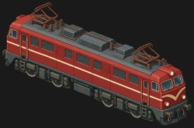 | Rear bogie, Front bogie | 2 | disc | front and rear (same truck) | yes | 2-axle bogie as drawn (prototype Co-Co: the art shows 2 wheels per bogie) | 3/bogie-v63_bogie.png | Isometric pixel-art game sprite of the 2-axle bogie as drawn (prototype Co-Co: the art shows 2 wheels per bogie) of the V63 Gigant, on its own: the 2-axle locomotive bogie that runs under this locomotive, WITHOUT the locomotive body, couplers or buffers. Same pixel-art style, colours, lighting and camera as the attached locomotive sprite: 2:1 isometric view from about 30 degrees above, the bogie's front pointing to the lower right, one long side and the front end visible. Show it complete and symmetric across its width: 2 wheel sets (disc wheels), axle boxes, springs and frame, nothing hidden. The whole bogie centred in frame with a wide margin. Flat pure magenta background (#FF00FF), no shadow, no glow, no track, no rails, no ground, no text. 1536x1024 PNG.
21 | daylight_leading | SP 4449 Daylight |  | Leading bogie | 2 | small spoked | front of the engine | yes | 4-wheel leading bogie | 4/bogie-daylight_leading.png | Isometric pixel-art game sprite of the 4-wheel leading bogie of the SP 4449 Daylight, on its own: the 2-axle steam locomotive truck that runs under this locomotive, WITHOUT the locomotive body, couplers or buffers. Same pixel-art style, colours, lighting and camera as the attached locomotive sprite: 2:1 isometric view from about 30 degrees above, the bogie's front pointing to the lower right, one long side and the front end visible. Show it complete and symmetric across its width: 2 wheel sets (small spoked wheels), axle boxes, springs and frame, nothing hidden. The whole bogie centred in frame with a wide margin. Flat pure magenta background (#FF00FF), no shadow, no glow, no track, no rails, no ground, no text. 1536x1024 PNG.
22 | daylight_trailing | SP 4449 Daylight |  | Trailing truck | 2 | spoked | under the cab | yes | 4-wheel trailing truck | 4/bogie-daylight_trailing.png | Isometric pixel-art game sprite of the 4-wheel trailing truck of the SP 4449 Daylight, on its own: the 2-axle steam locomotive truck that runs under this locomotive, WITHOUT the locomotive body, couplers or buffers. Same pixel-art style, colours, lighting and camera as the attached locomotive sprite: 2:1 isometric view from about 30 degrees above, the bogie's front pointing to the lower right, one long side and the front end visible. Show it complete and symmetric across its width: 2 wheel sets (spoked wheels), axle boxes, springs and frame, nothing hidden. The whole bogie centred in frame with a wide margin. Flat pure magenta background (#FF00FF), no shadow, no glow, no track, no rails, no ground, no text. 1536x1024 PNG.
23 | daylight_tender_rear | SP 4449 Daylight |  | Tender rear truck | 3 | disc | tender rear (3 axles as drawn) | yes | 3-axle tender truck, cast frame | 4/bogie-daylight_tender_rear.png | Isometric pixel-art game sprite of the 3-axle tender truck, cast frame of the SP 4449 Daylight, on its own: the 3-axle tender bogie that runs under this locomotive, WITHOUT the locomotive body, couplers or buffers. Same pixel-art style, colours, lighting and camera as the attached locomotive sprite: 2:1 isometric view from about 30 degrees above, the bogie's front pointing to the lower right, one long side and the front end visible. Show it complete and symmetric across its width: 3 wheel sets (disc wheels), axle boxes, springs and frame, nothing hidden. The whole bogie centred in frame with a wide margin. Flat pure magenta background (#FF00FF), no shadow, no glow, no track, no rails, no ground, no text. 1536x1024 PNG.
24 | daylight_tender_front | SP 4449 Daylight |  | Tender front truck | 2 | disc | tender front (2 axles as drawn) | yes | 2-axle tender truck (drawn 3+2: confirm against the video) | 4/bogie-daylight_tender_front.png | Isometric pixel-art game sprite of the 2-axle tender truck (drawn 3+2: confirm against the video) of the SP 4449 Daylight, on its own: the 2-axle tender bogie that runs under this locomotive, WITHOUT the locomotive body, couplers or buffers. Same pixel-art style, colours, lighting and camera as the attached locomotive sprite: 2:1 isometric view from about 30 degrees above, the bogie's front pointing to the lower right, one long side and the front end visible. Show it complete and symmetric across its width: 2 wheel sets (disc wheels), axle boxes, springs and frame, nothing hidden. The whole bogie centred in frame with a wide margin. Flat pure magenta background (#FF00FF), no shadow, no glow, no track, no rails, no ground, no text. 1536x1024 PNG.
25 | dda40x_truck | DDA40X Centennial |  | Rear truck, Middle truck, Front truck | 3 | disc | all three (same truck, as drawn C-C-C) | yes | 3-axle truck as drawn; the game data says 2 x 4-axle D trucks: decide which before the image | 4/bogie-dda40x_truck.png | Isometric pixel-art game sprite of the 3-axle truck as drawn; the game data says 2 x 4-axle D trucks: decide which before the image of the DDA40X Centennial, on its own: the 3-axle locomotive bogie that runs under this locomotive, WITHOUT the locomotive body, couplers or buffers. Same pixel-art style, colours, lighting and camera as the attached locomotive sprite: 2:1 isometric view from about 30 degrees above, the bogie's front pointing to the lower right, one long side and the front end visible. Show it complete and symmetric across its width: 3 wheel sets (disc wheels), axle boxes, springs and frame, nothing hidden. The whole bogie centred in frame with a wide margin. Flat pure magenta background (#FF00FF), no shadow, no glow, no track, no rails, no ground, no text. 1536x1024 PNG.
26 | gg1_unit | PRR GG1 |  | Front running gear, Rear running gear | 5 | drivers + guide | front unit; rear unit = reversed | yes | 2-axle guide truck + 3 coupled drivers on one frame | 4/bogie-gg1_unit.png | Isometric pixel-art game sprite of the 2-axle guide truck + 3 coupled drivers on one frame of the PRR GG1, on its own: the 5-axle engine unit that runs under this locomotive, WITHOUT the locomotive body, couplers or buffers. Same pixel-art style, colours, lighting and camera as the attached locomotive sprite: 2:1 isometric view from about 30 degrees above, the bogie's front pointing to the lower right, one long side and the front end visible. Show it complete and symmetric across its width: 5 wheel sets (drivers + guide wheels), axle boxes, springs and frame, nothing hidden. The whole bogie centred in frame with a wide margin. Flat pure magenta background (#FF00FF), no shadow, no glow, no track, no rails, no ground, no text. 1536x1024 PNG.
27 | mav424_leading | MÁV 424 Bivaly |  | Leading bogie | 2 | small spoked | front of the engine | yes | 4-wheel leading bogie, red wheels | 4/bogie-mav424_leading.png | Isometric pixel-art game sprite of the 4-wheel leading bogie, red wheels of the MÁV 424 Bivaly, on its own: the 2-axle steam locomotive truck that runs under this locomotive, WITHOUT the locomotive body, couplers or buffers. Same pixel-art style, colours, lighting and camera as the attached locomotive sprite: 2:1 isometric view from about 30 degrees above, the bogie's front pointing to the lower right, one long side and the front end visible. Show it complete and symmetric across its width: 2 wheel sets (small spoked wheels), axle boxes, springs and frame, nothing hidden. The whole bogie centred in frame with a wide margin. Flat pure magenta background (#FF00FF), no shadow, no glow, no track, no rails, no ground, no text. 1536x1024 PNG.
28 | mav424_tender | MÁV 424 Bivaly |  | Tender rear bogie, Tender front bogie | 2 | disc | both tender bogies | yes | 2-axle tender bogie | 4/bogie-mav424_tender.png | Isometric pixel-art game sprite of the 2-axle tender bogie of the MÁV 424 Bivaly, on its own: the 2-axle tender bogie that runs under this locomotive, WITHOUT the locomotive body, couplers or buffers. Same pixel-art style, colours, lighting and camera as the attached locomotive sprite: 2:1 isometric view from about 30 degrees above, the bogie's front pointing to the lower right, one long side and the front end visible. Show it complete and symmetric across its width: 2 wheel sets (disc wheels), axle boxes, springs and frame, nothing hidden. The whole bogie centred in frame with a wide margin. Flat pure magenta background (#FF00FF), no shadow, no glow, no track, no rails, no ground, no text. 1536x1024 PNG.
29 | nine_f_pony | BR 9F |  | Pony truck | 1 | small spoked | front of the engine | yes | single-axle pony truck | 4/bogie-nine_f_pony.png | Isometric pixel-art game sprite of the single-axle pony truck of the BR 9F, on its own: the 1-axle steam locomotive truck that runs under this locomotive, WITHOUT the locomotive body, couplers or buffers. Same pixel-art style, colours, lighting and camera as the attached locomotive sprite: 2:1 isometric view from about 30 degrees above, the bogie's front pointing to the lower right, one long side and the front end visible. Show it complete and symmetric across its width: 1 wheel sets (small spoked wheels), axle boxes, springs and frame, nothing hidden. The whole bogie centred in frame with a wide margin. Flat pure magenta background (#FF00FF), no shadow, no glow, no track, no rails, no ground, no text. 1536x1024 PNG.
30 | sd40_truck | EMD SD40-2 |  | Rear truck, Front truck | 3 | disc | front and rear (same Flexicoil C truck) | yes | EMD HT-C 3-axle truck | 4/bogie-sd40_truck.png | Isometric pixel-art game sprite of the EMD HT-C 3-axle truck of the EMD SD40-2, on its own: the 3-axle locomotive bogie that runs under this locomotive, WITHOUT the locomotive body, couplers or buffers. Same pixel-art style, colours, lighting and camera as the attached locomotive sprite: 2:1 isometric view from about 30 degrees above, the bogie's front pointing to the lower right, one long side and the front end visible. Show it complete and symmetric across its width: 3 wheel sets (disc wheels), axle boxes, springs and frame, nothing hidden. The whole bogie centred in frame with a wide margin. Flat pure magenta background (#FF00FF), no shadow, no glow, no track, no rails, no ground, no text. 1536x1024 PNG.
31 | big_boy_leading | Big Boy 4014 |  | Leading truck | 2 | small spoked | front of the front engine | yes | 4-wheel leading truck | 5/bogie-big_boy_leading.png | Isometric pixel-art game sprite of the 4-wheel leading truck of the Big Boy 4014, on its own: the 2-axle steam locomotive truck that runs under this locomotive, WITHOUT the locomotive body, couplers or buffers. Same pixel-art style, colours, lighting and camera as the attached locomotive sprite: 2:1 isometric view from about 30 degrees above, the bogie's front pointing to the lower right, one long side and the front end visible. Show it complete and symmetric across its width: 2 wheel sets (small spoked wheels), axle boxes, springs and frame, nothing hidden. The whole bogie centred in frame with a wide margin. Flat pure magenta background (#FF00FF), no shadow, no glow, no track, no rails, no ground, no text. 1536x1024 PNG.
32 | big_boy_trailing | Big Boy 4014 |  | Trailing truck | 2 | spoked | under the firebox (2 axles, 1 visible) | yes | 4-wheel trailing truck | 5/bogie-big_boy_trailing.png | Isometric pixel-art game sprite of the 4-wheel trailing truck of the Big Boy 4014, on its own: the 2-axle steam locomotive truck that runs under this locomotive, WITHOUT the locomotive body, couplers or buffers. Same pixel-art style, colours, lighting and camera as the attached locomotive sprite: 2:1 isometric view from about 30 degrees above, the bogie's front pointing to the lower right, one long side and the front end visible. Show it complete and symmetric across its width: 2 wheel sets (spoked wheels), axle boxes, springs and frame, nothing hidden. The whole bogie centred in frame with a wide margin. Flat pure magenta background (#FF00FF), no shadow, no glow, no track, no rails, no ground, no text. 1536x1024 PNG.
33 | big_boy_front_engine | Big Boy 4014 |  | Front engine | 4 | drivers | the articulated front engine unit | yes | 4 coupled drivers with cylinders and rods on their own frame | 5/bogie-big_boy_front_engine.png | Isometric pixel-art game sprite of the 4 coupled drivers with cylinders and rods on their own frame of the Big Boy 4014, on its own: the 4-axle engine unit that runs under this locomotive, WITHOUT the locomotive body, couplers or buffers. Same pixel-art style, colours, lighting and camera as the attached locomotive sprite: 2:1 isometric view from about 30 degrees above, the bogie's front pointing to the lower right, one long side and the front end visible. Show it complete and symmetric across its width: 4 wheel sets (drivers wheels), axle boxes, springs and frame, nothing hidden. The whole bogie centred in frame with a wide margin. Flat pure magenta background (#FF00FF), no shadow, no glow, no track, no rails, no ground, no text. 1536x1024 PNG.
34 | big_boy_tender | Big Boy 4014 |  | Tender front truck | 2 | disc | tender front truck | yes | 2-axle tender truck | 5/bogie-big_boy_tender.png | Isometric pixel-art game sprite of the 2-axle tender truck of the Big Boy 4014, on its own: the 2-axle tender bogie that runs under this locomotive, WITHOUT the locomotive body, couplers or buffers. Same pixel-art style, colours, lighting and camera as the attached locomotive sprite: 2:1 isometric view from about 30 degrees above, the bogie's front pointing to the lower right, one long side and the front end visible. Show it complete and symmetric across its width: 2 wheel sets (disc wheels), axle boxes, springs and frame, nothing hidden. The whole bogie centred in frame with a wide margin. Flat pure magenta background (#FF00FF), no shadow, no glow, no track, no rails, no ground, no text. 1536x1024 PNG.
35 | koutetsujou_bogie | Koutetsujou (armoured train) |  | Rear bogie, Rear-middle bogie, Front-middle bogie, Front bogie | 3 | disc | all four (same truck) | yes | heavy 3-axle armoured-train bogie (mostly behind skirts) | 6/bogie-koutetsujou_bogie.png | Isometric pixel-art game sprite of the heavy 3-axle armoured-train bogie (mostly behind skirts) of the Koutetsujou (armoured train), on its own: the 3-axle locomotive bogie that runs under this locomotive, WITHOUT the locomotive body, couplers or buffers. Same pixel-art style, colours, lighting and camera as the attached locomotive sprite: 2:1 isometric view from about 30 degrees above, the bogie's front pointing to the lower right, one long side and the front end visible. Show it complete and symmetric across its width: 3 wheel sets (disc wheels), axle boxes, springs and frame, nothing hidden. The whole bogie centred in frame with a wide margin. Flat pure magenta background (#FF00FF), no shadow, no glow, no track, no rails, no ground, no text. 1536x1024 PNG.
36 | general_leading | The General |  | Leading truck | 2 | small spoked | front of the engine | if size 2+ | 4-wheel leading truck | 2/bogie-general_leading.png | Isometric pixel-art game sprite of the 4-wheel leading truck of the The General, on its own: the 2-axle steam locomotive truck that runs under this locomotive, WITHOUT the locomotive body, couplers or buffers. Same pixel-art style, colours, lighting and camera as the attached locomotive sprite: 2:1 isometric view from about 30 degrees above, the bogie's front pointing to the lower right, one long side and the front end visible. Show it complete and symmetric across its width: 2 wheel sets (small spoked wheels), axle boxes, springs and frame, nothing hidden. The whole bogie centred in frame with a wide margin. Flat pure magenta background (#FF00FF), no shadow, no glow, no track, no rails, no ground, no text. 1536x1024 PNG.
37 | jupiter_leading | Jupiter |  | Leading truck | 2 | small spoked | front of the engine | if size 2+ | 4-wheel leading truck | 2/bogie-jupiter_leading.png | Isometric pixel-art game sprite of the 4-wheel leading truck of the Jupiter, on its own: the 2-axle steam locomotive truck that runs under this locomotive, WITHOUT the locomotive body, couplers or buffers. Same pixel-art style, colours, lighting and camera as the attached locomotive sprite: 2:1 isometric view from about 30 degrees above, the bogie's front pointing to the lower right, one long side and the front end visible. Show it complete and symmetric across its width: 2 wheel sets (small spoked wheels), axle boxes, springs and frame, nothing hidden. The whole bogie centred in frame with a wide margin. Flat pure magenta background (#FF00FF), no shadow, no glow, no track, no rails, no ground, no text. 1536x1024 PNG.
38 | sw1_truck | EMD SW1 |  | Rear bogie, Front bogie | 2 | disc | front and rear (same truck) | if size 2+ | AAR-A 2-axle truck | 2/bogie-sw1_truck.png | Isometric pixel-art game sprite of the AAR-A 2-axle truck of the EMD SW1, on its own: the 2-axle locomotive bogie that runs under this locomotive, WITHOUT the locomotive body, couplers or buffers. Same pixel-art style, colours, lighting and camera as the attached locomotive sprite: 2:1 isometric view from about 30 degrees above, the bogie's front pointing to the lower right, one long side and the front end visible. Show it complete and symmetric across its width: 2 wheel sets (disc wheels), axle boxes, springs and frame, nothing hidden. The whole bogie centred in frame with a wide margin. Flat pure magenta background (#FF00FF), no shadow, no glow, no track, no rails, no ground, no text. 1536x1024 PNG.
39 | mk45_bogie | MÁV Mk45 |  | Rear bogie, Front bogie | 2 | disc | front and rear (same truck) | if size 2+ | narrow-gauge 2-axle bogie | 1/Narrow/MK45/bogie-mk45_bogie.png | Isometric pixel-art game sprite of the narrow-gauge 2-axle bogie of the MÁV Mk45, on its own: the 2-axle locomotive bogie that runs under this locomotive, WITHOUT the locomotive body, couplers or buffers. Same pixel-art style, colours, lighting and camera as the attached locomotive sprite: 2:1 isometric view from about 30 degrees above, the bogie's front pointing to the lower right, one long side and the front end visible. Show it complete and symmetric across its width: 2 wheel sets (disc wheels), axle boxes, springs and frame, nothing hidden. The whole bogie centred in frame with a wide margin. Flat pure magenta background (#FF00FF), no shadow, no glow, no track, no rails, no ground, no text. 1536x1024 PNG.
40 | mk48_bogie | MÁV Mk48 |  | Rear bogie, Front bogie | 2 | disc | front and rear (same truck) | if size 2+ | narrow-gauge 2-axle bogie | 1/Narrow/MK48/bogie-mk48_bogie.png | Isometric pixel-art game sprite of the narrow-gauge 2-axle bogie of the MÁV Mk48, on its own: the 2-axle locomotive bogie that runs under this locomotive, WITHOUT the locomotive body, couplers or buffers. Same pixel-art style, colours, lighting and camera as the attached locomotive sprite: 2:1 isometric view from about 30 degrees above, the bogie's front pointing to the lower right, one long side and the front end visible. Show it complete and symmetric across its width: 2 wheel sets (disc wheels), axle boxes, springs and frame, nothing hidden. The whole bogie centred in frame with a wide margin. Flat pure magenta background (#FF00FF), no shadow, no glow, no track, no rails, no ground, no text. 1536x1024 PNG.

Koutetsujou variants
Koutetsujou: model image variants (folder 6). Pick one front/rear pair.
Same design with different running gear: wheel gauge 15 / 25 / 35, the 4x3 set (4 bogies of 3 axles, the spec), and wheel layouts a / b / c. Your choice goes in the Decision column.

Variant | Front | Rear | Files | Decision
Current (in the table) |  |  | loco-koutetsujou.png loco-koutetsujou-rear.png
4x3-gauge-15 |  |  | loco-koutetsujou-front-4x3-gauge-15.png loco-koutetsujou-rear-4x3-gauge-15.png
4x3-gauge-25 |  |  | loco-koutetsujou-front-4x3-gauge-25.png loco-koutetsujou-rear-4x3-gauge-25.png
4x3-gauge-35 |  |  | loco-koutetsujou-front-4x3-gauge-35.png loco-koutetsujou-rear-4x3-gauge-35.png
gauge-15 |  |  | loco-koutetsujou-front-gauge-15.png loco-koutetsujou-rear-gauge-15.png
gauge-25 |  |  | loco-koutetsujou-front-gauge-25.png loco-koutetsujou-rear-gauge-25.png
gauge-35 |  |  | loco-koutetsujou-front-gauge-35.png loco-koutetsujou-rear-gauge-35.png
wheel-layout-a |  |  | loco-koutetsujou-front-wheel-layout-a.png loco-koutetsujou-rear-wheel-layout-a.png
wheel-layout-b |  |  | loco-koutetsujou-front-wheel-layout-b.png loco-koutetsujou-rear-wheel-layout-b.png
wheel-layout-c |  |  | loco-koutetsujou-front-wheel-layout-c.png loco-koutetsujou-rear-wheel-layout-c.png

