Summary of Information
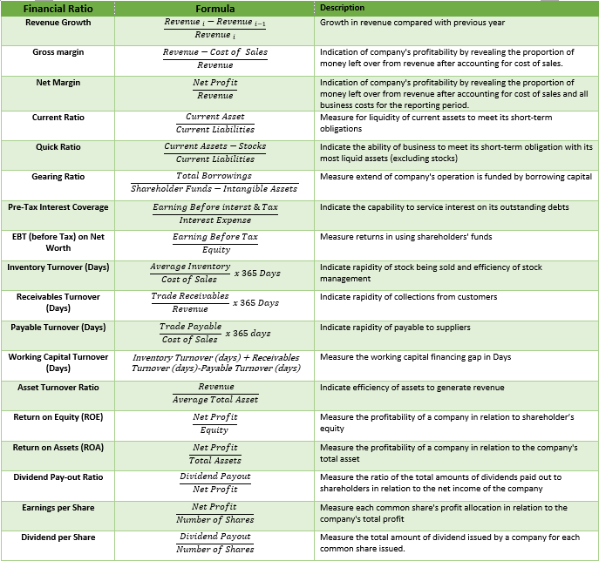
 |  |  |  |  |  |  | No of days
 |  | 1 year | 1 year | 1 year | 10 months | 300 |  |  | 1 year | 1 year | 1 year | 10 months | 1900-10-26
 | Audited / Mgmt Account | Audited | Audited | Audited | Mgmt Acc | Annualised |  | Financial Ratio | Audited | Audited | Audited | Mgmt Acc | Annualised |  |  |  | Yes
 | Profit & Loss | 31/12/2022 | 31/12/2023 | 31/12/2024 | 31/10/2025 | 31/10/2025 |  | Financial Ratio (REF) | 31/12/2022 | 31/12/2023 | 31/12/2024 | 31/10/2025 | 31/10/2025 |  |  |  | No
 | Profit & Loss (REF) | Audited -31/12/2022 | Audited -31/12/2023 | Audited-31/12/2024 | Mgmt Acc-31/10/2025 | Annualised-31/10/2025 |  | Revenue Growth | N/A | #VALUE! | #VALUE! | #VALUE! | #VALUE! |  |  |  | N/A
 | Revenue | 18,781,935 | 21,692,183 | 31,614,043 | 28,838,268 | 35,086,559 |  | Gross margin | #VALUE! | #VALUE! | #VALUE! | #VALUE! | #VALUE!
 | Cost of sales | 8,599,758 | 12,343,784 | 23,404,076 | 22,300,006 | 27,131,674 |  | Net Margin | #VALUE! | #VALUE! | #VALUE! | #VALUE! | #VALUE!
 | Gross Profit | 10,182,177 | 9,348,399 | 8,209,967 | 6,538,262 | 7,954,885 |  | Current Ratio | 68.71 | 68.01 | 42.96 | #DIV/0! | #DIV/0!
 | Depreciation | 398,748 | 419,190 | 395,088 | 434,597 | 528,759 | 0.64 | Quick Ratio | 68.71 | 68.01 | 42.96 | #DIV/0! | #DIV/0!
 | Staff Cost | 3,958,595 | 3,607,510 | 2,815,687 | 1,975,829 | 2,403,926 |  | Gearing Ratio | 0.85 | 0.86 | 0.77 | 0.63 | 0.63
 | Other Operating Expenses | 4,110,116 | 2,805,545 | 2,283,538 | 1,521,499 | 1,851,158 |  | Pre-Tax Interest Coverage | 0 | 0 | 0 | 0 | 0
 | Operating Profit | 1,714,718 | 2,516,154 | 2,715,654 | 2,606,336 | 3,171,043 |  | Return (before Tax) on Net Worth | -10% | -16% | -14% | -11% | -13%
 | Add : Other Income | 145,544 | 162,957 | 531,549 | 17,198 | 17,198 |  | Inventory Turnover (Days) | N/A | 0 | 0 | 1 | 2
 | EBIT | 1,860,262 | 2,679,111 | 3,247,203 | 2,623,534 | 3,188,240 |  | Receivables Turnover (Days) | #VALUE! | #VALUE! | #VALUE! | #VALUE! | #VALUE!
 | Interest | 735,532 | 722,787 | 866,369 | 604,585 | 735,578 |  | Payable Turnover (Days) | 263 | 213 | 202 | 307 | 252
 | Taxes | 350,156 | 540,160 | 633,145 |  | 0 |  | Working Capital Turnover (Days) | N/A | #VALUE! | #VALUE! | #VALUE! | #VALUE!
 | Net Profit (Loss) for the Year | 774,574 | 1,416,164 | 1,747,689 | 2,018,949 | 2,452,662 |  | Asset Turnover Ratio | N/A | #VALUE! | #VALUE! | #VALUE! | #VALUE!
 | Dividend Payout | - | - | - | - | - |  | Return on Equity (ROE) | 0.02 | 0.04 | 0.03 | 0.00 | 0.00
 | PBT | 1,124,730 | 1,956,324 | 2,380,834 | 2,018,949 | 2,452,662 |  | Return on Assets (ROA) | 0.31 | 0.81 | 0.47 | 0.00 | 0.00
 |  |  |  |  |  |  |  | Dividend Pay-out Ratio | 2.2120826146 | 2.6217491114 | 2.7603297823 | #DIV/0! | #DIV/0!
 | Balance Sheet | 31/12/2022 | 31/12/2023 | 31/12/2024 | 31/10/2025 | 31/10/2025 |  | Earnings per Share | #DIV/0! | #DIV/0! | #DIV/0! | #DIV/0! | #DIV/0!
 | Balance Sheet (REF) | Audited -31/12/2022 | Audited -31/12/2023 | Audited-31/12/2024 | Mgmt Acc-31/10/2025 | Annualised-31/10/2025 |  | Dividend per Share | #DIV/0! | #DIV/0! | #DIV/0! | #DIV/0! | #DIV/0!
2 | Unqualified Reports | Yes | Yes | Yes | N/A | N/A |  | PBT Margin | #VALUE! | #VALUE! | #VALUE! | #VALUE! | #VALUE!
3 | Non Current Asset | 6,397,298 | 6,188,936 | 5,008,964 | 4,949,488 | 4,949,488
4 | Current Asset | 14,854,644 | 15,172,677 | 22,135,681 | 29,121,798 | 29,121,798 |  | 143%
5 | Trade Receivables | 5,939,297 | 5,948,984 | 16,230,296 | 20,201,404 | 20,201,404
6 | Other Receivables and Prepayments | 537,636 | 658,417 | 940,030 | 2,858,652 | 2,858,652
7 | Other Receivables | 537,636 | 656,417 | 625,140 | 2,588,748 | 2,588,748
8 | Amount Due from Directors |  |  | 314,890 |  | -
9 | Amount Due from Related Companies |  | 2,000 |  | 74,970 | 74,970
10 | Others |  |  |  | 194,934 | 194,934
11 | Stock | 7,259,904 | 7,896,357 | 3,616,291 | 4,720,636 | 4,720,636
12 | Cash & Cash At Bank | 1,117,807 | 668,919 | 1,349,064 | 1,341,106 | 1,341,106
13 | Total Asset | 21,251,942 | 21,361,613 | 27,144,645 | 34,071,286 | 34,071,286
14 | Non Current Liabilities | 3,079,173 | 2,638,312 | 1,826,923 | - | -
15 | Bank/FI/Non-FI borrowings | 2,704,005 | 2,233,070 | 1,386,090 |  | - |  |  |  |  |  |  |  | installment | balance | balance
16 | Hire Purchase Payable | 282,068 | 314,242 | 324,233 |  | - |  |  | 0.62211749729 |  |  |  |  | 0.00 | 4 | -
17 | Other Payables | 93,100 | 91,000 | 116,600 |  | - |  |  |  |  |  |  |  | 0.00 | 4 | -
18 | Current Liabilities | 13,515,675 | 12,650,043 | 17,496,775 | 24,231,391 | 24,231,391 |  |  |  |  |  |  |  | 0.00 | 6 | -
19 | Trade Payables | 2,487,132 | 936,469 | 1,573,742 | 5,879,179 | 5,879,179 |  |  | 2,182,259 |  |  |  |  | 0.00 |  | -
20 | Other Payables & Accruals | 2,401,008 | 3,638,057 | 4,329,429 | 4,222,242 | 4,222,242 |  |  | 0.090059176459
21 | Other Payables | 2,119,026 | 3,353,594 | 4,123,220 | 476,323 | 476,323
22 | Amount Due to Director | 243,486 | 1,300 |  | 2,118,660 | 2,118,660
23 | Amount Due to Related Companies |  |  |  | 45,000 | 45,000
24 | Others | 38,496 | 283,163 | 206,209 | 1,582,259 | 1,582,259
25 | Bank/FI/Non-FI borrowings | 8,361,909 | 7,955,641 | 11,435,399 | 13,788,842 | 13,788,842
26 | Hire Purchase Payable | 265,626 | 119,876 | 158,205 | 341,129 | 341,129
27 | Total Liabilities | 16,594,848 | 15,288,355 | 19,323,698 | 24,231,391 | 24,231,391
28 | Equity | 4,657,094 | 6,073,258 | 7,820,947 | 9,839,895 | 9,839,895
29 | Share Capital | 1,800,000 | 1,800,000 | 1,800,000 | 1,800,000 | 1,800,000 |  | 1,800,000 |  | 2,340,160 | 2,433,145
30 | Retained Earnings | 2,857,094 | 4,273,258 | 6,020,947 | 8,039,895 | 8,039,895
31 | Revaluation Reserve |  |  |  |  | -
32 | Total Liabilities and Equity | 21,251,942 | 21,361,613 | 27,144,645 | 34,071,286 | 34,071,286
 |  | - | - | - | -

 | Intangible Asset | - | - | - | -
 | Goodwill
 | Patent
 | Trademarks
 | Copyrights
 | Net Tangible Asset | 4,657,094 | 6,073,258 | 7,820,947 | 9,839,895
 | NTA = Total Assets - Total Liabilities - Intangible Assets ; Where: Intangible Assets include non-physical assets like goodwill, patents, trademarks, and copyrights.
 | Number of Shares | 3,320,000 | 4,920,000 | 24,258,950 | 24,257,376

 |  |  |  |  | 8,039,896
 | Balance Sheet | 31/12/2022 | 31/12/2023 | 31/12/2024 | 31/10/2025 | 31/10/2025
 | Balance Sheet (REF) | Audited -31/12/2022 | Audited -31/12/2023 | Audited-31/12/2024 | Mgmt Acc-31/10/2025 | Annualised-31/10/2025
2 | Unqualified Reports | Yes | Yes | Yes | N/A | N/A
3 | Non Current Asset | 6,397,298 | 6,188,936 | 5,008,964 | 4,949,488 | 4,949,488
4 | Current Asset | 14,854,644 | 15,172,677 | 22,135,681 | 29,121,798 | 29,121,798
5 | Total Asset | 21,251,942 | 21,361,613 | 27,144,645 | 34,071,286 | 34,071,286
6 | Non Current Liabilities | 3,079,173 | 2,638,312 | 1,826,923 | - | -
7 | Current Liabilities | 13,515,675 | 12,650,043 | 17,496,775 | 24,231,391 | 24,231,391
8 | Total Liabilities | 16,594,848 | 15,288,355 | 19,323,698 | 24,231,391 | 24,231,391
9 | Share Capital | 1,800,000 | 1,800,000 | 1,800,000 | 1,800,000 | 1,800,000
10 | Reserve | - | - | - | - | -
11 | Retained Earning | 2,857,094 | 4,273,258 | 6,020,947 | 8,039,895 | 8,039,895
12 | Minority Interest | - | - | - | - | -
13 | Equity | 4,657,094 | 6,073,258 | 7,820,947 | 9,839,895 | 9,839,895
14 | Total Liabilities and Equity | 21,251,942 | 21,361,613 | 27,144,645 | 34,071,286 | 34,071,286

 |  | TRUE | TRUE | TRUE | TRUE | TRUE

 | Audited / Mgmt Account | Audited | Audited | Audited | Mgmt Acc | Annualised
 | Profit & Loss | 31/12/2022 | 31/12/2023 | 31/12/2024 | 31/10/2025 | 31/10/2025
 | Profit & Loss (REF) | Audited -31/12/2022 | Audited -31/12/2023 | Audited-31/12/2024 | Mgmt Acc-31/10/2025 | Annualised-31/10/2025
2 | Revenue | 18,781,935 | 21,692,183 | 31,614,043 | 28,838,268 | 35,086,559
3 | Net Profit (Loss) Before Tax | 1,124,730 | 1,956,324 | 2,380,834 | 2,018,949 | 2,452,662
4 | Net Profit (Loss) After Tax | 774,574 | 1,416,164 | 1,747,689 | 2,018,949 | 2,452,662
5 | Net Dividend | - | - | - | - | -
6 | Miniority Interest | - | - | - | - | -

