BFO_Decision_Criteria
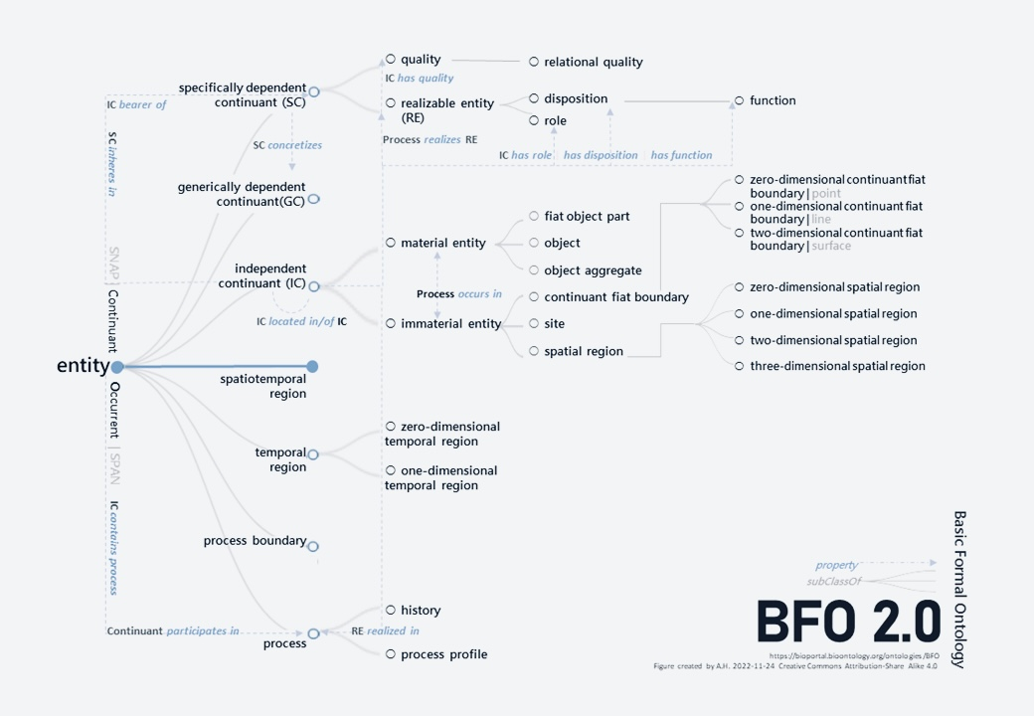
Related BFO Universals | Related Decision Criteria
bfo:entity | Does not need to be physical: An information entity like a plan, or a mathematical entity like the number 7, are included. Does not need to be concrete: Universals themselves—such as redness, humanity, or cell—are entities. Does not need to be independent: A dependent entity, like the smile on a face or the mass of a rock, cannot exist on its own, but it is an entity nonetheless. Does not need to be directly observable: Electrons, genes, and gravitational fields are all perfectly valid entities.
bfo:continuant | Does the entity exist wholly at every single instant of its existence, or does it unfold through a series of temporal parts or phases? (A continuant is always whole; an occurrent is always partial.) Does the entity endure through change, maintaining its identity even as it gains or loses parts? (A continuant persists; an occurrent is defined by its specific set of parts and cannot change them without becoming a different occurrent.)
bfo:Independent Continuant | Does the entity serve as a host or bearer for other entities, such as qualities (its color, mass) or roles (its function)? Does the entity itself depend on or inhere in any other specific entity for its existence?
bfo:Generically Dependent Continuant | Is this entity c bound to one specific, particular bearer, or can its very same instance exist by being instantiated in multiple, distinct bearers, either sequentially or simultaneously? Does the entity c require a physical concretization in the form of a specifically dependent continuant in order to exist in the world?
bfo:Specifically Dependent Continuant | Is the existence of this entity irrevocably tied to a specific, particular bearer?
bfo:Quality | Does the entity c exist in its bearer in a fully realized, exhibited, or manifested state whenever its bearer exists? Does the entity c exist by inhering in one or more independent continuants?
bfo:Disposition | Is the existence of this realizable entity c a direct consequence of the internal physical constitution of its bearer? Specifically, if this entity c were to be removed from its bearer, would the bearer, as a matter of necessity, have to undergo a physical change? Is there a specific type of process (a realization) that this entity c brings about when its bearer is exposed to a specific type of trigger?
bfo:Object | Is it a material entity? It must be composed of matter. Does it possess causal unity? Are its parts bound together such that they behave as a single, coherent whole? Is it maximally self-connected? Is it the entire such unified whole, or is it merely a part of a larger one?
bfo:Site | Is the entity c a three-dimensional (volumetric) space that is defined and bounded by the interior surface(s) of a material entity? Is the entity c mobile? Can it change its absolute location in space?
bfo:MaterialEntity | Is the entity c constituted of some portion of matter? Does the entity c occupy a three-dimensional spatial region?
bfo:Process | Does the entity c unfold through time by being constituted of a succession of different temporal parts or phases? Does the existence of the entity c depend on at least one material entity that participates in it?

