Intro
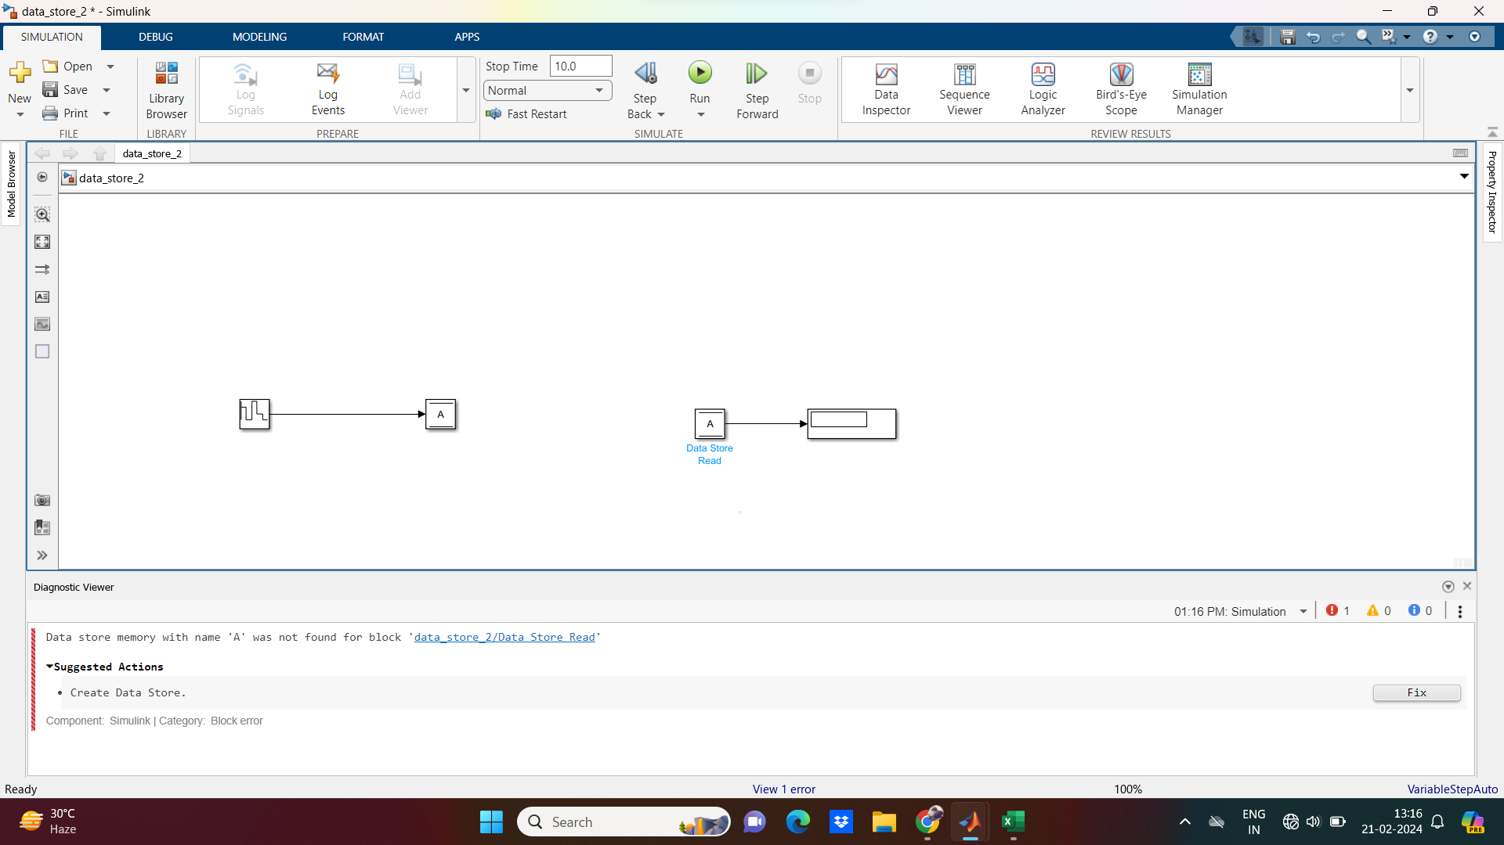

To Solve the above Block error add a Data Store Memory block with name "A" and save it.Another possibility is creating a Data Store element for "A" by clicking "Fix" option.

Process_For_DataStoreMemory
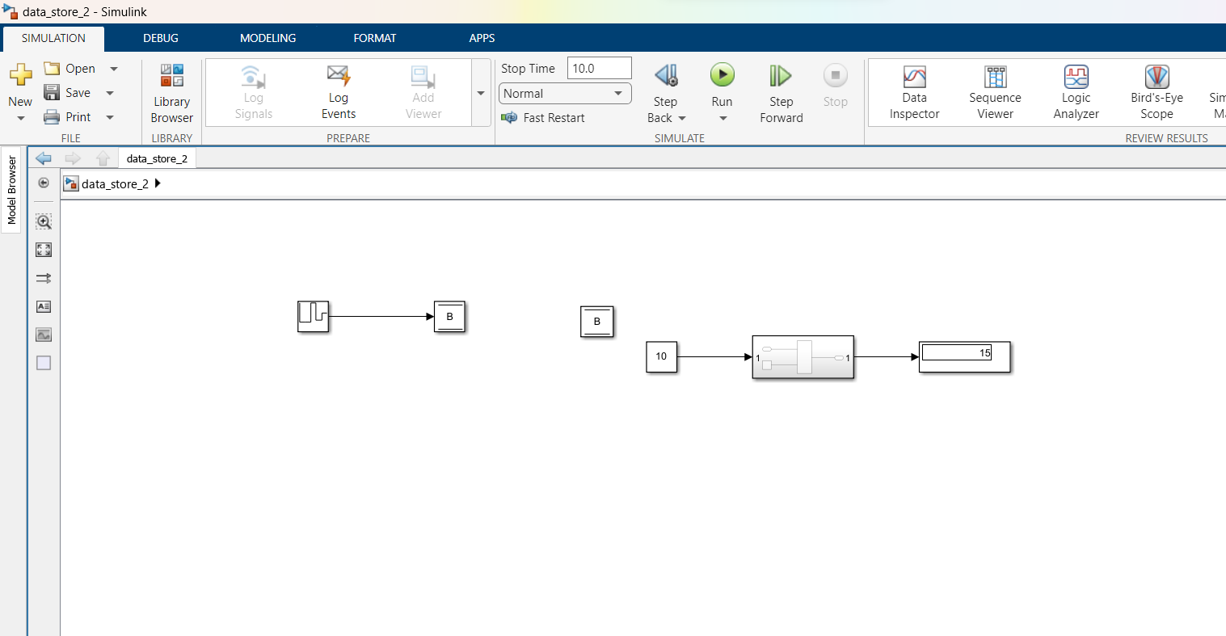
When we created Data Store Memory in Inside of a Subsystem as shown in below pic , it throws error .

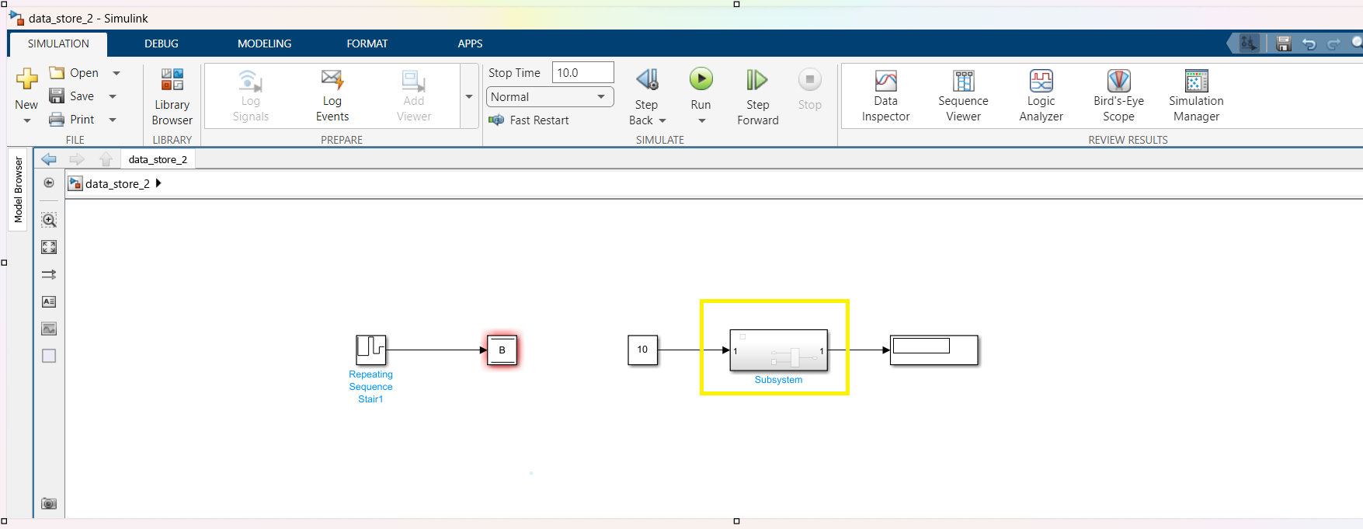
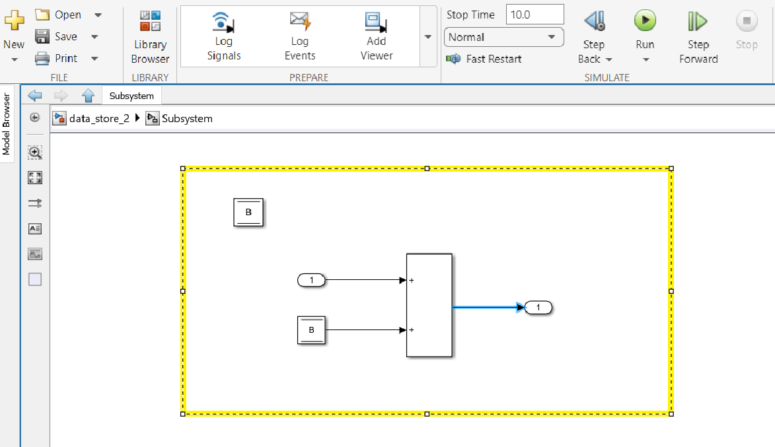

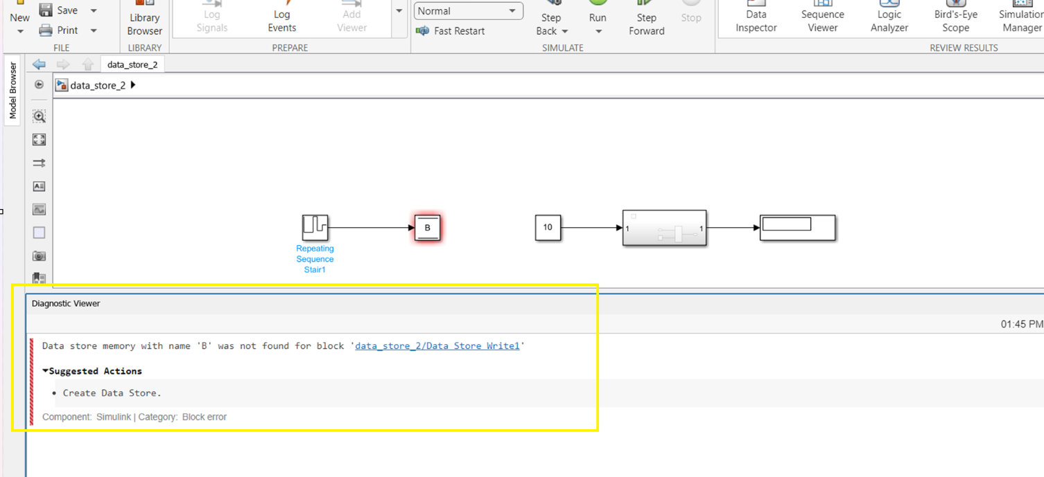

The above Process can be corrected by , placing the Data Store Memory block 'B' Outside of Subsystem.

Write_After_Write
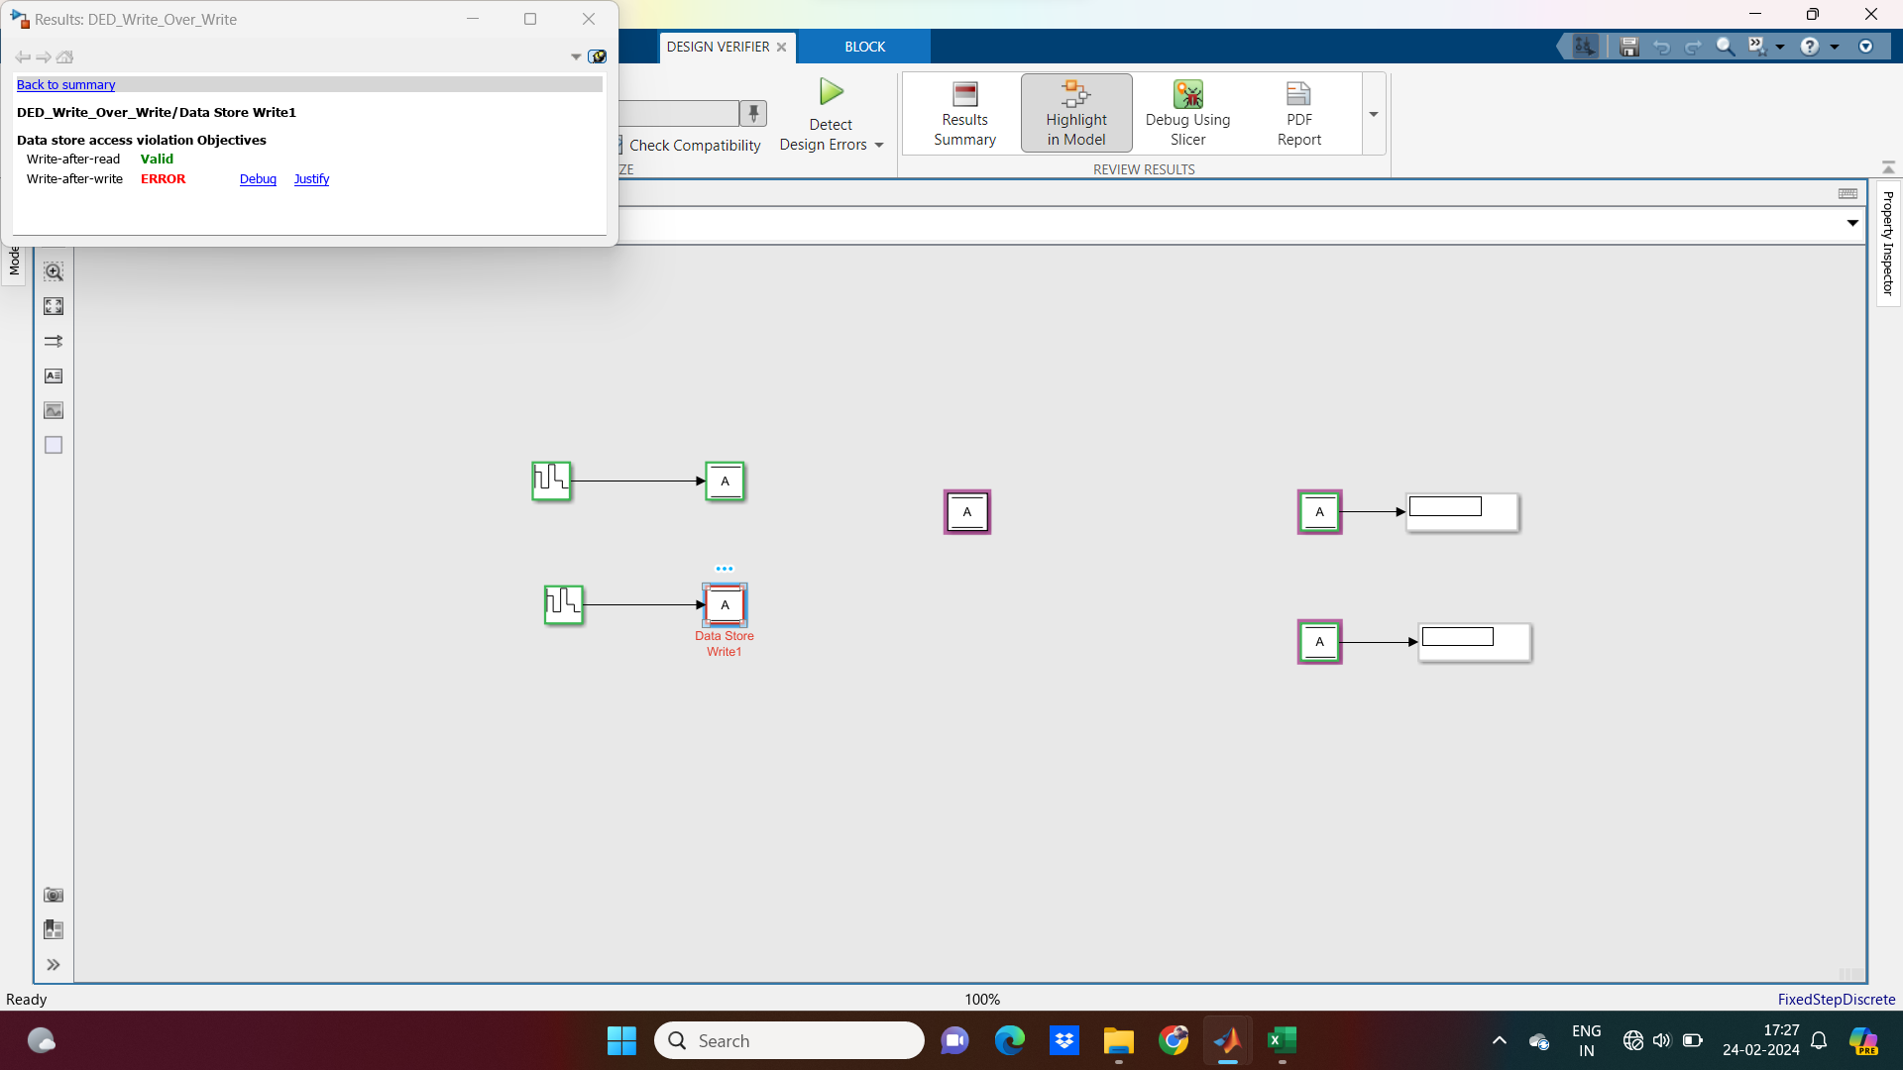

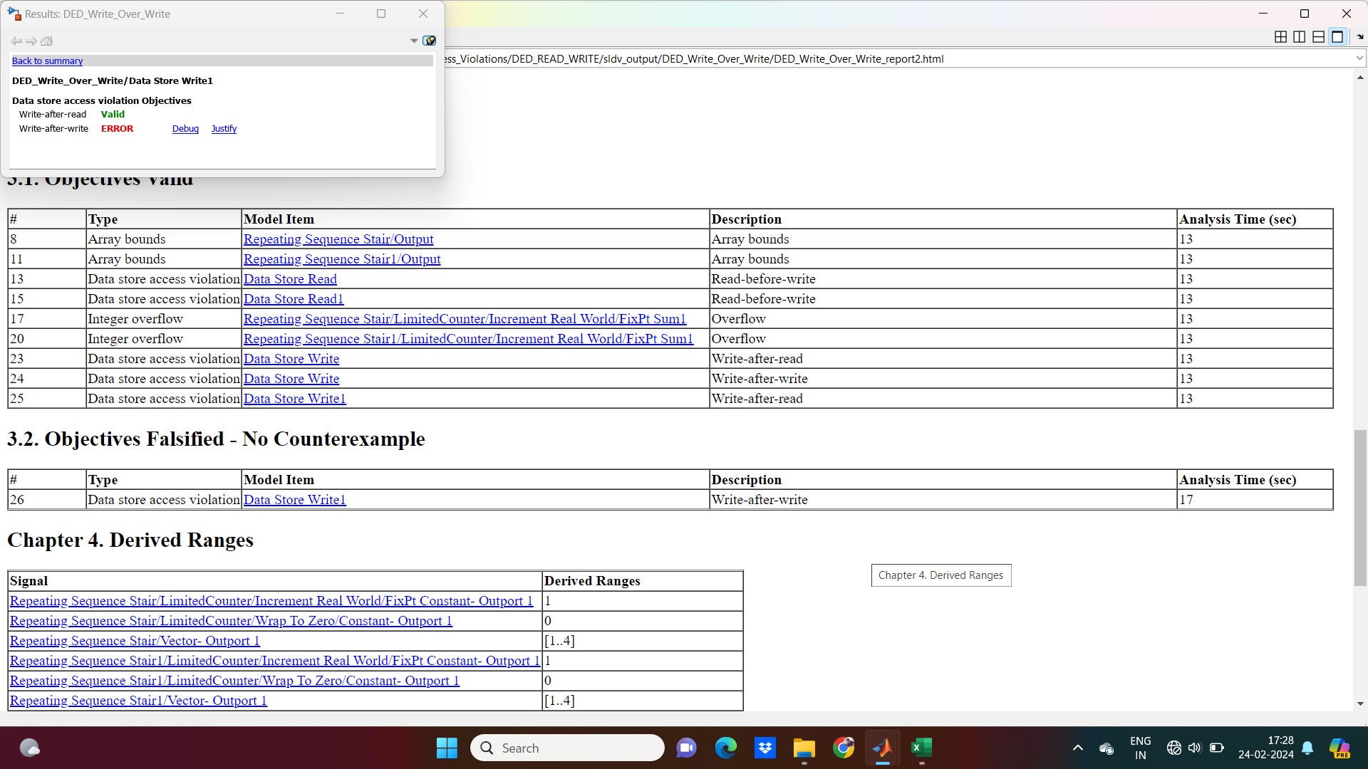

Example_ReadBeforeWrite
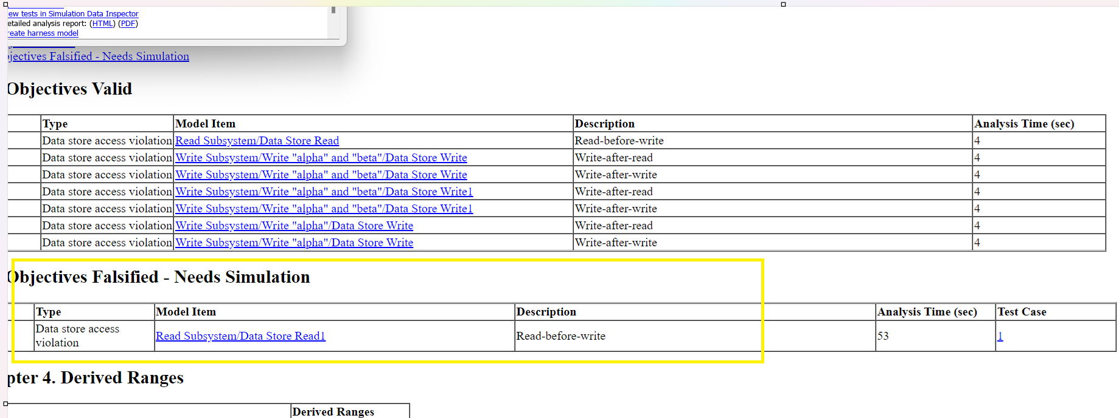
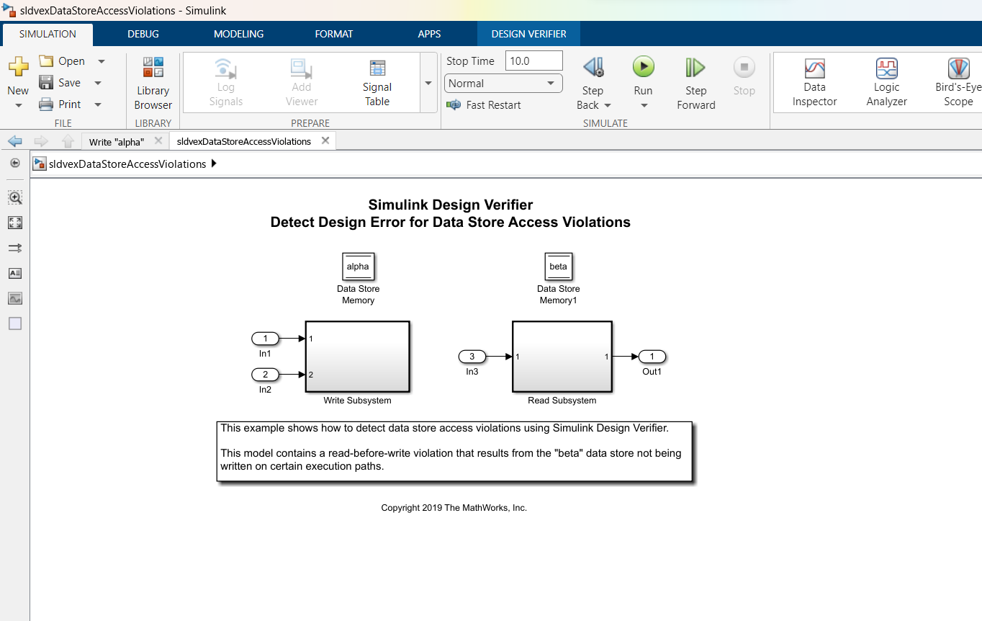

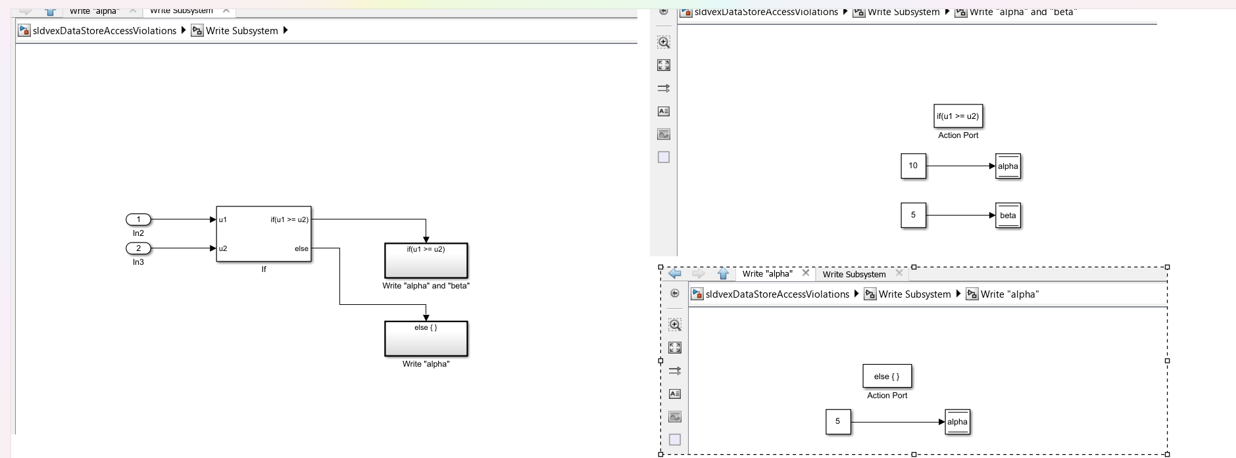

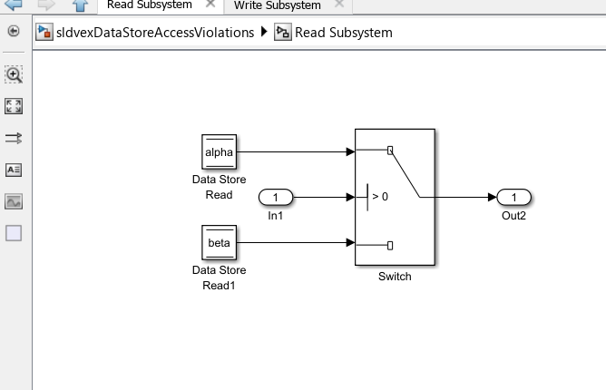

After Running DED by enabling Data Store Access Violations, it shows Read after Write error as highlighted below…

Example_WriteAfterWrite

An Example for Data Store Write,Data Store Read and Data Store Memory.

Example_WriteAfterRead
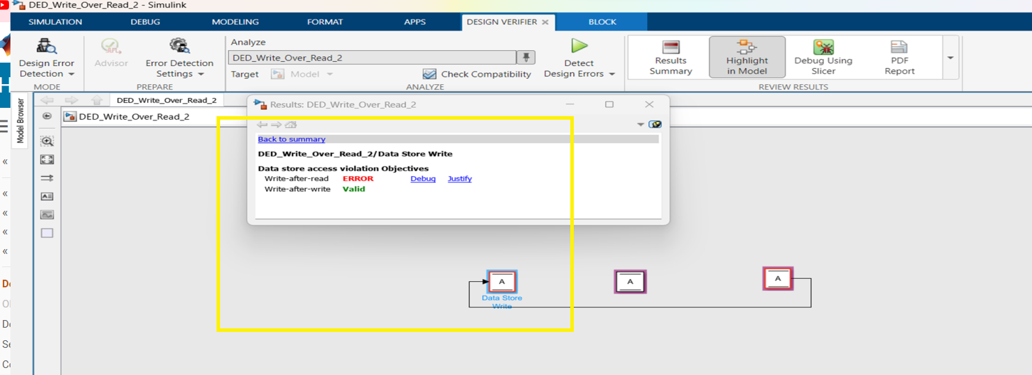

Errors_
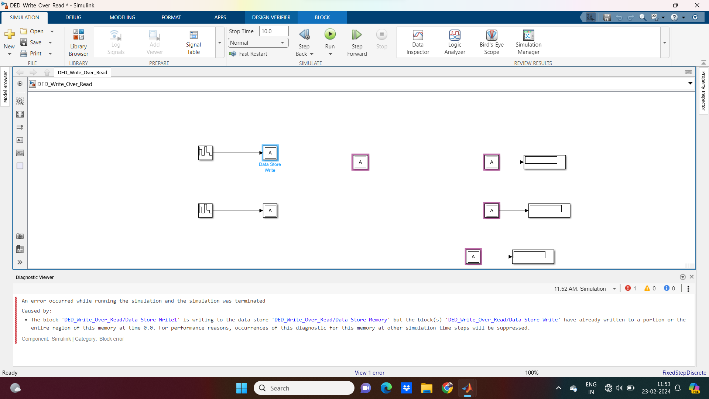
If we write TWO Data Store Write blocks to one Data Store Memory , then it throws following error.

