Sheet1
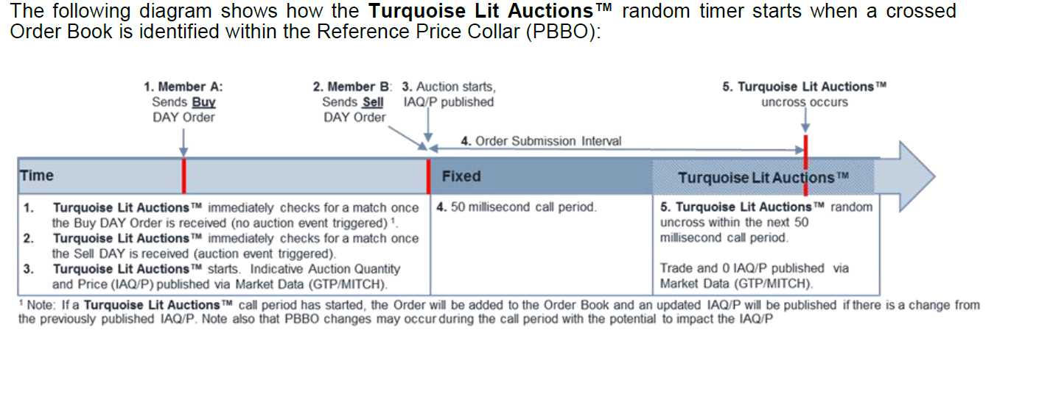
Turquoise

Turquoise Plato Lit Auctions™ is triggered when Turquoise receives orders it can potentially match from its members within the Primary Best Bid Offer ('PBBO') (which acts as a reference Price Collar), or on receipt of a GFA order which is valid for a single Auction (which ever happens soonest). Once the Auction has started, members have 50 milliseconds in which to submit further orders to the auction, before a further 50 millisecond randomised uncrossing period commence | MIC code for TQ Lit Auctions is TRQA

“Iceberg Orders display only a portion of their total interest, with the remaining being hidden. The displayed quantity is replenished to its original size or a randomized value only when it is fully matched, at which point the time priority of the Order is re-set. “

Turquoise Plato™ offers a differentiated and quality approach to dark trading attracting larger sized institutional buy-side orders.
Matches orders pegged to the midpoint Primary Market best Bid and Offer of the respective European Exchange
Size priority and user-defined Minimum Execution Size (MES) are key features. Size priority in the matching logic is different to other public dark pools which employ time priority.

Turquoise Plato Uncross™ is the buy-side friendly, randomised, midpoint uncrossing, for larger and less time-sensitive passive orders.
Participants benefit from size priority in the matching logic of the Turquoise Plato™, which leads to improved fill rates for larger block orders and reduces the impact of interacting with smaller orders, therefore enhancing the attractiveness for institutional flow
Participants can define their own Minimum Execution Size (MES), and each individual trade must match or exceed the MES, thereby reducing the end to end cost of trading by removing the post trade inefficiencies of being filled by a number of smaller orders.

Turquoise Plato™, prioritizes orders by size and allows users to configure Minimum Execution Size; it features two distinct mechanisms, each executing at the midpoint of the Primary Market Best Bid and Offer: continuous matching and Turquoise Plato Uncross™, an innovation that provides randomised uncrossings during the trading day, ideal for larger and less time sensitive passive orders.

The Turquoise Plato™ Order Book will operate with two matching modes: • Continuous – allowing the submission and matching of both persistent and non-persistent Order types • Turquoise Plato UncrossTM – allowing the submission and matching of persistent Order types only during Turquoise Plato UncrossTM events, which occur repeatedly intraday. Turquoise Plato Uncross™ events are started either by the continuous matching of Block Indications (BIs) and eligible Block Discovery Notifications (BDNs)6 or by a random timer, which ever happens sooner. Once started, the Turquoise Plato Uncross™ will take place at a random point between 0.5 seconds and 2 seconds after the Order Submission Interval. Between the start of an Order Submission Interval and the relevant Turquoise Plato Uncross™ event, continuous matching of Block Indications (BIs) and eligible Block Discovery Notifications is paused.

Turquoise Plato Block Discovery™ is a new service, which further enhances the Turquoise Plato™ by facilitating the trading of larger block orders by matching block Indications. On identifying potential matches, the service will require participants to send firm qualifying block orders to Turquoise Plato Uncross™, maximising available liquidity for customers of both services | Turquoise Plato Block Discovery™ system defined minimum indication size of 25% Large-In-Scale, size priority in the matching logic and user defined minimum execution size in the Turquoise Plato™ also encourages larger sized orders and further improves execution quality | “facilitates the trading of larger “Parent” or “Block” Orders by seeking and identifying block matching opportunities, between Block Indications (with a quantity above or equal to the Minimum Indication Size threshold) and Block Discovery Notifications. Where matches are identified, Participants are required to convert their Block Indications by submitting firm Qualifying Block Orders, designated as eligible for existing Turquoise Plato Uncross™ events that already exist as part of the Turquoise Plato™ Order Book to trade at the Midpoint of the PBBO. For further information, please see the | “means the execution instruction selected by the Participant on Order entry whereby its Order is not open to matching during continuous trading until it has participated in a Turquoise Plato Uncross™ event which has a valid PMP which has passed the Turquoise Plato™ WFMC. Any unexecuted volume will then rest in the Turquoise Plato™ Order Book open to ’Continuous’ matching and matching during subsequent randomised ‘Turquoise Plato UncrossTM’ events.
 | An eligible BDN has a remaining value equal to or greater than 25% of LIS when Reference Price Waiver Trading is allowed OR 100% of LIS when Reference Price Waiver Trading is not allowed. | “ | “

Persistent Orders can be designated to Trade in one or both of Continuous trading and in the Turquoise Plato UncrossTM, and by default will be eligible for both. Orders designated for Turquoise Plato UncrossTM Only will not interact with non-persistent (immediacy demanding) Orders. This provides Participants with discretion over whether to interact with immediacy demanding flow, or to constrain interaction to patient flow. Non-persistent Orders are only accepted for Continuous trading.

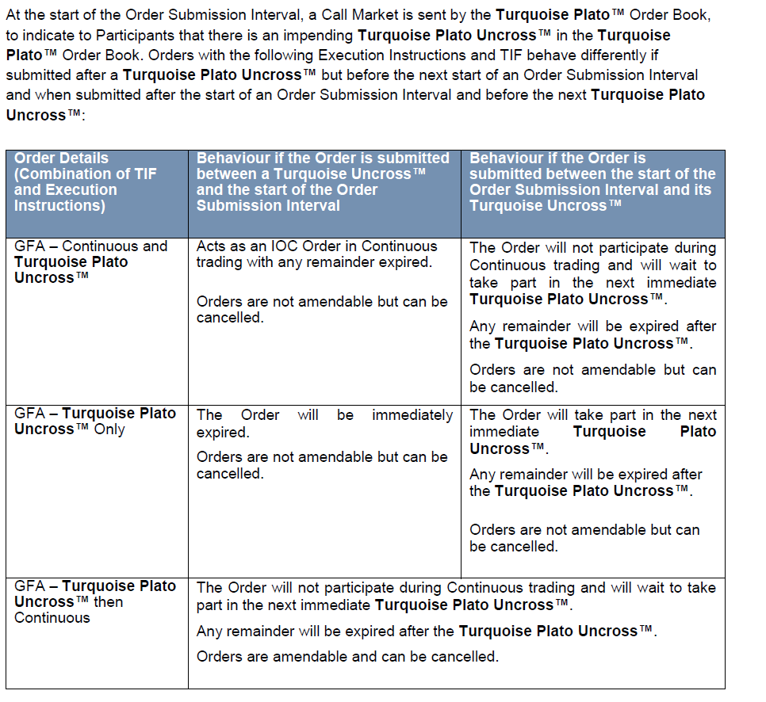

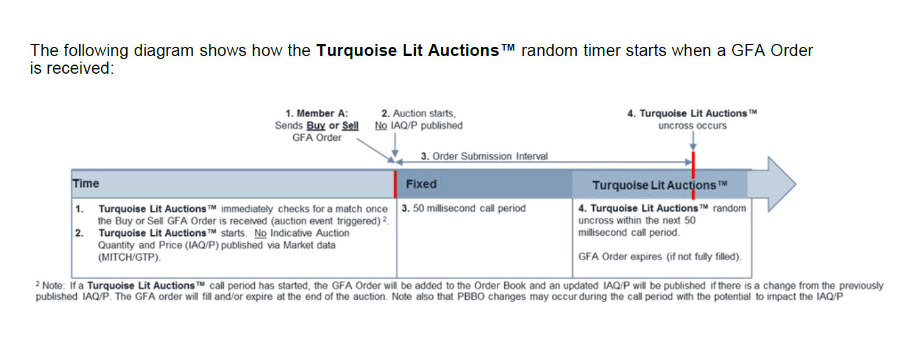
Once the Turquoise Lit Auctions™ price has been determined and the random timer for the auction end has been reached, it executes persistent Orders that can trade at the Turquoise Lit Auctions™ price on a Member Group Priority** (in time order) basis first, followed by Member Priority** (in time order) basis second. Once all Member Group, and then Member Priority matching has been completed it executes remaining quantity using Time priority. Member Group and Member Priority** are optional and available upon request. | A Turquoise Lit Auctions™ is started by a Buy and Sell Order that creates a crossed book, within the auction’s Reference Price Collar (PBBO) or by receipt of a GFA Order (which ever happens sooner). Turquoise Lit Auctions™ will last for a random period between 50 and 100 milliseconds.

