Sheet1
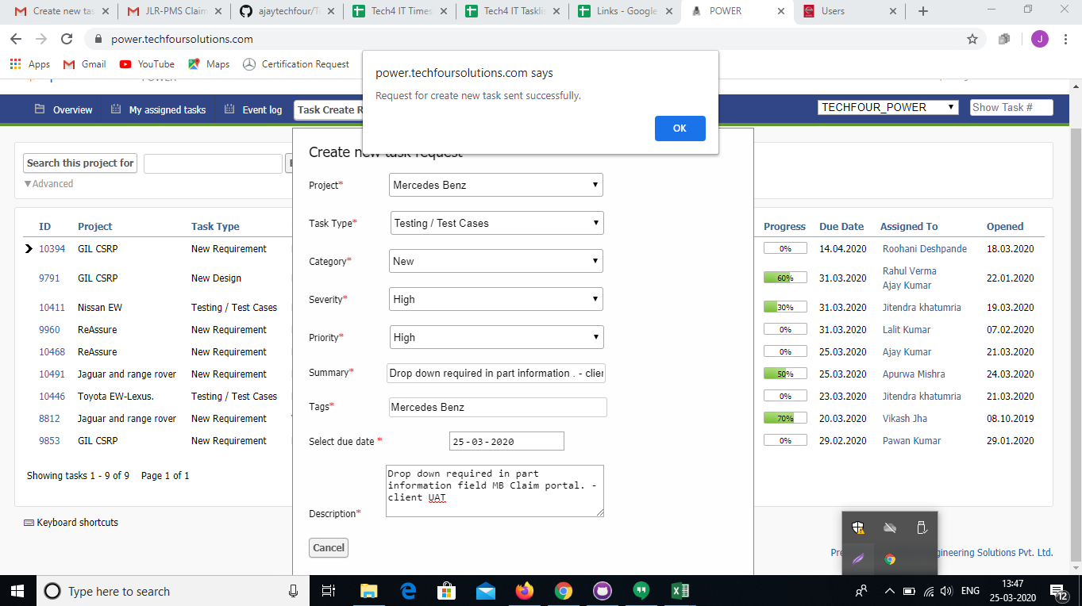
http://13.127.10.134/mercedes_dev_bkp/index.php
http://13.127.10.134/mercedes_dev/index.php | 2020-03-21



 |  | 2020-03-25

