Sheet1
Bug Report
Project :- |  |  |  |  |  |  |  | Lead_Developer. :- Vikash Jha
Created_By :- |  |  |  | Jitendra |  |  |  | Power_Task_I.D. :-10055
Date | Test Case ID | Bug ID | Task ID | Bug Summary | Pre - Conditions | Steps to Reproduce | Test Data | Attachments/Links | Priority | Severaity | Status | Assigned To | Developers Comments | Testers Comments | Open | Close
2020-02-17 |  |  | 10055 | DC Claim Periodic Maintenance-Suggestion: Part number and rate should appear as NA instead of showing it blank and zero resp in the case of "Labour type" |  | 1)Download the DC Claim Periodic Maintenance report . 2)Check the details of the report against the details of portal for any selected service request number. |  | 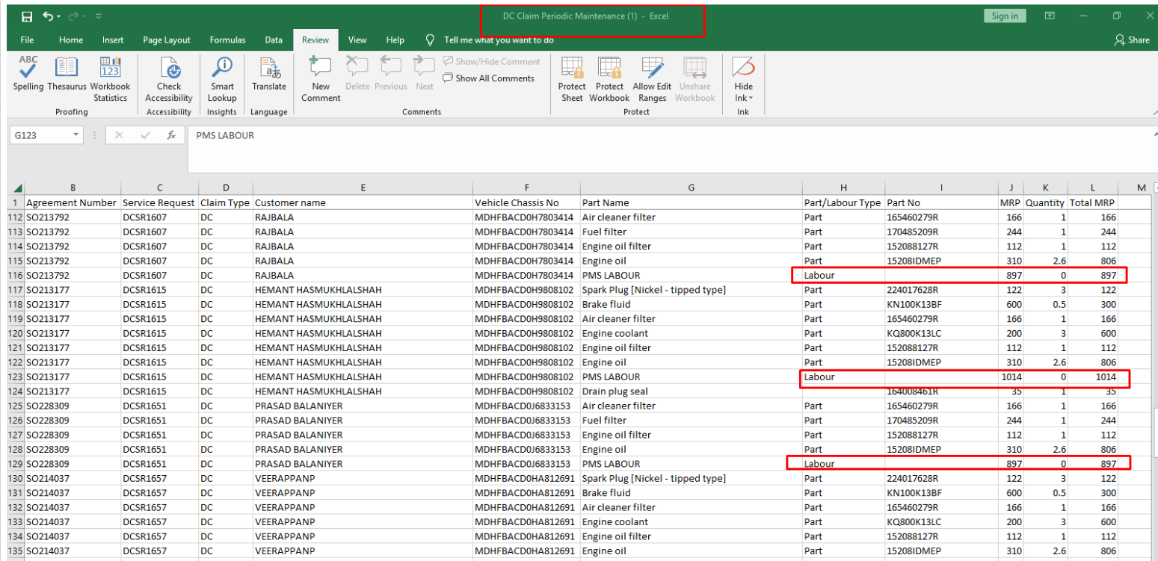 |  |  |  | Ranjeet
 |  |  | 10055 | NC Claim Periodic Maintenance-Suggestion: Part number and rate should appear as NA instead of showing it blank in the case of "Labour type" |  | 1)Download the NC Claim Periodic Maintenance report . 2)Check the details of the report against the details of portal for any selected service request number. |  | 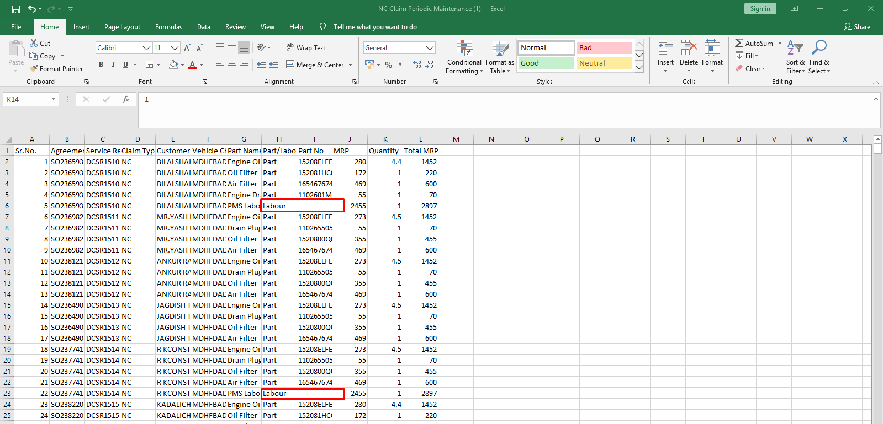 |  |  |  | Ranjeet

