Closed_Bugs
Bug Report
Project :- |  |  | Nissan Datsun Reports |  |  |  | Lead_Developer. :-Vikash Jha
Created_By :- |  |  | Jitendra |  |  |  | Power_Task_I.D. :-9978
Date | Test Case ID | Bug ID | Bug Summary | Pre - Conditions | Steps to Reproduce | Test Data | Attachments/Links | Priority | Severaity | Status | Assigned To | Developers Comments | Testers Comments | Open | Close
2020-02-11 | TC4_DC _Claim Dump | Bug_ID_1 | Customer name should have a space between first and last name. | User is already logged in | 1)Download the DC Claim Dump excel file available under reports and check it with the entries on the portal. |  |  | High | Low | Closed | Ranjeet
2020-02-11 | TC5_DC _Claim Dump | Bug_ID_2 | Enhancemnt: Service request should get change to Service Request Number |  |  |  |  | Low | Low | Closed | Ranjeet
2020-02-11 | TC7_DC_Claim Periodic_Maintenance | Bug_ID_3 | All the entries are same as that of portal but Total MRP should be zero if the quantity against any part is "0" that is if the quantity is 0 then total MRP should be 0 but its still getting computed by taking quantity as 1 | User is already logged in | 1)Download the DC Claim Periodic Maintenance excel file available under reports and check it with the entries on the portal. |  |  | High | High | Closed | Ranjeet
2020-02-11 | TC9_DC_Claim Wear_and_Tear | Bug_ID_4 | All the entries are same as that of portal but Total MRP should be zero if the quantity against any part is "0" that is if the quantity is 0 then total MRP should be 0 but its still getting computed by taking quantity as 1 | User is already logged in | 1)Download the DC Claim Wear and Tear excel file available under reports and check it with the entries on the portal. |  |  | High | High | Closed | Ranjeet
2020-02-11 | TC13_NC _Claim Dump | Bug_ID_5 | Customer name should have a space between first and last name. | User is already logged in | 1)Download the NC Claim Dump excel file available under reports and check it with the entries on the portal. |  |  | High | Low | Closed | Ranjeet
2020-02-11 | TC14_NC _Claim Dump | Bug_ID_6 | Enhancemnt: Service request should get change to Service Request Number |  |  |  |  | Low | Low | Closed | Ranjeet
2020-02-11 | TC16_NC_Claim Periodic_Maintenance | Bug_ID_7 | Total Mrp after multiplication of mrp and qty is wrong. | User is already logged in | 1)Download the NC Claim Periodic Maintenance excel file available under reports and check it with the entries on the portal. |  | https://prnt.sc/r0orj1 | High | High | Closed | Ranjeet
2020-02-11 | TC18_NC_Optional_Periodic_Maintenance | Bug_ID_8 | Total Mrp after multiplication of mrp and qty is wrong. | User is already logged in | 1)Download the NC Claim Wear and Tear excel file available under reports and check it with the entries on the portal. |  | https://prnt.sc/r0otrj | High | High | Closed | Ranjeet
2020-02-11 | Suggestion: | Suggestion_1 | Assigned to should get change to Dealer Name. |  |  |  |  |  |  | Closed
2020-02-17 | DC Claim Periodic Maintenance-Suggestion: Part number and rate should appear as NA instead of showing it blank and zero resp in the case of "Labour type" |  | 1)Download the DC Claim Periodic Maintenance report . 2)Check the details of the report against the details of portal for any selected service request number. |  |  |  | 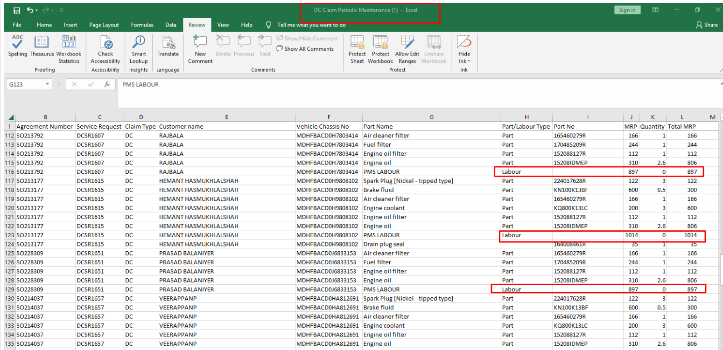 |  |  | Closed
2020-02-17 | NC Claim Periodic Maintenance-Suggestion: Part number and rate should appear as NA instead of showing it blank in the case of "Labour type" |  | 1)Download the NC Claim Periodic Maintenance report . 2)Check the details of the report against the details of portal for any selected service request number. |  |  |  |  |  |  | Closed
 |  |  |  |  |  |  |  |  |  | Closed
 |  |  |  |  |  |  |  |  |  | Closed
 |  |  |  |  |  |  |  |  |  | Closed
 |  |  |  |  |  |  |  |  |  | Closed
 |  |  |  |  |  |  |  |  |  | Closed

Sheet3
