Simulasi
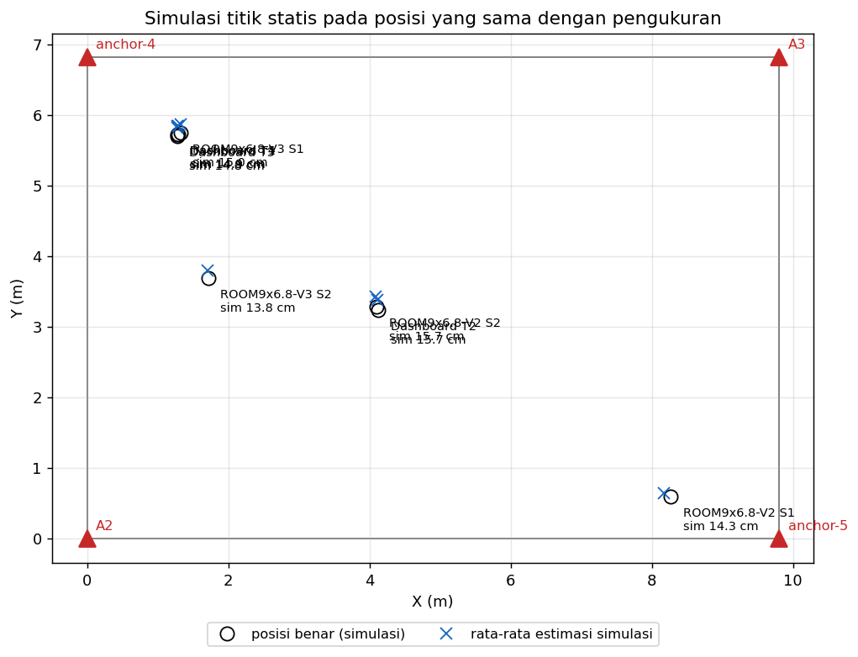
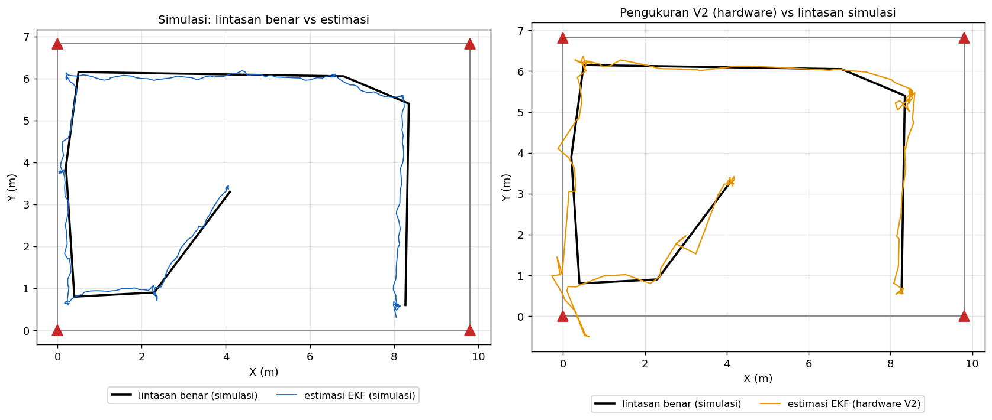
Perbandingan pengukuran hardware dengan simulasi
Simulasi memakai ruangan, posisi anchor dan tinggi tag yang sama, bias bersama 82 cm (seperti hardware), noise jarak 6 cm, outlier 4%, paket hilang 8%, sebaran bias per anchor 8 cm (belum dikalibrasi); 10 kali Monte-Carlo, 15 s per titik. Di simulasi posisi benar diketahui, jadi galat terhadap posisi benar bisa dihitung. Presisi simulasi dibandingkan dengan presisi hardware untuk mengecek bahwa model simulasi berperilaku seperti alat sebenarnya.

A. Titik statis (posisi sama dengan titik diam hasil pengukuran)
Titik | X (m) | Y (m) | Presisi CEP50 hardware (cm) | Presisi CEP95 hardware (cm) | Presisi CEP50 simulasi (cm) | Presisi CEP95 simulasi (cm) | Galat rata-rata simulasi (cm) | RMSE simulasi (cm) | CEP50 galat simulasi (cm) | CEP95 galat simulasi (cm) | Galat maks simulasi (cm)
ROOM9x6.8-V2 S1 | 8.27 | 0.60 | 3.6 | 6.7 | 4.0 | 9.1 | 14.3 | 15.7 | 14.9 | 24.0 | 34.6
ROOM9x6.8-V2 S2 | 4.10 | 3.29 | 8.6 | 13.6 | 3.8 | 9.2 | 15.7 | 17.2 | 14.9 | 29.0 | 42.5
ROOM9x6.8-V3 S1 | 1.33 | 5.75 | 4.3 | 10.4 | 3.9 | 10.5 | 15.0 | 16.8 | 13.4 | 30.5 | 49.2
ROOM9x6.8-V3 S2 | 1.72 | 3.69 | 2.4 | 7.1 | 3.7 | 9.5 | 13.8 | 15.2 | 13.1 | 25.8 | 40.8
Dashboard T1 | 1.28 | 5.73 |  |  | 3.9 | 10.5 | 14.9 | 16.7 | 13.3 | 30.2 | 49.0
Dashboard T2 | 4.13 | 3.24 |  |  | 3.8 | 9.2 | 15.7 | 17.2 | 14.9 | 29.1 | 42.5
Dashboard T3 | 1.28 | 5.71 |  |  | 3.8 | 10.5 | 14.8 | 16.7 | 13.3 | 30.1 | 48.8
Dashboard T4 | 1.29 | 5.73 |  |  | 3.9 | 10.5 | 14.9 | 16.7 | 13.3 | 30.2 | 49.0
Rata-rata

B. Berjalan (rute seperti rekaman V2, 0.6 m/s)
Besaran | Simulasi | Hardware | Keterangan
RMSE posisi (cm) | 17.9 |  | hardware: butuh posisi benar saat berjalan
Cross-track RMSE (cm) | 10.5 |  | jarak tegak lurus ke lintasan benar
Cross-track P95 (cm) | 19.9
Cross-track maks (cm) | 30.4
Laju update (Hz) | 5.0 | 2.3 | hardware lebih rendah: paket tag terlambat/hilang

• Kesimpulan: presisi simulasi (CEP95 ≈ 9–10 cm) sebanding dengan hardware (CEP95 7–14 cm), jadi model simulasi mewakili alat. Dengan model itu, galat terhadap posisi benar sekitar 14–16 cm saat diam dan RMSE ±18 cm saat berjalan, terutama karena sebaran bias tiap anchor yang belum dikalibrasi.
• Simulasi bukan pengganti uji dengan posisi benar: angka akurasi hardware tetap harus diukur dengan meteran laser (sheet Titik Diam).

Grafik
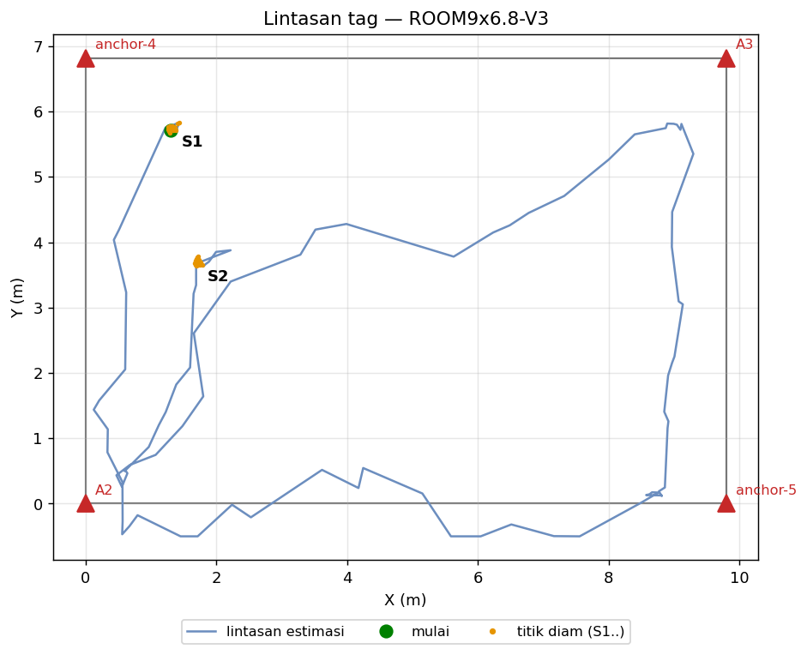
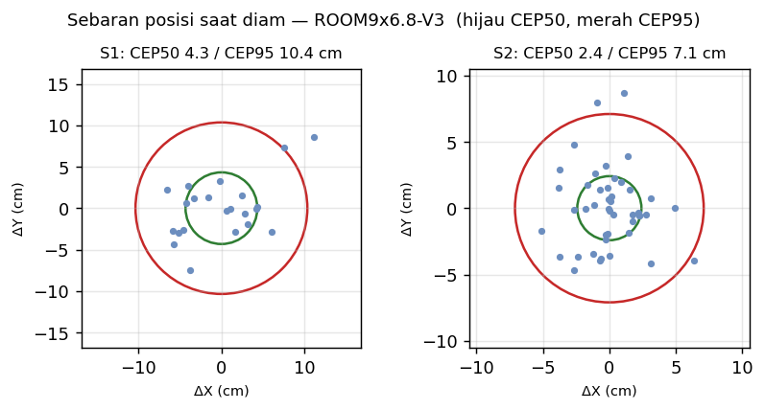
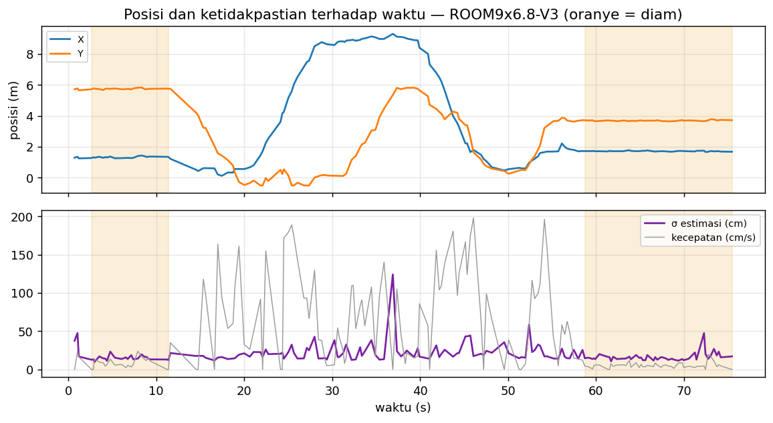
ROOM9x6.8-V2
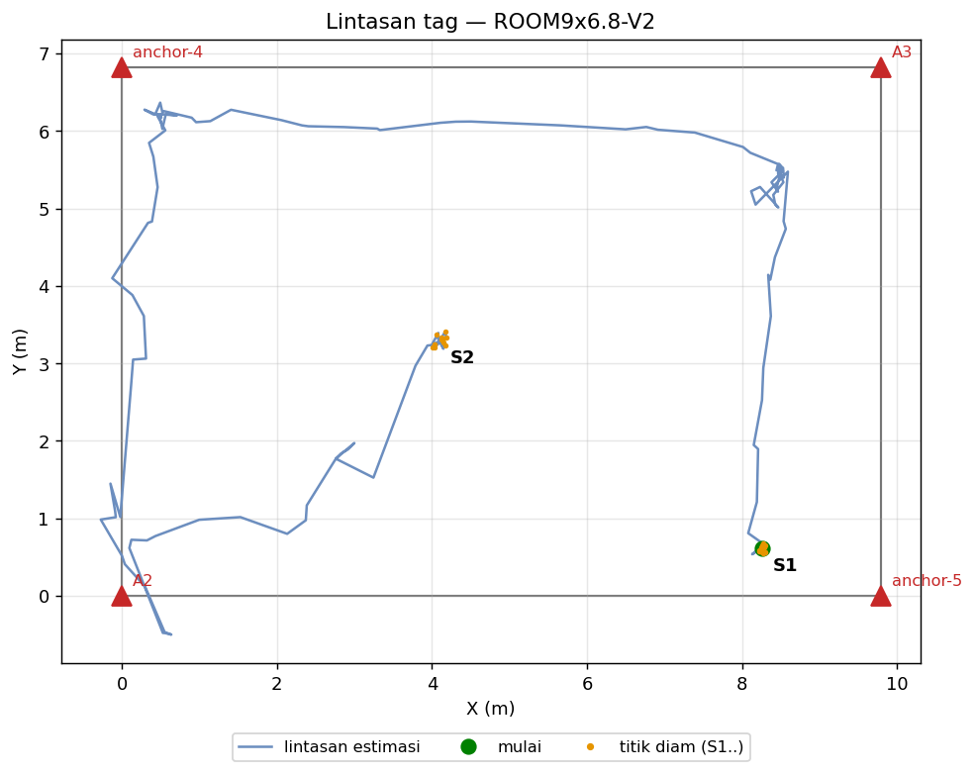

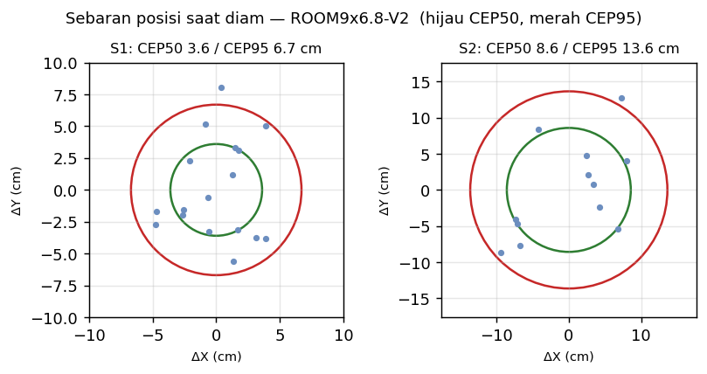

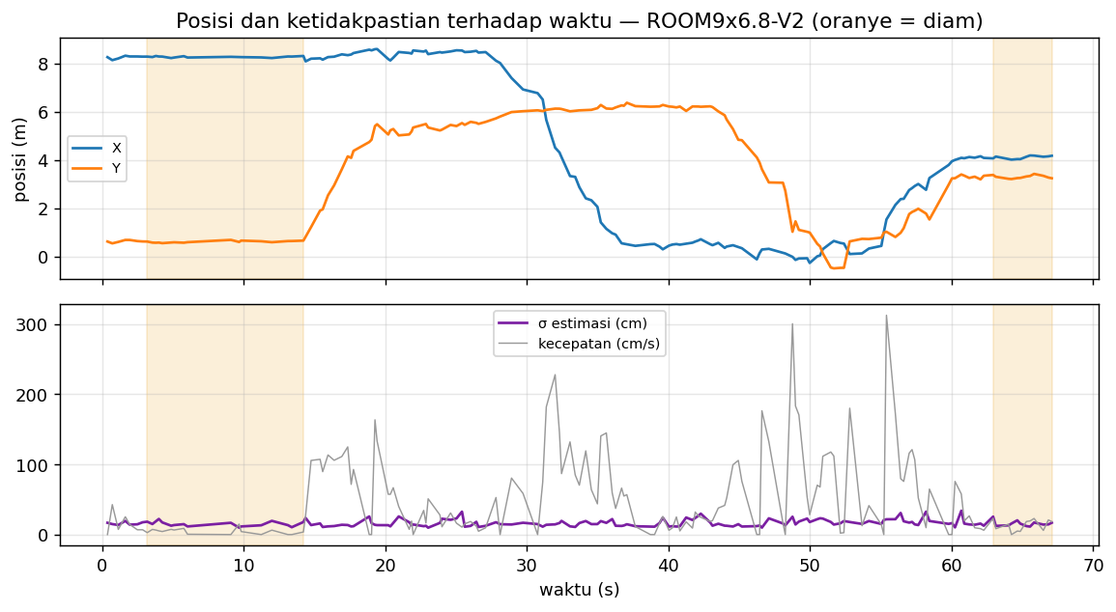

ROOM9x6.8-V3

