Product_backlog_START
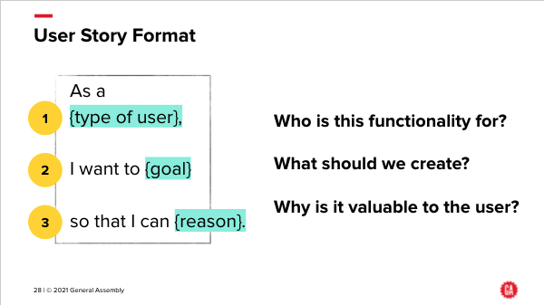
ID | User Story | Additional detail | status RAG | Notes / Questions | Priority # | Story Points
016 | As a potential investor, I want a recommendation on which wind turbine operators in the US market I should approach to invest in |  |  | can we complete on day 2 ? | 1 | 55
008 | As an investor, I want to better understand wind turbines so that I can make an informed decision on where to invest. | * How large are they? * Who are the manufacturers? * What is the capacity? * How large are the power plants? * Are there any manufacturers that require more maintenance than others? |  |  | 3 | 13
003 | As an investor, I want to know the dynamics of the Wind Turbine market in the US, so I can work out whether to invest in it | * How strong is the wind power market in the US? * Is the wind power market a good market to be in? |  |  | 4 | 21
009 | As an investor, I want to better understand any environmental issues with building wind turbines. | Wild life or airplane obstructions. |  |  | 5 | 55
004 | Are there any trends in the wind turbine industry over time? | * Analyze the wind turbine industry in the last few years |  |  | 6 | 13
005 | What is the future of wind turbines? Use machine learning to predict the future. | Possible areas to predict: * The size of wind turbines * The capacity of wind turbines * The size of the power plant * The location of the power plant |  |  | 7 | 34 | - User Stories: as a reminder, this slide shows the ideal format for a User Story
010 | As an investor, I want to know who owns which plants (and their turbines) across the USA, so I can assess the footprint of turbine owners in the USA. | * Owners (operators) of wind turbines in the USA * Wind energy generation per owner * Identify potential companies to approach to fund |  |  | 8 | 34
007 | As an investor, I want to understand the locations that the wind turbines are in, and how that matches with population data. | * Analyze the demographics of the location of the wind turbines * Connect the data to the Census data in Tableau using the t_fips feature. |  |  | 9 | 34 | Notes
011 | What is the total capacity per equipment manufacturer (OEM) of wind turbines? |  |  | story not in format. Hint: do not just a 'sum' | 10 | 2 | - Story Points These are estimates, and are not fixed units of time. They are relative to each other, so an item with a Story Point estimate of 8 is bigger than one with Story Point estimate of 5. The Story Point scale used is a Fibonacci scale, where each number in the scale is the sum of the two previous numbers, so 1,2,3,5,8,13,21,34,55,89. It's used so it's easier to estimate an item: rather than saying 'this one is a 13 and that one is a 12', you are saying things are considerably different in size to each other (or roughly the same, if you give them the same Story Points value). This is common in Spring and Backlog planning, and reflects the fact that things are estimated with the knowledge that the estimation won't be that accurate.
012 | Who are the main players in the original equipment manufacturer (OEM) market for wind turbines in the USA? How good are their turbines? | * Who are the key players? * How does the quality of their equipment vary? |  |  | 11 | 8
013 | As an investor, I want to see the locations and output power (capacity) of wind turbines across the USA. | * Map showing the current state of the US Wind Turbine market * Evolution of the US wind turbine market over time |  |  | 12 | 13
014 | As an Investor, I want to know who operates the wind turbines in the USA, and also whether they operate other types of power plants, so I can assess potential takeover targets. | * Owners (operators) of wind turbines in the USA * Wind energy generation per owner * Which other types of power the wind owners already own * Identify potential companies to approach to fund |  | keep what does not overlap with No.10 | 13 | 21
015 | Average wind speeds overlaid on a map of all wind turbines in the US, to show potential opportunities | * What about offshore, where winds are stronger? * Sources: AWS Truepower, National Renewable Energy Laboratory (NREL) * Source of wind speed data per US county per month from s 1930-1996: https://www.ncdc.noaa.gov/sites/default/files/attachments/wind1996.pdf |  |  | 14 | 34
002 | How transferable is wind power that is generated? How far can it travel and still be useful? | Need to know when assessing operators |  |  | 15 | 1
006 | As an investor, I want to understand whether wind power capacity can be forecast, to maximise the amount of wind power that can be generated, and minimise the amount of electricity that is wasted to produce wind power. |  |  |  | 16 | 55
ID | User Story | Additional detail |  |  | Priority # | Story Points
001 | As an analyst, I need to understand the datasets that we have, so we can produce a sound analysis as the basis for the investment recommendation | * Examine data sets (ones provided and any additional ones) * Work out which features to include in analsyis, and how to join data sets | A |  | H | 5
002 | As an analyst, I need to clean the data so that it can be analysed appropriately | * Rename columns to make them easy to understand * Handle nulls in the data * Reduce the Operators names in the companies data (if you look at them) | A > 10 = count |  | H | 13
003 | As an analyst, I need to conduct an exporatory data analysis (EDA) in order to know which areas to analyse in depth | * EDA |  |  | H | 8
004 | As an investor, I want to know what assumptions have been made in any recommendations that are made so I can check I agree with them, and what their impact is | * Document all key assumptions that are made as part of the data analysis (cleaning, processing, etc) * Include these assumptions in the Investment Committee presentation |  |  | H | 1
005 | As an investor, I want to know what the limitations are of using this data to try to understand the US wind turbine industry | * Biases in the data * Possible other data sources that may be necessary to look at |  |  | M | 2

