Sheet1
(Used Python Programming and data manipulation library Pandas):
 | index | Company Name | Website | Category | Manufacturer | Brand | Distributive | F&B | Probiotics | Fortification | Gut Health | Womens Health | Cognitive Health | relvent
0 | 1 | Dr. Reddy's Laboratories | www.drreddys.com | Bulk (manufacturer) | Yes | No | No | No | No | No | No | Yes | Yes | No
1 | 2 | Coca | colacompany.com | F&B | no | Yes | No | Yes | No | No | No | No | No | No
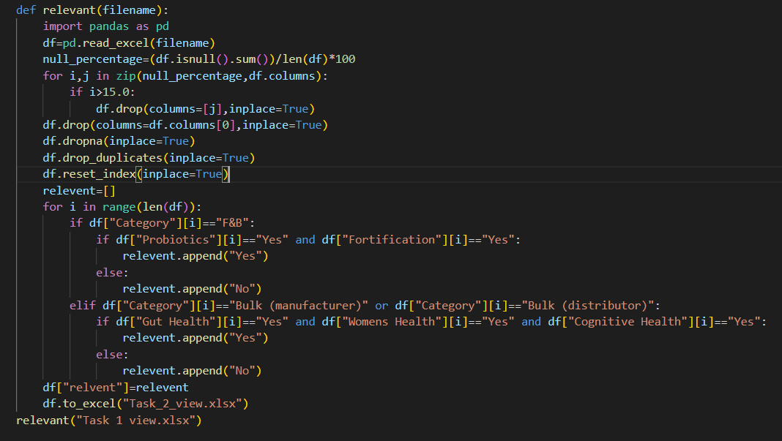
2 | 3 | Pfizer | www.pfizer.com | Bulk (manufacturer) | Yes | No | No | No | No | No | Yes | Yes | Yes | Yes
3 | 4 | PepsiCo | www.pepsico.com | F&B | No | Yes | No | Yes | Yes | Yes | Yes | No | No | Yes
4 | 5 | Johnson & Johnson | www.jnj.com | Bulk (manufacturer) | Yes | Yes | No | No | No | No | Yes | Yes | Yes | Yes
5 | 6 | Danone | www.danone.com | F&B | No | Yes | No | Yes | Yes | Yes | Yes | Yes | Yes | Yes
6 | 7 | Bayer | www.bayer.com | Bulk (manufacturer) | Yes | No | No | No | No | No | Yes | Yes | Yes | Yes
7 | 8 | General Mills | www.generalmills.com | F&B | No | Yes | No | Yes | Yes | Yes | Yes | No | Yes | Yes
8 | 9 | GlaxoSmithKline (GSK) | www.gsk.com | Bulk (manufacturer) | Yes | No | No | No | No | No | No | Yes | Yes | No
9 | 10 | Kellogg’s | www.kelloggs.com | F&B | No | Yes | No | Yes | Yes | Yes | Yes | No | Yes | Yes
10 | 11 | Merck & Co. | www.merck.com | Bulk (manufacturer) | Yes | No | No | No | No | No | No | Yes | Yes | No
11 | 12 | Unilever | www.unilever.com | F&B | No | Yes | No | Yes | Yes | Yes | Yes | Yes | Yes | Yes
12 | 13 | Roche | www.roche.com | Bulk (manufacturer) | Yes | No | No | No | No | No | No | Yes | Yes | No
13 | 14 | Sanofi | www.sanofi.com | Bulk (manufacturer) | Yes | No | No | No | No | No | Yes | Yes | Yes | Yes
14 | 15 | Mondelez International | www.mondelezinternational.com | F&B | No | Yes | No | Yes | No | Yes | No | No | No | No
15 | 16 | Novartis | www.novartis.com | Bulk (manufacturer) | Yes | No | No | No | No | No | No | Yes | Yes | No
16 | 17 | Kraft Heinz | www.kraftheinzcompany.com | F&B | No | Yes | No | Yes | Yes | Yes | Yes | No | No | Yes
17 | 18 | Eli Lilly and Company | www.lilly.com | Bulk (manufacturer) | Yes | No | No | No | No | No | No | Yes | Yes | No
18 | 19 | Tyson Foods | www.tysonfoods.com | F&B | No | Yes | No | Yes | No | No | No | No | No | No
19 | 20 | Teva Pharmaceuticals | www.tevapharm.com | Bulk (manufacturer) | Yes | No | No | No | No | No | No | Yes | Yes | No
20 | 21 | Mars, Incorporated | www.mars.com | F&B | No | Yes | No | Yes | No | Yes | No | No | Yes | No
21 | 22 | AbbVie | www.abbvie.com | Bulk (manufacturer) | Yes | No | No | No | No | No | No | Yes | No | No
22 | 23 | Campbell Soup Company | www.campbellsoupcompany.com | F&B | No | Yes | No | Yes | Yes | Yes | Yes | No | Yes | Yes
23 | 24 | Amgen | www.amgen.com | Bulk (manufacturer) | Yes | No | No | No | No | No | No | Yes | Yes | No
24 | 25 | Conagra Brands | www.conagrabrands.com | F&B | No | Yes | No | Yes | No | Yes | Yes | No | Yes | No
25 | 26 | AstraZeneca | www.astrazeneca.com | Bulk (manufacturer) | Yes | No | No | No | No | No | No | Yes | Yes | No
26 | 27 | Molson Coors | www.molsoncoors.com | F&B | No | Yes | No | Yes | No | No | No | No | No | No
27 | 28 | Boehringer Ingelheim | www.boehringeringelheim.com | Bulk (manufacturer) | Yes | No | No | No | No | No | No | Yes | Yes | No
28 | 29 | AB InBev | www.abinbev.com | F&B | No | Yes | No | Yes | No | No | No | No | No | No
29 | 30 | BASF | www.basf.com | Bulk (manufacturer) | Yes | Yes | No | No | No | No | No | Yes | Yes | No
30 | 31 | Diageo | www.diageo.com | F&B | No | No | No | Yes | No | No | No | No | No | No
31 | 33 | Heineken | www.theheinekencompany.com | F&B | No | Yes | No | Yes | No | No | No | No | No | No
32 | 34 | Medtronic | www.medtronic.com | Bulk (manufacturer) | Yes | No | No | No | No | No | No | Yes | No | No
33 | 35 | McKesson | www.mckesson.com | Bulk (distributor) | No | No | Yes | No | No | No | No | No | No | No
34 | 36 | AmerisourceBergen | www.amerisourcebergen.com | Bulk (distributor) | No | No | Yes | No | No | No | No | No | No | No
35 | 37 | Cardinal Health | www.cardinalhealth.com | Bulk (distributor) | No | No | Yes | No | No | No | No | No | No | No
36 | 38 | Medline Industries | www.medline.com | Bulk (distributor) | No | No | Yes | No | No | No | No | Yes | No | No

Condition for labelling relevant and non-relevant :
1) If category = “F&B” and probiotics=”yes” and fortification = “Yes”
then relevant=”Yes”
else
then relevant=”No”
2) If category=”Bulk(Manufacturer) or “Bulk (Distributor)” and Gut health=”Yes” and Womens Health=”Yes” and Cognitive Health=”Yes” then relevent=”Yes”
else
then relevent=”No”

