Veh Occ
Weighted Occupancy By Purpose
 | Weekday Occupancy | Weekend Occupancy
TofromWork | 1.33 | 1.2347652518
Work Related | 1.48 | 1.4410415795
Shopping | 1.78 | 2.1217947417
Family/Personal | 2.13 | 2.0839482236
School/Church | 2.08 | 2.7592496671
Medical/DDS | 1.76 | 1.9031548554
Vacation | 2.9 | 2.7025198713
Visit Friends | 2.01 | 2.2996354422
Social Recreational | 2.24 | 2.4071890525
Other | 1.99 | 2.685250562
Weekday - Personal Vehicle Occupancy
Purpose (Whytrp90) |  | Unweighted | Weighted |  | 01 = Home | 10 = Work | 20 = School/Daycare/Religious activity | 30 = Medical/Dental services | 40 = Shopping/Errands | 50 = Social/Recreational | 60 = Family personal business/Obligations | 70 = Transport someone | 80 = Meals | 97 = Other reason
TofromWork | 1 | 1.12 | 1.33 | Weekday | 1.5 | 1.15 | 2.08 | 1.76 | 1.78 | 2.24 | 2.13 | 2.25 | 2.00 | 1.99
Work Related | 2 | 1.18 | 1.48 | Saturday | 2 | 1.23 | 1.72 | 1.54 | 1.71 | 2.14 | 1.79 | 2.25 | 2 | 2.41
Shopping | 3 | 1.39 | 1.78 | Sunday | 2 | 1.17 | 2.3 | 1.78 | 1.8 | 2.15 | 1.92 | 2.5 | 2 | 2.33
Family/Personal | 4 | 1.61 | 2.13
School/Church | 5 | 1.49 | 2.08
Medical/DDS | 6 | 1.42 | 1.76
Vacation | 7 | 2.01 | 2.90
Visit Friends | 8 | 1.48 | 2.01
Social Recreational | 10 | 1.66 | 2.24
Other | 11 | 1.48 | 1.99
N/A | 98 | 1.31 | 1.74
Refused | 99 | 1.59 | 2.03

Weekend - Personal Vehicle Occupancy
Purpose (Whytrp90) |  | Unweighted | Weighted
TofromWork | 1 | 1.22 | 1.23
Work Related | 2 | 1.41 | 1.44
Shopping | 3 | 1.96 | 2.12
Family/Personal | 4 | 1.98 | 2.08
School/Church | 5 | 2.48 | 2.76
Medical/DDS | 6 | 1.85 | 1.90
Vacation | 7 | 2.55 | 2.70
Visit Friends | 8 | 2.20 | 2.30
Social Recreational | 10 | 2.28 | 2.41
Other | 11 | 2.49 | 2.69
Weighted Occupancy By Purpose
 | Weekday Occupancy | Saturday Occupancy | Sunday Occupancy
TofromWork | 1.33 | 1.09 | 1.17
Work Related | 1.48 | 1.28 | 1.24
Shopping | 1.78 | 1.71 | 1.8
Family/Personal | 2.13 | 1.79 | 1.92
School/Church | 2.08 | 1.72 | 2.3
Medical/DDS | 1.76 | 1.54 | 1.78
Vacation | 2.9 | 2.52 | 2.47
Visit Friends | 2.01 | 1.84 | 2.02
Social Recreational | 2.24 | 2.14 | 2.15
Other | 1.99 | 2.41 | 2.33
N/A | 98 | 2.09 | 2.06
Refused | 99 | 2.15 | 1.70

Saturday - Personal Vehicle Occupancy
Purpose (Whytrp90) |  | Unweighted | Weighted
TofromWork | 1 | 1.11 | 1.09
Work Related | 2 | 1.28 | 1.28
Shopping | 3 | 1.60 | 1.71
Family/Personal | 4 | 1.71 | 1.79
School/Church | 5 | 1.78 | 1.72
Medical/DDS | 6 | 1.51 | 1.54
Vacation | 7 | 2.36 | 2.52
Visit Friends | 8 | 1.77 | 1.84
Social Recreational | 10 | 2.01 | 2.14
Other | 11 | 2.00 | 2.41
N/A | 98 | 1.42 | 1.28
Refused | 99 | 2.17 | 1.41

Sunday - Personal Vehicle Occupancy
Purpose (Whytrp90) |  | Unweighted | Weighted
TofromWork | 1 | 1.13 | 1.17
Work Related | 2 | 1.27 | 1.24
Shopping | 3 | 1.62 | 1.80
Family/Personal | 4 | 1.87 | 1.92
School/Church | 5 | 1.96 | 2.30
Medical/DDS | 6 | 1.63 | 1.78
Vacation | 7 | 2.13 | 2.47
Visit Friends | 8 | 1.81 | 2.02
Social Recreational | 10 | 2.01 | 2.15
Other | 11 | 2.00 | 2.33
N/A | 98 | 1.71 | 1.65
Refused | 99 | 1.55 | 1.36

Pk Tem Dist
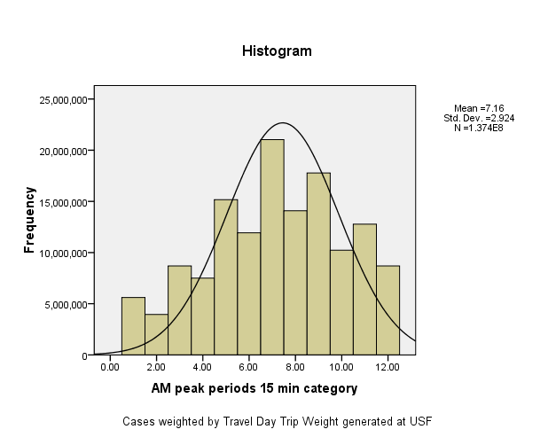
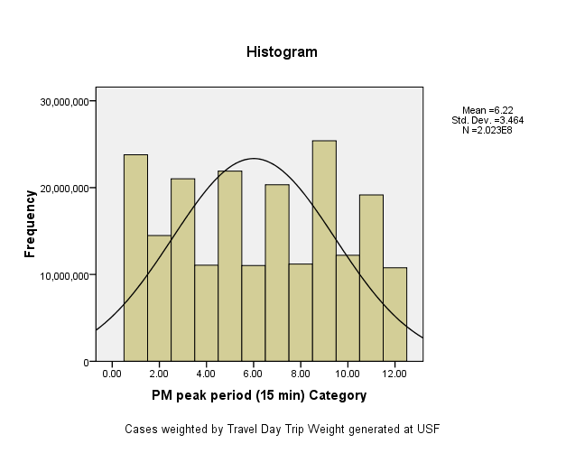
 |  | Ratio of Number of trips in peak period to Number of trips in peak hour of peak period.

AM peak Factor = | 137431045 | 2.120 |  | 2.120 | PM peak Factor = | 202349796 | 2.876 |  | 2.876
 | 64818193 |  |  |  |  | 70361527

AM peak periods using start time (15 min) Category |  |  |  |  | PM peak period using start time (15 min) Category
 | Frequency | Percent | Cumulative Percent |  |  | Frequency | Percent | Cumulative Percent
6:00 to 6:14 AM | 5609212 | 4.1 | 4.1 |  | 3:00 to 3:14 PM | 23787078 | 11.8 | 11.8
6:15 to 6:29 AM | 3948179 | 2.9 | 7.0 |  | 3:15 to 3:29 PM | 14486652 | 7.2 | 18.9
6:30 to 6:44 AM | 8687343 | 6.3 | 13.3 |  | 3:30 to 3:44 PM | 21020197 | 10.4 | 29.3
6:45 to 6:59 AM | 7498339 | 5.5 | 18.7 |  | 3:45 to 3:59 PM | 11067600 | 5.5 | 34.8
7:00 to 7:14 AM | 15170609 | 11.0 | 29.8 |  | 4:00 to 4:14 PM | 21897390 | 10.8 | 45.6
7:15 to 7:29 AM | 11925522 | 8.7 | 38.4 |  | 4:15 to 4:29 PM | 11031452 | 5.5 | 51.0
7:30 to 7:44 AM | 21036095 | 15.3 | 53.8 |  | 4:30 to 4:44 PM | 20327667 | 10.0 | 61.1
7:45 to 7:59 AM | 14082169 | 10.2 | 64.0 |  | 4:45 to 4:59 PM | 11195343 | 5.5 | 66.6
8:00 to 8:14 AM | 17774406 | 12.9 | 76.9 |  | 5:00 to 5:14 PM | 25392340 | 12.5 | 79.2
8:15 to 8:29 AM | 10226776 | 7.4 | 84.4 |  | 5:15 to 5:29 PM | 12207454 | 6.0 | 85.2
8:30 to 8:44 AM | 12778478 | 9.3 | 93.7 |  | 5:30 to 5:44 PM | 19165100 | 9.5 | 94.7
8:45 to 8:59 AM | 8693916 | 6.3 | 100.0 |  | 5:45 to 5:59 PM | 10771521 | 5.3 | 100.0
Total | 137431045 | 100.0 |  |  | Total | 202349796 | 100.0

