Sheet1
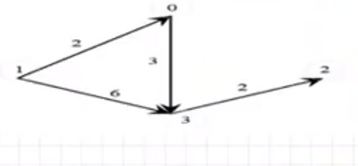
4
 | 0 | 1 | 2 | 3 |  | 0 | 1 | 2 | 3
0 | 0 | 0 | 0 | 3 | 0 | 0 | 2 | 0 | 3
1 | 2 | 0 | 0 | 6 | 1 | 2 | 0 | 0 | 6
2 | 0 | 0 | 0 | 0 | 2 | 0 | 0 | 0 | 2
3 | 0 | 0 | 2 | 0 | 3 | 3 | 6 | 2 | 0

 |  |  |  |  | 0

