Sheet1
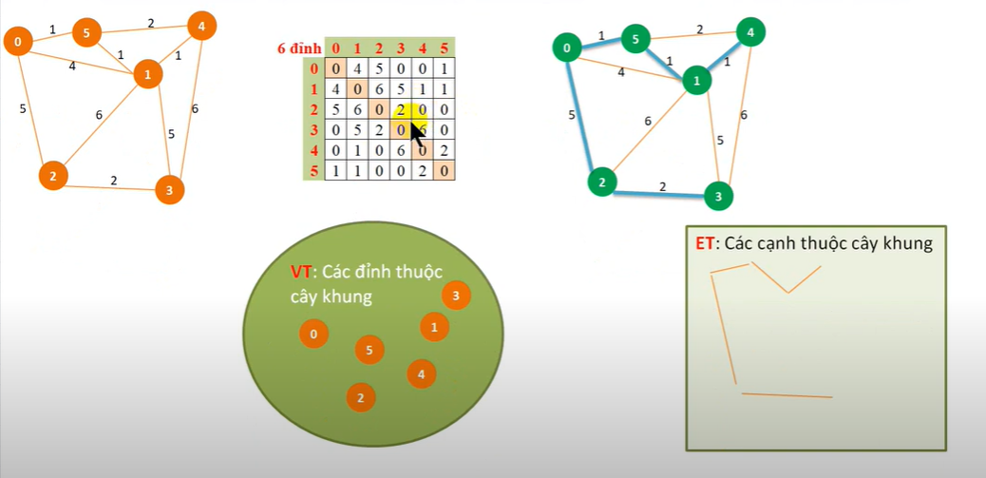
6
 | 0 | 1 | 2 | 3 | 4 | 5
0 | 0 | 4 | 5 | 0 | 0 | 1
1 | 4 | 0 | 6 | 5 | 1 | 1
2 | 5 | 6 | 0 | 2 | 0 | 0
3 | 0 | 5 | 2 | 0 | 6 | 0
4 | 0 | 1 | 0 | 6 | 0 | 2
5 | 1 | 1 | 0 | 0 | 2 | 0

