Sheet1
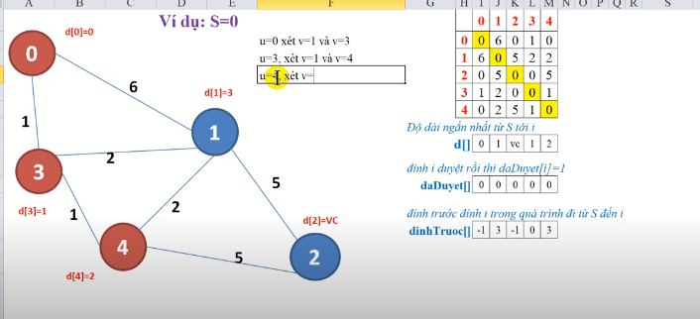
5
 | 0 | 1 | 2 | 3 | 4
0 | 0 | 6 | 0 | 1 | 0
1 | 6 | 0 | 5 | 2 | 2
2 | 0 | 5 | 0 | 0 | 5
3 | 1 | 2 | 0 | 0 | 1
4 | 0 | 2 | 5 | 1 | 0

