Front Page
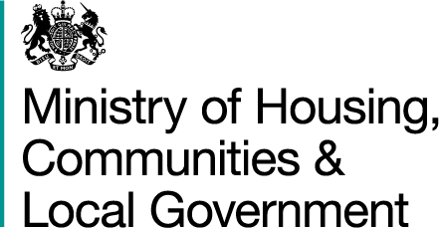

REVENUE ACCOUNT BUDGET 2020-21

The data from this spreadsheet have been used to compile the National Statistics release "Local authority revenue expenditure and financing England: 2020-21 Budget" which was orignally published on 9 July 2020. This was updated on 28 August 2020 to include returns from 8 authorities who sumbitted after publication time and revisions from 2 authorities . This is found at:

https://www.gov.uk/government/collections/local-authority-revenue-expenditure-and-financing

The spreadsheet contains budget estimates of local authority revenue expenditure and financing for the financial year 1 April 2020 to 31 March 2021. These estimates are on a non International Accounting Standards 19 (IAS19) & Private Finance Initiative (PFI) on an "Off Balance Sheet" basis except where stated otherwise.

To help users better interpret the data, five additional columns (F-J) have been added to the 'RA LA Data 2020-21' sheet to indicate whether a Local authority has made any Covid-19 adjustments to their return or not, to indicate the additional Covid-19 related income a local authority has reported and to indicate the expenditure adjustments to categories of service areas a local authority has made due to Covid-19.

This is an interactive spreadsheet where by using the drop-down button in the 'LA drop-down' sheet you can produce the summary page by England, classification and individual local authority level.

The spreadsheet has been compiled by the Local Government Finance team in the Data, Analytics and Statistics division of Ministry of Housing, Communities and Local Government.

We welcome comments and suggestions for further improvement or about your experiences with this product. This may include comments on data quality, timing and the format of the statistics. Please contact us at:

lgf1.revenue@communities.gov.uk
 | Originally published: 9 July 2020
 | Last Updated: 1 October 2020

