Front_Page
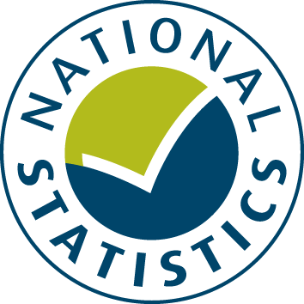

General Fund Revenue Account Outturn
RO2 - HIGHWAYS AND TRANSPORT SERVICES 2020-21

This table provides a summary of local authority expenditure on Highways and Transport service spend in England for 2020-21. This includes detail on specific Transport services such as Highways and roads maintenance, Parking services and Public transport.

Data from this workbook have been used to compile the National Statistics release "Local Authority Revenue Expenditure and Financing: 2020-21 Final Outturn, England". This is found at:

https://www.gov.uk/government/collections/local-authority-revenue-expenditure-and-financing

The workbook contains revenue outturn data of local authority revenue expenditure and financing for the financial year April 2020 to March 2021. These estimates are on a non-International Accounting Standard 19 (IAS19) and PFI “Off Balance Sheet” basis except where stated otherwise.

Relevant information to revenue data for 2020-21

Please note: The data is based on complete returns from 430 of the 432 local authorities in England. The data for the missing 2 local authorities have been imputed for and included in the England total but not identified separately.

This is an interactive spreadsheet where by using the drop-down button in the 'LA drop-down' sheet you can produce the summary page by England, classification and individual local authority level.

The spreadsheet has been compiled by the Data, Analytics and Statistics division of the Department for Levelling Up, Housing and Communities.

We welcome comments and suggestions for further improvement or about your experiences with this product. This may include comments on data quality, timing and the format of the statistics. Please contact us at:

lgf1.revenue@levellingup.gov.uk

