Front Page

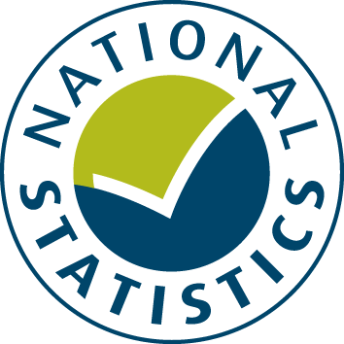

General Fund Revenue Account Outturn
RO2 - HIGHWAYS AND TRANSPORT SERVICES 2017-18

This table provides a summary of local authority expenditure on Highways and Transport service spend in England for 2017-18. This includes detail on specific Transport services such as Highways and roads maintenance, Parking Services and Public Transport.

Data from this workbook have been used to compile the National Statistics release "Local Authority Revenue Expenditure and Financing: 2017-18 Final Outturn, England" which was published on 15 November 2018. This is found at:

https://www.gov.uk/government/collections/local-authority-revenue-expenditure-and-financing

The workbook contains revenue outturn data of local authority revenue expenditure and financing for the financial year April 2016 to March 2017. These estimates are on a non-International Accounting Standard 19 (IAS19) and PFI “Off Balance Sheet” basis except where stated otherwise.

Relevant information to revenue data for 2017-18

Please note: The data is based on complete returns from 443 of the 444 local authorities in England. We did not receive a return from Copeland. This has been imputed for and included in the England total but not identified seperately.

This is an interactive spreadsheet where by using the drop-down button in the 'LA drop-down' sheet you can produce the summary page by England, classification and individual local authority level.

The spreadsheet has been compiled by the Data, Analytics and Statistics division of the Ministry of Housing, Communities and Local Government

We welcome comments and suggestions for further improvement or about your experiences with this product. This may include comments on data quality, timing and the format of the statistics. Please contact us at:

lgf1.revenue@communities.gov.uk

