Kuva tietokannasta
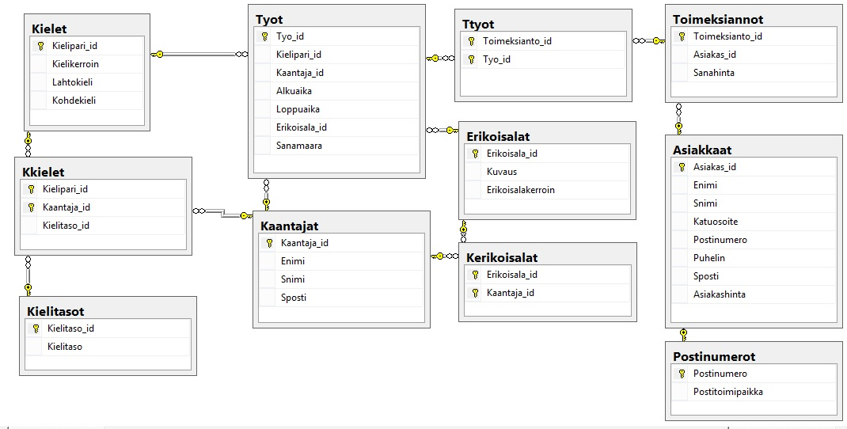
Kuva

