DATA (2)
...
FeT | Pb | Zn | Bi
2.17 | 145.69 | 776.83 | 0.00
2.16 | 104.93 | 327.93 | 0.00
3.38 | 104.25 | 1,175.46 | 0.00
3.38 | 104.25 | 1,175.46 | 0.00
2.12 | 92.08 | 678.65 | 0.00
2.48 | 73.48 | 321.66 | 0.00
2.31 | 71.76 | 296.07 | 0.00
2.56 | 74.11 | 293.00 | 0.00
2.69 | 64.02 | 436.74 | 0.00
2.54 | 39.95 | 431.27 | 0.00
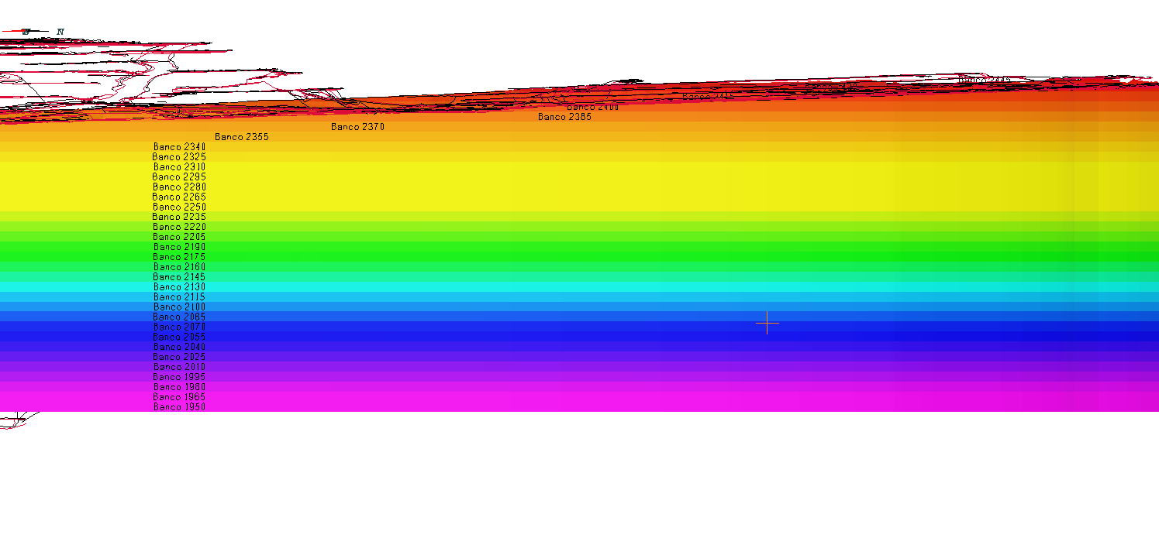
2.91 | 24.07 | 189.03 | 0.00
2.10 | 101.38 | 659.09 | 0.00
3.26 | 123.24 | 811.28 | 0.00
2.89 | 148.26 | 448.62 | 0.00
3.08 | 192.55 | 972.49 | 0.00
3.73 | 162.42 | 1,177.08 | 0.00
3.10 | 22.97 | 179.50 | 0.00
3.62 | 149.28 | 800.49 | 0.00
2.70 | 144.74 | 356.59 | 0.00
3.49 | 135.32 | 553.50 | 0.00
2.52 | 76.15 | 342.65 | 0.00
2.45 | 129.50 | 515.18 | 0.00
2.74 | 103.67 | 490.59 | 0.00
1.90 | 218.64 | 1,250.80 | 0.00
2.35 | 62.63 | 384.41 | 0.00
2.49 | 91.27 | 212.29 | 0.00
2.51 | 88.74 | 368.51 | 0.00
2.59 | 134.94 | 643.07 | 0.00
2.34 | 95.84 | 548.77 | 0.00
2.41 | 83.52 | 293.24 | 0.00
2.08 | 96.86 | 317.66 | 0.00
2.28 | 99.34 | 407.86 | 0.00
2.41 | 81.84 | 413.24 | 0.00
2.31 | 139.22 | 568.35 | 0.00
2.07 | 91.72 | 585.66 | 0.00
2.11 | 125.72 | 326.52 | 0.00
1.96 | 234.80 | 750.55 | 0.00
4.12 | 196.39 | 1,194.80 | 0.00
1.96 | 222.17 | 701.87 | 0.00
2.94 | 121.40 | 487.67 | 0.00
3.38 | 151.45 | 645.67 | 0.00
3.51 | 202.80 | 1,346.01 | 0.00
2.86 | 204.13 | 1,104.72 | 0.00
2.66 | 366.75 | 1,480.77 | 0.00
2.71 | 321.98 | 1,198.47 | 0.00
2.70 | 291.69 | 1,202.41 | 0.00
3.42 | 226.78 | 886.90 | 0.00
3.47 | 156.64 | 636.53 | 0.00
3.11 | 303.74 | 1,810.08 | 0.00
3.50 | 1,603.53 | 5,868.24 | 0.00
4.28 | 148.69 | 1,140.32 | 0.00
4.14 | 180.79 | 1,515.01 | 0.00
2.63 | 241.24 | 1,211.64 | 0.00
2.65 | 100.23 | 1,295.19 | 0.00
4.51 | 206.37 | 2,546.76 | 0.00
1.71 | 370.71 | 3,389.45 | 0.00
2.12 | 267.45 | 1,532.08 | 0.00
2.43 | 196.96 | 2,272.16 | 0.00
2.63 | 199.69 | 2,097.90 | 0.00
2.71 | 134.55 | 1,465.92 | 0.00
2.38 | 131.19 | 1,526.81 | 0.00
2.55 | 86.05 | 1,338.07 | 0.00
2.44 | 210.19 | 2,123.54 | 0.00
5.53 | 188.38 | 878.64 | 0.00
4.56 | 228.21 | 1,240.42 | 0.00
4.76 | 87.50 | 675.70 | 0.00
4.49 | 198.56 | 993.04 | 0.00
3.85 | 74.88 | 1,361.51 | 0.00
3.26 | 144.78 | 1,654.45 | 0.00
3.49 | 170.29 | 1,572.10 | -
2.79 | 96.58 | 1,266.78 | -
2.89 | 688.81 | 1,656.39 | 0.00
3.72 | 228.40 | 1,345.66 | 0.00
3.99 | 237.14 | 1,365.91 | 0.00
4.19 | 144.22 | 1,373.67 | 0.00
4.19 | 110.39 | 705.68 | 0.00
4.19 | 110.39 | 705.68 | 0.00
3.93 | 81.13 | 1,067.05 | 0.00
4.46 | 72.87 | 450.66 | 0.00
3.68 | 81.86 | 473.81 | 0.00
4.50 | 125.16 | 875.56 | 0.00
7.69 | 96.81 | 1,199.74 | 0.00
5.06 | 206.70 | 812.09 | 0.00
4.67 | 198.74 | 895.35 | 0.00
4.05 | 183.10 | 1,151.13 | 0.00
4.14 | 180.79 | 1,515.01 | 0.00
2.63 | 241.24 | 1,211.64 | 0.00
2.65 | 100.23 | 1,295.19 | 0.00
...

