Sheet1
Point positions | x | y |  | d1 = | 5.3 | nm | Angle | (°)
O | 0.00 | 0.00 |  | d2 = | 4.1 | nm | a = | 35
A | -2.65 | 1.53 |  | tangente = | 4.59 | nm
B | 0.00 | -3.06 |  | Distance: |  |  | b = | 35
C | 2.65 | 1.53 |  | AB | 5.3 | nm
A1 | -0.61 | 1.71 |  | AC | 5.3 | nm | g = | 35
A2 | -4.69 | 1.35 |  | AO=BO=CO= | 3.0599564267 | nm
B1 | -1.18 | -1.38 |  | A1A2 = | 4.1
B2 | 1.18 | -4.74 |  | B1B2 = | 4.1
C1 | 1.78 | -0.33 |  | C1C2 = | 4.1
C2 | 3.52 | 3.39 |  | Distance Calculations
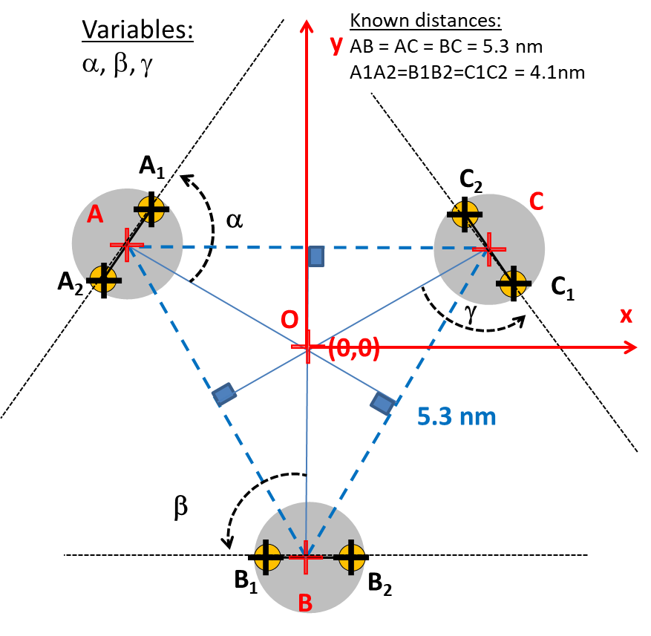
 |  |  |  | A1B1 = | 3.14 | nm
 |  |  |  | A1B2 = | 6.7 | nm
 |  |  |  | A1C1 = | 3.1 | nm
 |  |  |  | A1C2 = | 4.5 | nm
 |  |  |  | A2B1 = | 4.5 | nm
 |  |  |  | A2B2 = | 8.5 | nm
 |  |  |  | A2C1 = | 6.7 | nm
 |  |  |  | A2C2 = | 8.5 | nm
 |  |  |  | B1C1 = | 3.1 | nm
 |  |  |  | B1C2 = | 6.7 | nm
 |  |  |  | B2C1 = | 4.5 | nm
 |  |  |  | B2C2 = | 8.5 | nm

Point positions | x | y
O | 0.00 | 0.00
A | -2.65 | 1.53
B | 0.00 | -3.06
C | 2.65 | 1.53
A1 | -0.87 | 0.50
A2 | -4.43 | 2.55
B1 | 0.00 | -1.01
B2 | 0.00 | -5.11
C1 | 0.87 | 0.50
C2 | 4.43 | 2.55
Angles | A1B1 = B1C1= A1C1 (nm) | A1C2= A2B1 = B2C1 (nm) | A1B2 = A2C1 = B1C2 | A2B2 = B2C2 = A2C2 (nm)
0 | 1.75 | 5.68 | 5.68 | 8.85
10 | 1.91 | 5.34 | 6.01 | 8.82
20 | 2.31 | 4.99 | 6.30 | 8.72
30 | 2.85 | 4.63 | 6.57 | 8.56
40 | 3.44 | 4.28 | 6.80 | 8.34
50 | 4.06 | 3.96 | 7.00 | 8.06
60 | 4.68 | 3.67 | 7.15 | 7.71
70 | 5.27 | 3.45 | 7.26 | 7.32
80 | 5.84 | 3.30 | 7.33 | 6.87
90 | 6.38 | 3.25 | 7.35 | 6.38
100 | 6.87 | 3.30 | 7.33 | 5.84
110 | 7.32 | 3.45 | 7.26 | 5.27
115 | 7.52 | 3.55 | 7.21 | 4.98
120 | 7.71 | 3.67 | 7.15 | 4.68
125 | 7.89 | 3.81 | 7.08 | 4.37
130 | 8.06 | 3.96 | 7.00 | 4.06
140 | 8.34 | 4.28 | 6.80 | 3.44
150 | 8.56 | 4.63 | 6.57 | 2.85
160 | 8.72 | 4.99 | 6.30 | 2.31
170 | 8.82 | 5.34 | 6.01 | 1.91
180 | 8.85 | 5.68 | 5.68 | 1.75

