Topologi
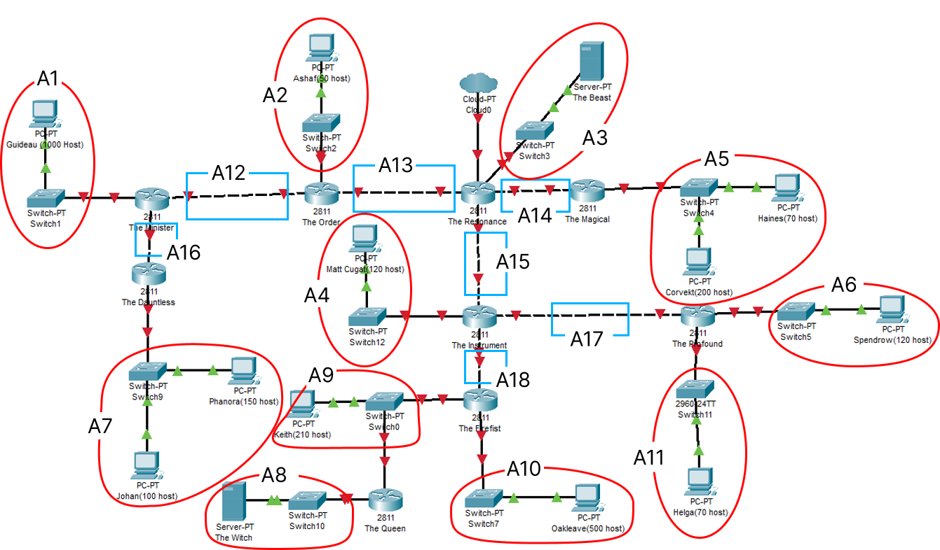
Jenis Jaringan | Nama Subnet | Jumlah Host | Dialokasikan | Mask
Subnet | A1 | 1001 | 1024 | /22 | Mask | Jumlah
Subnet | A2 | 51 | 62 | /26 | /22 | 1
Switch - Server | A3 | 2 | 4 | /30 | /23 | 2
Subnet | A4 | 121 | 126 | /25 | /24 | 2
Subnet | A5 | 271 | 510 | /23 | /25 | 3
Subnet | A6 | 121 | 126 | /25 | /26 | 1
Subnet | A7 | 251 | 254 | /24 | /27 | 0
Switch - Server | A8 | 2 | 4 | /30 | /28 | 0
Subnet | A9 | 212 | 254 | /24 | /29 | 0
Subnet | A10 | 501 | 510 | /23 | /30 | 9
Subnet | A11 | 71 | 126 | /25 | Total | 18
Router - Router | A12 | 2 | 4 | /30
Router - Router | A13 | 2 | 4 | /30
Router - Router | A14 | 2 | 4 | /30
Router - Router | A15 | 2 | 4 | /30 | 2618 | /20
Router - Router | A16 | 2 | 4 | /30
Router - Router | A17 | 2 | 4 | /30
Router - Router | A18 | 2 | 4 | /30

VLSM
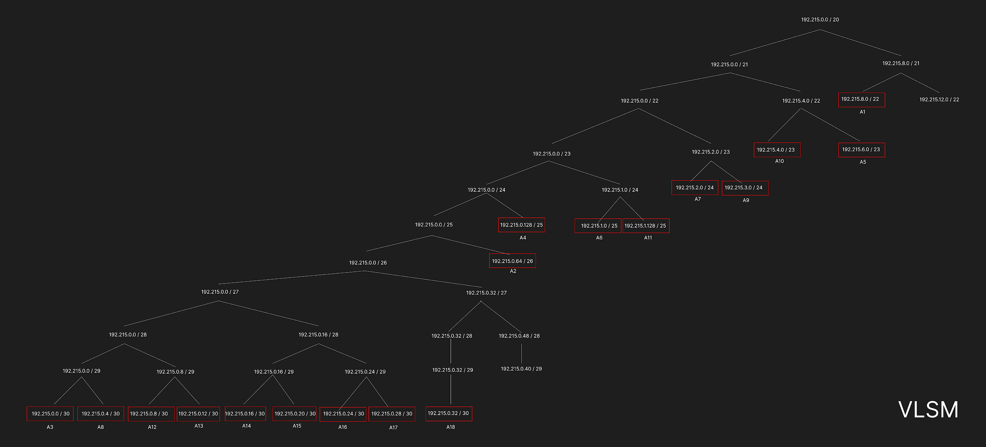
Nama Subnet | Size Diperlukan | Dialokasikan | Netmask | Subnet Mask | Network ID | Assignable IP Range | Broadcast Address
A3 | 2 | 2 | /30 | 255.255.255.252 | 192.215.0.0 | 192.215.0.1 - 192.215.0.2 | 192.215.0.3
A8 | 2 | 2 | /30 | 255.255.255.252 | 192.215.0.4 | 192.215.0.5 - 192.215.0.6 | 192.215.0.7
A12 | 2 | 2 | /30 | 255.255.255.252 | 192.215.0.8 | 192.215.0.9 - 192.215.0.10 | 192.215.0.11
A13 | 2 | 2 | /30 | 255.255.255.252 | 192.215.0.12 | 192.215.0.13 - 192.215.0.14 | 192.215.0.15
A14 | 2 | 2 | /30 | 255.255.255.252 | 192.215.0.16 | 192.215.0.17 - 192.215.0.18 | 192.215.0.19
A15 | 2 | 2 | /30 | 255.255.255.252 | 192.215.0.20 | 192.215.0.21 - 192.215.0.22 | 192.215.0.23
A16 | 2 | 2 | /30 | 255.255.255.252 | 192.215.0.24 | 192.215.0.25 - 192.215.0.26 | 192.215.0.27
A17 | 2 | 2 | /30 | 255.255.255.252 | 192.215.0.28 | 192.215.0.29 - 192.215.0.30 | 192.215.0.31
A18 | 2 | 2 | /30 | 255.255.255.252 | 192.215.0.32 | 192.215.0.33 - 192.215.0.34 | 192.215.0.35
A2 | 51 | 62 | /26 | 255.255.255.192 | 192.215.0.64 | 192.215.0.65 - 192.215.0.126 | 192.215.0.127
A4 | 121 | 126 | /25 | 255.255.255.128 | 192.215.0.128 | 192.215.0.129 - 192.215.0.254 | 192.215.0.255
A6 | 121 | 126 | /25 | 255.255.255.128 | 192.215.1.0 | 192.215.1.1 - 192.215.1.126 | 192.215.1.127
A11 | 71 | 126 | /25 | 255.255.255.128 | 192.215.1.128 | 192.215.1.129 - 192.215.1.254 | 192.215.1.255
A7 | 251 | 254 | /24 | 255.255.255.0 | 192.215.2.0 | 192.215.2.1 - 192.215.2.254 | 192.215.2.255
A9 | 212 | 254 | /24 | 255.255.255.0 | 192.215.3.0 | 192.215.3.1 - 192.215.3.254 | 192.215.3.255
A10 | 501 | 510 | /23 | 255.255.254.0 | 192.215.4.0 | 192.215.4.1 - 192.215.5.254 | 192.215.5.255
A5 | 271 | 510 | /23 | 255.255.254.0 | 192.215.6.0 | 192.215.6.1 - 192.215.7.254 | 192.215.7.255
A1 | 1001 | 1022 | /22 | 255.255.252.0 | 192.215.8.0 | 192.215.8.1 - 192.215.11.254 | 192.215.11.255
Total | 2618 |  | /20

