User Stories
 | Training Management System
 | 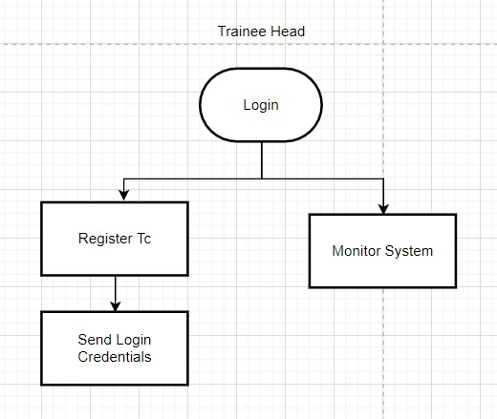

Training Head

User Story | Acceptance Criteria | Assumption | Constraints

As a training head, I want to log in to the system | It has two credentials (username, password) | Can log in with the credentials. The credentials must be correct. | The Head should have a credential.

As a training head, I want to go to the dashboard. | After logging in, It should go to the dashboard. | A dashboard can show the count of all actions.(count of coordinators, trainers, trainees, department). | The dashboard must be present.

As a training head, I want to register the coordinator. | Based on the details, create the credentials for the coordinator. | The Head should be aware of the coordinator’s details. | Coordinator details must be correct.

As a training head, I want to view all the activities. | Should monitor all the activities of the system | It should contain the overall details about the coordinator, trainer, and trainee. | As head, I should be able to access and view the whole system.

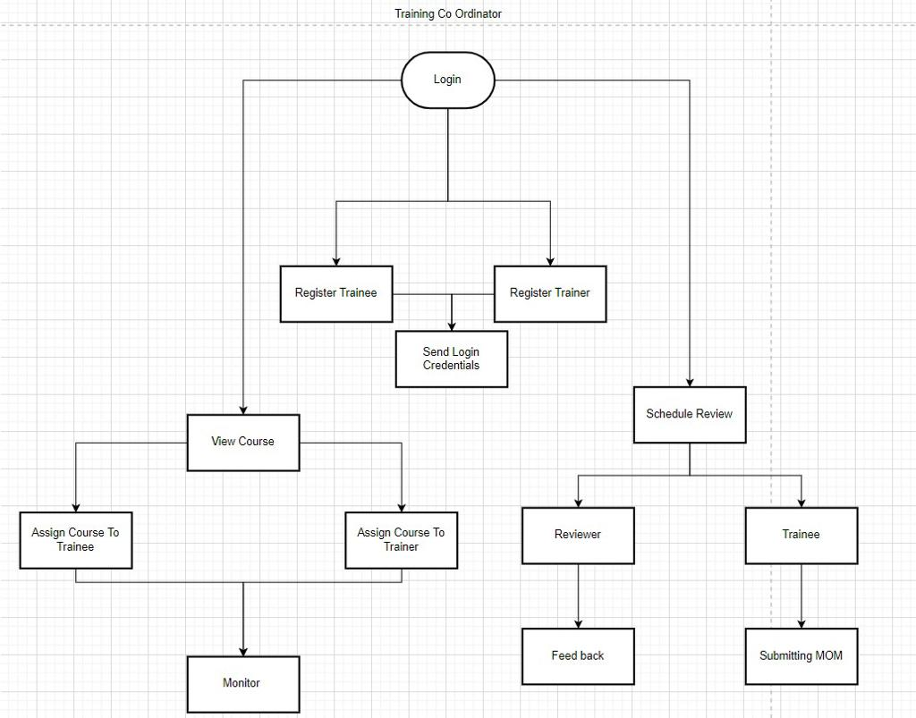

Training Co Ordinator

User Story | Acceptance Criteria | Assumption | Constraints
1)As a Training coordinator I want to login to the system so that I can Access the application. | ü Training coordinator should have been registered to have login credentials. | Training coordinator can get the login crendentials through mail | Training head should register for the traing co-ordinator.
 | ü Login page should have a text box to enter username.
 | ü Login page should have a text box to enter password. |  | The login credentials should be correct.
 | ü Click on login button to move to the Training Co ordinator dashboard.

2)As a Training coordinator I want to add the user So that they can access the system. | ü Training Co-ordinator should know the user details . | After registration by training co ordinator, login credentials will be sent to the user Through mail. | Training co ordinator should have the user details.
 | ü After registration of each user,mail containing login credentials should be sent to the trainee.
 | ü user should be able to login with the given credentials.

3) As a Training coordinator I want to create the course and their respective topics so that the course will be available in the course list | ü Training Co-ordinator should have to enter course details and trainer to create the course. | Training coordinator discuss with the trainer about the course and then create the course | ü Training Co-ordinator should have the course details and trainer to create the course.
 | ü Course should be created and added to the course list.
 | ü Course list should contain topics.
 | ü This course will be available for certain trainer

4) As a Training Coordinator i want to assign course to the trainee so that trainee can view the course . | ü Training Co-ordinator should have the Trainee names. | Training coordinator will have the list of trainee to assign to the course | There should be atleast one trainee to assign to the course.
 | ü Assigning course should be already created.
 | ü After assigning that course will be available for assigned Trainees. |  | There should atleast one course.

5) As a Training Co-ordinator i want to track the trainee so that i can see the progress of the trainee. | ü Training Co-ordinator can see the attendance of the trainee |  | The Course should be assigned to the trainee.
 | ü Training Co-ordinator can see the progress of the Trainee in that course
 | ü Training Co-ordinator can see the feed back of the trainee about the course |  | Trainee should be able to mark attendence of the course

6) As a Training Co-ordinator i want to see the status of the course so that i can know the progress of the course . | ü Trainer of that course should update the status of the topic completed . | The course will be accessable to both trainee and trainer | The Course should be assigned to the trainer.
 | ü So the coordinator can view the course progress

7) As a Training Co-ordinator i want to Schedule review to the Trainee so that the Reviewer can analyse the performance of the trainee. | ü Training co-ordinator should know the reviewer | Review link will be auto generated while scheduling review | There should be atleast one reviewer.
 | ü Training co-ordinator should know the trainee
 | ü Training co-ordinator should know the reviewe date |  | There should atleast one trainee.
 | ü Training co-ordinator should send the notification about the review to reviewer and trainee
 | ü Reviewer and trainee should receive the notification.

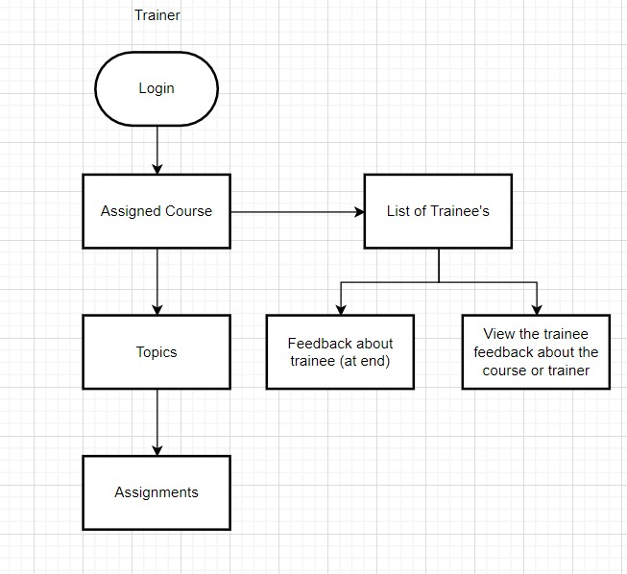

Trainer

User Story | Acceptance Criteria | Assumption | Constraints

As a trainer, I want to log in to the system | It has two credentials (username, password),After logging in, It should go to the dashboard | Can log in with the credentials. The credentials must be correct.A dashboard can show the count of all actions. | The coordinator should provide the credentials.The dashboard must be present.

As a trainer, I want to select from a list of courses. | Choose from the list of course.It contains course details | It can be a grid view or list.It can show time duration, Progress, List of trainees. | The course must be allocated by the coordinator.A detailed description of the course

As a trainer, I want to select from the list of topics. | A list of different topics will be available.It contains Topic details. | It can be a grid view or list.It can have topic content, attendance, and duration. | The topic must present inside the course.A detailed description of the course.

As a trainer, I want to give the assignments. | On a topic basis, the trainer will assign some assignments to the trainee. | It can be a quiz or a descriptive one. | In order to give an assignment, the topic must be completed.

As a trainer, I can give my feedback to my trainee | On a course basis, the trainer can give feedback to all individual trainees. | It can be a textbox or rating box. The trainee or training coordinator can view the feedback | In order to give feedback, the course must be completed.

As a trainer, I should logout | Trainer can logout | Redirect to the landing page | The trainer must be logged in.

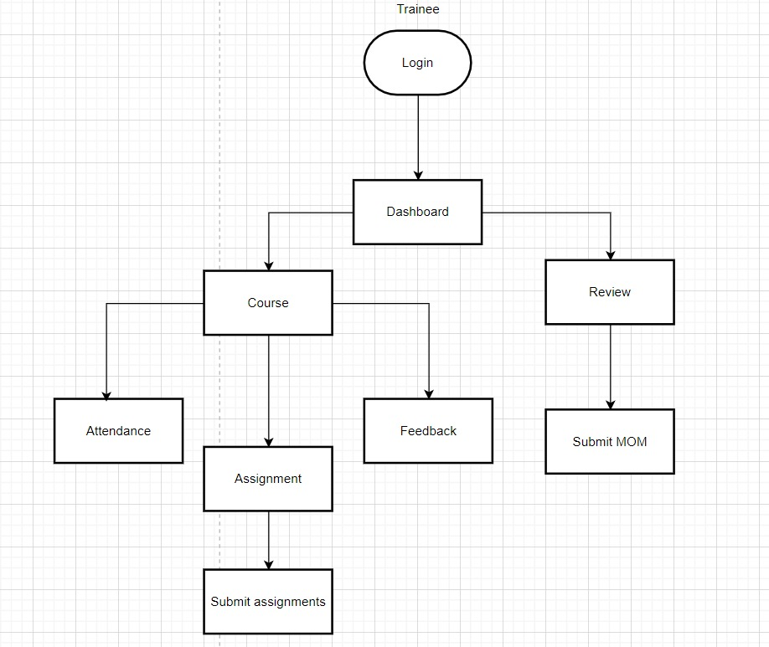

Trainee

User Stories | Acceptance criteria | Assumption | Constraints
As a trainee i want to login to the system | It needs user credentials The credentials must be correct It navigate to the landing page | It has two credentials (username,password),If not it will not allow user to login,Landing page is common for all users

As a trainee I want to view the dashboard | It should navigate me to my courses It should navigate me to my review section It should show quick stats about courses and reviews | It should show no of courses in progress It should shows review details | Course should be assigned by Training coordinate Review should assigned by Training coordinate

As a trainee I want to view the course | It should show course details It should contain topics assigned to the course It shows the trainer assigned to the course | Trainee has to self mark the attendance status It can be video or document materials It will show the trainer name It shows (Duration, Course goals, Course description, Prerequisites) | Trainee must be enrolled in that course Topics and materials updated by trainer Trainer should be assigned by Training coordinate Should be created during course creation

As a trainee I want to put attendance | Trainee can submit the attendance Trainee should submit at taking the course | It will be marked at topics section of the course It could be 15-30 mins | Trainee must be enrolled in that course

As a trainee i want to give feedback | Trainee can submit the feedback to trainer It must be visible to the trainer and training co ordinator It contains filter option to get a details about feedback It shows previously submitted feedbacks | It may be textbox can hold about 500 words The input entered in the textbox should be view by Trainer and coordinator It'll get date from the user It can be a grid or list view | It contains text box(maximum of a paragraph) Trainer must be assigned to the course Date must be valid

As a trainee i want to take the assignment | Trainee should take the assignments to update the course complete status Trainee should complete the assignment in due time Trainee can submit completed asssignment as document | It should be completed by trainee Trainee cannot change the deadline | Assignments should be submitted before deadline Assignments for that topic is created by Trainer

As a trainee i can edit my submited the assignments | Trainee can edit completed asssignment as document | Trainee can upload both pdf and word document It may be overall mark scored or individual course | Upload document size must be limited Assignments should be submitted before deadline

As a trainee i should see my reviews | I should see my upcoming reviews It show the peviously attended meeting | It should have the meeting link The MOM of the attended meeting can be seen | Review must be scheduled by Training coordinate Review must be completed

As a trainee i should submit the MOM to the completed review | It contains text fields of Reviewer and date of review It contains fields(actions to be done and meeting notes) | It may be textbox or dropdown MOM must be visible to Training coordinator and reviewer | Date must be valid It may be textbox can hold about 500 words

As a trainee i should logout | Trainee can logout | Redirect to login page

 | END OF USER STORIES

Data Model
