Example
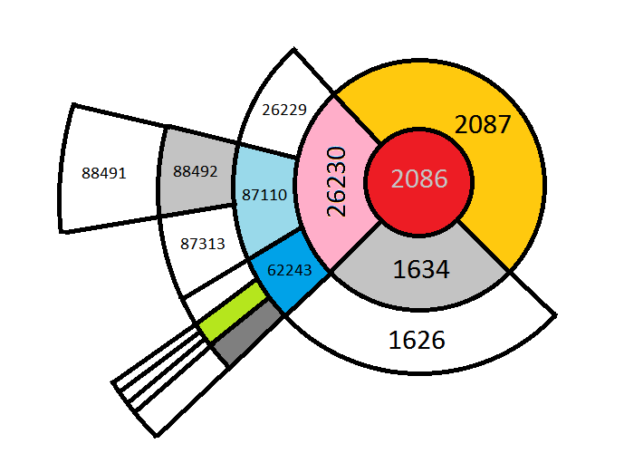
Step | Items_1 | Product_Description_1 | Items_2 | Product_Description_2 | price_1 | price_2 | Frequency | Support
1 | 2086 | BLK FLORAL LL BIKINI | 2087 | BLK FLORAL HW BRIEF | 9 | 6 | 53 | 0.034282018111
1 | 2086 | BLK FLORAL LL BIKINI | 26230 | 7PK SHOE LINER WHITE | 9 | 3 | 10 | 0.006468305304
1 | 2086 | BLK FLORAL LL BIKINI | 1634 | VALUE FRILL TIE SIDE | 9 | 3 | 5 | 0.003234152652
2 | 2087 | BLK FLORAL HW BRIEF | 2086 | BLK FLORAL LL BIKINI | 6 | 9 | 53 | 0.017966101695
2 | 26230 | 7PK SHOE LINER WHITE | 87110 | FL PLAIN CTN LEGGING | 3 | 3.5706713781 | 20 | 0.0067796610169
2 | 26230 | 7PK SHOE LINER WHITE | 26229 | 7PK SHOE LINER BLACK | 3 | 3 | 20 | 0.0067796610169
2 | 26230 | 7PK SHOE LINER WHITE | 62243 | 5PK TRAINER LINER | 3 | 2.5 | 14 | 0.0047457627119
2 | 1634 | VALUE FRILL TIE SIDE | 1626 | VALUE FRILL BANDEAU | 3 | 3.9583333333 | 24 | 0.0081355932203
3 | 87110 | FL PLAIN CTN LEGGING | 88492 | CAPRI LEGGING COLS | 3.5706713781 | 4 | 16 | 0.0035118525022
3 | 87110 | FL PLAIN CTN LEGGING | 87313 | VISCOSE LEGGING BLAC | 3.5706713781 | 4 | 13 | 0.002853380158
3 | 62243 | 5PK TRAINER LINER | 62524 | 3PK INVISIBLE SOCKS | 2.5 | 3 | 17 | 0.0037313432836
3 | 62243 | 5PK TRAINER LINER | 63997 | SS15 MENS RF TEE PH2 | 2.5 | 2.5 | 14 | 0.0030728709394
3 | 62243 | 5PK TRAINER LINER | 60149 | RF CREW WHITE | 2.5 | 2.5 | 12 | 0.0026338893766
4 | 88492 | CAPRI LEGGING COLS | 88491 | CAPRI LEGGING WHITE | 4 | 4 | 12 | 0.0024819027921
4 | 63997 | SS15 MENS RF TEE PH2 | 60129 | SF CREW WHITE | 2.5 | 2.5 | 17 | 0.0035160289555
4 | 63997 | SS15 MENS RF TEE PH2 | 68675 | SS15 RF CREW COLS PH | 2.5 | 2.5 | 16 | 0.0033092037229
4 | 63997 | SS15 MENS RF TEE PH2 | 64039 | SS15 RF CREW COLS P2 | 2.5 | 2.5 | 14 | 0.0028955532575
4 | 60149 | RF CREW WHITE | 64039 | SS15 RF CREW COLS P2 | 2.5 | 2.5 | 16 | 0.0033092037229

