forest dependent birds
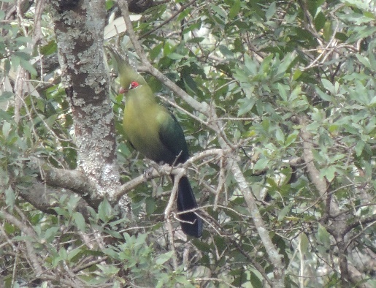
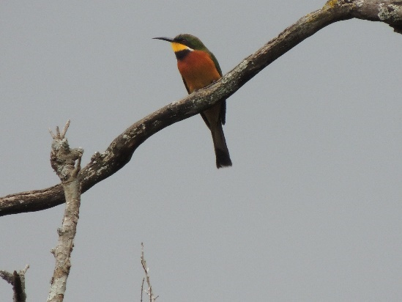
Common Name | Scientific Name | Forest Dependency (forest specialists (FF) and forest generalists (F) )
Accipitridae: diurnal birds of prey other than falcons
European Honey Buzzard | Pernis apivorus | F
African Goshawk | Accipiter tachiro | F
Great Sparrowhawk | Accipiter melanoleucus | F
Ayres's Hawk Eagle | Aquila ayresii | F
Crowned Eagle | Stephanoaetus coronatus | FF
Columbidae: pigeons and doves
Tambourine Dove | Turtur tympanistria | F
Musophagidae: turacos
Schalow's Turaco | Tauraco schalowi | F
Trogonidae: trogons
Narina Trogon | Apaloderma narina | F
Meropidae: bee-eaters
Cinnamon-chested Bee-eater | Merops oreobates | F
Capitonidae: barbets and tinkerbirds
Yellow-rumped Tinkerbird | Pogoniulus bilineatus | F
Malaconotidae: helmetshrikes, bushshrikes, tchagras and puffbacks
Black-backed Puffback | Dryoscopus cubla | F
Sylviidae: Old World warblers
Blackcap | Sylvia atricapilla | F
Muscicapidae: chats, wheatears and Old World flycatchers
Ashy Flycatcher | Muscicapa caerulescens | F
African Dusky Flycatcher | Muscicapa adusta | F
Nectariniidae: sunbirds
Collared Sunbird | Hedydipna collaris | F

