Motif_table
Motifs enriched in MR-only peaks: logos, raw p-values and TF RNA expression

Cell type | TF | Motif ID | Motif logo | Raw p-value by method |  |  |  |  |  | pct_expr (fraction of cells) | mean_cp10k_all | Brief interpretation | Reference
 |  |  |  | Causal SMR | Causal IVW | Causal Egger | Causal Joint | Marginal Multiomics | Marginal Pseudobulk
Bn_TCL1A | JUN | MA0488.1 | 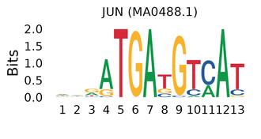 | 0.0925 | 0.0410 | 0.0003 | 0.0246 | 0.0146 | 0.0065 | 0.891 | 23.078 | AP-1 subunit; ATF2/Jun drive TNF transcription after BCR/CD40 stimulation in B cells. | https://pubmed.ncbi.nlm.nih.gov/8816436/
Bn_TCL1A | JUND | MA0492.1 | 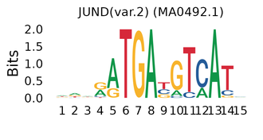 | 0.1860 | 0.1070 | 0.0020 | 0.1080 | 0.1570 | 0.1180 | 0.786 | 8.373 | AP-1; elevated in SLE patient B cells, tied to cytokine/Ig output and autophagy (single study, not naive B). | https://pubmed.ncbi.nlm.nih.gov/39220919/
Bn_TCL1A | JUN::JUNB | MA1133.1 | 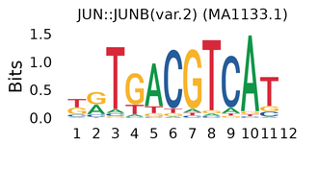 | 0.0755 | 0.1400 | 0.0021 | 0.0625 | 0.0124 | 0.0258 | 0.683 | 6.584 | AP-1 dimer; both components have B-cell activation evidence; exact dimer unverified. | https://pubmed.ncbi.nlm.nih.gov/8816436/
Bn_TCL1A | JUNB | MA1140.2 | 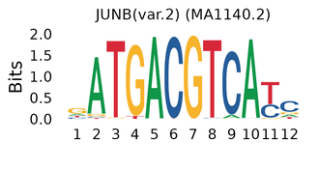 | 0.0195 | 0.0482 | 0.0013 | 0.0119 | 0.0111 | 0.0168 | 0.683 | 6.584 | Induced by BCR/CD40 in primary B cells; converts receptor input into AP-1 response. | https://pubmed.ncbi.nlm.nih.gov/7534795/
Bn_TCL1A | FOSB::JUNB | MA1136.1 | 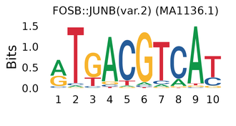 | 0.2020 | 0.1750 | 0.0026 | 0.0834 | 0.1080 | 0.1170 | 0.454 | 3.737 | AP-1 components with receptor-dependent B-cell responses; exact dimer unverified. | https://pubmed.ncbi.nlm.nih.gov/7534795/
Bn_TCL1A | FLI1 | MA0475.2 | 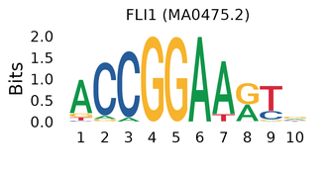 | 0.0300 | 0.0378 | 0.0037 | 0.0477 | 0.0141 | 0.0840 | 0.249 | 1.149 | ETS factor; reduced Fli1 impairs naive B proliferation and ameliorates nephritis in lupus-prone mice. | https://pubmed.ncbi.nlm.nih.gov/18692443/
Bn_TCL1A | CREB1 | MA0018.4 | 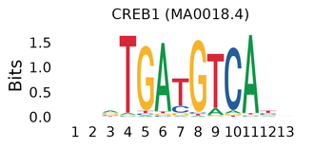 | 0.0781 | 0.0149 | 0.0002 | 0.0148 | 0.0222 | 0.0726 | 0.188 | 0.980 | Mediates BCR-induced junB transcription in mature B cells. | https://pubmed.ncbi.nlm.nih.gov/8683108/
Bn_TCL1A | ELF2 | MA1483.1 | 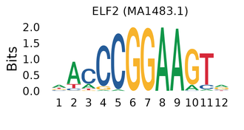 | 0.0044 | 0.0039 | 0.0059 | 0.0076 | 0.0097 | 0.0232 | 0.142 | 0.686 | Perturbs pre-B stage in mouse; weak evidence for mature naive B cells (exploratory). | https://pubmed.ncbi.nlm.nih.gov/28351373/
Bn_TCL1A | ATF6 | MA1466.1 | 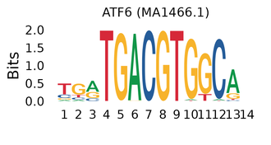 | 0.0473 | 0.0038 | 0.0369 | 0.0141 | 0.0138 | 0.1100 | 0.097 | 0.510 | ER-stress factor; plausible, but Atf6a-deficient mice have largely normal antibody responses. | https://pmc.ncbi.nlm.nih.gov/articles/PMC3358488/
Bn_TCL1A | ELK3 | MA0759.1 | 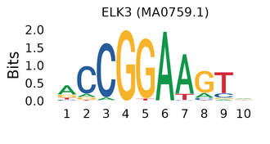 | 0.0045 | 0.0131 | 0.0037 | 0.0182 | 0.0139 | 0.0633 | 0.080 | 0.341 | Putative regulon in human pro-B cells; developmental, exploratory. | https://pubmed.ncbi.nlm.nih.gov/41071881/
Bn_TCL1A | ATF2 | MA1632.1 | 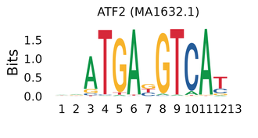 | 0.0255 | 0.0116 | 0.0005 | 0.0407 | 0.0174 | 0.0319 | 0.069 | 0.282 | Binds TNF promoter with Jun upon B-cell activation. | https://pubmed.ncbi.nlm.nih.gov/8816436/
CD4_Tn_CCR7 | JUND | MA0492.1 |  | 0.0069 | 0.0024 | 0.0178 | 0.0447 | 0.0570 | 0.0484 | 0.598 | 3.631 | Restrains proliferation and shapes helper-T cytokine output (mouse perturbation). | https://pubmed.ncbi.nlm.nih.gov/15029240/
CD4_Tn_CCR7 | HIF1A | MA1106.1 | 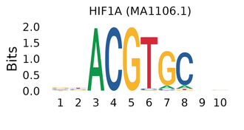 | 0.1290 | 0.0302 | 0.0061 | 0.0215 | 0.0157 | 0.0218 | 0.190 | 0.720 | Sets Th17/Treg balance; T-cell Hif1a deletion protects mice from Th17-driven EAE. | https://pubmed.ncbi.nlm.nih.gov/21871655/
CD8_Tn_CCR7 | CREB1 | MA0018.4 |  | 0.0056 | 0.0049 | 0.0008 | 0.0059 | 0.0117 | 0.0133 | 0.176 | 0.607 | TCR-responsive; phospho-CREB occupies a CD8 control region in human cells (SLE link concerns CREMα, not CREB1). | https://pubmed.ncbi.nlm.nih.gov/9712919/
CD8_Tn_CCR7 | ATF6 | MA1466.1 |  | 0.0111 | 0.0111 | 0.0029 | 0.0071 | 0.0499 | 0.0502 | 0.145 | 0.547 | ATF6/UPR elevated in cytotoxic CD8 IELs in murine Crohn-like ileitis (tissue effector, not naive). | https://pubmed.ncbi.nlm.nih.gov/22753943/
CD8_Tn_CCR7 | FOSL2::JUND | MA1145.1 | 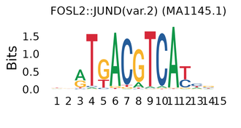 | 0.0111 | 0.0078 | 0.0040 | 0.0397 | 0.0213 | 0.0145 | 0.060 | 0.139 | Fosl2 overexpression impairs Treg and causes T-cell inflammation; JUND has helper-T evidence; dimer unverified in CD8. | https://pubmed.ncbi.nlm.nih.gov/32610127/

Shaded bold p-values: FDR < 0.05 for that method. p-values are from motif enrichment of MR-significant peaks (method-specific foreground) vs background.
pct_expr: fraction of cells with detectable TF RNA; mean_cp10k_all: mean CP10k across all cells including zeros (both for the limiting subunit of dimers). RNA detection and motif enrichment do not establish TF binding, protein activity or causality.
Interpretations are condensed from literature review; see Fig6_Motif.xlsx (Motif_MR_part) for full text and all references.

