Sheet1
 |  |  |  |  | 1/4" ~ 6.3mm |  | 1" ~ 25mm |  | Gallon Can Inner 78.5 -> outer 80mm
 | Radius (mm) | Circumference (mm)
 | 6.36 | 39.977142857 |  |  |  |  | 28BYJ-48 Stem is 5.2mm x 3mm

 | 6.3636363636 | 40 |  | <-- Enter a Number that gets the radius and/or gear count you want
 | 6-Sides Per Gear | 0.66666666667 | 4 | Gear Spacing
 | Sides | 60 |  |  | Gear Spacing and Stem Length must remain consistent for meshing gears
 | Gears | 10 |  |  | Numbers in RED are used to draw the circles

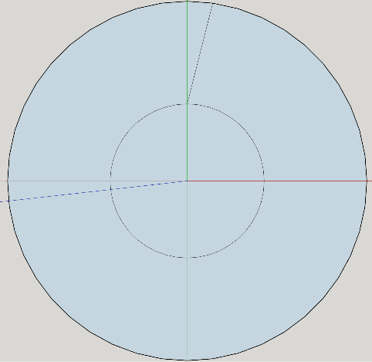
 | INNER
 | 2-Sides Per Gear | 20 | Sides
 | Radius | 3.3636363636 | 3 | Gear Stem Length

Radius-> | 78 | Side Length-> | 1
 | Sides Per Gear | 4
 | Circumference | 490.28571429
 | Gears | 122.57142857
 | # of Sides | 490.28571429
 | Inner-Radius | 74

Gears-> | 121 | Side Length -> | 1
 | Sides Per Gear | 4
 | Circumference Needed | 484
 | # of Sides | 484
 | Radius | 77
 | Inner-Radius | 73
Gears-> | 12 | Side Length -> | 1
 | Sides Per Gear | 4
 | Circumference Needed | 48
 | # of Sides | 48 |  |  |  | Suggestions
 | Radius | 7.6363636364 |  |  |  |  | For Side Length 2mm use 4mm stem length
 | Inner-Radius | 3.6363636364 |  |  |  |  | For Side Length 1mm use 3mm stem length

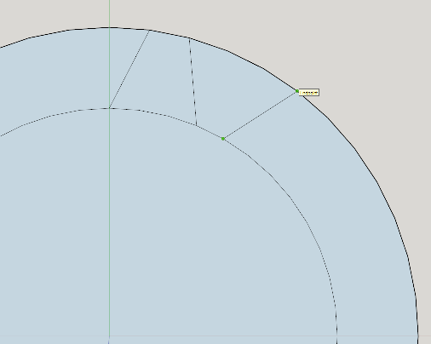

 |  |  |  |  |  |  | Draw in the gears
 |  |  |  |  |  |  |  | First angle Top-Down over 1-Side
 |  |  |  |  |  |  |  | Outer - Over 1-Side
 |  |  |  |  |  |  |  | To Inner - Count Sides from Last Inner Circle Line 1,2,3 and Stick
 |  |  |  |  |  |  |  | Over One
 |  |  |  |  |  |  |  | To Outer - Count sides from last outer circle line 1,2,3 and Stick

 |  |  |  |  |  |  |  | If done correctly each bulge edge should have 2-side ceters within the lines

