job
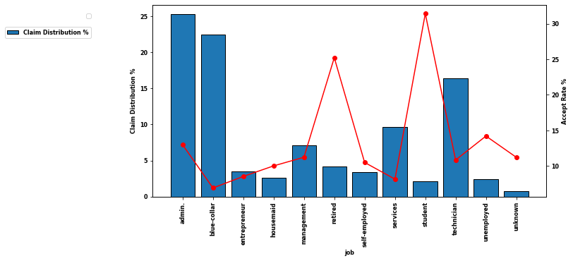
lvl | accept | decline | Claims | Claim Distribution % | Accept Rate % | Decline Rate %
admin. | 1352 | 9070 | 10422 | 25.303486452 | 12.97255805 | 87.02744195
blue-collar | 638 | 8616 | 9254 | 22.467709041 | 6.8943159715 | 93.105684029
entrepreneur | 124 | 1332 | 1456 | 3.5350101971 | 8.5164835165 | 91.483516484
housemaid | 106 | 954 | 1060 | 2.5735651161 | 10 | 90
management | 328 | 2596 | 2924 | 7.0991550937 | 11.21751026 | 88.78248974
retired | 434 | 1286 | 1720 | 4.1759735845 | 25.23255814 | 74.76744186
self-employed | 149 | 1272 | 1421 | 3.4500339905 | 10.48557354 | 89.51442646
services | 323 | 3646 | 3969 | 9.6363018355 | 8.1380700428 | 91.861929957
student | 275 | 600 | 875 | 2.1244051666 | 31.428571429 | 68.571428571
technician | 730 | 6013 | 6743 | 16.371273186 | 10.826041821 | 89.173958179
unemployed | 144 | 870 | 1014 | 2.4618821016 | 14.201183432 | 85.798816568
unknown | 37 | 293 | 330 | 0.80120423424 | 11.212121212 | 88.787878788

housing
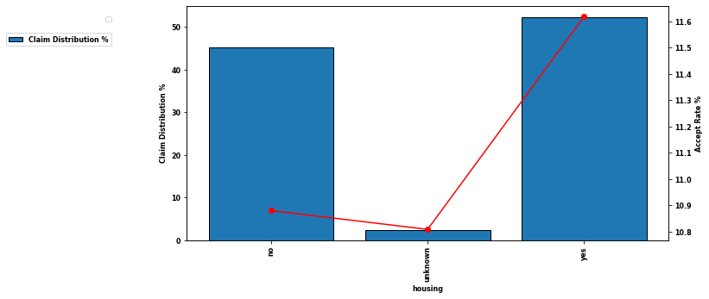
lvl | accept | decline | Claims | Claim Distribution % | Accept Rate % | Decline Rate %
no | 2026 | 16596 | 18622 | 45.212197727 | 10.879604769 | 89.120395231
unknown | 107 | 883 | 990 | 2.4036127027 | 10.808080808 | 89.191919192
yes | 2507 | 19069 | 21576 | 52.38418957 | 11.619391917 | 88.380608083

contact
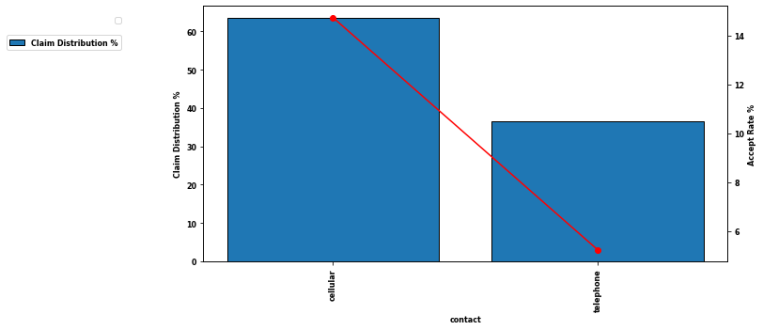
lvl | accept | decline | Claims | Claim Distribution % | Accept Rate % | Decline Rate %
cellular | 3853 | 22291 | 26144 | 63.474798485 | 14.737607099 | 85.262392901
telephone | 787 | 14257 | 15044 | 36.525201515 | 5.2313214571 | 94.768678543

poutcome
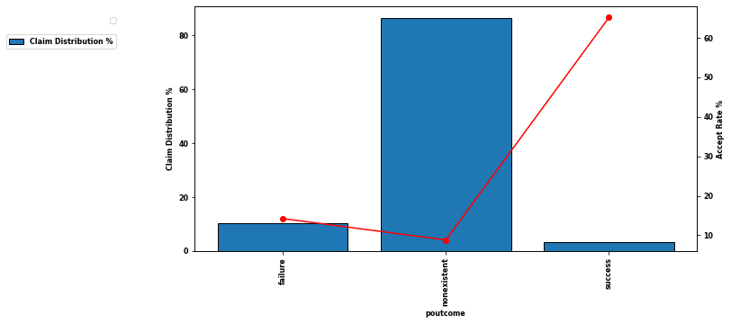
lvl | accept | decline | Claims | Claim Distribution % | Accept Rate % | Decline Rate %
failure | 605 | 3647 | 4252 | 10.323395164 | 14.228598307 | 85.771401693
nonexistent | 3141 | 32422 | 35563 | 86.343109644 | 8.8322132553 | 91.167786745
success | 894 | 479 | 1373 | 3.3334951928 | 65.112891479 | 34.887108521

