PIVORT
Row Labels | Sum of SA | Row Labels | Sum of TARGET | Row Labels | Sum of TARGET | Sum of SA
west | 100000 | june | 669000 | akash | 23000 | 8000
Grand Total | 100000 | east | 99000 | amritha | 65000 | 32000
 |  | north | 170000 | anushka | 110000 | 25000
 |  | south | 140000 | karthick | 120000 | 52000
 |  | west | 260000 | kavitha | 76000 | 100000
 |  | june fn | 74333.33333 | keerthana | 5000 | 52000
 |  | (blank) | 74333.33333 | meena | 150000 | 75000
 |  | Grand Total | 743333.3333 | priya | 20000 | 84000
 |  |  |  | rahul | 100000 | 95000
 |  |  |  | (blank) | 74333.33333 | 58111.11111
 |  |  |  | Grand Total | 743333.3333 | 581111.1111

dashboard
MATHEW COMPANY DATA ANALYSIS DASHBOARD

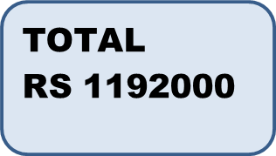
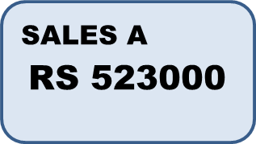
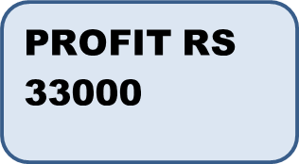

 | TOTAL

 | Total
west | 100000

 | Total
east | 99000
north | 170000
south | 140000
west | 260000
(blank) | 74333.333333

 | Sum of TARGET | Sum of SA
akash | 23000 | 8000
amritha | 65000 | 32000
anushka | 110000 | 25000
karthick | 120000 | 52000
kavitha | 76000 | 100000
keerthana | 5000 | 52000
meena | 150000 | 75000
priya | 20000 | 84000
rahul | 100000 | 95000
(blank) | 74333.333333 | 58111.111111

