Sheet1
Analysis
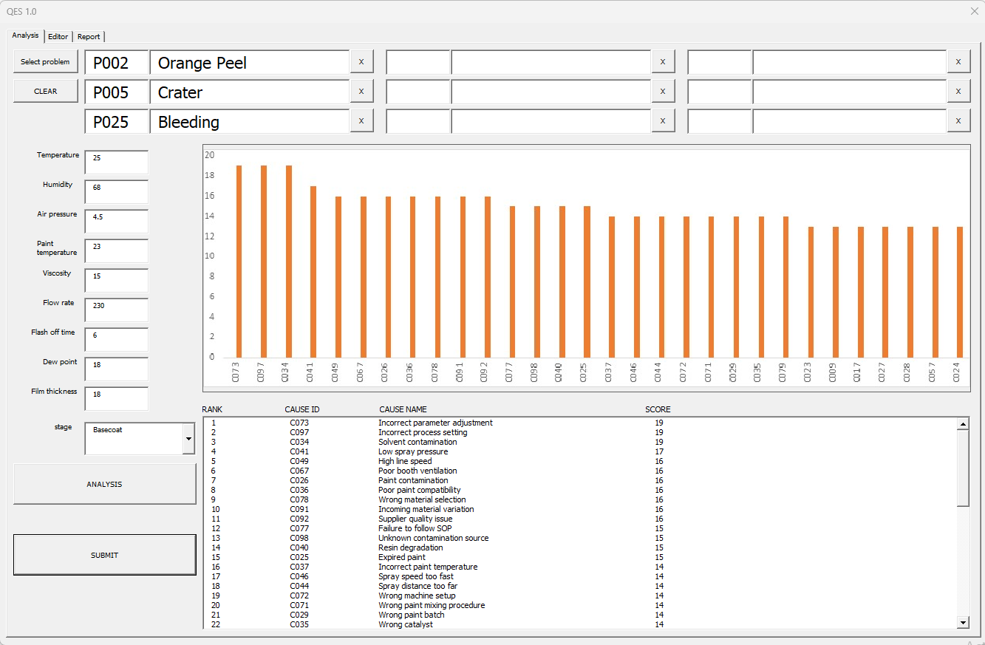

Select problem | issue list
Temperature | Sensor measurements
Humidity | Sensor measurements
Paint temperature | Sensor measurements
Viscosity | Sensor measurements
Flow rate | Sensor measurements
stage | Detection Stage
ANALYSIS | Run QES Diagnosis
SUBMIT | Save case to submit

Editor
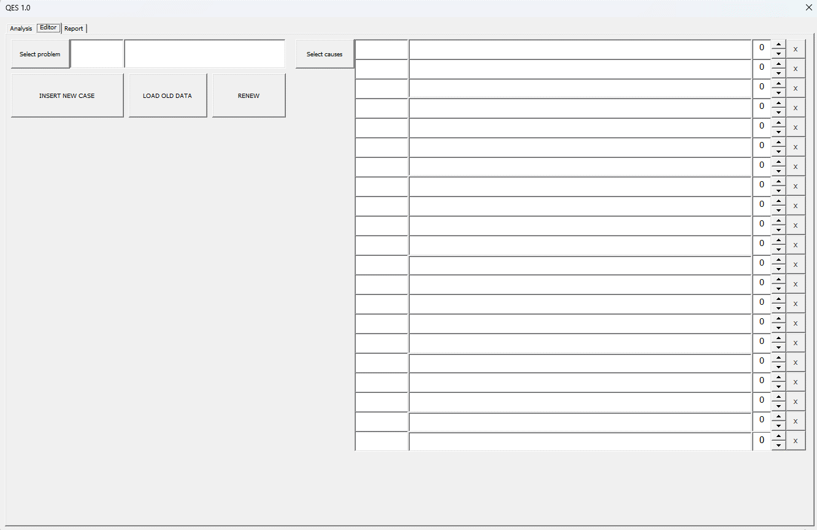

Select problem | issue list
Select causes | causes list
Insert new case | Create new base case
Load old data | Load a base case for editing
Renew | Update Case

Report
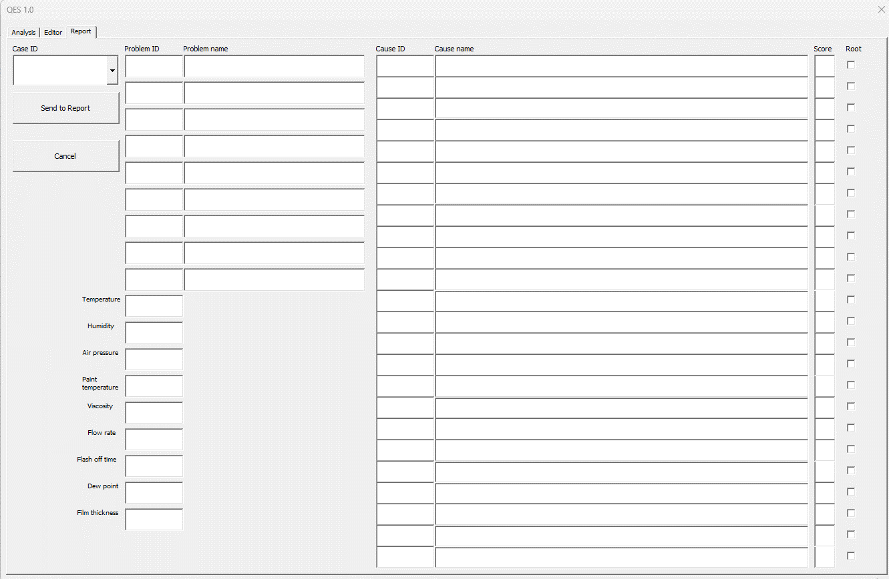

Case ID | select a case from submit
Root | Check if confirmed after corrective action
Send to report | Submit verified root cause
Submitted cases are used to improve future diagnoses

Sheet2
 |  |  | STAGE1 | 36

 |  |  | STAGE2 | 40

 |  |  | STAGE3 | 40

ROBOT
进 |  | 进 | STAGE4 | 40

出 |  | 出 | STAGE5 | 40

 | 机械臂 |  | SUM | 196 | 料瓶

