Hárok1
Skica | Číslo artikla | Nazov dielu | Kategoria dielu | Zákazník | Guma | Priemer Ø AT | Tol | Dlzka L AT | Tol2 | Priemer Ø IT | Tol3 | Dlzka L IT | Tol4 | Priemer Ø ZT | Tol5 | Dlzka L ZT | Tol6 | Cr Steg | Cr Niere | Ca | Ct | Ck
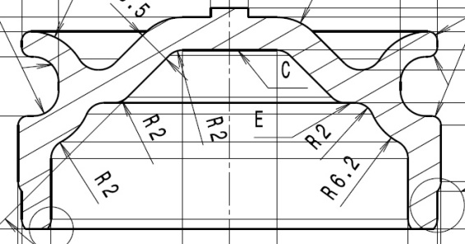 | 712.335.152.205 | GUMMILAGER | Other components | - | - | - | - | - | - | - | - | - | - | - | - | - | - | - | - | - | - | -
same as 712.335.152.205 | 714.126.137.142 | GUMMILAGER | Other components | - | - | - | - | - | - | - | - | - | - | - | - | - | - | - | - | - | - | -
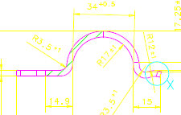 | 732.135.133.161 | HALTERUNG | Other components | Ford | - | - | - | - | - | - | - | - | - | - | - | - | - | - | - | - | - | -
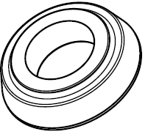 | 733.331.142.615 | CAP BSHG FR C/M | Other components | Ford | 50 ShA | - | - | - | - | Ø 35.00 | - | 17 | ±1 | - | - | - | - | - | - | - | - | -
same as 734.231.152.112 | 734.261.140.007 | ANSCHLAGPUFFER | Other components
 | 734.261.140.010 | ANSCHLAGPUFFER | Other components | Ford | - | - | - | - | - | - | - | - | - | - | - | - | - | - | - | - | - | -
 | 734.261.140.013 | ANSCHLAGPUFFER | Other components | Ford | - | - | - | - | - | Ø 31.00 | - | 14 | - | - | - | - | - | - | - | - | - | -
 | 734.261.140.016 | ANSCHLAGPUFFER | Other components | Ford | - | - | - | - | - | Ø 32.00 | - | 17 | - | - | - | - | - | - | - | - | - | -
 | 734.261.142.612 | WSHR-ENG RR SUPT TO BDY LK | Other components | Ford | 55 ShA | - | - | - | - | Ø 38.20 | - | - | - | - | - | - | - | - | - | - | - | -
 | 762.110.133.190 | CELLASTO-ANSCHLAG | Other components | Ford-Jaguar | - | - | - | - | - | - | - | - | - | - | - | - | - | - | - | - | - | -
 | 763.130.114.814 | ANSCHLAGSCHEIBE | Other components | Daimler | - | - | - | - | - | - | - | - | - | - | - | - | - | - | - | - | - | -
no drawing available | 763.130.144.814 | Spacer Plate | Other components
 | 764.130.114.815-01 | STUETZFLANSCH | Other components | - | - | - | - | - | - | - | - | - | - | - | - | - | - | - | - | - | - | -

