Hárok1
Skica | Číslo artikla | Nazov dielu | Kategoria dielu | Zákazník | Guma | Priemer Ø AT | Tol | Dlzka L AT | Tol2 | Priemer Ø IT | Tol3 | Dlzka L IT | Tol4 | Priemer Ø ZT | Tol5 | Dlzka L ZT | Tol6 | Cr Steg | Cr Niere | Ca | Ct | Ck
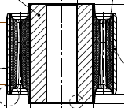 | 774.226.151.311 | BSHG ASY-RR SUSP ARM | Conventional Bushing | Ford |  | Ø 57.3 | ±0,1 | 42.5 | ±0,5 | Ø 16.3 | ±0,2 | 52 | ±0,2 |  |  |  |  | 4770 N/mm | 1760 N/mm | 360 N/mm | 2.8 Nm/° | 5.0 Nm/°
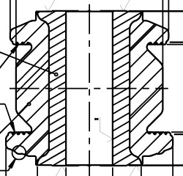 | 714.221.138.029 | GUMMILAGER | Conventional Bushing | GM |  | Ø 51.0 | ±0,25 | 30.4 |  | Ø 16.2 | 0,4 -0,1 | 53.7 | 0,2 -0,5
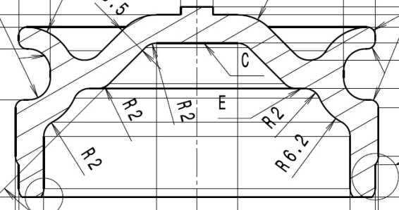 | 712.335.152.205 | GUMMILAGER | Other components
 | 714.126.137.142 | GUMMILAGER | Other components
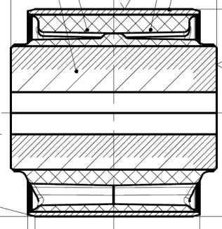 | 714.126.137.143 | GUMMILAGER | Conventional Bushing |  | 45 ShA | Ø 60.25 | 0,05 -0,15 | 50 | 0,5 | Ø 12.2 | ±0,15 | 60 | -0,25 |  |  |  |  | 1300 N/mm | 700 N/mm | 210 N/mm
 | 714.126.137.144 | GUMMILAGER | Conventional Bushing |  | 45 ShA | Ø 60.25 | 0,05 -0,15 | 50 | 0,5 | Ø 12.2 | ±0,15 | 60 | -0,25 |  |  |  |  | 1050 N/mm | 1050 N/mm | 210 N/mm
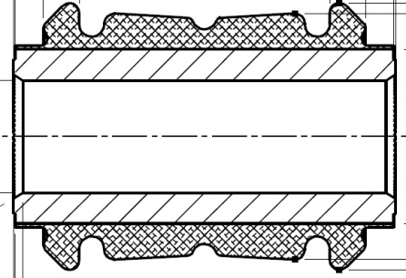 | 714.221.146.110 | GUMMILAGER | Conventional Bushing | Hyundai |  | Ø 49.2 | ±0,3 | 50.2 | ±0,5 | Ø 22.5 | 0,3 | 76.7 |  |  |  |  |  | 86500 N/mm | 2600 N/mm |  | 9.5 Nm/°
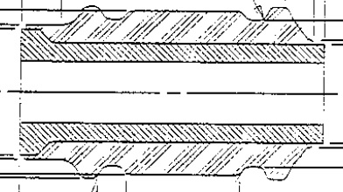 | 714.221.148.739 | GUMMILAGER | Conventional Bushing | GM |  | Ø 40.1 |  | 69.8 | ±0,2 | Ø 14.35 | ±0,25 | 69.8 | ±0,2 |  |  |  |  | 9048 N/mm |  | 681 N/mm

