Hárok1
Drawing | Part Number | Part Name | Category | Customer | Rubber | Diameter Ø AT | Diameter Ø AT Tol | Length L AT | Length L AT Tol | Diameter Ø IT | Diameter Ø IT Tol | Length L IT | Length L IT Tol | Diameter Ø ZT | Diameter Ø ZT Tol | Length L ZT | Length L ZT Tol | Cr Steg | Cr Niere | Ca | Ct | Ck
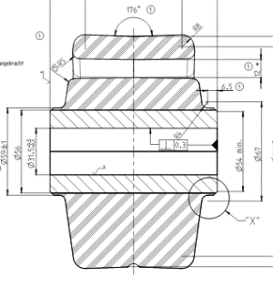 | X23000547401 | GUMMILAGER, FA. DC | Without category | Daimler | 72 ShA | Ø 155.5 |  | 66 |  | Ø 31.5 | +0,5 +0,1 | 114 | ±0,5 |  |  |  |  | 5000 N/mm | 3000 N/mm
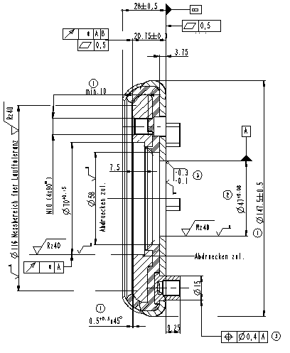 | X22200054501 | ELASTISCHE LÜFTERNABE | Without category | MAN Nutzfahrzeuge AG | 53 ShA | Ø 147.5 | ±0,5 |  |  | Ø 47.0 | +0,08
 | 775.127.144.976 | BUSHING | Without category |  |  | Ø 147.2 | ±0,1 | 37.5 | ±0,1 | Ø 15.05 | 0,4 0 | 37.5 | ±0,1 |  |  |  |  | 4157 N/mm | 2019 N/mm | 887 N/mm

