Sheet1
App ID | Type | Content
C117698039 | HTML5 link | https://url.cloud.huawei.com/ArTosl4kiA?shareTo=qrcode
C117698039 | Deep link | hiapplink://com.huawei.appmarket?appId=C117698039&channelId=website&referrer=focusflow&id=456571c37f414c52a4139fd90a3cab34&s=61CEC967A0AE3478A24AE4CAA7549A0B825EB977E8D3336055DCB6432B2FDBA7&detailType=0&v=&callType=AGDLINK&installType=0000
C117698039 | QR code | 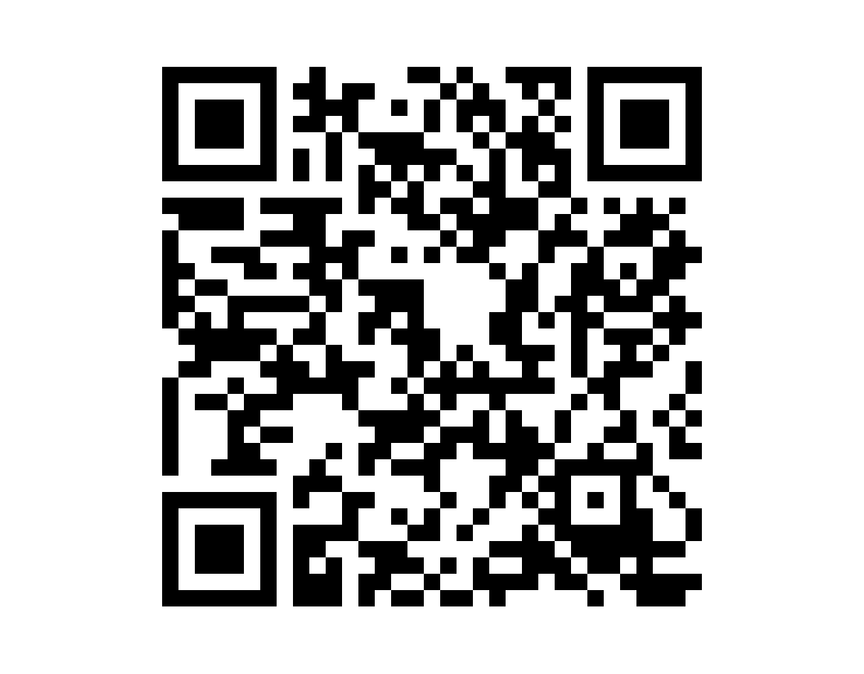 | 1.Resolution: 1215 x 948 px; 2.To obtain the QR code of the application icon filling style, visit the stamp link query page.

