Sheet1
App ID | Type | Content
C117761461 | HTML5 link | https://url.cloud.huawei.com/AvKdhoaty0?shareTo=qrcode
C117761461 | Deep link | hiapplink://com.huawei.appmarket?appId=C117761461&channelId=website&id=485833f392404bb9a36b1468859e7102&s=AA9A650FCF2A7BB1F63DC9AFF4F64ED7098595B4CB0C7372CFCC867D7F7080E9&detailType=0&v=&callType=AGDLINK&installType=0000
C117761461 | QR code | 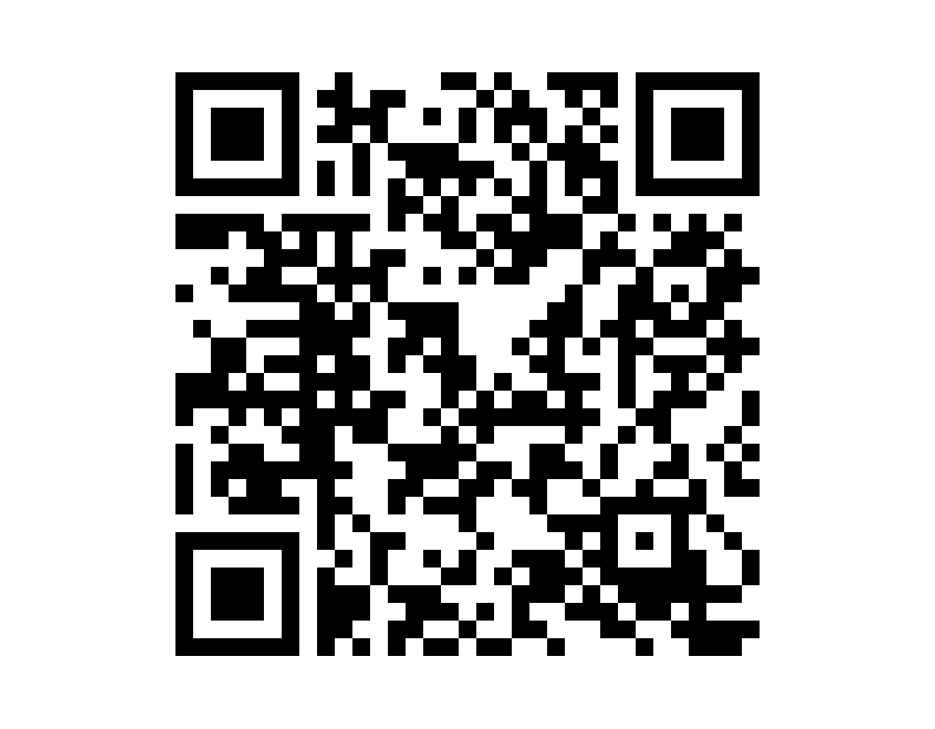 | 1.Resolution: 1215 x 948 px; 2.To obtain the QR code of the application icon filling style, visit the stamp link query page.

