Sheet1
App ID | Type | Content
C117758139 | HTML5 link | https://url.cloud.huawei.com/AvOFXuea6k?shareTo=qrcode
C117758139 | Deep link | hiapplink://com.huawei.appmarket?appId=C117758139&channelId=website&id=bc4dbb0883da4bbd9caa8308eca54d7d&s=296463A39438912A7ECBBF79AEF6454B2C140F6CAB5A6865B0D1189AA0B65BB0&detailType=0&v=&callType=AGDLINK&installType=0000
C117758139 | QR code | 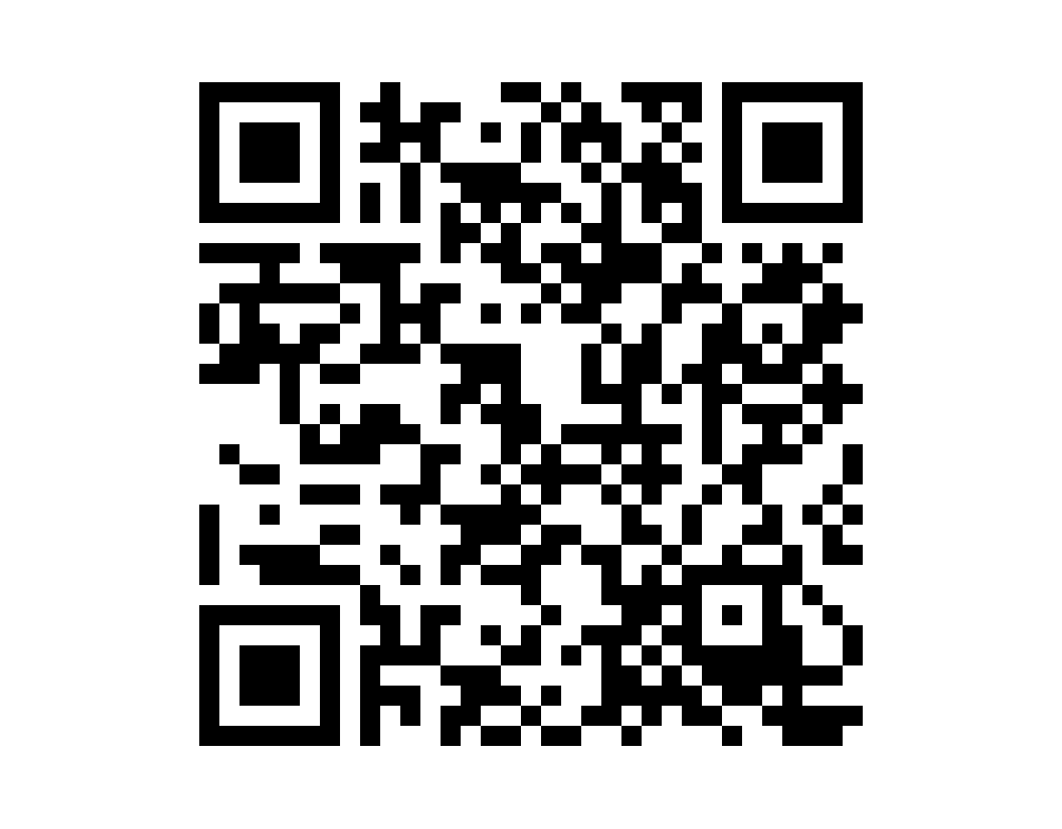 | 1.Resolution: 1215 x 948 px; 2.To obtain the QR code of the application icon filling style, visit the stamp link query page.

