Sheet1
 | x1 | x2 | actual | weight Dt | Weight_actual Dt | Prediction h(x) x > -0.1 | loss yi != ht(xi) | weight*losss | New Weight | norm weight
X1 | -1 | 0 | -1 | 0.125 | -0.125 | -1 | 0 | 0 | 0.047245559126 | 0.071428571429
X2 | -0.5 | 0.5 | -1 | 0.125 | -0.125 | -1 | 0 | 0 | 0.047245559126 | 0.071428571429
X3 | 0 | 1 | -1 | 0.125 | -0.125 | -1 | 0 | 0 | 0.047245559126 | 0.071428571429
X4 | 0.5 | 1 | -1 | 0.125 | -0.125 | -1 | 0 | 0 | 0.047245559126 | 0.071428571429
X5 | 1 | 0 | 1 | 0.125 | 0.125 | -1 | 1 | 0.125 | 0.33071891388 | 0.5
X6 | 1 | -1 | 1 | 0.125 | 0.125 | 1 | 0 | 0 | 0.047245559126 | 0.071428571429
X7 | 0 | -1 | 1 | 0.125 | 0.125 | 1 | 0 | 0 | 0.047245559126 | 0.071428571429
X8 | 0 | 0 | 1 | 0.125 | 0.125 | 1 | 0 | 0 | 0.047245559126 | 0.071428571429

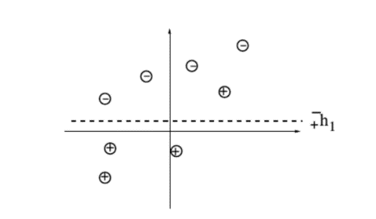
h(x) | x > -0.1
epsilon = | 0.125
alpha = | 0.97295507453 |  |  |  |  |  |  |  |  | t | epsilon | alpha | Z | Dt(1) | Dt(2) | Dt(3) | Dt(4) | Dt(5) | Dt(6) | Dt(7) | Dt(8)
Z = | 0.66143782777 |  |  |  |  |  |  |  |  | 1 | 0.125 | 0.97295507453 | 0.66143782777 | 0.125 | 0.125 | 0.125 | 0.125 | 0.125 | 0.125 | 0.125 | 0.125
 |  |  |  |  |  |  |  |  |  | 2 | 0 | 0 | 0 | 0.071428571429 | 0.071428571429 | 0.071428571429 | 0.071428571429 | 0.5 | 0.071428571429 | 0.071428571429 | 0.071428571429

