Sheet1
 | x1 | x2 | actual | weight Dt | Weight_actual Dt | Prediction h(x) x > -0.1 | loss yi != ht(xi) | weight*losss | New Weight | norm weight | Prediction h(x) x > 0.9 | loss yi != ht(xi) | weight*losss | New Weight | norm weight | Prediction h(x) x > 1.5 | loss yi != ht(xi) | weight*losss | New Weight | norm weight
X1 | -1 | 0 | 1 | 0.125 | 0.125 | 1 | 0 | 0 | 0.072168783649 | 0.083333333333 | 1 | 0 | 0 | 0.16137430609 | 0.25 | 1 | 0 | 0 | 0.080687153046 | 0.15625
X2 | -0.5 | 0.5 | 1 | 0.125 | 0.125 | 1 | 0 | 0 | 0.072168783649 | 0.083333333333 | 1 | 0 | 0 | 0.16137430609 | 0.25 | 1 | 0 | 0 | 0.080687153046 | 0.15625
X3 | 0 | 1 | -1 | 0.125 | -0.125 | -1 | 0 | 0 | 0.072168783649 | 0.083333333333 | 1 | 1 | 0.083333333333 | 0.032274861218 | 0.05 | 1 | 1 | 0.05 | 0.064549722437 | 0.125
X4 | 0.5 | 1 | -1 | 0.125 | -0.125 | -1 | 0 | 0 | 0.072168783649 | 0.083333333333 | 1 | 1 | 0.083333333333 | 0.032274861218 | 0.05 | 1 | 1 | 0.05 | 0.064549722437 | 0.125
X5 | 1 | 0 | 1 | 0.125 | 0.125 | -1 | 1 | 0.125 | 0.21650635095 | 0.25 | -1 | 1 | 0.25 | 0.096824583655 | 0.15 | 1 | 0 | 0 | 0.048412291828 | 0.09375
X6 | 1 | -1 | 1 | 0.125 | 0.125 | -1 | 1 | 0.125 | 0.21650635095 | 0.25 | -1 | 1 | 0.25 | 0.096824583655 | 0.15 | 1 | 0 | 0 | 0.048412291828 | 0.09375
X7 | 0 | -1 | -1 | 0.125 | -0.125 | -1 | 0 | 0 | 0.072168783649 | 0.083333333333 | 1 | 1 | 0.083333333333 | 0.032274861218 | 0.05 | 1 | 1 | 0.05 | 0.064549722437 | 0.125
X8 | 0 | 0 | -1 | 0.125 | -0.125 | -1 | 0 | 0 | 0.072168783649 | 0.083333333333 | 1 | 1 | 0.083333333333 | 0.032274861218 | 0.05 | 1 | 1 | 0.05 | 0.064549722437 | 0.125

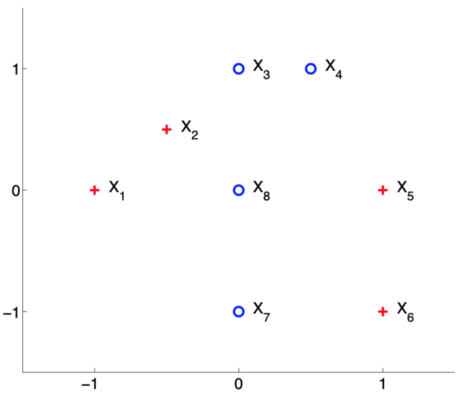
h(x) | x > -0.1
epsilon = | 0.25
alpha = | 0.54930614433 |  |  |  |  |  |  |  |  | t | epsilon | alpha | Z | Dt(1) | Dt(2) | Dt(3) | Dt(4) | Dt(5) | Dt(6) | Dt(7) | Dt(8)
Z = | 0.86602540378 |  |  |  |  |  |  |  |  | 1 | 0.25 | 0.54930614433 | 0.86602540378 | 0.125 | 0.125 | 0.125 | 0.125 | 0.125 | 0.125 | 0.125 | 0.125
 |  |  |  |  |  |  |  |  |  | 2 | 0.83333333333 | -0.80471895622 | 0.64549722437 | 0.083333333333 | 0.083333333333 | 0.083333333333 | 0.083333333333 | 0.25 | 0.25 | 0.083333333333 | 0.083333333333
h(x) | x > 0.9 |  |  |  |  |  |  |  |  | 3 | 0.2 | 0.69314718056 | 0.51639777949 | 0.25 | 0.25 | 0.05 | 0.05 | 0.15 | 0.15 | 0.05 | 0.05
epsilon = | 0.83333333333
alpha = | -0.80471895622
Z = | 0.64549722437

h(x) | x > 1.5
epsilon = | 0.2
alpha = | 0.69314718056
Z = | 0.51639777949

