Sheet1
Load 1 (non-absolute) |  |  |  |  |  |  |  |  |  |  |  |  |  | Load 1 (absolute)

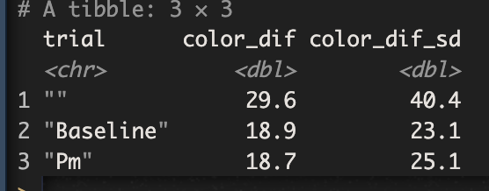
vars | n | mean | sd | median | trimmed | mad | min | max | range | skew | kurtosis | se
X1 1 | 82 | 4.33 | 49.96 | -0.77 | 3.39 | 21.43 | -169.12 | 144.37 | 313.49 | -0.01 | 3.12 | 5.52
---------------------------------------------------------------------------
group: Baseline
 | vars | n | mean | sd | median | trimmed | mad | min | max | range | skew | kurtosis | se
X1 | 1 | 1705 | -0.98 | 29.86 | -0.71 | -0.95 | 17.81 | -171.7 | 174.31 | 346.02 | 0.18 | 8.85 | 0.72
---------------------------------------------------------------------------
group: Pm
 | vars | n | mean | sd | median | trimmed | mad | min | max | range | skew | kurtosis | se
X1 | 1 | 1760 | 2.91 | 31.11 | 1.23 | 1.98 | 16.85 | -171.76 | 179.43 | 351.19 | 0.4 | 10.12 | 0.74

Load 3 (non-absolute) |  |  |  |  |  |  |  |  |  |  |  |  |  | Load 3 (absolute)

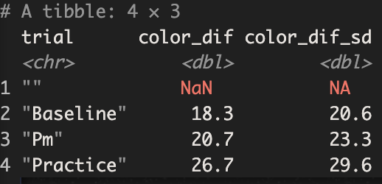
group: Baseline
 | vars | n | mean | sd | median | trimmed | mad | min | max | range | skew | kurtosis | se
X1 | 1 | 978 | -0.11 | 27.53 | -0.66 | -0.63 | 18.87 | -167.99 | 166.13 | 334.12 | -0.17 | 7.69 | 0.88
---------------------------------------------------------------------------
group: Pm
 | vars | n | mean | sd | median | trimmed | mad | min | max | range | skew | kurtosis | se
X1 | 1 | 960 | -0.41 | 31.19 | -2.11 | -1.19 | 20.91 | -175.49 | 178.74 | 354.23 | 0.88 | 8.94 | 1.01
---------------------------------------------------------------------------
group: Practice
 | vars | n | mean | sd | median | trimmed | mad | min | max | range | skew | kurtosis | se
X1 | 1 | 54 | -5.19 | 39.67 | -5.33 | -1.58 | 21.82 | -140.68 | 66.52 | 207.21 | -1.23 | 2.63 | 5.4

Load 5 (non-absolute) |  |  |  |  |  |  |  |  |  |  |  |  |  | Load 5 (absolute)

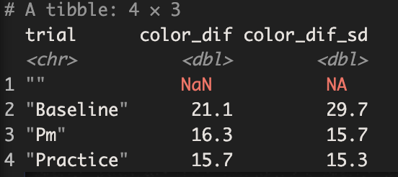
group: Baseline
 | vars | n | mean | sd | median | trimmed | mad | min | max | range | skew | kurtosis | se
X1 | 1 | 120 | 0.37 | 36.53 | 0.94 | 1.21 | 16.25 | -170.52 | 171.96 | 342.47 | -0.28 | 7.94 | 3.33
---------------------------------------------------------------------------
group: Pm
 | vars | n | mean | sd | median | trimmed | mad | min | max | range | skew | kurtosis | se
X1 | 1 | 120 | -2.39 | 22.58 | -4.21 | -3.38 | 16.32 | -54.07 | 79.68 | 133.74 | 0.69 | 2.13 | 2.06
---------------------------------------------------------------------------
group: Practice
 | vars | n | mean | sd | median | trimmed | mad | min | max | range | skew | kurtosis | se
X1 | 1 | 5 | -15.7 | 15.31 | -6.97 | -15.7 | 2.6 | -40.78 | -5.22 | 35.56 | -0.72 | -1.46 | 6.85

group: f76b8
 | vars | n | mean | sd | median | trimmed | mad | min | max | range | skew | kurtosis | se
X1 | 1 | 240 | -0.94 | 23.22 | 0.01 | -0.11 | 18.67 | -128.35 | 67.34 | 195.69 | -0.9 | 4.37 | 1.5
---------------------------------------------------------------------------

group: f42f3
 | vars | n | mean | sd | median | trimmed | mad | min | max | range | skew | kurtosis | se
X1 | 1 | 145 | 1.44 | 59.87 | 1.51 | 1.9 | 27.04 | -170.72 | 179.43 | 350.15 | 0.05 | 2.3 | 4.97

group: e6fbc
 | vars | n | mean | sd | median | trimmed | mad | min | max | range | skew | kurtosis | se
X1 | 1 | 240 | 1.3 | 19.04 | -0.37 | 0.18 | 14.76 | -49.67 | 108.8 | 158.47 | 1.63 | 7.41 | 1.23

group: c2482
 | vars | n | mean | sd | median | trimmed | mad | min | max | range | skew | kurtosis | se
X1 | 1 | 240 | 3.6 | 40.97 | 1.75 | 2.45 | 23.14 | -169.12 | 163.52 | 332.64 | 0.36 | 5.09 | 2.64

group: b3642
 | vars | n | mean | sd | median | trimmed | mad | min | max | range | skew | kurtosis | se
X1 | 1 | 240 | -0.58 | 22.35 | -0.21 | -0.25 | 14.54 | -162.7 | 86.29 | 248.99 | -1.21 | 11.6 | 1.44

group: a532b
 | vars | n | mean | sd | median | trimmed | mad | min | max | range | skew | kurtosis | se
X1 | 1 | 240 | 5.02 | 30.64 | 3.6 | 4.65 | 22.24 | -119.91 | 132.11 | 252.01 | 0.24 | 3.66 | 1.98

group: a41f1
 | vars | n | mean | sd | median | trimmed | mad | min | max | range | skew | kurtosis | se
X1 | 1 | 240 | 1.15 | 27.88 | -0.09 | 0.16 | 19.57 | -81.53 | 126.08 | 207.61 | 0.59 | 2.96 | 1.8

group: 9ad75
 | vars | n | mean | sd | median | trimmed | mad | min | max | range | skew | kurtosis | se
X1 | 1 | 240 | -1.91 | 29.21 | -0.17 | -0.63 | 19.89 | -171.76 | 95.46 | 267.22 | -1.9 | 10.53 | 1.89

group: 922a5
 | vars | n | mean | sd | median | trimmed | mad | min | max | range | skew | kurtosis | se
X1 | 1 | 240 | 3.52 | 32.91 | 0.33 | 0.8 | 23.71 | -70.1 | 157.36 | 227.46 | 1.4 | 4.34 | 2.12

group: 8f462
 | vars | n | mean | sd | median | trimmed | mad | min | max | range | skew | kurtosis | se
X1 | 1 | 240 | -0.64 | 21.59 | -1.75 | -1.05 | 11.48 | -154.08 | 169.86 | 323.95 | 1.28 | 28.83 | 1.39

group: 7f2bb
 | vars | n | mean | sd | median | trimmed | mad | min | max | range | skew | kurtosis | se
X1 | 1 | 240 | 1.24 | 15.23 | 0.61 | 0.69 | 10.04 | -78.94 | 108.75 | 187.69 | 0.96 | 13.69 | 0.98

group: 7b8e8
 | vars | n | mean | sd | median | trimmed | mad | min | max | range | skew | kurtosis | se
X1 | 1 | 240 | 1.94 | 24.75 | 1.14 | 1.26 | 13.44 | -136.52 | 163.31 | 299.83 | 1.06 | 16.53 | 1.6

group: 541d8
 | vars | n | mean | sd | median | trimmed | mad | min | max | range | skew | kurtosis | se
X1 | 1 | 240 | 0.78 | 26.95 | -0.88 | 0.61 | 18.34 | -108.93 | 170.31 | 279.23 | 1.15 | 11.07 | 1.74

group: 492f0
 | vars | n | mean | sd | median | trimmed | mad | min | max | range | skew | kurtosis | se
X1 | 1 | 240 | 3.93 | 30.03 | 2.49 | 3.07 | 20.35 | -107.31 | 158.49 | 265.8 | 0.97 | 5.63 | 1.94

group: 3055a
 | vars | n | mean | sd | median | trimmed | mad | min | max | range | skew | kurtosis | se
X1 | 1 | 40 | -10.46 | 109.55 | -28.86 | -11.96 | 124.09 | -171.7 | 174.31 | 346.02 | 0.25 | -1.34 | 17.32

group: 1c555
 | vars | n | mean | sd | median | trimmed | mad | min | max | range | skew | kurtosis | se
X1 | 1 | 240 | -1.92 | 22.28 | -0.61 | -1.31 | 17.66 | -81.3 | 79.38 | 160.68 | -0.21 | 1.3 | 1.44

