Classfication
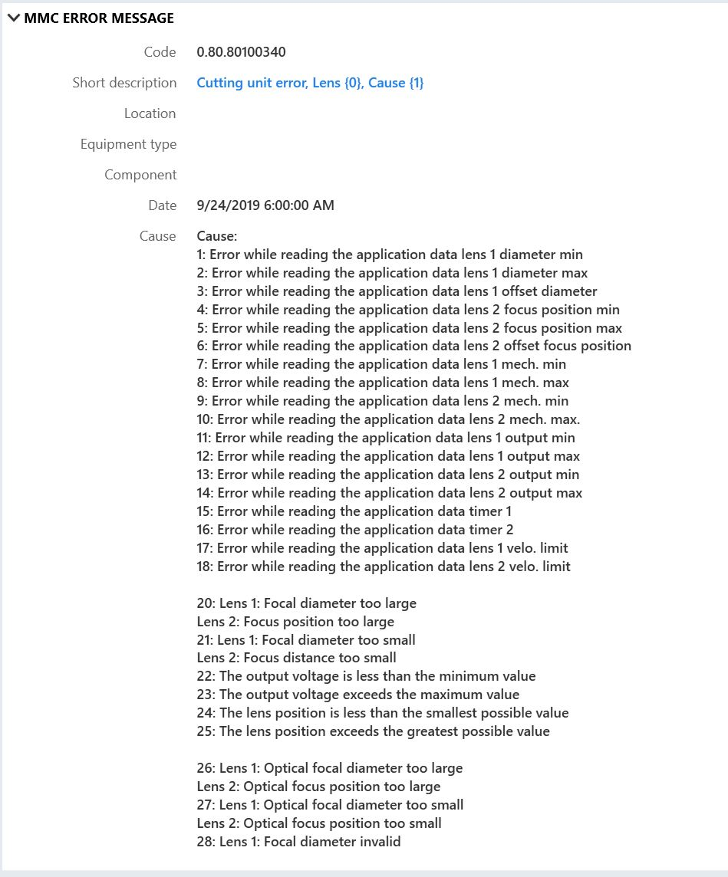
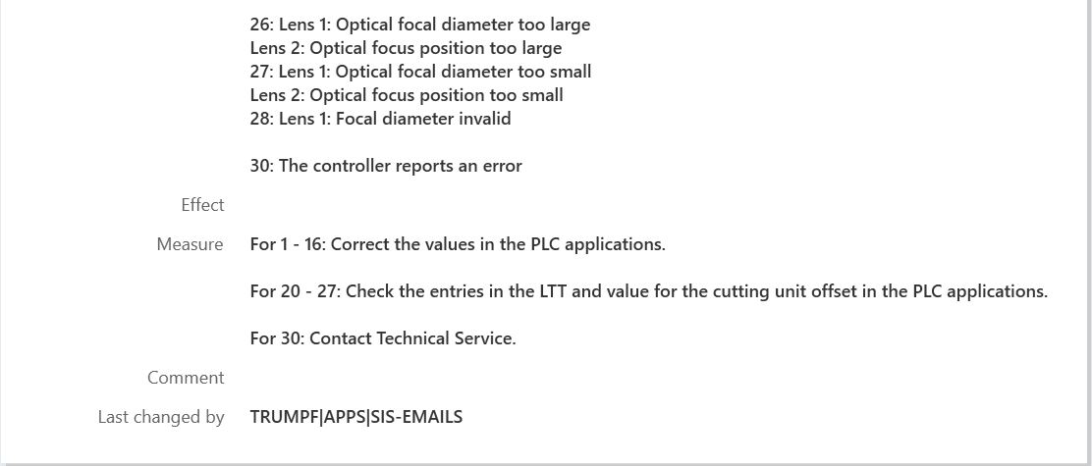
Classification | Defination | Example | Color
A | The desciption is very helpful , the cause and action are clear and understandable | 2.1.139:EtherCAT: Drive reports referencing error. Reference point traverse has been aborted.
B | The description is lack of detail, cause and action are missing or not enough. This information is important for service to do toubleshooting. | 2.10.7414：KL59 - Error Active（good example like below picture from pltform machine)
C | The error is more close to R&D topic or work. Maybe it's helpful for service troubleshooting. | 1.1.101:NC not initialized message not sent
D | Basic Controller ,HMI or Software etc. related error, service is lack of specific knowledge. | 1.0.5:IPCOM.DLL: access to semaphore failed

